Software | Licensing Agreements
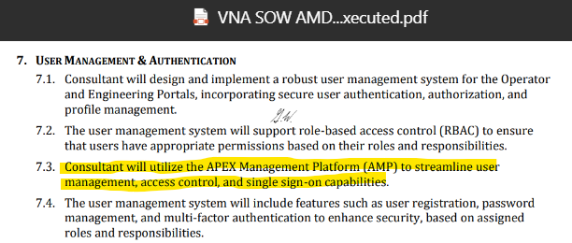
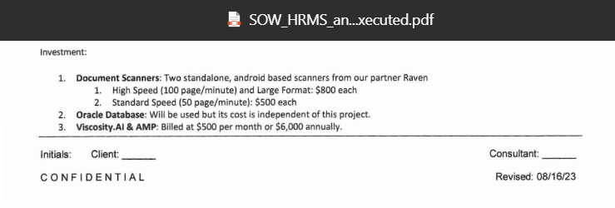
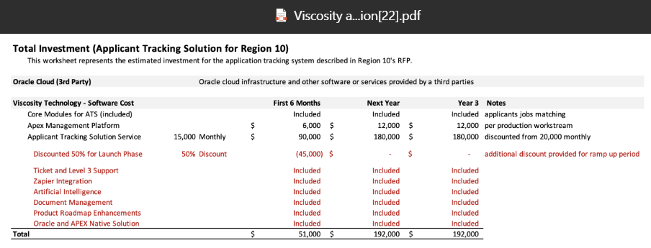
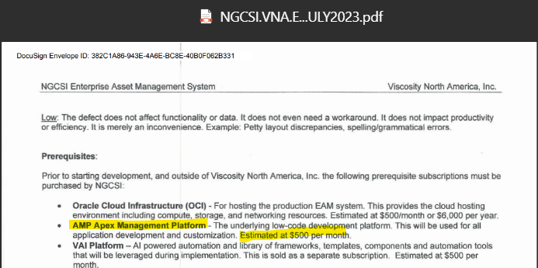
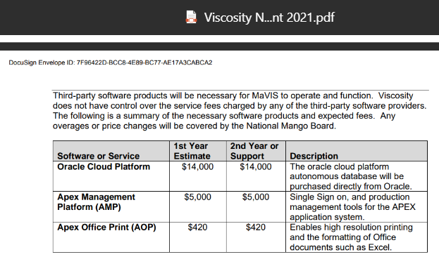
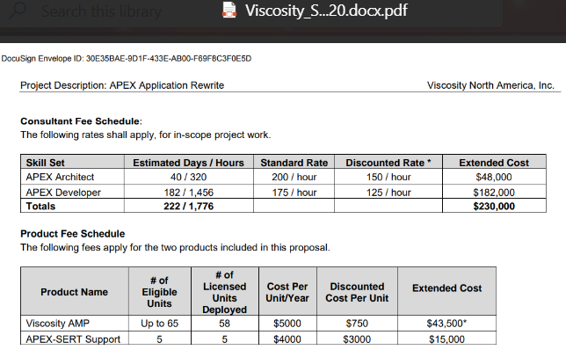
Software | Licensing Agreements
Business | Client | Product | Contract Name | Signed Copy | Status | Requires PO | Notes
 | AMDI | AMP | n/a |  | Pending |  | New Customers, will be in production this year 2024.
 | American Leather | AMP | n/a |  | Active |  | The project paused, but they’re in production; not sure as of when.
 | NGCSI | AMP | n/a |  | Active |  | Recent /New customer, they went to production recently sometime around June 2024.
 | SMRTL | AMP | n/a |  | Pending |  | Recent/New customers, will be in production soon June 2024
 | STgenetics | AMP | n/a |  | Unknown |  | I am not sure if we ever billed them for AMP or if they are aware they have to pay for AMP subscription and do not know next steps to rectify as years have passed
 | COE | AMP | n/a- not seeing it list in SOWs either |  | Unknown |  | I am not sure if we ever billed them for AMP or if they are aware they have to pay for AMP subscription and do not know next steps to rectify as years have passed.
 | Region 10 | AMP | Pending David Wangs Approval |  | Pending |  | Recent/New customer, will be in production soon June 2024.
VNA | Capital Title of Texas | AMP | Viscosity_AMP_EULA -CTOT.pdf | No Signed Copy | Unknown |  | I am not sure if we ever billed them for AMP or if they are aware they have to pay for AMP subscription and do not know next steps to rectify as years have passed.
VNA | National Mango Board | AMP | Viscosity_AMP_EULA -NMB Internal.04302021.pdf | No Signed Copy | Active |  | They have been in production for a while, and we know for sure they are paying their subscription.
VNA | Sherwin Williams | AMP | Viscosity_AMP_Software_License_Agreement_08112020.docx | Yes - DocuSign | Active |  | They have been in production for a while, and we know for sure they are paying their subscription.

Insurance
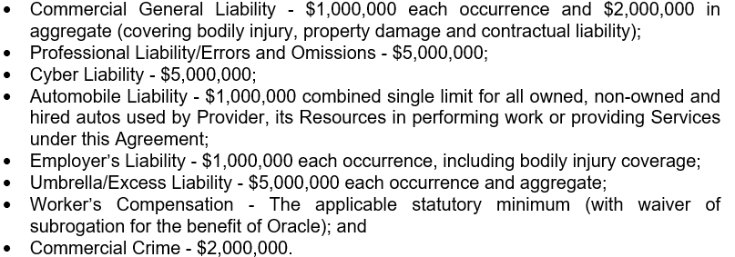
Business | Carrier | Policy # | Deductable | Aggregate Limits | Per Occurrence | Effective Date | Expiration Date | Premiums | Notes
VNA Cyber Liability
VNA GL | Truck Insurance Exchange (Farmers) | 606302693 |  | $4,000,000.00 | $2,000,000.00 | 2023-10-07 | 2024-10-07 | $880.00/Year | EMLI? 1m policy is seprate from the GL
VNA Auto Liability | Truck Insurance Exchange (Farmers) | 606302693 |  | $2,000,000.00 |  | 2023-10-07 | 2024-10-07 | *Included with GL
VNA E&O/Professional Liability Insurance/Tech Packages | CFC Underwritting Limited - Lloyd's of London | ESM0739753019 | $15,000.00 | $3,000,000.00 |  | 2023-08-22 | 2024-08-23 | $34,000/Year
VNA Umbrella/Excess Liability | Truck Insurance Exchange (Farmers) | 606302693 |  |  | $5,000,000.00 | 2023-10-07 | 2024-10-07 | *Included with GL
VNA Workers Comp | American Zurich Insurance Company (PayChex) | WC 12-68-329-02 |  |  | $2,000,000.00 |  |  | *Included with PayChex | Disease each employee: $2,000,000.00 | Disease Policy Limit: $2,000,000.00
VT Cyber Liability
VT GL | Westchester - Chubbs Company | F15695481004 |  | $2,000,000.00 |  | 2023-02-21 | 2024-02-19 | $3,077.00/Year | Will GL move up to 5m with E&O
VT Auto Liability | Westchester - Chubbs Company | F15695481004 |  | $1,000,000.00 |  | 2023-02-21 | 2024-02-20 | *Included with GL
VT E&O/Professional Liability Insurance | Westchester - Chubbs Company | F15695481004 |  | $1,000,000.00 | $1,000,000.00 | 2023-02-21 | 2024-02-21 | *Included with GL | We are approved for 5M as of 9/11/23 -effective date s/b Friday 9/15
VT Umbrella/Excess Liability |  |  |  | $5,000,000.00 |  |  |  |  | We do have
VT Workers Comp | The Standard Fire Insurance Company | UB3T997035 |  |  | $100,000.00 | 2022-05-01 | 2023-05-01 | $15.00/Month | Next Insurance - Disease each employee: $100,000.00 | Disease Policy Limit: $500,000.00

 |  |  |  | OCS/VNA - need to change to VT

