Nest Log
Nest # | Nest Photo | Location Map | Nearest Street | Date Found | Hatch Window
Nest # 3 |  | 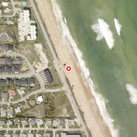 | Spanish Waters Drive | May 1, 2026 | Jun 25, 2026 – Jul 5, 2026
Nest 26 |  | 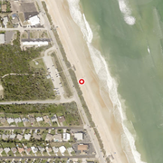 | Buttenheim Drive | May 14, 2026 | Jul 8, 2026 – Jul 18, 2026
Nest 48 |  | 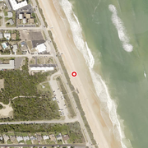 | Sandra Drive | May 18, 2026 | Jul 12, 2026 – Jul 22, 2026
Nest 47 |  | 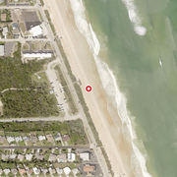 | Buttenheim Drive | May 18, 2026 | Jul 12, 2026 – Jul 22, 2026
12 |  | 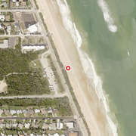 | Buttenheim Drive | Jun 9, 2026 | Aug 3, 2026 – Aug 13, 2026
118 |  | 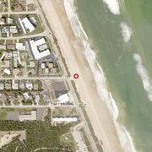 | Aqua Vista Drive | Jun 11, 2026 | Aug 5, 2026 – Aug 15, 2026
131 |  | 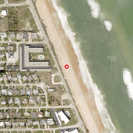 | Kathy Drive | Jun 11, 2026 | Aug 5, 2026 – Aug 15, 2026
206 |  | 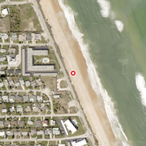 | Kathy Drive | Jun 11, 2026 | Aug 5, 2026 – Aug 15, 2026
138 |  | 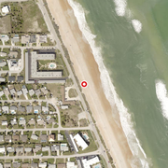 | Kathy Drive | Jun 11, 2026 | Aug 5, 2026 – Aug 15, 2026
266 |  | 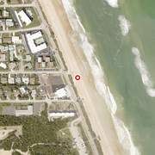 | Aqua Vista Drive | Jun 14, 2026 | Aug 8, 2026 – Aug 18, 2026
274 |  | 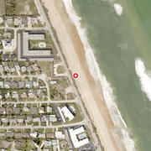 | Sunset Boulevard | Jun 15, 2026 | Jul 30, 2026 – Aug 14, 2026
FC |  | 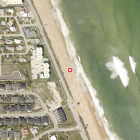 | Watchtower Drive | Jun 16, 2026 | False Crawl
290 |  | 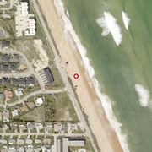 | Spanish Waters Drive | Jun 16, 2026 | Jul 31, 2026 – Aug 15, 2026
289 |  | 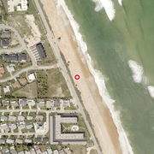 | Spanish Waters Drive | Jun 16, 2026 | Jul 31, 2026 – Aug 15, 2026

