Sheet1
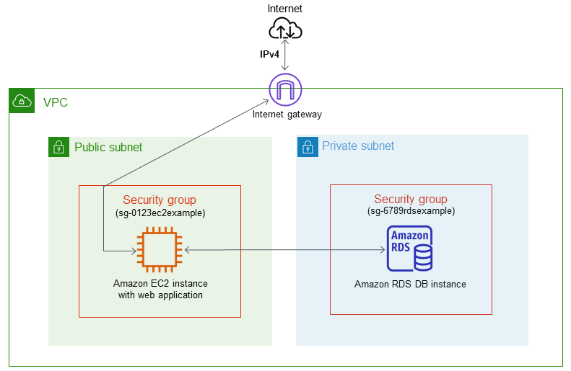

1. Kiem tra VPC, Subnet, SG

2. Tao DB
 | Initial database name: awsuser

3. Tao EC2
 | Kết nối EC2
 | Cài SQL
 |  | sudo su
 |  | yum install mariadb
 |  | mysql --version

 | Kết nối từ MySQL command-line client
 |  | mysql -h database-1.cup0zvqgv1l4.us-east-1.rds.amazonaws.com -P 3306 -u admin -p
 | Tạo table User
 |  | CREATE TABLE `awsuser`.`user` ( `id` INT NOT NULL AUTO_INCREMENT , `first_name` VARCHAR(45) NOT NULL , `last_name` VARCHAR(45) NOT NULL , `email` VARCHAR(45) NOT NULL , `phone` VARCHAR(45) NOT NULL , `comments` TEXT NOT NULL , `status` VARCHAR(10) NOT NULL DEFAULT 'active' , PRIMARY KEY (`id`)) ENGINE = InnoDB;
 |  | DESCRIBE user;
 |  | INSERT INTO `user` (`id`, `first_name`, `last_name`, `email`, `phone`, `comments`, `status`) VALUES (NULL, 'Amanda', 'Nunes', 'anunes@ufc.com', '012345 678910', '', 'active'), (NULL, 'Alexander', 'Volkanovski', 'avolkanovski@ufc.com', '012345 678910', '', 'active'), (NULL, 'Khabib', 'Nurmagomedov', 'knurmagomedov@ufc.com', '012345 678910', '', 'active'), (NULL, 'Kamaru', 'Usman', 'kusman@ufc.com', '012345 678910', '', 'active'), (NULL, 'Israel', 'Adesanya', 'iadesanya@ufc.com', '012345 678910', '', 'active'), (NULL, 'Henry', 'Cejudo', 'hcejudo@ufc.com', '012345 678910', '', 'active'), (NULL, 'Valentina', 'Shevchenko', 'vshevchenko@ufc.com', '012345 678910', '', 'active'), (NULL, 'Tyron', 'Woodley', 'twoodley@ufc.com', '012345 678910', '', 'active'), (NULL, 'Rose', 'Namajunas ', 'rnamajunas@ufc.com', '012345 678910', '', 'active'), (NULL, 'Tony', 'Ferguson ', 'tferguson@ufc.com', '012345 678910', '', 'active'), (NULL, 'Jorge', 'Masvidal ', 'jmasvidal@ufc.com', '012345 678910', '', 'active'), (NULL, 'Nate', 'Diaz ', 'ndiaz@ufc.com', '012345 678910', '', 'active'), (NULL, 'Conor', 'McGregor ', 'cmcGregor@ufc.com', '012345 678910', '', 'active'), (NULL, 'Cris', 'Cyborg ', 'ccyborg@ufc.com', '012345 678910', '', 'active'), (NULL, 'Tecia', 'Torres ', 'ttorres@ufc.com', '012345 678910', '', 'active'), (NULL, 'Ronda', 'Rousey ', 'rrousey@ufc.com', '012345 678910', '', 'active'), (NULL, 'Holly', 'Holm ', 'hholm@ufc.com', '012345 678910', '', 'active'), (NULL, 'Joanna', 'Jedrzejczyk ', 'jjedrzejczyk@ufc.com', '012345 678910', '',
 |  | SELECT * FROM user;
 |  | exit

4. Trien khai source tu GIT
 | Install Node
 |  | curl -o- https://raw.githubusercontent.com/nvm-sh/nvm/v0.34.0/install.sh | bash
 |  | . ~/.nvm/nvm.sh
 |  | nvm install 16
 |  | node -v
 |  | npm -v
 | Install GIT
 |  | sudo yum install git -y
 |  | git init
 |  | git clone https://github.com/First-Cloud-Journey/000004-EC2.git
 |  | cd 000004-EC2
 |  | npm init

 | Install các dependencies
 |  | npm install express dotenv express-handlebars body-parser mysql
 | Setting biến môi trường DB
 |  | touch .env
 |  | vi .env
 |  | DB_HOST = 'database-1.cup0zvqgv1l4.us-east-1.rds.amazonaws.com' DB_NAME = 'awsuser' DB_USER = 'admin' DB_PASS = 'Abc12345'

 | Khởi động lại Express server và local server
 |  | npm install --save-dev nodemon
 |  | npm start

