Application control
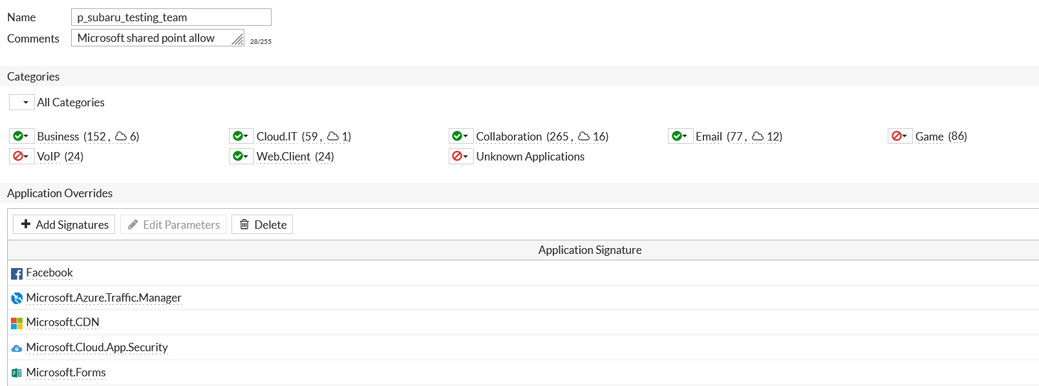


Management Users

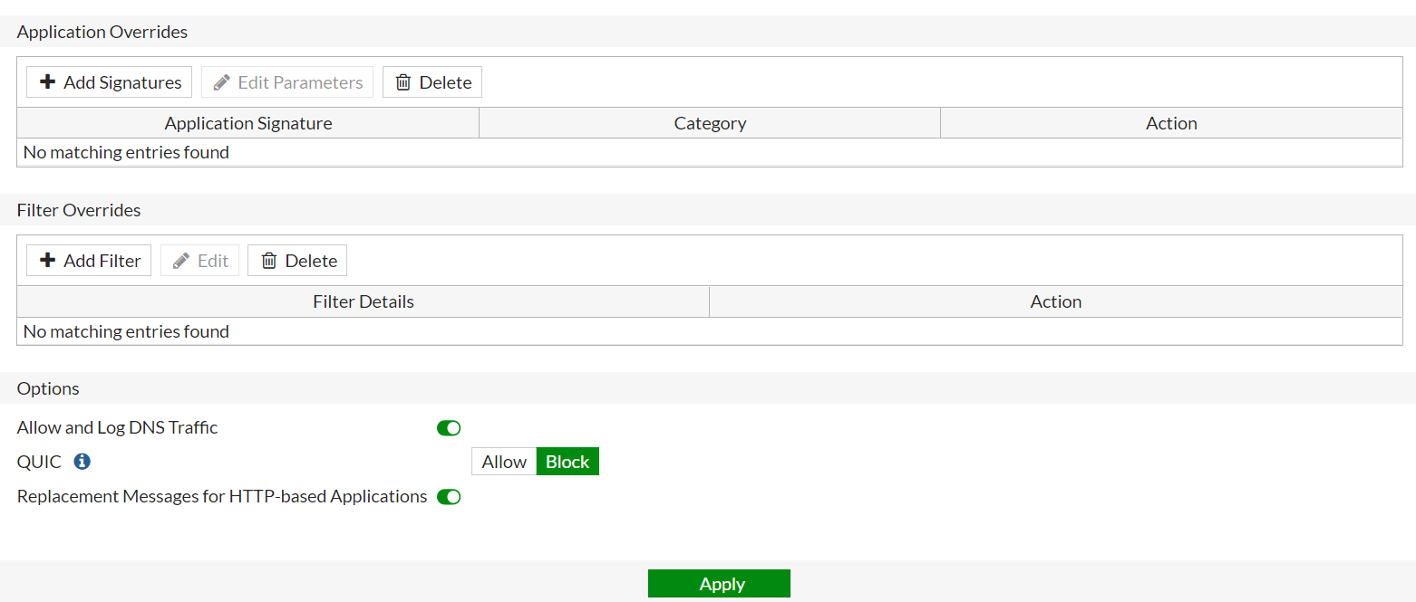

Leaders

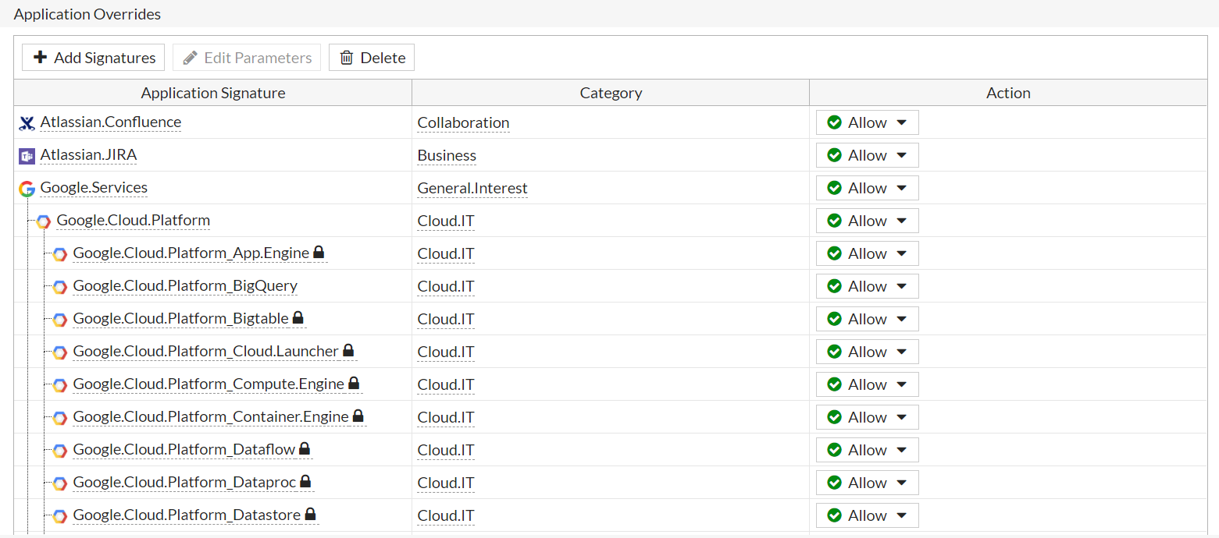

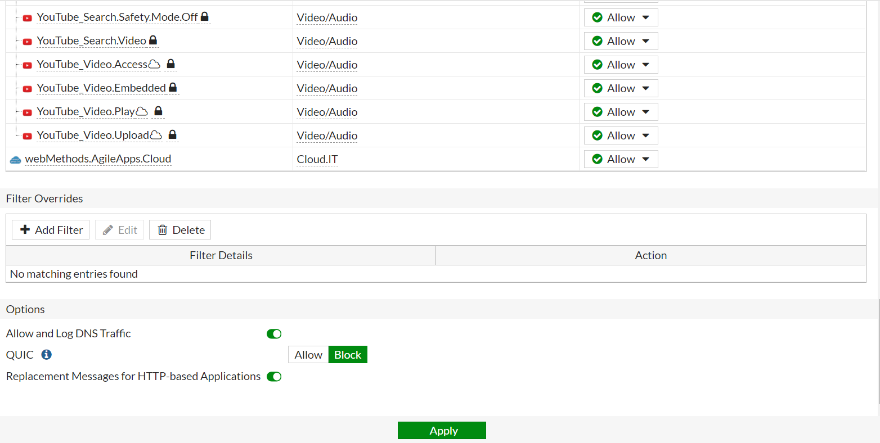

Members

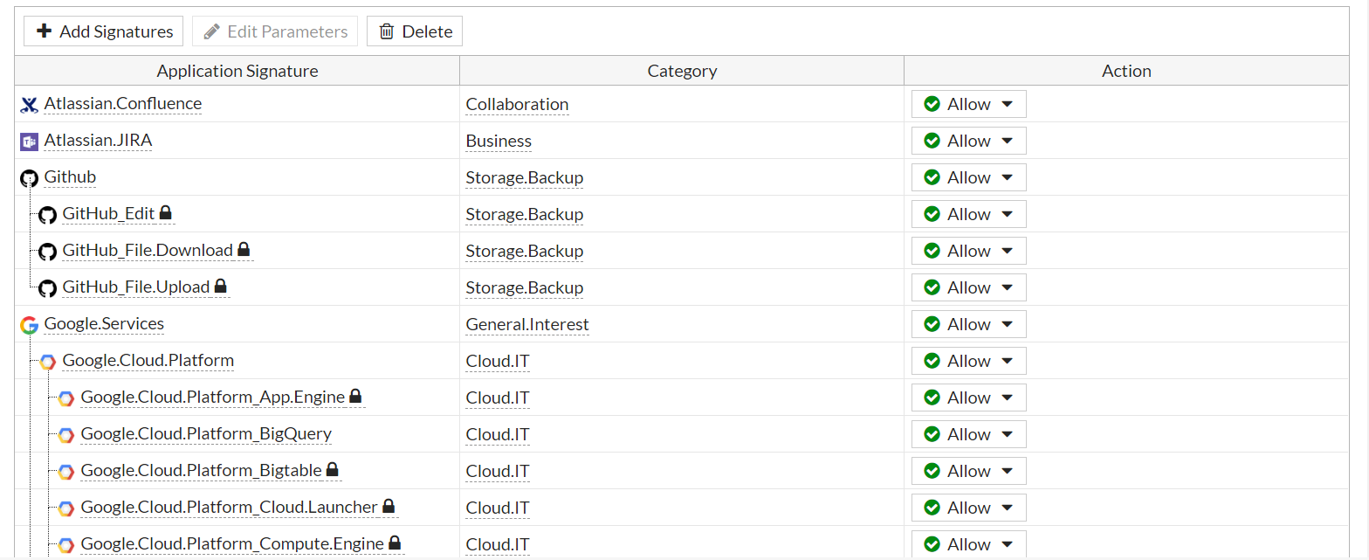

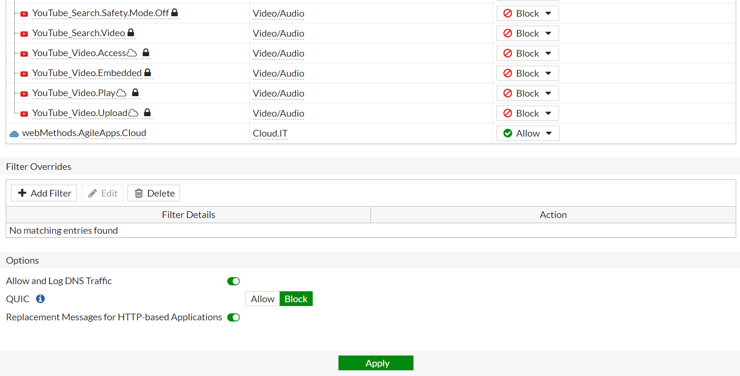

SST_Skype_Allow

Sale Team

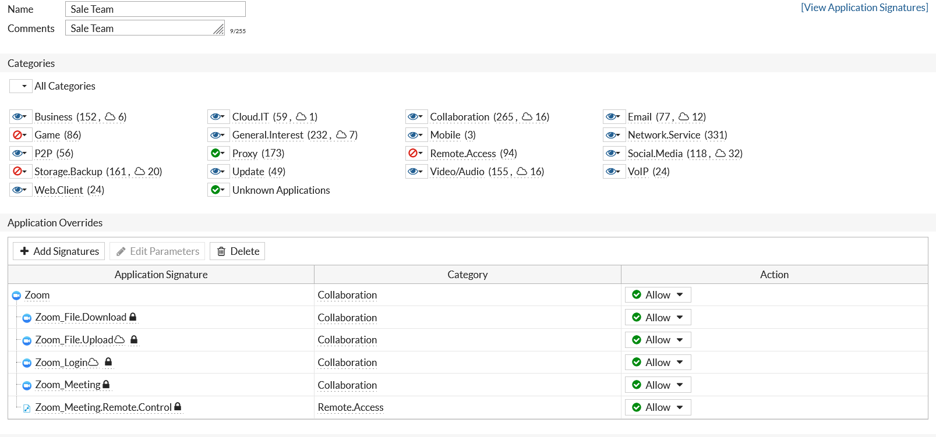

Testing Team

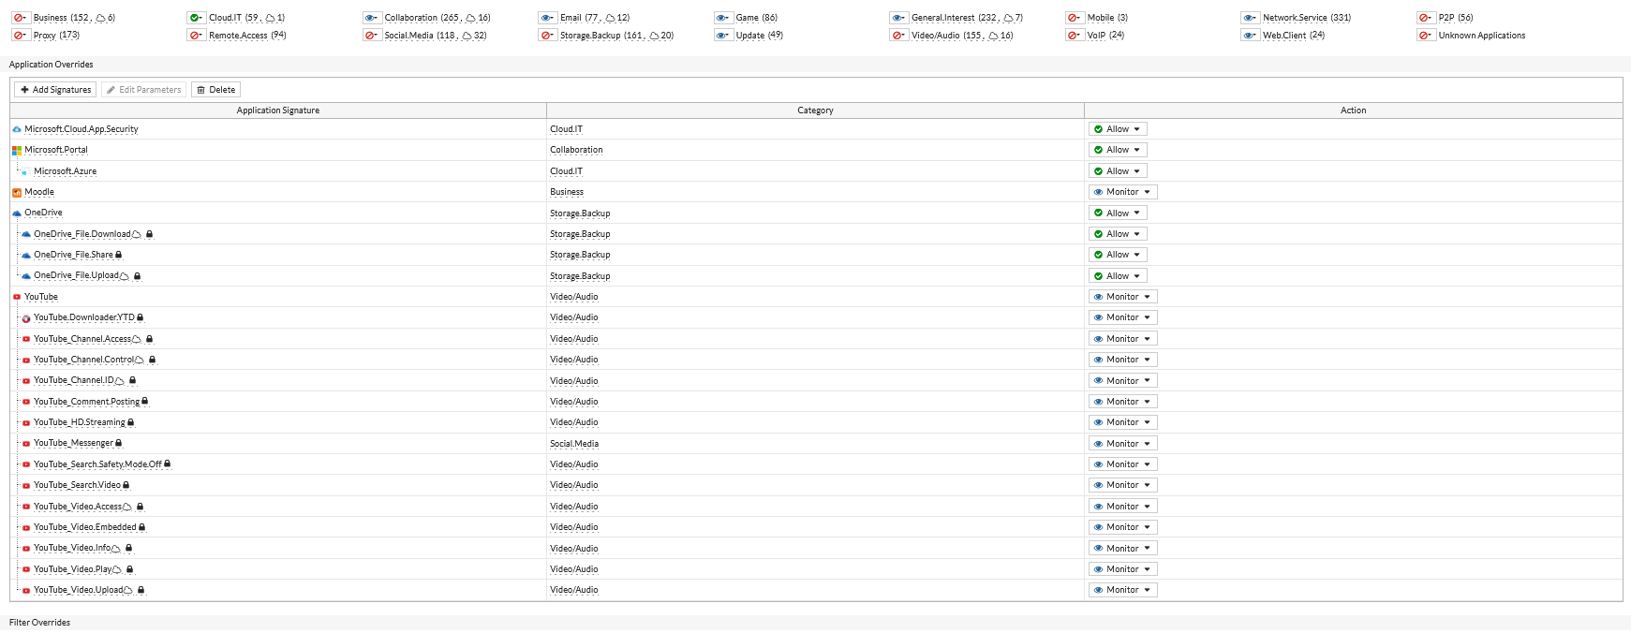

p_bpo_mgmt

p_subaru_testing_skype_email

p_subaru_testing_team

SSL-Conf
SSL VPN For Remote User

We have already created wan interface and internal network. In this Doc we have used above IP address as example.
No | Steps |  |  | Screen Shoot
1 | Configure Address Group For SSL VPN network
 | a. | Policy and Object >> Create New >> mgmt-VPNIP
 | b. | TYPE >> IP Range (10.67.11.10-10.67.11.20)

2 | Configure user and user group:
 | a. | Go to User & Device > User Definition to create a local user sslvpnuser1.
 | b. | Go to User & Device > User Groups to create a group sslvpngroup with the member sslvpnuser1.

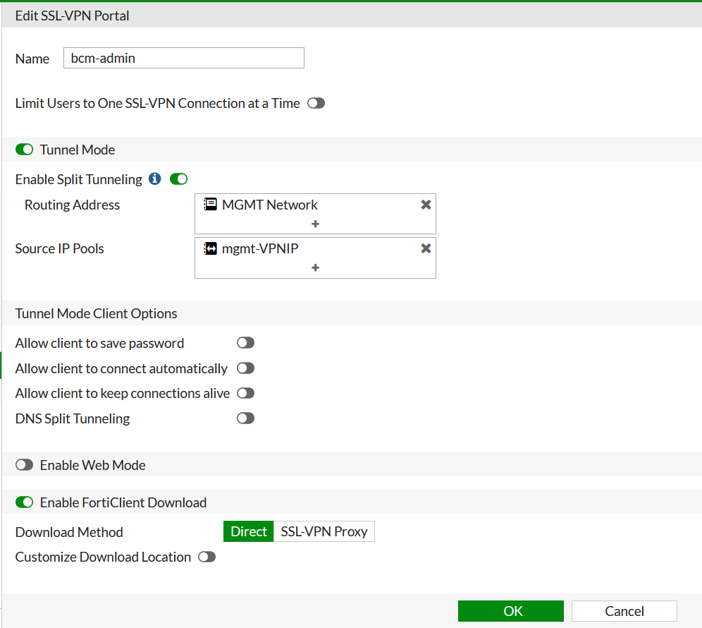
3 | Configure SSL VPN web portal:
 | a. | Go to VPN > SSL-VPN Portals to create a tunnel mode only portal "bcm-admin".
 | b. | Enable Tunnel Mode
 | c. | Enable Split Tunnel
 | d. | Routing Address >> Destination Network
 | e. | Source IP Pool >> mgmt-VPNIP
 | f. | Disable Web Mode
 | g. | Enable Forti Download as Direct

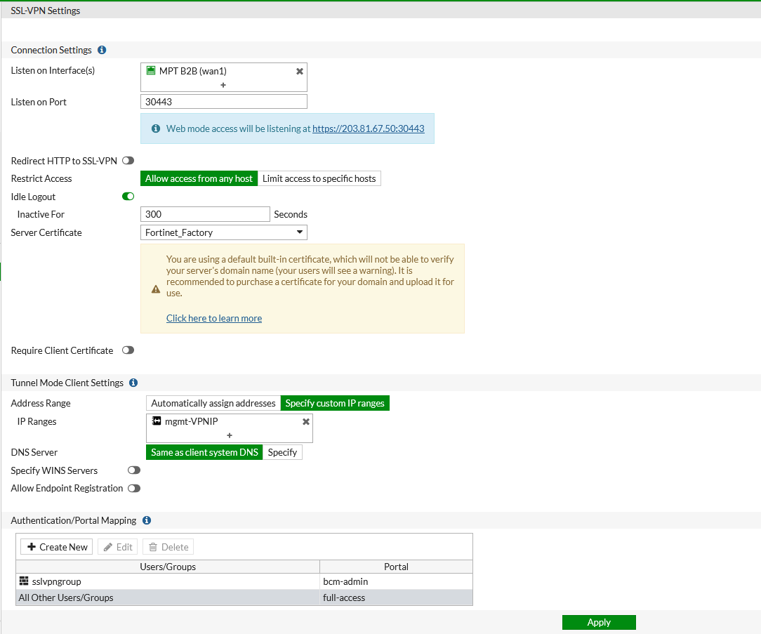
4 | Configure SSL VPN settings:
 | a. | Go to VPN > SSL-VPN Settings.
 | b. | For Listen on Interface(s), select wan1.
 | c. | Set Listen on Port to desired port. In my option 10443.
 | d. | Choose a certificate for Server Certificate. The default is Fortinet_Factory.
 | e. | In Authentication/Portal Mapping All Other Users/Groups, set the Portal to tunnel-access.
 | f. | Create new Authentication/Portal Mapping for group sslvpngroup mapping portal bcm-admin.

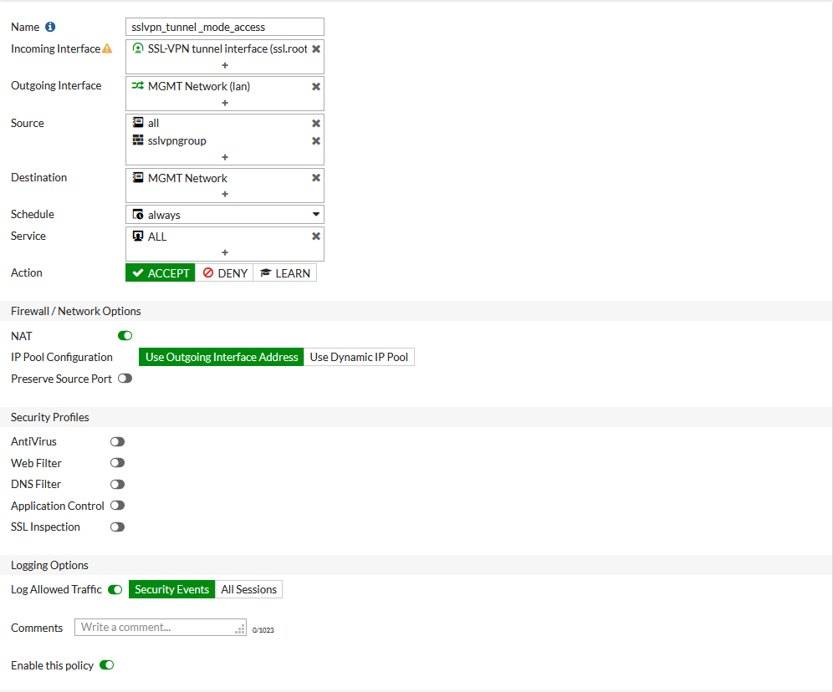
5 | Configure SSL VPN firewall policies to allow remote user to access the internal network:
 | a. | Go to Policy & Objects > IPv4 Policy and click Create New.
 | b. | Set Name to sslvpn tunnel mode access.
 | c. | Set Incoming Interface to SSL-VPN tunnel interface(ssl.root).
 | d. | Set Outgoing Interface to port1.
 | e. | Set the Source Address to mgmt-VPNIP and User to sslvpngroup.
 | f. | Set Desitnation to internal IP Address (192.168.1.99/24)

6 | To see the results:
 | a. | Download FortiClient from www.forticlient.com.
 | b. | Open the FortiClient Console and go to Remote Access.
 | c. | Add a new connection.
 |  | ※ | Set VPN Type to SSL VPN.
 |  | ※ | Set Remote Gateway to the IP of the listening FortiGate interface, in this example, 172.20.120.123
 | d. | Select Customize Port and set it to 10443.
 | e. | Save your settings.
 | f. | Use the credentials you've set up to connect to the SSL VPN tunnel.
 | g. | After connection, all traffic except the local subnet will go through the tunnel FGT.
 | h. | Go to VPN > Monitor > SSL-VPN Monitor to verify the list of SSL users.
 | i. | On the FortiGate, go to Log & Report > Traffic Log > Forward Traffic and view the details for the SSL entry.

