Plots
 | chi^2
0 | 4.26613005
1 | 4.7957564393
2 | 3.9662999661
3 | 4.351993087
4 | 4.7577899493
5 | 5.3649700443
6 | 4.7357690176
7 | 4.0053978614
8 | 3.9109765583
9 | 3.5229252771
10 | 3.4907763682
11 | 2.9772315665
12 | 2.8829721255
13 | 2.2320898741
14 | 2.4678813681
15 | 2.1466299026
16 | 1.646947093
17 | 1.656883088
18 | 1.4954274057
19 | 1.8772591348
20 | 1.5085066958
21 | 1.6307155956
22 | 2.0819447115
23 | 1.6049051334
24 | 1.8497705725
25 | 1.5131595128
26 | 1.8604454166
27 | 1.5050672652
28 | 1.600399128
29 | 1.7953512803
30 | 1.4987483699
31 | 1.5689045501
32 | 1.5033604667
33 | 1.5488616876
34 | 1.4895734716
35 | 1.5187319402
36 | 1.4905675918
37 | 1.5191359365
38 | 1.4890868762
39 | 1.506110472
40 | 1.4899076735
41 | 1.5055500474
42 | 1.488372223
43 | 1.4998868142
44 | 1.4876862954
45 | 1.4948872068
46 | 1.4868257948
47 | 1.4944449541
iteration | chi^2
0 | 4.26613005
1 | 4.7957564393
2 | 3.9662999661
3 | 4.351993087
4 | 4.7577899493
5 | 5.3649700443
6 | 4.7357690176
7 | 4.0053978614
8 | 3.9109765583
9 | 3.5229252771
10 | 3.4907763682
11 | 2.9772315665
12 | 2.8829721255
13 | 2.2320898741
14 | 2.4678813681
15 | 2.1466299026
16 | 1.646947093
17 | 1.656883088
18 | 1.4954274057
19 | 1.8772591348
20 | 1.5085066958
21 | 1.6307155956
22 | 2.0819447115
23 | 1.6049051334
24 | 1.8497705725
25 | 1.5131595128
26 | 1.8604454166
27 | 1.5050672652
28 | 1.600399128
29 | 1.7953512803
30 | 1.4987483699
31 | 1.5689045501
32 | 1.5033604667
33 | 1.5488616876
34 | 1.4895734716
35 | 1.5187319402
36 | 1.4905675918
37 | 1.5191359365
38 | 1.4890868762
39 | 1.506110472
40 | 1.4899076735
41 | 1.5055500474
42 | 1.488372223
43 | 1.4998868142
44 | 1.4876862954
45 | 1.4948872068
46 | 1.4868257948
47 | 1.4944449541

Desc
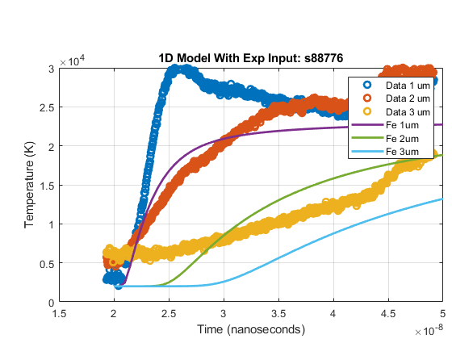
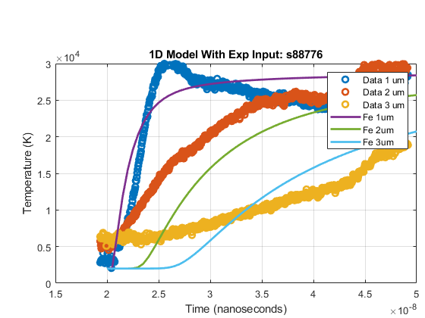
optimization method | Nelder-Mead | Initial fit | Final fit
Initial parameters:
Notes | now trying the run of s88776 again to see if extending the time period of the modelled data helps to make the model any more accurate
datetime | August 2, 2021, ~10:45AM
Initial fit
Final fit

