Sheet1
 | chi^2
0 | 4.26613005
1 | 3.47734178
2 | 3.8482519594
3 | 4.2312102832
4 | 4.2661300574
5 | 4.2661300004
6 | 3.7584314229
7 | 3.5664393243
8 | 3.310386069
9 | 2.8964799031
10 | 2.8531315821
11 | 2.3223993678
12 | 2.5857226768
13 | 2.2704129192
14 | 1.8039244441
15 | 1.8425155847
16 | 1.5848186269
17 | 1.6482138818
18 | 1.5394645197
19 | 1.7525154715
20 | 1.5355596015
21 | 2.0360146612
22 | 1.6780524536
23 | 1.6987958172
24 | 2.1294882209
25 | 1.5695189955
26 | 1.7171829935
27 | 1.5631207522
28 | 1.7560704226
29 | 1.552059675
30 | 1.6321679649
31 | 1.5347461765
32 | 1.6275596336
33 | 1.5305124517
34 | 1.5675279645
35 | 1.5334381173
36 | 1.5649840362
37 | 1.529643332
38 | 1.5400641114
39 | 1.5274112421
40 | 1.5461365431
41 | 1.5248845206
42 | 1.5488951425
43 | 1.525073499
44 | 1.5378516907
45 | 1.5259080437
46 | 1.5364275638
47 | 1.5253163975
48 | 1.5311720096
49 | 1.5236338984
...
iteration | chi^2
0 | 4.26613005
1 | 3.47734178
2 | 3.8482519594
3 | 4.2312102832
4 | 4.2661300574
5 | 4.2661300004
6 | 3.7584314229
7 | 3.5664393243
8 | 3.310386069
9 | 2.8964799031
10 | 2.8531315821
11 | 2.3223993678
12 | 2.5857226768
13 | 2.2704129192
14 | 1.8039244441
15 | 1.8425155847
16 | 1.5848186269
17 | 1.6482138818
18 | 1.5394645197
19 | 1.7525154715
20 | 1.5355596015
21 | 2.0360146612
22 | 1.6780524536
23 | 1.6987958172
24 | 2.1294882209
25 | 1.5695189955
26 | 1.7171829935
27 | 1.5631207522
28 | 1.7560704226
29 | 1.552059675
30 | 1.6321679649
31 | 1.5347461765
32 | 1.6275596336
33 | 1.5305124517
34 | 1.5675279645
35 | 1.5334381173
36 | 1.5649840362
37 | 1.529643332
38 | 1.5400641114
39 | 1.5274112421
40 | 1.5461365431
41 | 1.5248845206
42 | 1.5488951425
43 | 1.525073499
44 | 1.5378516907
45 | 1.5259080437
46 | 1.5364275638
47 | 1.5253163975
48 | 1.5311720096
49 | 1.5236338984
50 | 1.5261004977
51 | 1.5240151812
52 | 1.5241630002
53 | 1.5241630002

Sheet2
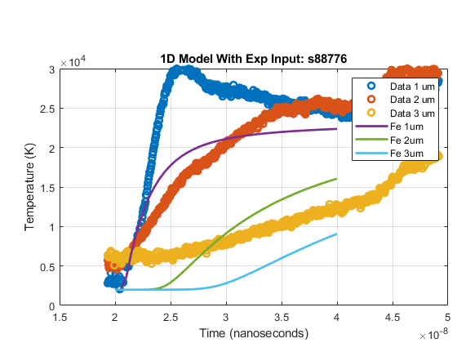
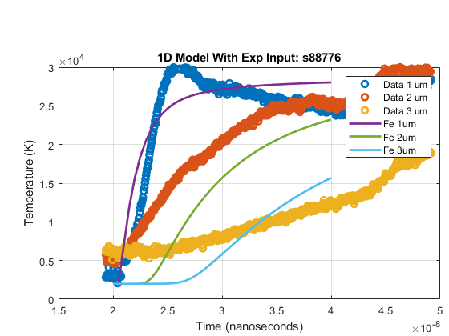
optimization method | Nelder-Mead | Initial fit | Final fit
Initial parameters:
Notes | running s88776 data to see if it converges to a good fit like s88773, or if it flattens out like s88780. It appears to converge, and chi^2 is in the same range as in s88773
datetime | August 2, 2021, ~10:00AM
Initial fit
Final fit

