Plots
iteration | chi^2
0 | 5.1929156036
1 | 4.5807871827
2 | 4.7705327425
3 | 5.1521591396
4 | 5.1929156146
5 | 5.1929155302
6 | 4.7537543478
7 | 4.5876432311
8 | 4.3654298818
9 | 4.0082077592
10 | 3.9834008509
11 | 3.5435363895
12 | 3.835876298
13 | 3.5487756188
14 | 3.3651164045
15 | 3.1354543358
16 | 3.0629720854
17 | 3.3540428784
18 | 3.1261237918
19 | 3.1379701865
20 | 3.3094017116
21 | 4.1920202561
22 | 3.163540855
23 | 3.3692281784
24 | 3.1275404463
25 | 3.316086638
26 | 3.0958159035
27 | 3.203673054
28 | 3.0949030017
29 | 3.0843382501
30 | 3.0948411503
31 | 3.0178161486
32 | 2.9775962587
33 | 3.0193063922
34 | 3.0034659655
35 | 2.9689978449
36 | 2.964046153
37 | 2.9495672449
38 | 2.9963640341
39 | 2.8615241288
40 | 2.7838765239
41 | 2.8518591658
42 | 2.7837566408
43 | 2.7232562969
44 | 2.7224632593
45 | 2.6698782653
46 | 2.7602438405
47 | 2.6265667639
48 | 2.6646808025
49 | 2.6386609359
50 | 2.6584617252
51 | 2.8313473245
52 | 2.6596697789
53 | 2.7024678611
54 | 2.6379647385
55 | 2.7139530515
56 | 2.6354671941
57 | 2.6591609689
58 | 2.6353884031
59 | 2.6574379992
60 | 2.636596982
61 | 2.6291101844
62 | 2.6520935516
63 | 2.6280150713
64 | 2.6358534095
65 | 2.6289420046
66 | 2.646892828
67 | 2.6279283766
68 | 2.6454711191
69 | 2.6283129466
70 | 2.6278599501
71 | 2.6292304502
72 | 2.6262591206
73 | 2.627950516

Desc
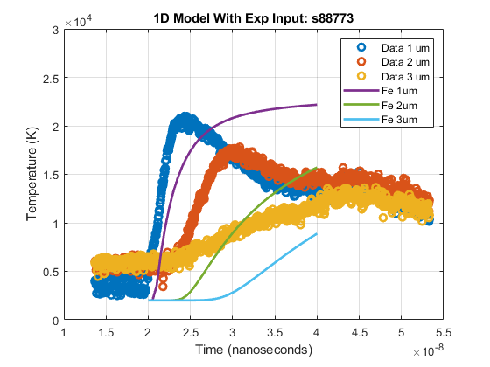
optimization method | Nelder-Mead | Initial fit |  | Final fit
Initial parameters:
Notes | running with s88773 data with the initial fat part included for all data to see what kind of optimization we get. Appears to fit well and not do "flattening out." I don't know why this is yet, but so far, s8873 seems to be the only one that fit well |  | 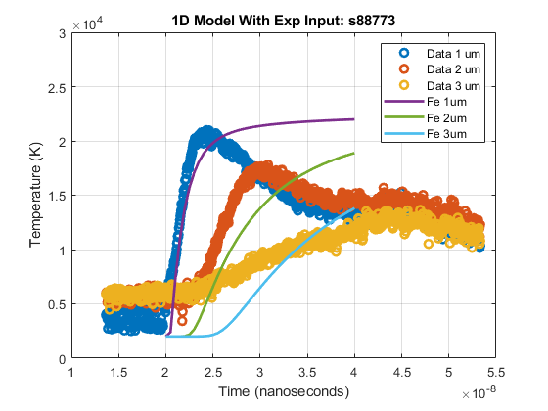
datetime | August 2, 2021, ~9:22AM
Initial fit
Final fit

