Sheet1
 | chi^2
0 | 102.14381621
1 | 118.03464897
2 | 106.81192686
3 | 102.42010134
4 | 102.14381503
5 | 102.14382393
6 | 89.518576097
7 | 77.163346133
8 | 87.581949158
9 | 85.841059511
10 | 80.111729567
11 | 72.352741087
12 | 60.132930353
13 | 57.88381197
14 | 42.160041542
15 | 50.596808727
16 | 41.374098917
17 | 27.252141848
18 | 28.299808196
iteration | chi^2
0 | 102.14381621
1 | 118.03464897
2 | 106.81192686
3 | 102.42010134
4 | 102.14381503
5 | 102.14382393
6 | 89.518576097
7 | 77.163346133
8 | 87.581949158
9 | 85.841059511
10 | 80.111729567
11 | 72.352741087
12 | 60.132930353
13 | 57.88381197
14 | 42.160041542
15 | 50.596808727
16 | 41.374098917
17 | 27.252141848
18 | 28.299808196

Sheet2
optimization method | Nelder-Mead | initial fit | Final fit
Initial parameters:
Notes | Running s88780 optimization again to test previous conclusion that the data does not converge. Hypothesis confirmed. Run terminated because of "flattening out" of data | 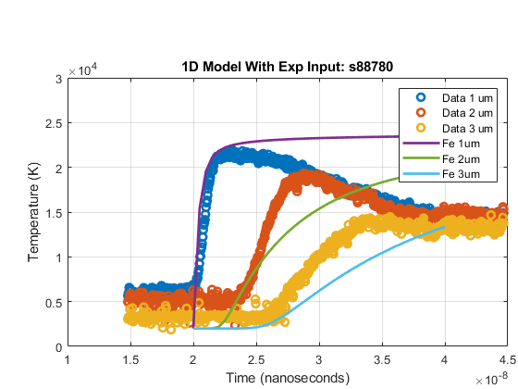 | 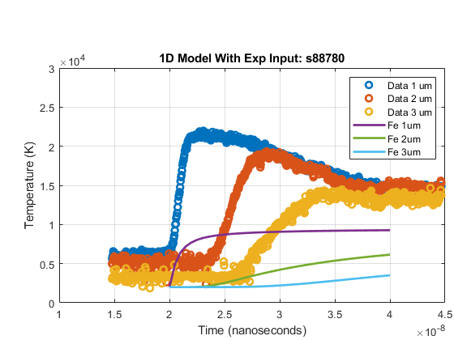
datetime | Run initiated August 2, 2021, 9:40AM
Initial fit
Final fit

