HullComp
No | Parts Type | Sub No | Parts Name | Num | Check | Parts Number | Supplyer | Image | URL
030001_003001 | 3 | 1 | Urethane foam(1kg:hull) bezier_hull.stl | 1.75 |  |  | cast |  | https://www.amazon.co.jp/%E3%83%9B%E3%83%BC%E3%83%88%E3%82%AF-%E3%80%90%E7%A1%AC%E8%B3%AA%E7%99%BA%E6%B3%A1%E3%82%A6%E3%83%AC%E3%82%BF%E3%83%B3%E3%83%95%E3%82%A9%E3%83%BC%E3%83%A0%E5%8E%9F%E6%B6%B2-30%E5%80%8D%E3%80%91%EF%BC%91kg%E3%82%BB%E3%83%83%E3%83%88/dp/B00FDMROUE
030001_001002 | 1 | 2 | hull_base.stl | 1 |  |  | 3d printer
030001_001002 | 20 | 1 | copper tape | 1 |  |  | 3m |  | https://www.amazon.co.jp/gp/product/B017DG8KQE
030001_100003 | 100 | 3 | solar_panel_50W | 1 |  | 50W18V | WORKSTAR | 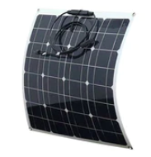 | https://ja.aliexpress.com/item/33042444774.html

BottomChamber
No | Parts Type | Sub No | Parts Name | Num | Check | Parts Number | Supplyer | Image | URL | 列1 | 列2 | 列3 | 列4 | 列5 | 列6 | 列7 | 列8 | 列9 | 列10 | 列11 | 列12 | 列13 | 列14 | 列15 | 列16 | 列17
030002_001001 | 1 | 1 | cable_pod_100mm.stl | 1
030002_001002 | 1 | 2 | battey_cover.stl | 1
030002_001003 | 1 | 3 | cable_stud.stl | 1
030002_001004 | 1 | 4 | camera_pod_100mm.stl | 1
030002_001005 | 1 | 5 | camera_pod_cover_100mm.stl | 1
030002_001006 | 1 | 6 | camera_pod_dome_cover_100mm.stl
030002_001007 | 1 | 7 | lenshole_seal.stl
030002_001008 | 1 | 8 | pod_cover_100mm.stl
030002_001009 | 1 | 9 | pod_cover_flange_100mm.stl |  |  |  |  | 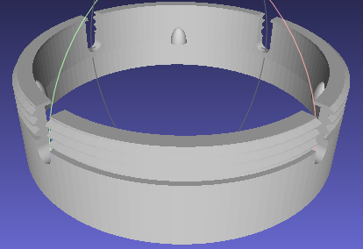
030002_001010 | 1 | 10 | pod_inner_100mm.stl
030002_001011 | 1 | 11 | pod_seal_100mm.stl
030002_001012 | 1 | 12 | tube_locker.stl | 2 |  |  |  | 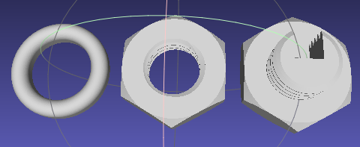
030002_010001 | 10 | 1 | acrylic dome φ50mm | 1 |  |  |  | 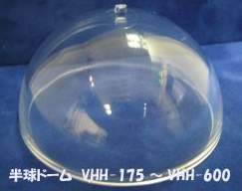
030002_010002 | 10 | 2 | acrylic tube φ100mm x 160mm | 1
030002_010003 | 10 | 3 | metal tube φ2.5mm x 10mm | 2 |  |  |  | 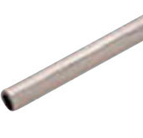 | https://www.monotaro.com/p/4035/6601/
030002_010004 | 10 | 4 | silicon tube φ4(2.5)mm x 100mm | 2 |  |  |  |  | https://www.monotaro.com/p/2225/2518/
030002_010005 | 10 | 5 | M2x6 skrew | 12 |  |  |  |  | https://www.monotaro.com/p/4172/6237/
030002_010006 | 10 | 6 | M3x6 skrew | 12 |  |  |  |  | https://www.monotaro.com/p/2902/4039/
030002_020001 | 20 | 1 | 12pin cable 250mm | 1
030002_020002 | 20 | 2 | 12pin connector female | 1 |  |  |  |  | https://www.amazon.co.jp/gp/product/B07D3KKQSS/
030002_020003 | 20 | 3 | ph 4pin | 3
030002_020004 | 20 | 4 | power_connector USB 4pin ph connector cable | 1
030002_020005 | 20 | 5 | battery connector(M) cable 100mm | 1
030002_020006 | 20 | 6 | solar & battery MC4 connector | 2
030002_020007 | 20 | 7 | solar power cable 1.25sq x 300mm(2 wire set) | 1 |  |  |  |  | https://www.monotaro.com/p/3260/6411/
030002_020008 | 20 | 8 | battey power cable 2.0sq x 300mm(2 wire set) | 1 |  |  |  |  | https://www.monotaro.com/p/3260/6411/
030002_020009 | 20 | 9 | motor power cable 0.75sq x 300mm(3 wire set | 4 |  |  |  |  | https://www.monotaro.com/p/0504/5057/
030002_100001 | 100 | 1 | solar charger 20A | 1 |  | ALLPOWER20A | allpower |  | https://allpowers.solarpanelsi.com/20a-solar-charger-controller.html
030002_100002 | 100 | 2 | battery_12V_100W | 1
030002_100003 | 100 | 3 | ESC_QUAD | 1 |  |  |  |  | https://hobbyking.com/en_us/arm-4-in-1-20a.html
030002_100004 | 100 | 4 | POWER_CONTROL_BOARD | 1
030002_100005 | 100 | 5 | PICAM360_WDR | 1

UpperChamber
No | Parts Type | Sub No | Parts Name | Num | Check | Parts Number | Supplyer | Image | URL | 列1 | 列2 | 列3 | 列4 | 列5 | 列6 | 列7 | 列8 | 列9 | 列10 | 列11 | 列12 | 列13 | 列14 | 列15 | 列16 | 列17
030003_001001 | 1 | 1 | cable_pod_60mm.stl | 1 |  |  |  | 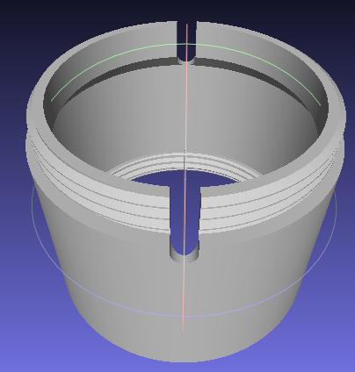
030003_001002 | 1 | 2 | cable_pod_cover_60mm.stl | 1
030003_001003 | 1 | 3 | camera_pod_60mm.stl | 1
030003_001004 | 1 | 4 | camera_pod_cover_60mm.stl | 1
030003_001005 | 1 | 5 | pod_cover_60mm.stl
030003_001006 | 1 | 6 | pod_cover_flange_60mm.stl
030003_001007 | 1 | 7 | pod_inner_60mm.stl | 1
030003_001008 | 1 | 8 | pod_seal_60mm.stl | 1
030003_001009 | 1 | 9 | tube_locker.stl | 2
030003_010001 | 10 | 1 | acrylic dome 50mm | 1
030003_010002 | 10 | 2 | acrylic tube 60mm | 1
030002_010003 | 10 | 3 | metal tube φ2.5mm x 10mm | 2 |  |  |  |  | https://www.monotaro.com/p/4035/6601/
030002_010004 | 10 | 4 | silicon tube φ4(2.5)mm x 100mm | 2 |  |  |  |  | https://www.monotaro.com/p/2225/2518/
030002_010005 | 10 | 5 | M2x6 skrew | 16 |  |  |  |  | https://www.monotaro.com/p/4172/6237/
030002_010006 | 10 | 6 | M2.6x11 stud | 4
030002_010007 | 10 | 7 | M2.6x10 bolt | 8
030003_020001 | 20 | 1 | 12pin cable 250mm | 1
030003_020002 | 20 | 2 | 12pin connector male | 1 |  |  |  | 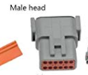 | https://www.amazon.co.jp/gp/product/B07D3KKQSS/
030002_020003 | 20 | 3 | ph 4pin | 3
030003_020004 | 20 | 4 | USB ph male connector | 3
030003_020005 | 20 | 5 | USB ph female connector | 1
030003_020006 | 20 | 6 | USB 4pin ph connector cable | 2.5
030003_020009 | 20 | 9 | micro USB extension baord | 1
030003_100001 | 100 | 1 | RASPI ZERO | 1
030003_100002 | 100 | 2 | USV_CONTROLLER_BOARD | 1
030003_100003 | 100 | 3 | USB HUB | 1
030003_100004 | 100 | 4 | GPS | 1
030003_100005 | 100 | 5 | NETWORK DONGLE | 1
030003_100006 | 100 | 6 | PICAM360_WDR | 1
030003_100007 | 100 | 7 | SD CARD | 1

SkrewComp
No | Parts Type | Sub No | Parts Name | Num | Check | Parts Number | Supplyer | Image | URL | 列1 | 列2 | 列3 | 列4 | 列5 | 列6 | 列7 | 列8 | 列9 | 列10 | 列11 | 列12 | 列13 | 列14 | 列15 | 列16 | 列17
030004_001001 | 1 | 1 | skrew_mount_cover.stl | 1 |  |  | 3d printer
030004_001002 | 1 | 2 | skrew_mount.stl | 1 |  |  | 3d printer | 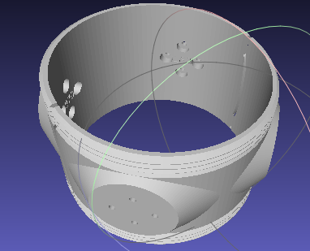
030004_001003 | 1 | 3 | skrew_wire_seal.stl | 1 |  |  | 3d printer | 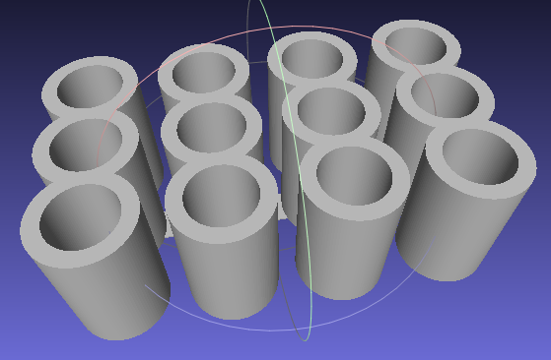
030004_010001 | 10 | 1 | M3x10 bolt | 16 |  |  |  |  | https://www.monotaro.com/p/4170/8107/
030004_100001 | 100 | 1 | skrew & motor | 4 |  | T100 | BlueRobotics | 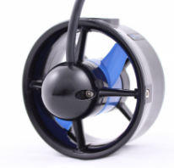 | https://bluerobotics.com/store/thrusters/t100-t200-thrusters/t100-thruster/

