Incident report ID_19
BUG ID | 7 | Unique bug id, to identify the bug.
Project Name | Password-access-control-circuit-with-lcd | Project in which we have found the bug.
Module Name | Light Bulb | Module name in which we have found the bug.
Level or phase | System Test | In which phase tester has found this bug (unit, integration, system and UAT)
Defect Type | Functional | Bug is related to function, non-functional or any enhancement
Severity | Medium | Impact of that bug on software
Priority | Medium | Urgency, when do we need to fix that bug
Summary | verify the Light Bulb status | One line statement about the bug
Description | 1. plug in the application 2. check the Light Bulb status | Detail description of the bug, including screen shots, steps etc.
 | 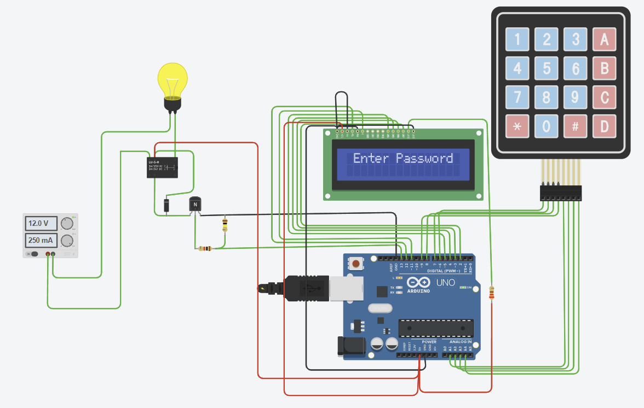
Expected behavior | after you plug in the application the Light Bulb should be turned OFF
Observed behavior | The Light Bulb is turned ON
Test case name | Light Bulb status
Test case ID | 19
Req ID | 6
Status | Open | Status of bug (like open, assigned, closed, fixed etc.)

Incident report ID_20
BUG ID | 8 | Unique bug id, to identify the bug.
Project Name | Password-access-control-circuit-with-lcd | Project in which we have found the bug.
Module Name | Light Bulb | Module name in which we have found the bug.
Level or phase | System Test | In which phase tester has found this bug (unit, integration, system and UAT)
Defect Type | Functional | Bug is related to function, non-functional or any enhancement
Severity | Medium | Impact of that bug on software
Priority | Medium | Urgency, when do we need to fix that bug
Summary | verify the Light Bulb status for correct password | One line statement about the bug
Description | 1. plug in the application 2. input 1234 3. after the system let’s you in check the Light Bulb status | Detail description of the bug, including screen shots, steps etc.
 | 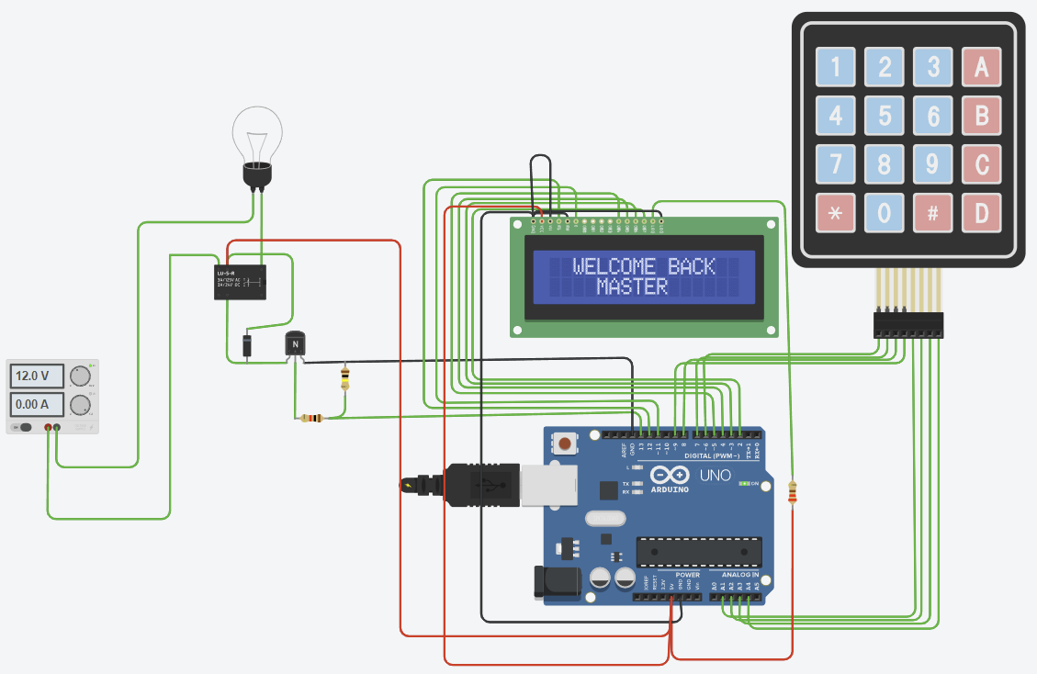
Expected behavior | after you plug in the application and input the correct password (1234) the Light Bulb should be turned ON
Observed behavior | After you input the correct password the Light Bulb is turned OFF
Test case name | Light Bulb status correct password
Test case ID | 20
Req ID | 5,6
Status | Open | Status of bug (like open, assigned, closed, fixed etc.)

Incident report ID_21
BUG ID | 9 | Unique bug id, to identify the bug.
Project Name | Password-access-control-circuit-with-lcd | Project in which we have found the bug.
Module Name | Light Bulb | Module name in which we have found the bug.
Level or phase | System Test | In which phase tester has found this bug (unit, integration, system and UAT)
Defect Type | Functional | Bug is related to function, non-functional or any enhancement
Severity | Medium | Impact of that bug on software
Priority | Medium | Urgency, when do we need to fix that bug
Summary | verify the Light Bulb status for incorrect password | One line statement about the bug
Description | 1. plug in the application 2. input 0123 3. after the system displays incorrect password message check the Light Bulb status | Detail description of the bug, including screen shots, steps etc.
 | 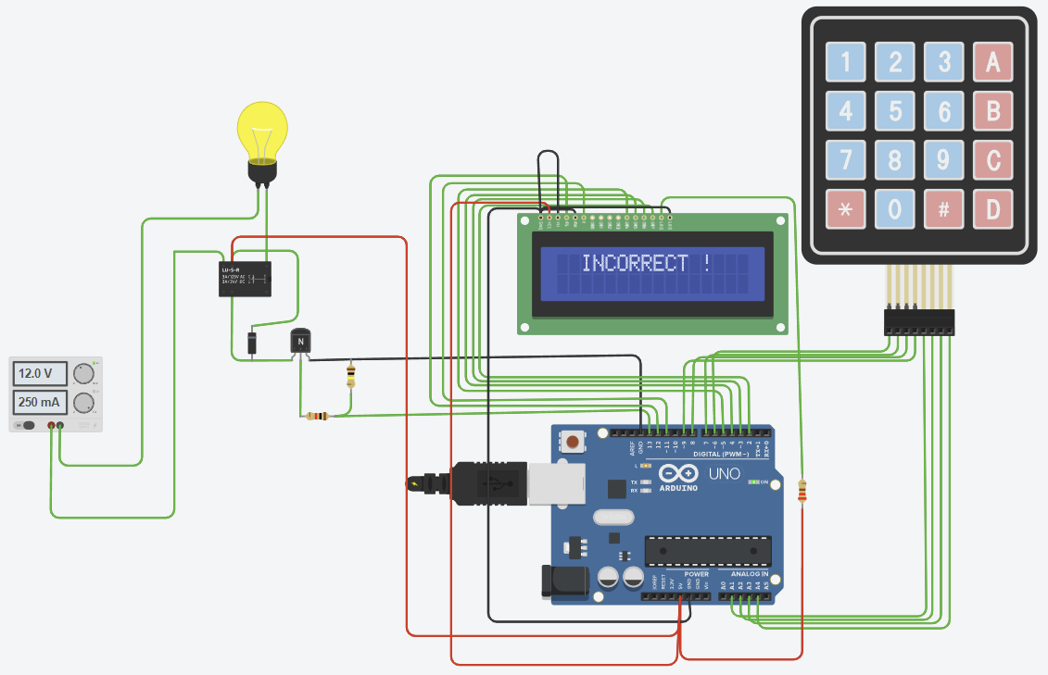
Expected behavior | after you plug in the application and input a wrong password, in this case 0123, after the wrong password message is displayed the Light Bulb should be turned OFF
Observed behavior | After wrong password the Light Bulb is turned ON
Test case name | Light Bulb status incorrect password
Test case ID | 21
Req ID | 6
Status | Open | Status of bug (like open, assigned, closed, fixed etc.)

Incident report ID_22
BUG ID | 10 | Unique bug id, to identify the bug.
Project Name | Password-access-control-circuit-with-lcd | Project in which we have found the bug.
Module Name | CODE | Module name in which we have found the bug.
Level or phase | Component Testing | In which phase tester has found this bug (unit, integration, system and UAT)
Defect Type | Functional | Bug is related to function, non-functional or any enhancement
Severity | Medium | Impact of that bug on software
Priority | Medium | Urgency, when do we need to fix that bug
Summary | verify if the instructions in the code specifies that the delay time after "Welcome back master" is 3000ms | One line statement about the bug
Description | 1. check the code to see if the delay after displaying "Welcome back master" is 3000ms | Detail description of the bug, including screen shots, steps etc.
 | 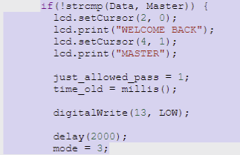
Expected behavior | the instructions in the code should specify that after the "Welcome back master" message is displayed there will be a 3000ms delay time
Observed behavior | The delay in the code is 2000ms instead of 3000ms
Test case name | White Box delay time after "Welcome back master" message
Test case ID | 22
Req ID | 8
Status | Open | Status of bug (like open, assigned, closed, fixed etc.)

