GIM3505-8曲线图
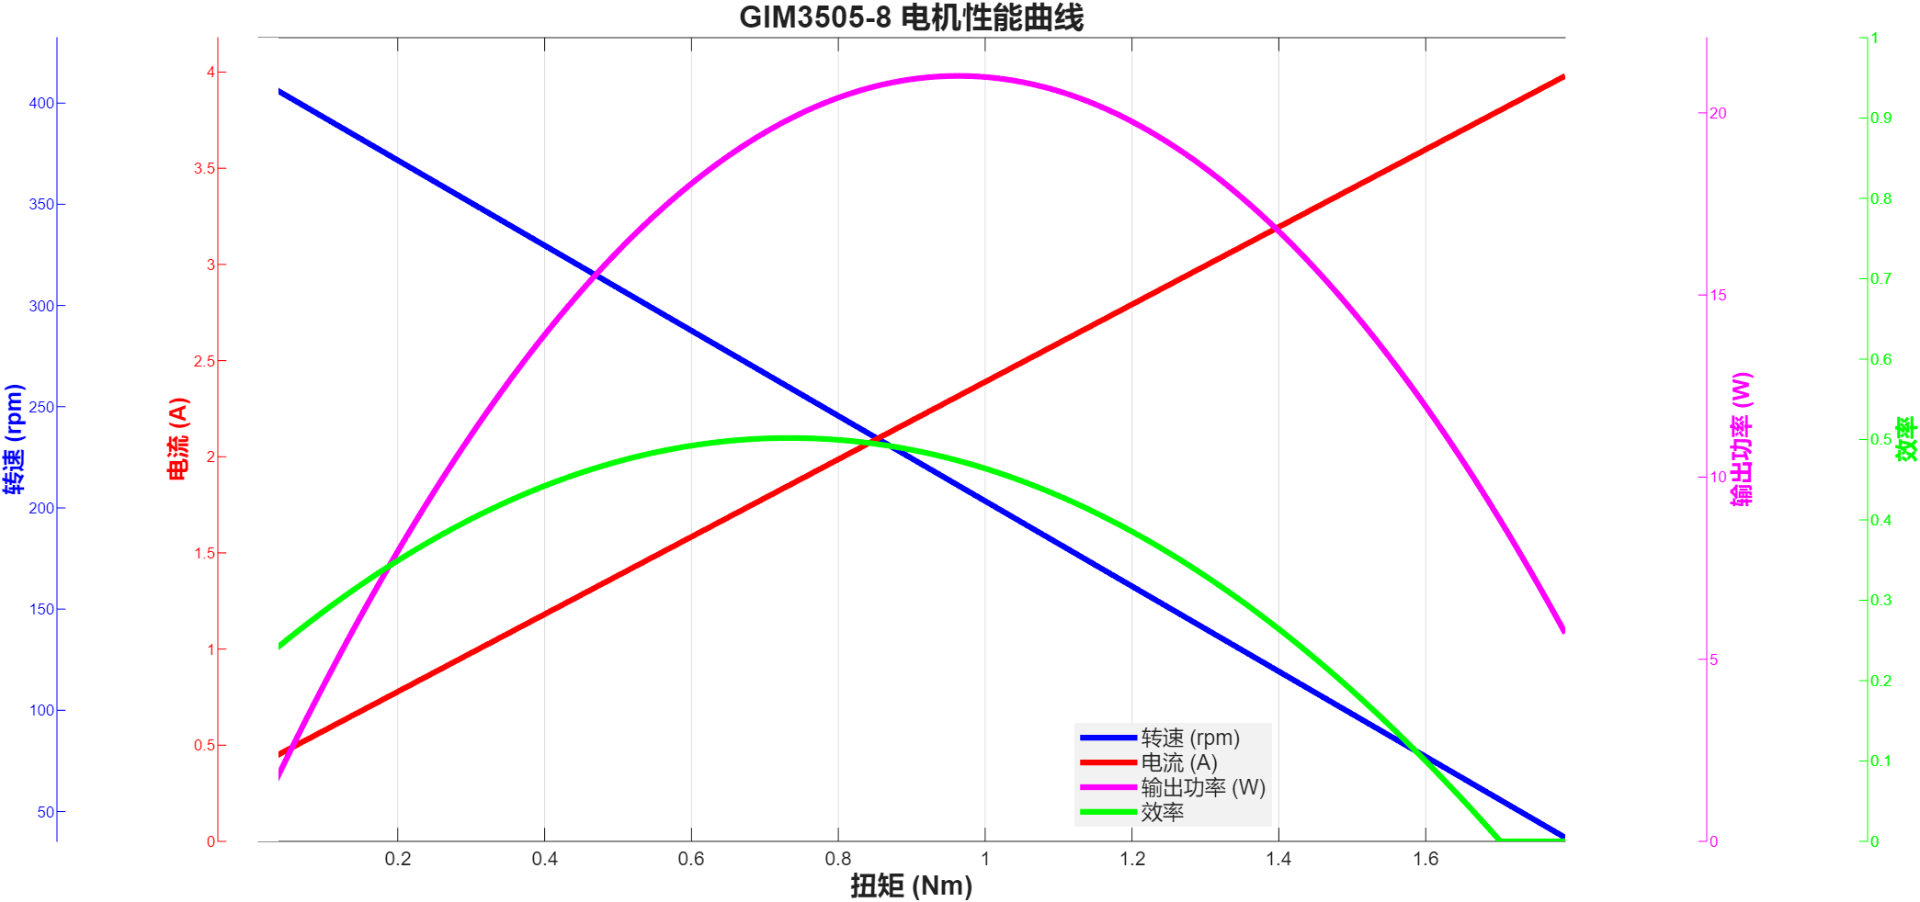

GIM3505-9曲线图
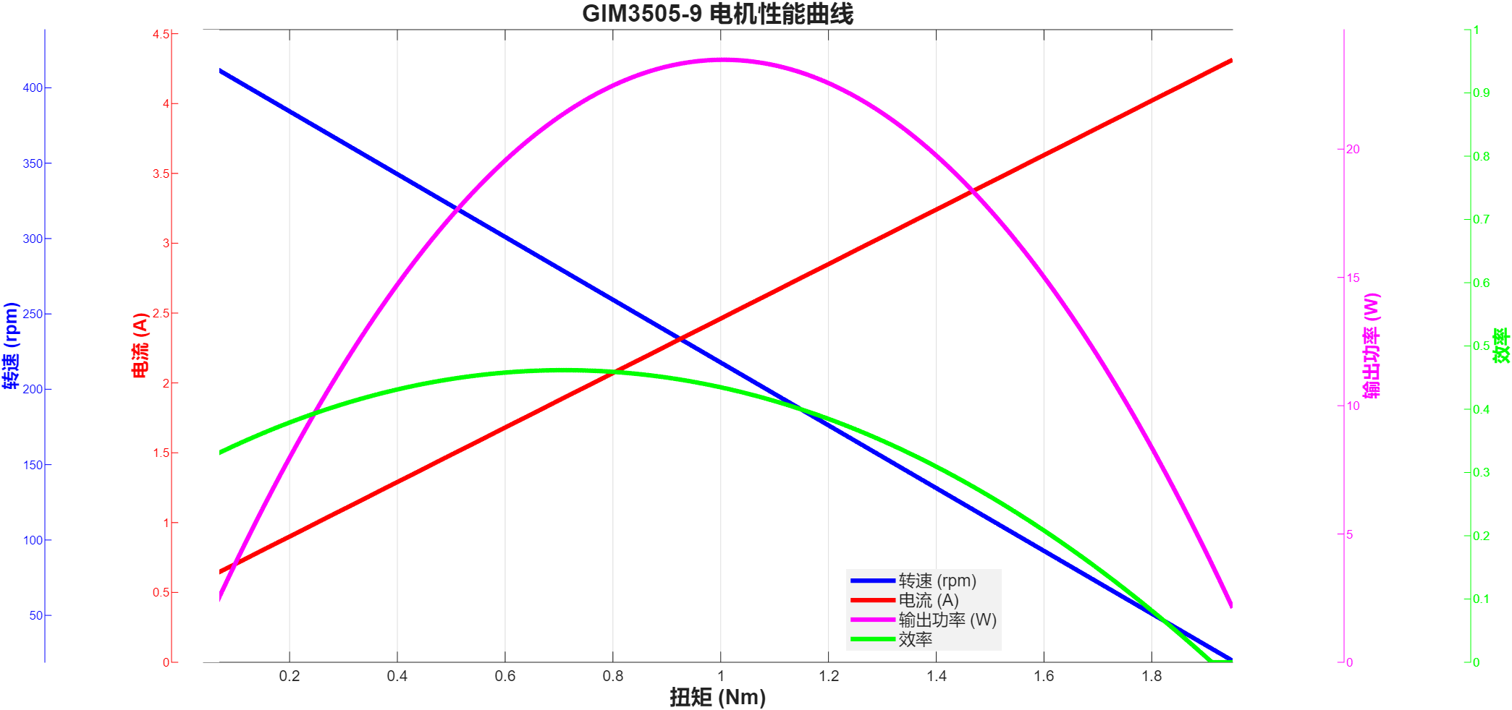

GIM3505-36曲线图
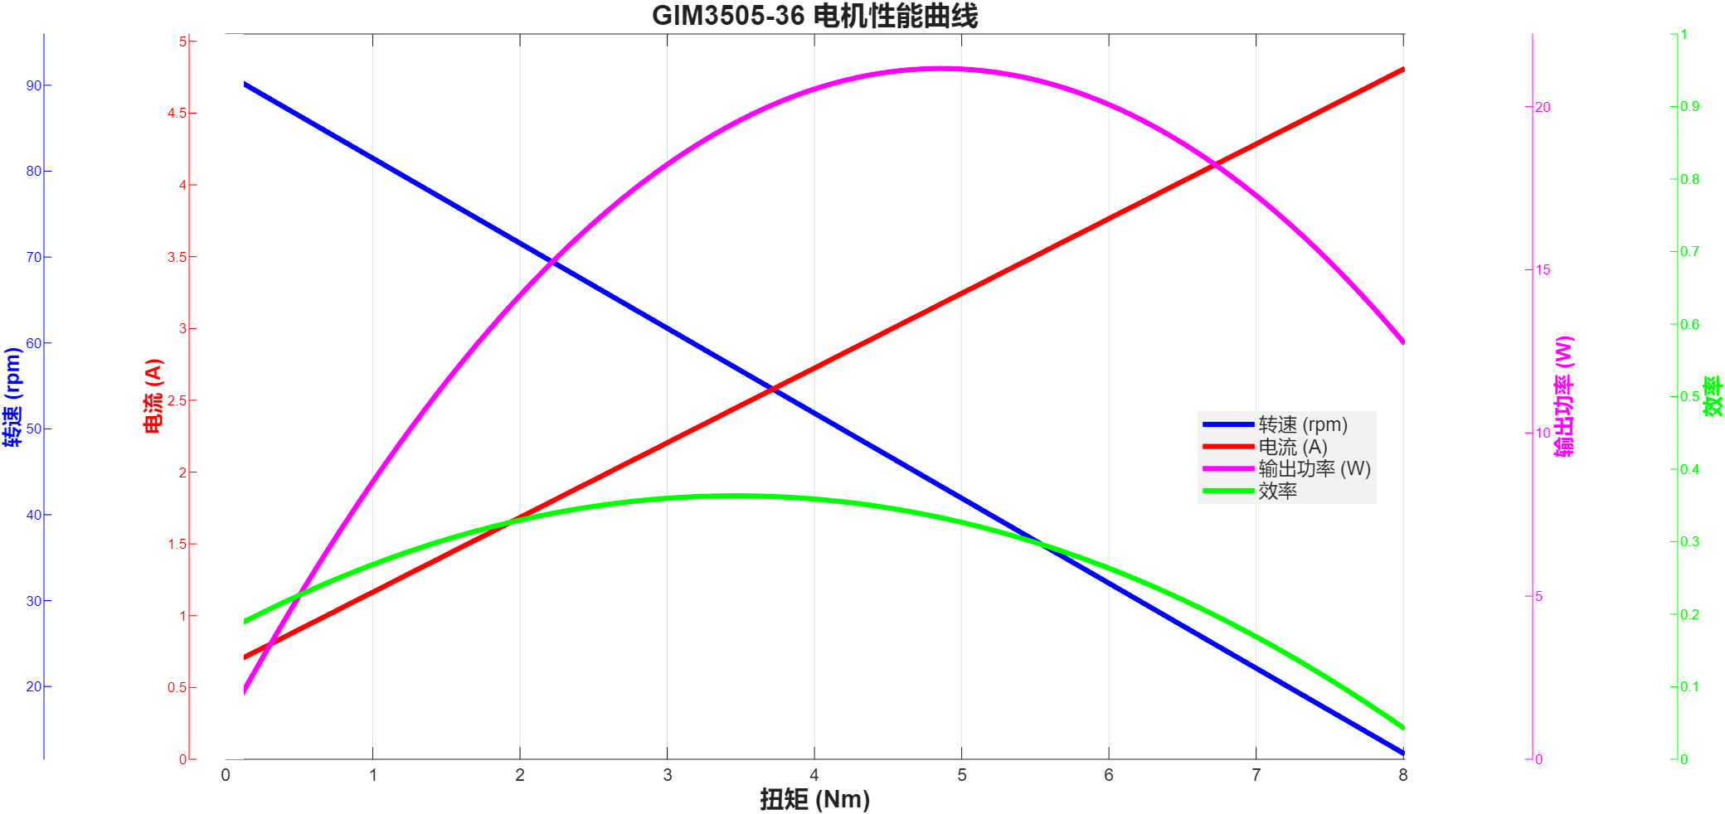

GIM3510-8曲线图
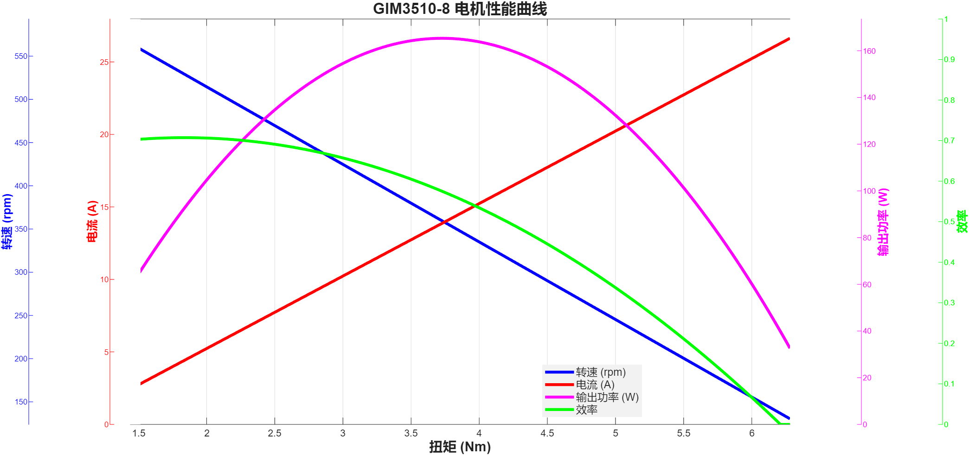

GIM3510-64曲线表
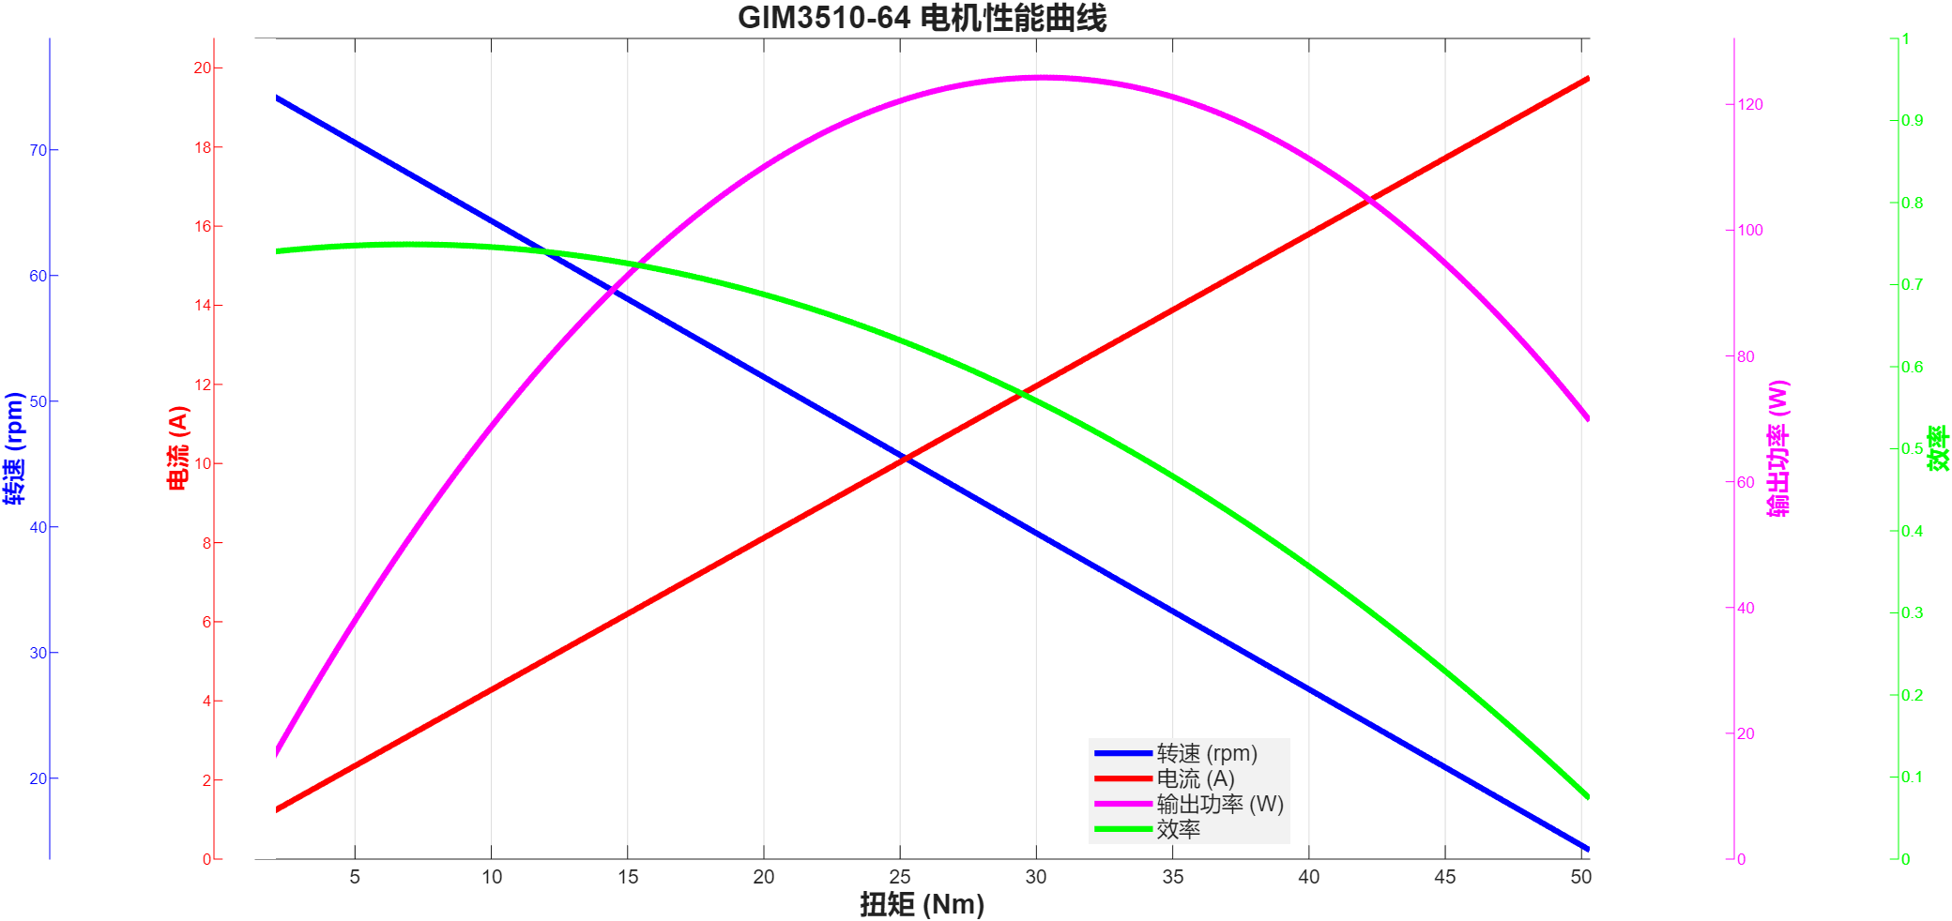

GIM4305-10曲线表
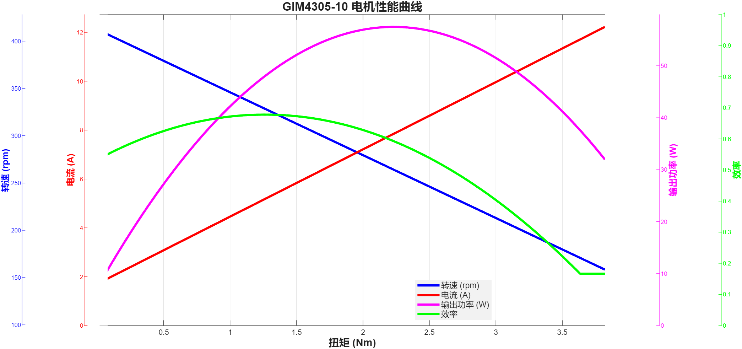

GIM4310-36曲线表
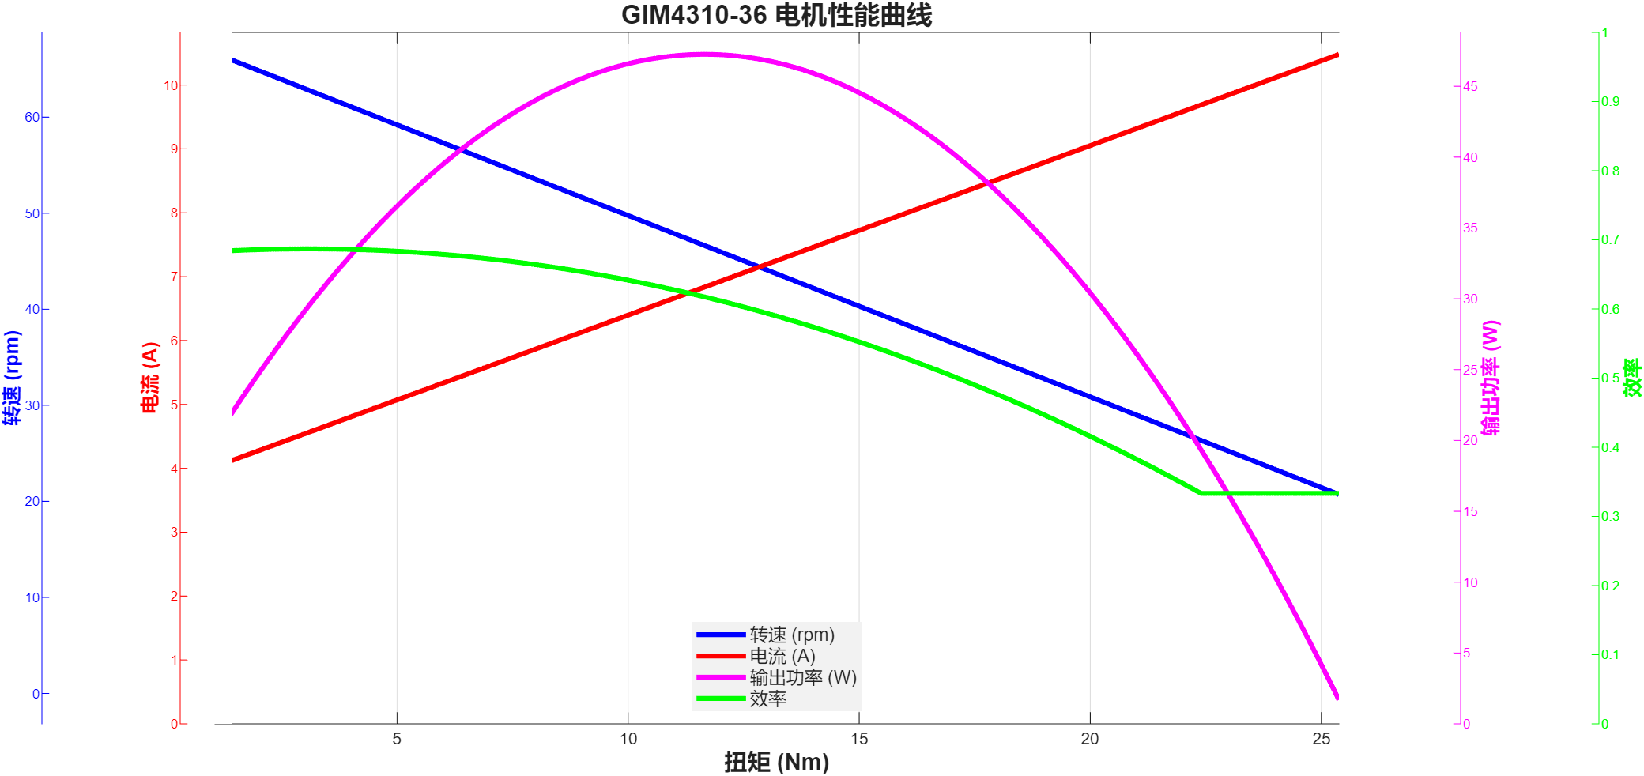

GIM4310-40曲线表
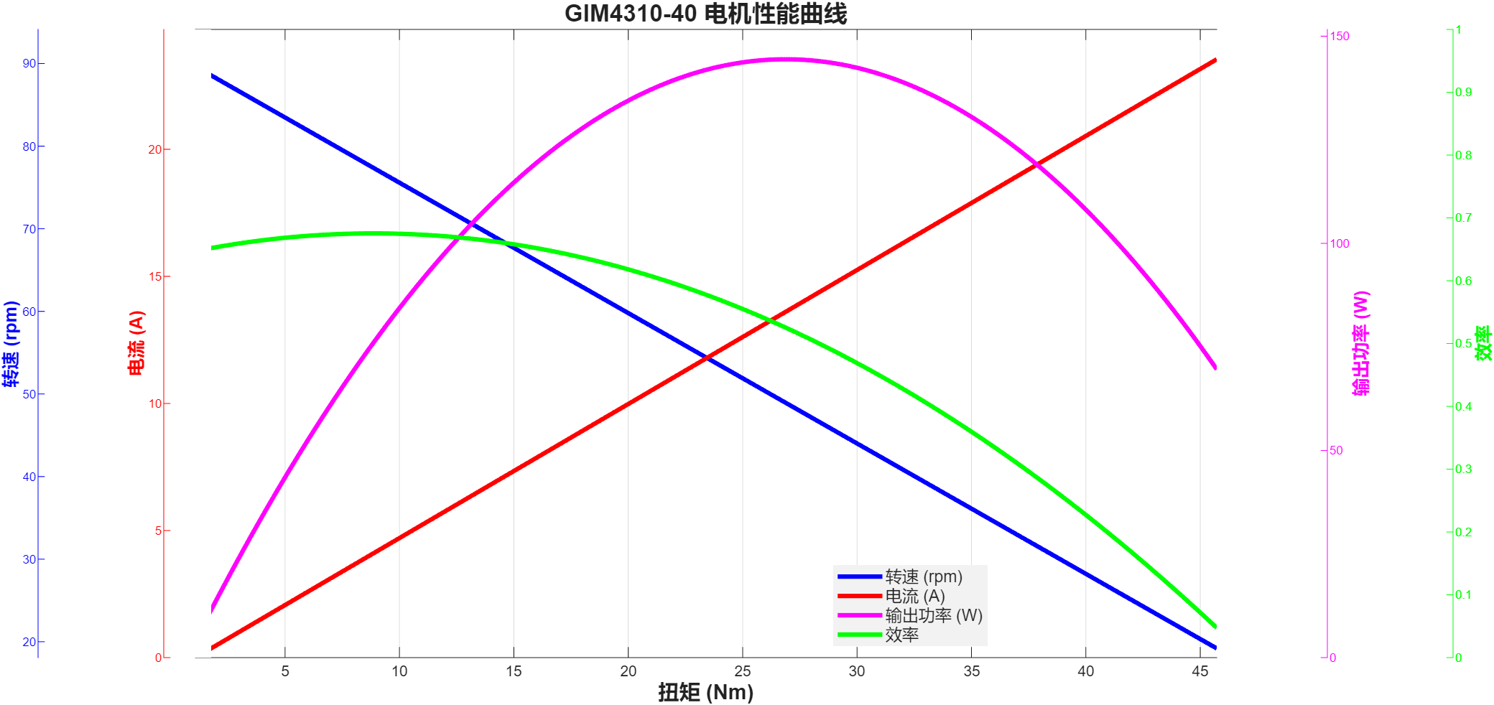

GIM4315-8曲线表
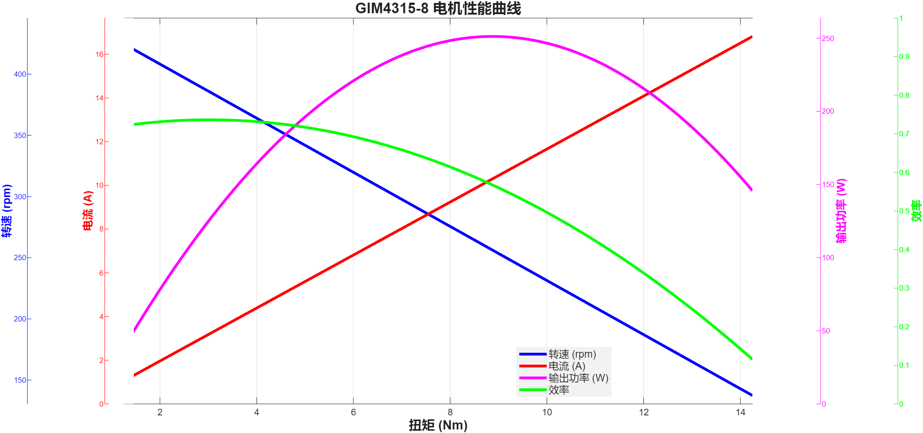

GIM4315-40曲线表
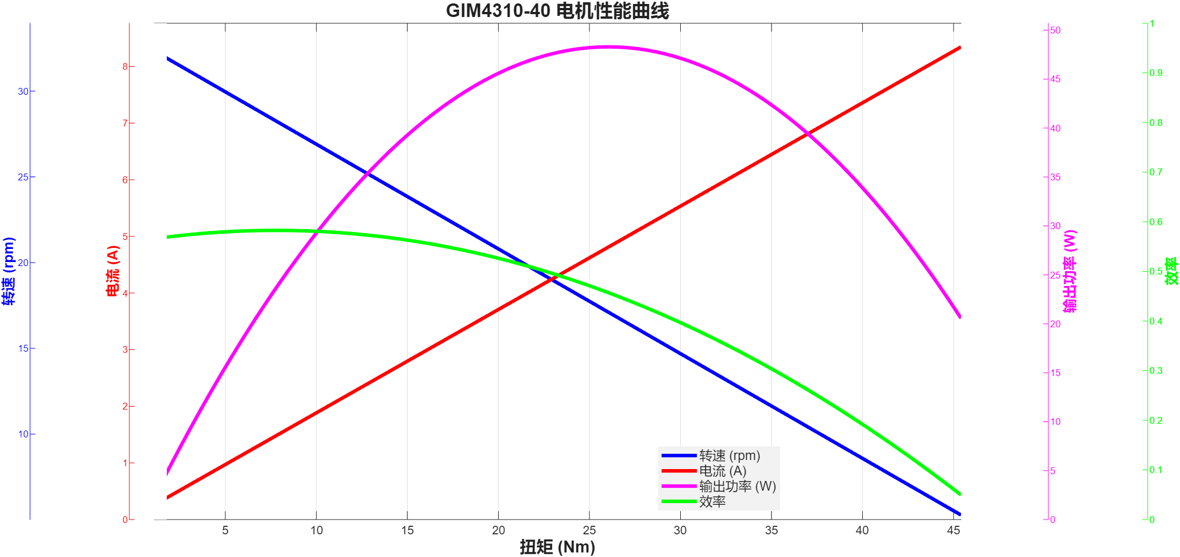

GIM6010-6曲线图
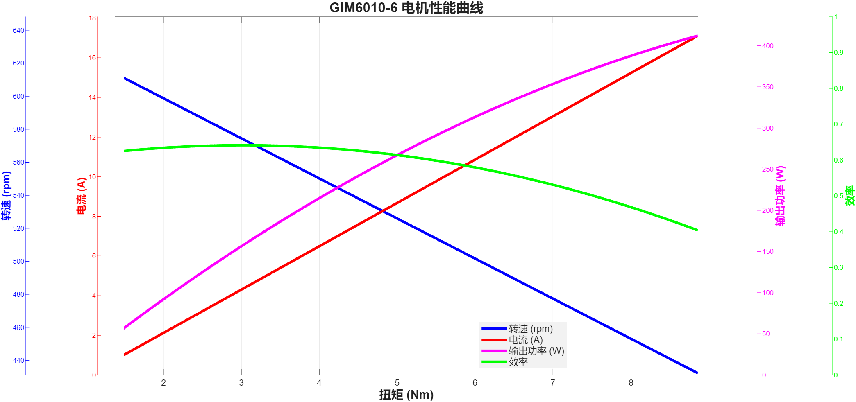

GIM6010-8曲线
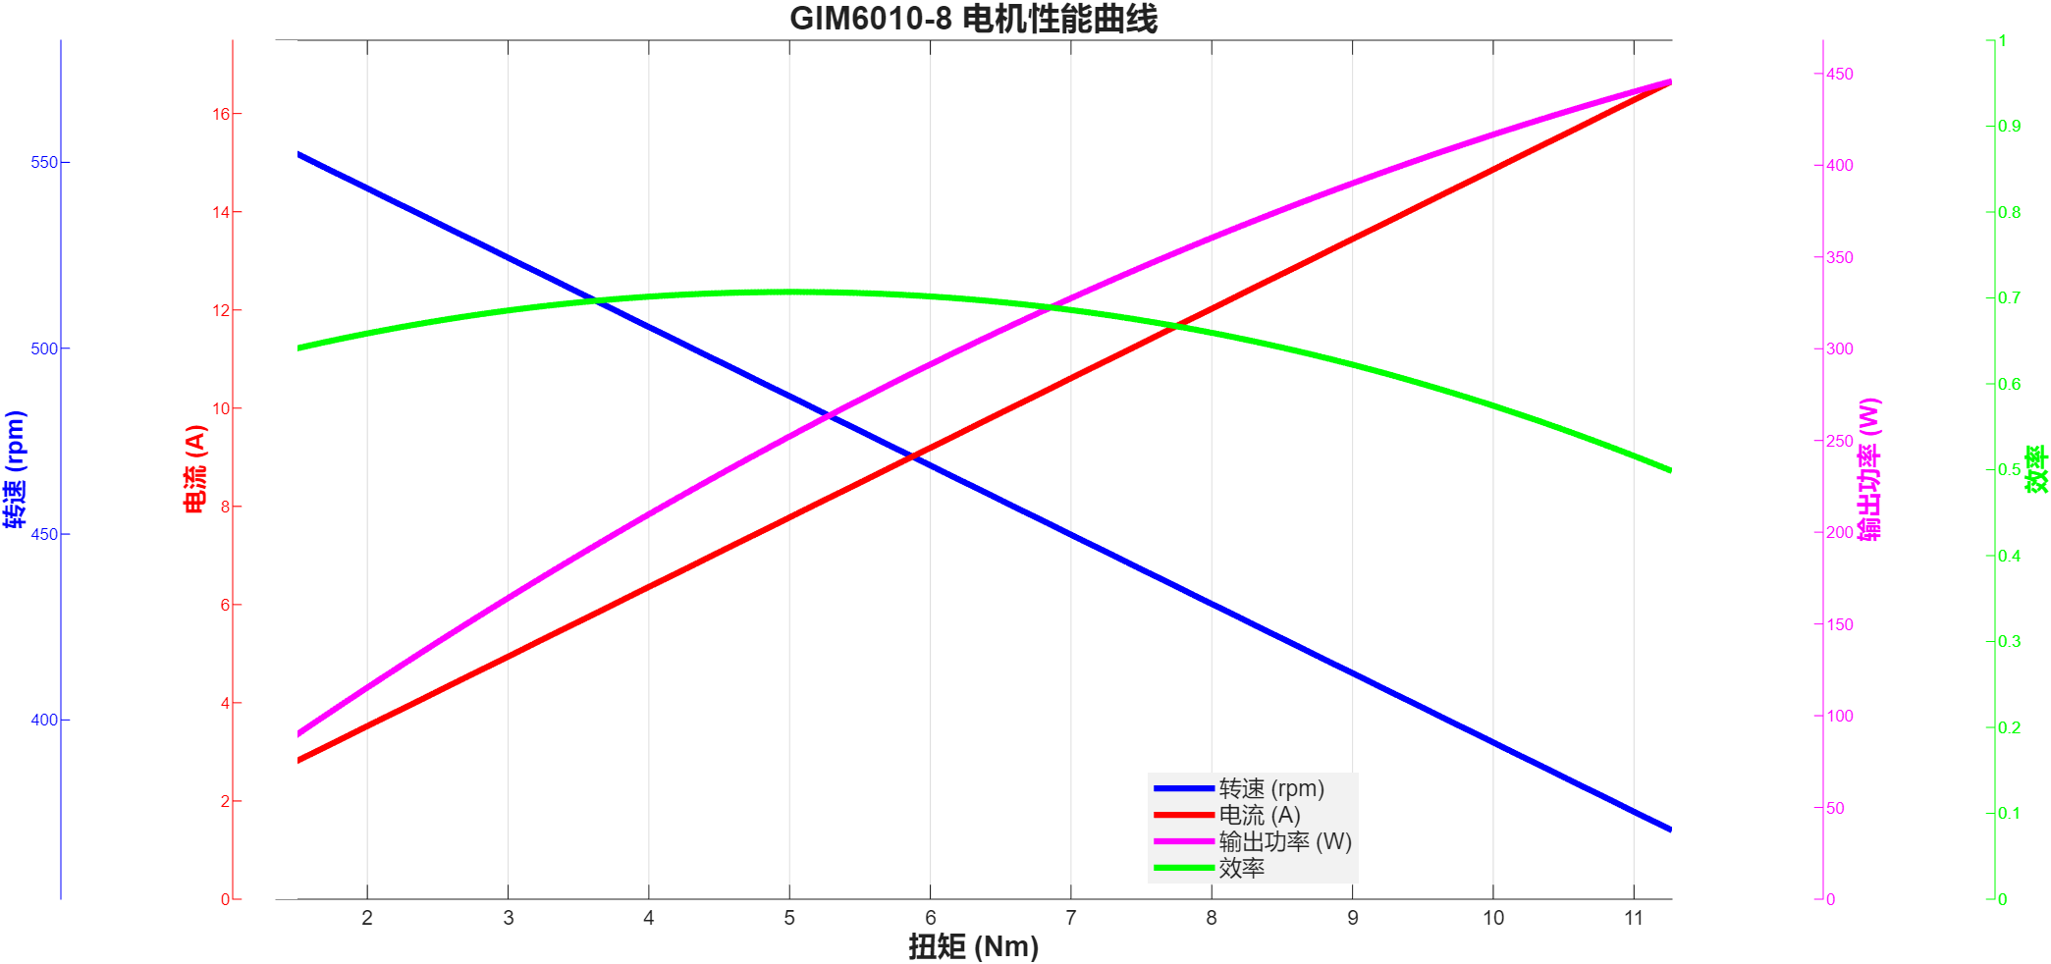
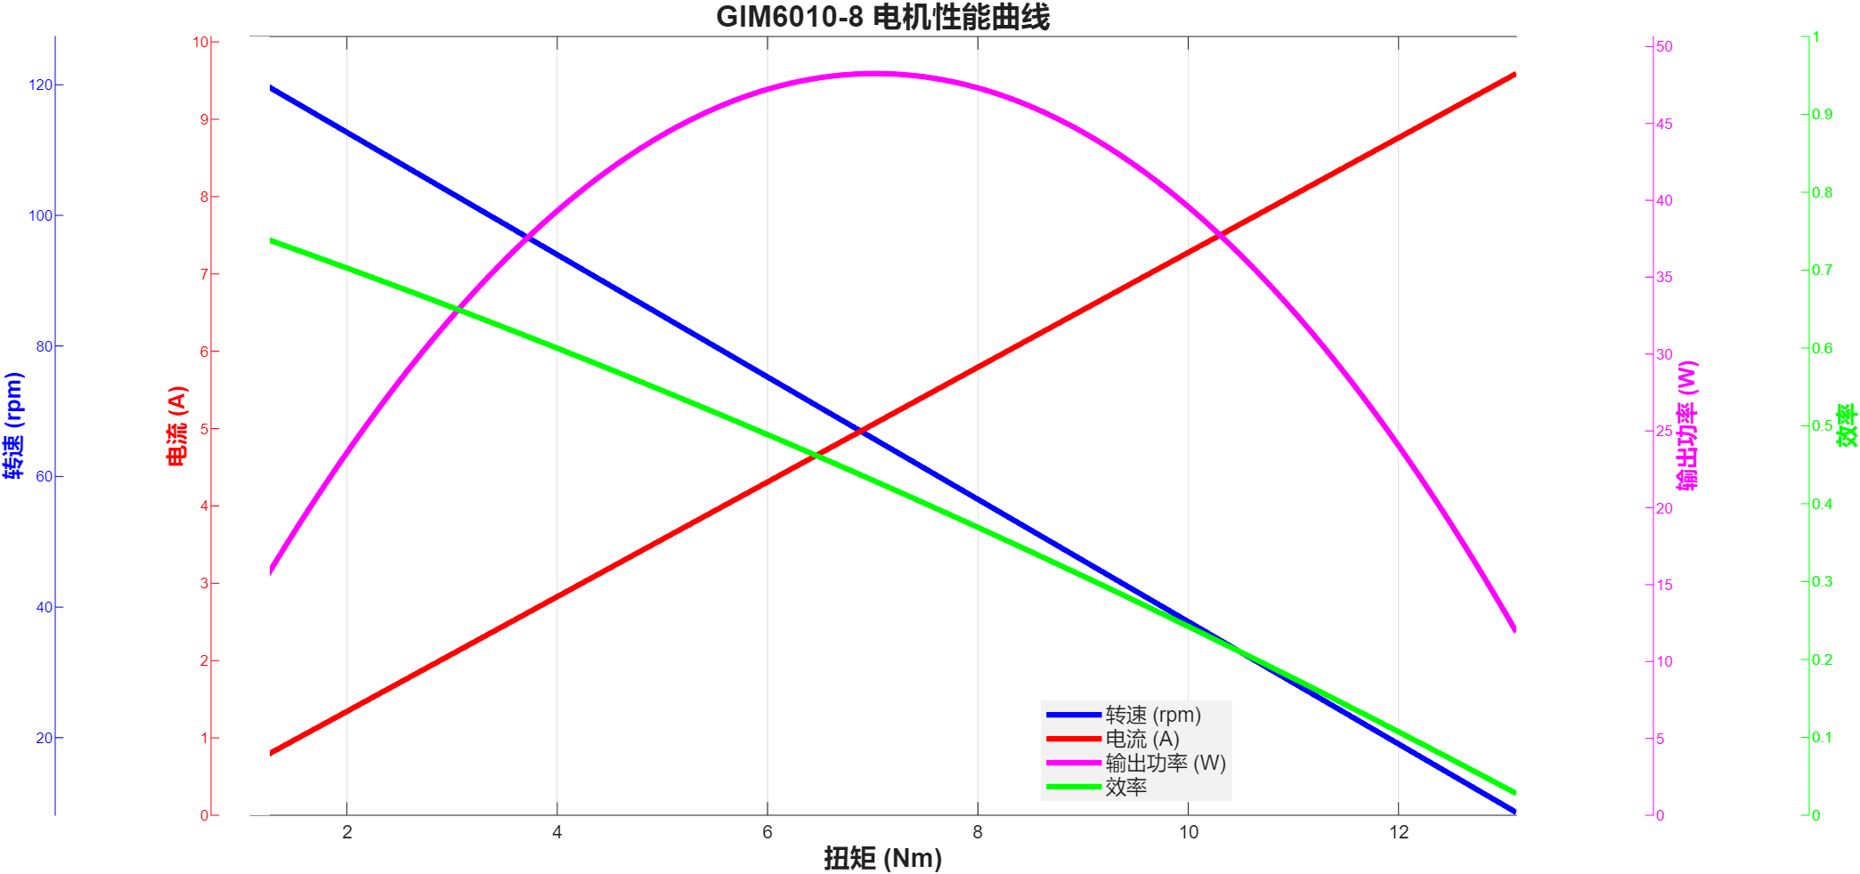
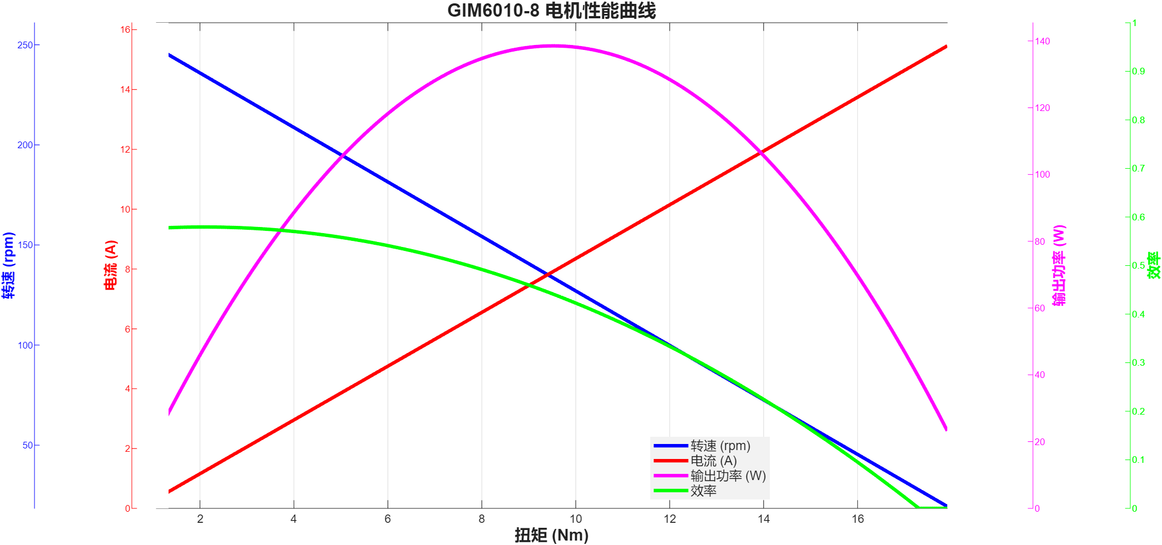
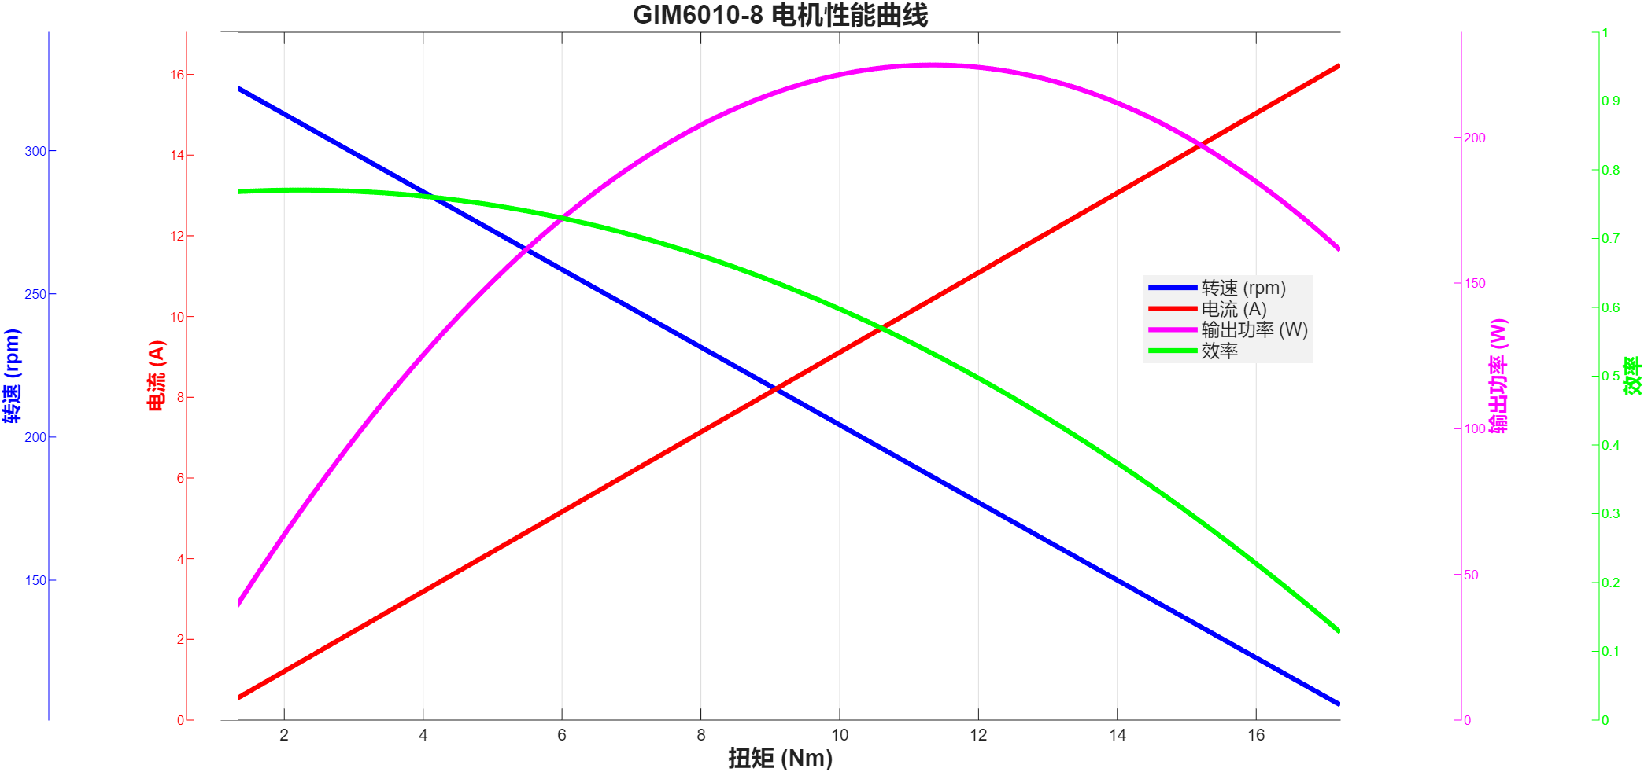

GIM6010-8-24-48-GDZ468H曲线数据 |  |  |  |  |  |  | GIM6010-8-48-24-GDS68曲线数据
扭矩 | 转速 | 输出功率 | 电流 | 电压 | 输入功率 | 效率 | 扭矩 | 转速 | 输出功率 | 电流 | 电压 | 输入功率 | 效率 | GIM6010-8-48-48-GDS68曲线数据 |  |  |  |  |  |  | GIM6010-8-48-48-GDZ468H曲线数据
1.35 | 552.00 | 78.03 | 2.46 | 48.00 | 118.08 | 0.66 | 1.08 | 124.70 | 14.10 | 1.06 | 24.00 | 25.48 | 0.55 | 扭矩 | 转速 | 输出功率 | 电流 | 电压 | 输入功率 | 效率 | 扭矩 | 转速 | 功率 | 电流 | 电压 | 输入功率 | 效率
1.37 | 552.40 | 79.24 | 3.18 | 48.00 | 152.64 | 0.52 | 1.18 | 118.50 | 14.64 | 1.09 | 24.00 | 26.11 | 0.56 | 1.07 | 248.10 | 27.80 | 0.92 | 48.00 | 44.08 | 0.63 | 1.09 | 308.60 | 35.22 | 0.82 | 48.00 | 39.36 | 0.89
1.44 | 552.80 | 83.35 | 2.89 | 48.00 | 138.72 | 0.60 | 1.34 | 122.10 | 17.13 | 0.82 | 24.00 | 19.61 | 0.87 | 1.10 | 247.80 | 28.54 | 1.95 | 48.00 | 93.57 | 0.31 | 1.10 | 308.60 | 35.55 | 0.77 | 48.00 | 36.96 | 0.96
1.51 | 551.90 | 87.26 | 5.04 | 48.00 | 241.92 | 0.36 | 1.39 | 117.50 | 17.10 | 0.88 | 24.00 | 21.22 | 0.81 | 1.08 | 248.10 | 28.06 | 1.80 | 48.00 | 86.33 | 0.33 | 1.09 | 308.60 | 35.22 | 0.69 | 48.00 | 33.12 | 1.06
1.62 | 551.50 | 93.55 | 1.96 | 48.00 | 94.08 | 0.99 | 1.44 | 121.30 | 18.29 | 1.57 | 24.00 | 37.75 | 0.48 | 1.08 | 247.80 | 28.02 | 0.62 | 48.00 | 29.99 | 0.93 | 1.10 | 308.50 | 35.53 | 0.78 | 48.00 | 37.44 | 0.95
1.76 | 549.60 | 101.29 | 2.81 | 48.00 | 134.88 | 0.75 | 1.42 | 113.30 | 16.85 | 0.72 | 24.00 | 17.29 | 0.97 | 1.16 | 247.40 | 30.05 | 1.42 | 48.00 | 68.23 | 0.44 | 1.09 | 308.70 | 35.23 | 1.26 | 48.00 | 60.48 | 0.58
2.02 | 547.20 | 115.74 | 3.79 | 48.00 | 181.92 | 0.64 | 1.50 | 118.00 | 18.53 | 0.99 | 24.00 | 23.74 | 0.78 | 1.29 | 246.90 | 33.35 | 0.49 | 48.00 | 23.38 | 1.43 | 1.10 | 308.50 | 35.53 | 1.47 | 48.00 | 70.56 | 0.50
2.31 | 543.90 | 131.56 | 4.53 | 48.00 | 217.44 | 0.61 | 1.61 | 113.80 | 19.19 | 0.96 | 24.00 | 23.07 | 0.83 | 1.50 | 246.00 | 38.64 | 0.16 | 48.00 | 7.48 | 5.17 | 1.09 | 308.60 | 35.22 | 1.05 | 48.00 | 50.40 | 0.70
2.45 | 540.90 | 138.77 | 4.12 | 48.00 | 197.76 | 0.70 | 1.80 | 118.60 | 22.35 | 1.77 | 24.00 | 42.45 | 0.53 | 1.67 | 244.70 | 42.79 | 0.75 | 48.00 | 35.87 | 1.19 | 1.09 | 308.60 | 35.22 | 1.15 | 48.00 | 55.20 | 0.64
2.68 | 537.10 | 150.73 | 4.55 | 48.00 | 218.40 | 0.69 | 1.94 | 114.90 | 23.34 | 1.42 | 24.00 | 34.05 | 0.69 | 1.88 | 243.30 | 47.90 | 2.63 | 48.00 | 126.30 | 0.38 | 1.12 | 308.50 | 36.18 | 0.66 | 48.00 | 31.68 | 1.14
2.89 | 533.60 | 161.48 | 3.41 | 48.00 | 163.68 | 0.99 | 2.09 | 101.90 | 22.30 | 1.27 | 24.00 | 30.38 | 0.73 | 2.00 | 242.50 | 50.79 | 2.56 | 48.00 | 122.94 | 0.41 | 1.20 | 308.20 | 38.73 | 0.84 | 48.00 | 40.32 | 0.96
3.12 | 530.40 | 173.28 | 5.55 | 48.00 | 266.40 | 0.65 | 2.31 | 114.30 | 27.65 | 1.34 | 24.00 | 32.24 | 0.86 | 2.26 | 238.70 | 56.49 | 1.55 | 48.00 | 74.61 | 0.76 | 1.35 | 307.70 | 43.50 | 1.21 | 48.00 | 58.08 | 0.75
3.28 | 527.00 | 181.00 | 7.39 | 48.00 | 354.72 | 0.51 | 2.44 | 109.00 | 27.85 | 1.78 | 24.00 | 42.83 | 0.65 | 2.48 | 236.20 | 61.34 | 3.21 | 48.00 | 154.21 | 0.40 | 1.52 | 307.10 | 48.88 | 1.71 | 48.00 | 82.08 | 0.60
3.98 | 516.30 | 215.17 | 5.43 | 48.00 | 260.64 | 0.83 | 2.48 | 110.10 | 28.59 | 1.68 | 24.00 | 40.23 | 0.71 | 2.72 | 232.90 | 66.33 | 2.33 | 48.00 | 111.70 | 0.59 | 1.74 | 306.30 | 55.81 | 1.58 | 48.00 | 75.84 | 0.74
4.27 | 511.30 | 228.61 | 6.92 | 48.00 | 332.16 | 0.69 | 2.49 | 102.40 | 26.70 | 2.70 | 24.00 | 64.89 | 0.41 | 2.97 | 229.80 | 71.47 | 2.50 | 48.00 | 120.02 | 0.60 | 1.97 | 305.30 | 62.98 | 1.58 | 48.00 | 75.84 | 0.83
4.28 | 498.70 | 223.50 | 5.42 | 48.00 | 260.16 | 0.86 | 2.52 | 116.30 | 30.69 | 2.02 | 24.00 | 48.55 | 0.63 | 3.24 | 226.10 | 76.71 | 1.94 | 48.00 | 93.27 | 0.82 | 2.20 | 303.80 | 69.99 | 1.89 | 48.00 | 90.72 | 0.77
4.30 | 502.50 | 226.26 | 5.64 | 48.00 | 270.72 | 0.84 | 2.64 | 112.30 | 31.04 | 1.46 | 24.00 | 34.94 | 0.89 | 3.47 | 222.80 | 80.95 | 2.42 | 48.00 | 116.09 | 0.70 | 2.40 | 302.30 | 75.97 | 1.69 | 48.00 | 81.12 | 0.94
4.32 | 495.50 | 224.14 | 7.58 | 48.00 | 363.84 | 0.62 | 2.93 | 101.70 | 31.20 | 1.44 | 24.00 | 34.55 | 0.90 | 3.76 | 190.80 | 75.12 | 2.26 | 48.00 | 108.31 | 0.69 | 2.64 | 300.30 | 83.01 | 2.64 | 48.00 | 126.72 | 0.66
4.33 | 492.90 | 223.48 | 7.87 | 48.00 | 377.76 | 0.59 | 3.24 | 94.20 | 31.96 | 2.31 | 24.00 | 55.42 | 0.58 | 4.19 | 197.60 | 86.70 | 3.45 | 48.00 | 165.62 | 0.52 | 2.90 | 298.30 | 90.58 | 3.25 | 48.00 | 156.00 | 0.58
4.32 | 488.40 | 220.93 | 6.50 | 48.00 | 312.00 | 0.71 | 3.44 | 91.30 | 32.89 | 2.24 | 24.00 | 53.70 | 0.61 | 4.31 | 193.30 | 87.24 | 2.19 | 48.00 | 104.94 | 0.83 | 3.25 | 296.20 | 100.80 | 2.91 | 48.00 | 139.68 | 0.72
4.32 | 488.30 | 220.89 | 5.85 | 48.00 | 280.80 | 0.79 | 3.69 | 95.30 | 36.82 | 2.74 | 24.00 | 65.73 | 0.56 | 4.30 | 188.50 | 84.87 | 2.73 | 48.00 | 131.28 | 0.65 | 3.51 | 293.70 | 107.95 | 2.84 | 48.00 | 136.32 | 0.79
4.32 | 490.20 | 221.75 | 7.03 | 48.00 | 337.44 | 0.66 | 3.95 | 92.70 | 38.34 | 2.24 | 24.00 | 53.79 | 0.71 | 4.32 | 196.90 | 89.07 | 4.34 | 48.00 | 208.40 | 0.43 | 3.60 | 291.40 | 109.85 | 2.37 | 48.00 | 113.76 | 0.97
4.33 | 488.70 | 221.58 | 6.64 | 48.00 | 318.72 | 0.70 | 4.06 | 99.70 | 42.39 | 2.46 | 24.00 | 58.94 | 0.72 | 4.44 | 189.50 | 88.10 | 2.31 | 48.00 | 110.73 | 0.80 | 3.60 | 289.30 | 109.06 | 2.18 | 48.00 | 104.64 | 1.04
4.33 | 488.70 | 221.58 | 7.02 | 48.00 | 336.96 | 0.66 | 4.04 | 97.00 | 41.03 | 2.86 | 24.00 | 68.52 | 0.60 | 4.79 | 195.60 | 98.11 | 3.00 | 48.00 | 144.15 | 0.68 | 3.56 | 287.70 | 107.25 | 2.83 | 48.00 | 135.84 | 0.79
4.34 | 488.80 | 222.14 | 6.54 | 48.00 | 313.92 | 0.71 | 4.02 | 97.40 | 41.00 | 3.13 | 24.00 | 75.04 | 0.55 | 5.27 | 190.10 | 104.90 | 3.58 | 48.00 | 171.89 | 0.61 | 3.68 | 286.00 | 110.21 | 3.06 | 48.00 | 146.88 | 0.75
4.35 | 488.10 | 222.33 | 8.70 | 48.00 | 417.60 | 0.53 | 4.17 | 88.70 | 38.73 | 3.47 | 24.00 | 83.22 | 0.47 | 5.65 | 185.40 | 109.69 | 4.07 | 48.00 | 195.33 | 0.56 | 4.12 | 283.90 | 122.48 | 4.00 | 48.00 | 192.00 | 0.64
4.38 | 488.40 | 224.00 | 7.27 | 48.00 | 348.96 | 0.64 | 4.58 | 87.20 | 41.82 | 3.04 | 24.00 | 72.85 | 0.57 | 5.95 | 174.80 | 108.91 | 4.39 | 48.00 | 210.87 | 0.52 | 4.78 | 281.10 | 140.70 | 4.19 | 48.00 | 201.12 | 0.70
4.54 | 488.10 | 232.04 | 9.78 | 48.00 | 469.44 | 0.49 | 5.05 | 84.80 | 44.84 | 3.17 | 24.00 | 76.03 | 0.59 | 6.30 | 166.90 | 110.10 | 4.33 | 48.00 | 207.81 | 0.53 | 5.33 | 278.10 | 155.21 | 4.16 | 48.00 | 199.68 | 0.78
4.95 | 486.60 | 252.22 | 8.03 | 48.00 | 385.44 | 0.65 | 5.46 | 81.20 | 46.42 | 3.72 | 24.00 | 89.34 | 0.52 | 6.61 | 162.40 | 112.41 | 4.89 | 48.00 | 234.68 | 0.48 | 5.87 | 274.70 | 168.85 | 4.79 | 48.00 | 229.92 | 0.73
5.08 | 485.90 | 258.47 | 7.97 | 48.00 | 382.56 | 0.68 | 5.81 | 81.30 | 49.46 | 3.49 | 24.00 | 83.68 | 0.59 | 6.98 | 161.60 | 118.11 | 4.44 | 48.00 | 212.95 | 0.55 | 6.36 | 270.80 | 180.34 | 5.64 | 48.00 | 270.72 | 0.67
5.23 | 484.30 | 265.22 | 8.24 | 48.00 | 395.52 | 0.67 | 6.09 | 78.50 | 50.06 | 3.98 | 24.00 | 95.43 | 0.52 | 7.42 | 160.90 | 125.01 | 5.29 | 48.00 | 253.96 | 0.49 | 6.90 | 266.90 | 192.84 | 5.30 | 48.00 | 254.40 | 0.76
5.40 | 481.90 | 272.49 | 8.61 | 48.00 | 413.28 | 0.66 | 6.18 | 77.10 | 49.89 | 4.82 | 24.00 | 115.57 | 0.43 | 7.88 | 155.70 | 128.47 | 5.17 | 48.00 | 248.39 | 0.52 | 7.52 | 261.90 | 206.23 | 5.84 | 48.00 | 280.32 | 0.74
5.60 | 477.50 | 280.00 | 9.16 | 48.00 | 439.68 | 0.64 | 6.13 | 73.50 | 47.18 | 4.81 | 24.00 | 115.45 | 0.41 | 8.26 | 154.00 | 133.20 | 6.18 | 48.00 | 296.44 | 0.45 | 8.01 | 256.50 | 215.14 | 5.98 | 48.00 | 287.04 | 0.75
5.91 | 471.90 | 292.03 | 7.08 | 48.00 | 339.84 | 0.86 | 6.15 | 69.10 | 44.50 | 5.04 | 24.00 | 120.94 | 0.37 | 8.63 | 148.70 | 134.38 | 7.00 | 48.00 | 336.17 | 0.40 | 8.25 | 250.90 | 216.75 | 6.10 | 48.00 | 292.80 | 0.74
6.04 | 466.90 | 295.30 | 8.21 | 48.00 | 394.08 | 0.75 | 6.48 | 63.20 | 42.88 | 4.15 | 24.00 | 99.62 | 0.43 | 9.16 | 134.30 | 128.82 | 6.70 | 48.00 | 321.54 | 0.40 | 8.19 | 245.60 | 210.63 | 6.09 | 48.00 | 292.32 | 0.72
6.11 | 461.50 | 295.26 | 8.50 | 48.00 | 408.00 | 0.72 | 7.12 | 64.60 | 48.16 | 4.50 | 24.00 | 108.05 | 0.45 | 9.74 | 136.70 | 139.42 | 6.03 | 48.00 | 289.58 | 0.48 | 8.21 | 240.80 | 207.01 | 6.49 | 48.00 | 311.52 | 0.66
6.48 | 456.50 | 309.75 | 9.54 | 48.00 | 457.92 | 0.68 | 7.43 | 57.70 | 44.89 | 4.15 | 24.00 | 99.57 | 0.45 | 10.22 | 132.70 | 142.01 | 8.21 | 48.00 | 394.17 | 0.36 | 8.70 | 236.20 | 215.18 | 6.79 | 48.00 | 325.92 | 0.66
7.53 | 440.20 | 347.09 | 10.70 | 48.00 | 513.60 | 0.68 | 7.97 | 52.60 | 43.90 | 5.17 | 24.00 | 124.13 | 0.35 | 10.63 | 126.90 | 141.25 | 8.02 | 48.00 | 385.02 | 0.37 | 9.39 | 231.30 | 227.43 | 7.07 | 48.00 | 339.36 | 0.67
7.70 | 435.60 | 351.22 | 10.08 | 48.00 | 483.84 | 0.73 | 8.32 | 58.90 | 51.31 | 6.26 | 24.00 | 150.19 | 0.34 | 10.89 | 132.70 | 151.32 | 9.19 | 48.00 | 440.93 | 0.34 | 10.18 | 196.50 | 209.46 | 8.07 | 48.00 | 387.36 | 0.54
7.89 | 431.10 | 356.17 | 12.10 | 48.00 | 580.80 | 0.61 | 8.66 | 45.80 | 41.53 | 5.23 | 24.00 | 125.58 | 0.33 | 11.02 | 123.50 | 142.51 | 8.58 | 48.00 | 412.06 | 0.35 | 10.80 | 192.80 | 218.04 | 8.35 | 48.00 | 400.80 | 0.54
8.13 | 428.30 | 364.62 | 10.91 | 48.00 | 523.68 | 0.70 | 8.82 | 55.30 | 51.07 | 5.70 | 24.00 | 136.76 | 0.37 | 10.97 | 126.80 | 145.65 | 8.95 | 48.00 | 429.71 | 0.34 | 11.17 | 186.90 | 218.61 | 8.65 | 48.00 | 415.20 | 0.53
8.45 | 425.90 | 376.84 | 12.19 | 48.00 | 585.12 | 0.64 | 8.74 | 55.00 | 50.34 | 8.60 | 24.00 | 206.32 | 0.24 | 10.96 | 127.70 | 146.55 | 8.98 | 48.00 | 431.16 | 0.34 | 11.57 | 181.20 | 219.53 | 9.59 | 48.00 | 460.32 | 0.48
8.62 | 414.40 | 374.05 | 12.30 | 48.00 | 590.40 | 0.63 | 8.86 | 43.40 | 40.26 | 6.33 | 24.00 | 152.00 | 0.26 | 11.25 | 113.50 | 133.70 | 9.25 | 48.00 | 444.18 | 0.30 | 12.11 | 172.40 | 218.61 | 10.04 | 48.00 | 481.92 | 0.45
8.64 | 417.20 | 377.45 | 13.07 | 48.00 | 627.36 | 0.60 | 9.33 | 46.00 | 44.94 | 6.30 | 24.00 | 151.29 | 0.30 | 11.99 | 114.50 | 143.75 | 8.92 | 48.00 | 428.29 | 0.34 | 12.72 | 164.10 | 218.57 | 11.32 | 48.00 | 543.36 | 0.40
8.64 | 423.40 | 383.06 | 11.78 | 48.00 | 565.44 | 0.68 | 9.99 | 37.20 | 38.91 | 7.38 | 24.00 | 177.16 | 0.22 | 12.67 | 95.20 | 126.30 | 11.63 | 48.00 | 558.24 | 0.23 | 13.04 | 156.40 | 213.56 | 11.64 | 48.00 | 558.72 | 0.38
8.66 | 420.30 | 381.13 | 11.01 | 48.00 | 528.48 | 0.72 | 10.64 | 27.00 | 30.08 | 7.10 | 24.00 | 170.40 | 0.18 | 13.08 | 89.90 | 123.13 | 10.98 | 48.00 | 527.14 | 0.23 | 13.78 | 149.20 | 215.29 | 12.28 | 48.00 | 589.44 | 0.37
8.64 | 412.50 | 373.19 | 12.10 | 48.00 | 580.80 | 0.64 | 11.23 | 30.00 | 35.28 | 7.56 | 24.00 | 181.43 | 0.19 | 13.47 | 87.40 | 123.28 | 10.01 | 48.00 | 480.35 | 0.26 | 14.43 | 140.60 | 212.45 | 13.17 | 48.00 | 632.16 | 0.34
8.66 | 406.30 | 368.44 | 11.77 | 48.00 | 564.96 | 0.65 | 11.59 | 23.60 | 28.64 | 9.16 | 24.00 | 219.73 | 0.13 | 13.93 | 79.80 | 116.40 | 10.41 | 48.00 | 499.61 | 0.23 | 14.94 | 133.40 | 208.69 | 12.86 | 48.00 | 617.28 | 0.34
8.66 | 408.90 | 370.79 | 11.99 | 48.00 | 575.52 | 0.64 | 11.76 | 18.40 | 22.66 | 9.23 | 24.00 | 221.60 | 0.10 | 14.45 | 65.20 | 98.65 | 11.67 | 48.00 | 560.35 | 0.18 | 15.49 | 123.20 | 199.83 | 15.67 | 48.00 | 752.16 | 0.27
8.67 | 407.00 | 369.50 | 12.08 | 48.00 | 579.84 | 0.64 | 11.83 | 25.60 | 31.71 | 9.10 | 24.00 | 218.37 | 0.15 | 14.90 | 51.00 | 79.57 | 13.19 | 48.00 | 633.10 | 0.13 | 16.14 | 112.70 | 190.47 | 17.94 | 48.00 | 861.12 | 0.22
8.68 | 407.90 | 370.74 | 10.64 | 48.00 | 510.72 | 0.73 | 11.88 | 23.70 | 29.48 | 9.76 | 24.00 | 234.21 | 0.13 | 15.36 | 69.50 | 111.78 | 13.01 | 48.00 | 624.69 | 0.18 | 16.86 | 96.00 | 169.48 | 18.95 | 48.00 | 909.60 | 0.19
8.68 | 410.70 | 373.29 | 12.22 | 48.00 | 586.56 | 0.64 | 12.33 | 9.50 | 12.27 | 8.63 | 24.00 | 207.08 | 0.06 | 15.79 | 52.10 | 86.14 | 13.31 | 48.00 | 639.10 | 0.13 | 17.21 | 81.50 | 146.87 | 19.50 | 48.00 | 936.00 | 0.16
8.72 | 406.20 | 370.90 | 12.29 | 48.00 | 589.92 | 0.63 | 13.01 | 9.50 | 12.94 | 9.04 | 24.00 | 217.05 | 0.06 | 16.30 | 23.80 | 40.62 | 15.44 | 48.00 | 740.95 | 0.05
9.04 | 405.30 | 383.66 | 13.07 | 48.00 | 627.36 | 0.61 | 13.12 | 9.50 | 13.05 | 10.37 | 24.00 | 248.83 | 0.05 | 16.73 | 22.60 | 39.59 | 16.08 | 48.00 | 772.02 | 0.05
9.60 | 403.50 | 405.61 | 14.08 | 48.00 | 675.84 | 0.60 |  |  |  |  |  |  |  | 17.16 | 10.90 | 19.59 | 16.91 | 48.00 | 811.74 | 0.02
10.08 | 400.10 | 422.31 | 16.31 | 48.00 | 782.88 | 0.54 |  |  |  |  |  |  |  | 17.70 | 13.90 | 25.76 | 16.93 | 48.00 | 812.74 | 0.03
10.62 | 394.20 | 438.37 | 17.53 | 48.00 | 841.44 | 0.52 |  |  |  |  |  |  |  | 17.91 | 13.90 | 26.07 | 17.20 | 48.00 | 825.39 | 0.03
11.18 | 381.90 | 447.08 | 18.09 | 48.00 | 868.32 | 0.51
11.27 | 387.30 | 457.06 | 20.02 | 48.00 | 960.96 | 0.48

GIM6010-36曲线
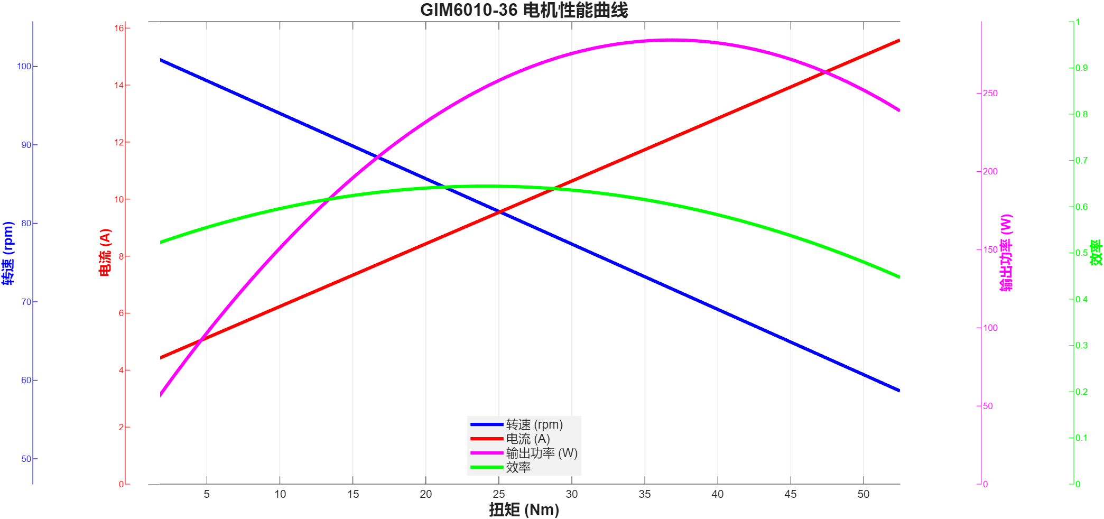

GIM6010-48曲线
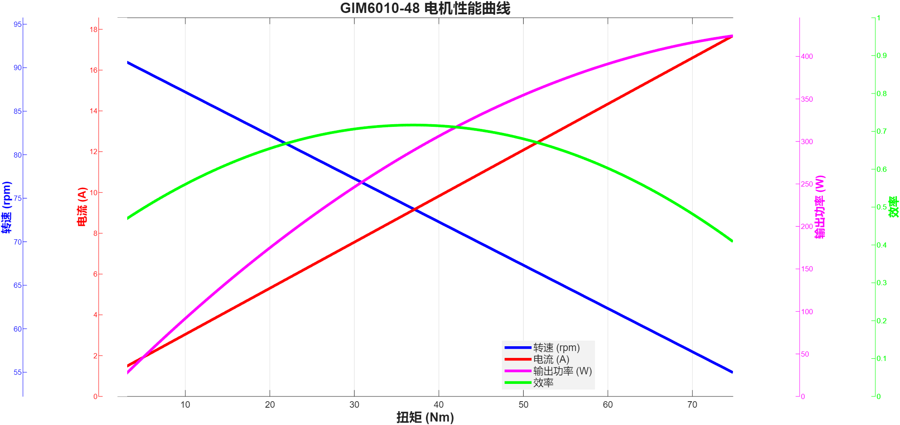

GIM8108-6曲线
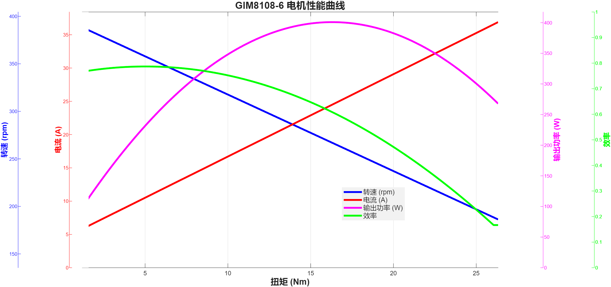

GIM8108-8曲线
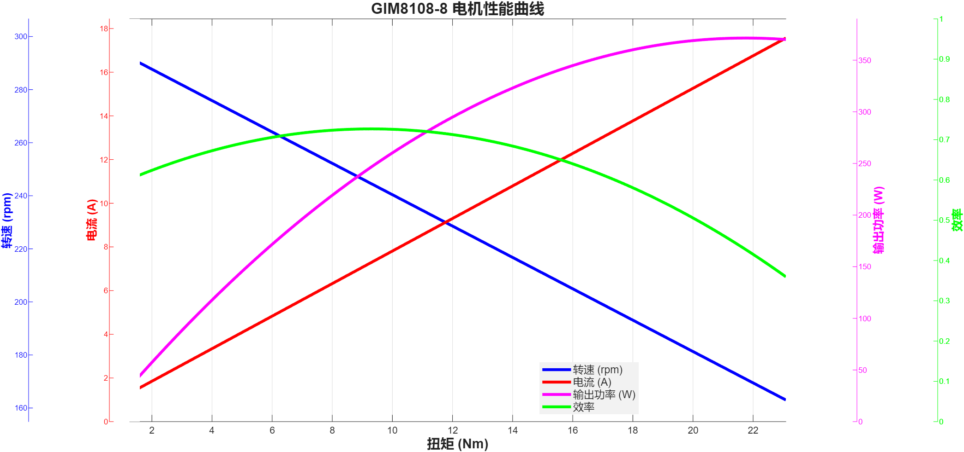

GIM8108-9曲线
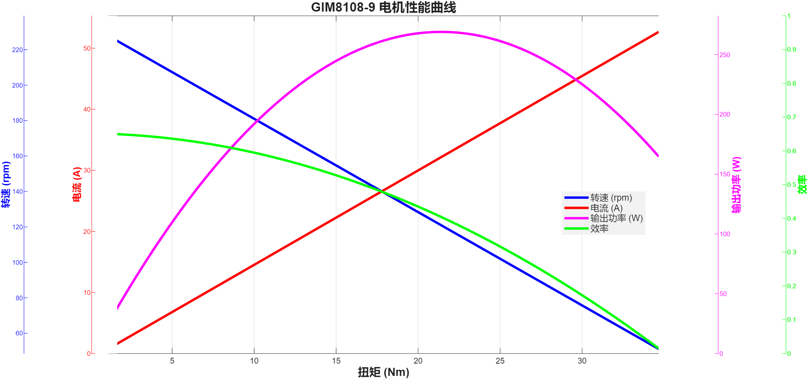

GIM8108-36曲线
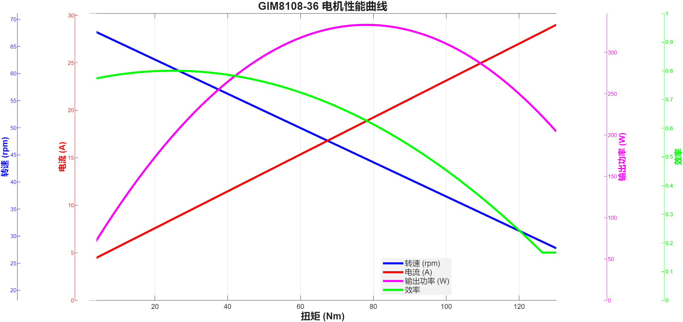

GIM8115-6曲线
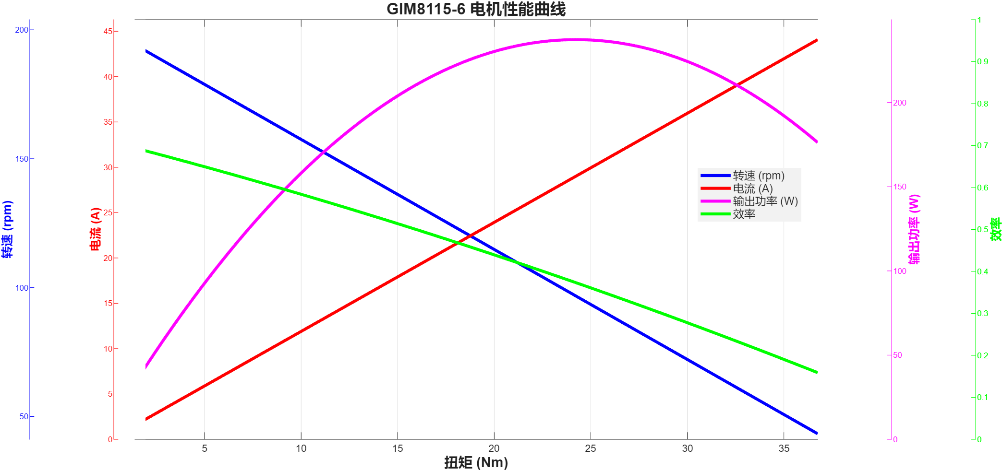
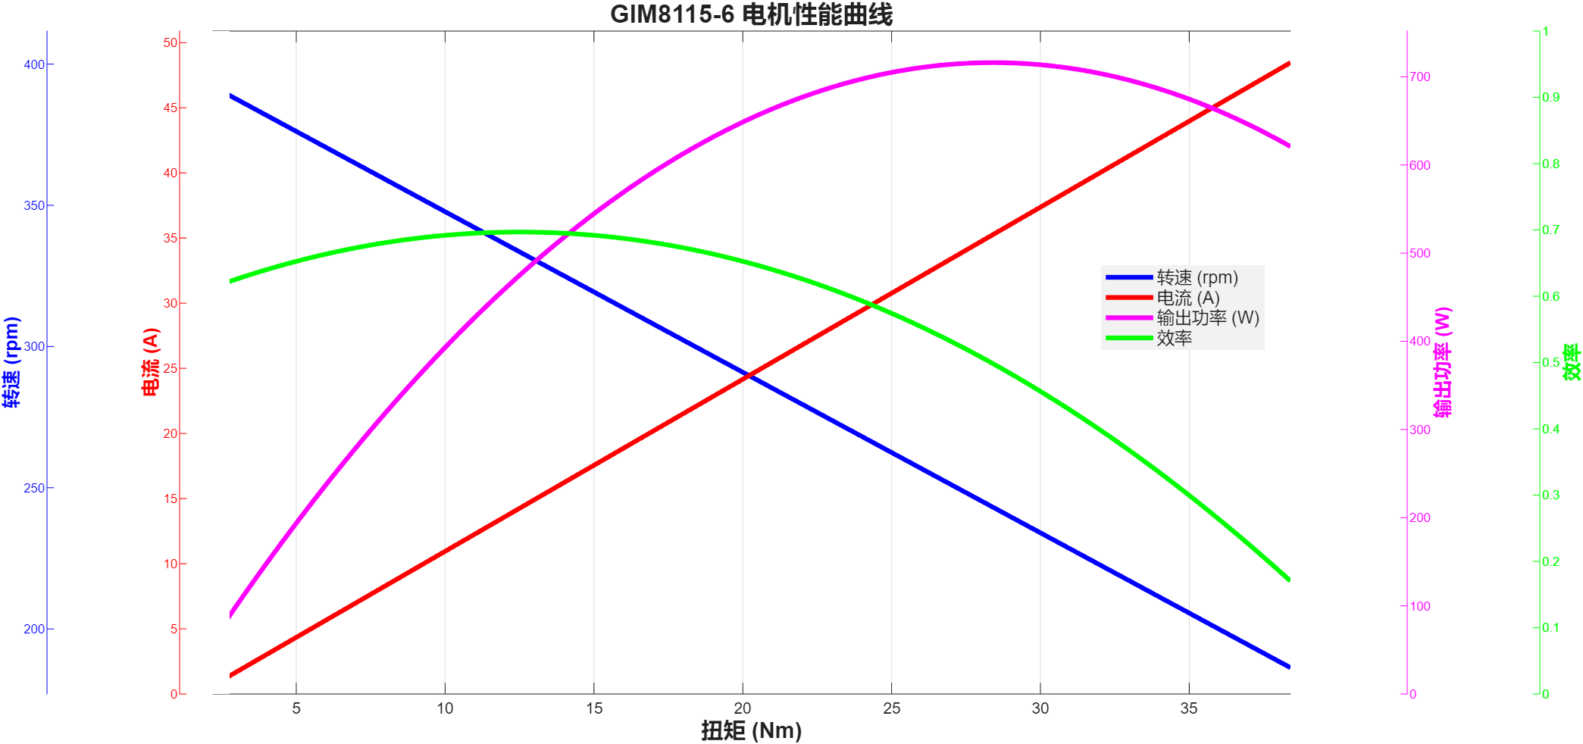

GIM8115-6-24-24-GDZ810 |  |  |  |  |  |  | GIM8115-6-24-48-GDZ810
扭矩 | 转速 | 功率 | 电流(A) | 电压 | 输入功率 | 效率 | 扭矩 | 转速 | 输出功率 | 电流 | 电压 | 输入功率 | 效率
1.95 | 193.8 | 39.5717 | 2.25 | 24 | 54 | 0.73280925926 | 2.2 | 374.8 | 86.3414 | 2.22 | 48 | 106.56 | 0.81026088589
1.39 | 193.4 | 28.1493 | 2.31 | 24 | 55.44 | 0.50774350649 | 2.2 | 374.9 | 86.3644 | 3 | 48 | 144 | 0.59975277778
2.2 | 192.9 | 44.4377 | 2.82 | 24 | 67.68 | 0.65658540189 | 2.3 | 374.7 | 90.2419 | 2.88 | 48 | 138.24 | 0.65279152199
2.57 | 192.1 | 51.696 | 2.93 | 24 | 70.32 | 0.73515358362 | 2.5 | 374.7 | 98.089 | 3.26 | 48 | 156.48 | 0.62684688139
2.49 | 191.5 | 49.9304 | 2.73 | 24 | 65.52 | 0.76206349206 | 2.7 | 374.4 | 105.851 | 3.22 | 48 | 154.56 | 0.68485377847
2.63 | 191 | 52.6 | 2.99 | 24 | 71.76 | 0.73299888517 | 2.9 | 374.1 | 113.601 | 4.08 | 48 | 195.84 | 0.58007046569
2.67 | 189.9 | 53.0925 | 3.72 | 24 | 89.28 | 0.59467405914 | 3.1 | 373.6 | 121.273 | 4.1 | 48 | 196.8 | 0.6162245935
3.17 | 187.6 | 62.2714 | 4.41 | 24 | 105.84 | 0.58835411943 | 3.4 | 372.9 | 132.76 | 4.57 | 48 | 219.36 | 0.60521517141
3.85 | 183.9 | 74.1377 | 5.13 | 24 | 123.12 | 0.60215805718 | 3.7 | 372.3 | 144.242 | 5.17 | 48 | 248.16 | 0.58124597034
5.08 | 182.1 | 96.8658 | 5.17 | 24 | 124.08 | 0.780672147 | 4.1 | 371.4 | 159.449 | 5.15 | 48 | 247.2 | 0.64502022654
4.99 | 180.6 | 94.3659 | 5.27 | 24 | 126.48 | 0.74609345351 | 4.5 | 370.3 | 174.487 | 5.63 | 48 | 270.24 | 0.64567421551
5.19 | 180.3 | 97.985 | 5.81 | 24 | 139.44 | 0.70270367183 | 5 | 368.9 | 193.141 | 6.43 | 48 | 308.64 | 0.625780845
5.77 | 174.7 | 105.552 | 6.62 | 24 | 158.88 | 0.66435045317 | 5.6 | 367.2 | 215.321 | 6.74 | 48 | 323.52 | 0.66555699802
7.46 | 173.1 | 135.217 | 7.34 | 24 | 176.16 | 0.76758060854 | 6.3 | 365.4 | 241.049 | 7.64 | 48 | 366.72 | 0.6573107548
6.46 | 173.1 | 117.092 | 7.39 | 24 | 177.36 | 0.6601939558 | 7 | 363.4 | 266.366 | 8.8 | 48 | 422.4 | 0.63060132576
7.13 | 172 | 128.415 | 8.3 | 24 | 199.2 | 0.64465361446 | 7.9 | 361 | 298.628 | 9.75 | 48 | 468 | 0.63809401709
7.86 | 162.9 | 134.073 | 12.37 | 24 | 296.88 | 0.45160670978 | 8.8 | 358.3 | 330.161 | 9.99 | 48 | 479.52 | 0.68852394061
9.7 | 145.2 | 147.481 | 15.94 | 24 | 382.56 | 0.38551076955 | 9.8 | 355.1 | 364.396 | 10.46 | 48 | 502.08 | 0.72577278521
14.25 | 135.8 | 202.634 | 16.17 | 24 | 388.08 | 0.52214491857 | 10.8 | 351.7 | 397.734 | 11.65 | 48 | 559.2 | 0.71125536481
16.61 | 135.4 | 235.497 | 15.54 | 24 | 372.96 | 0.63142696268 | 11.6 | 348 | 422.702 | 12.3 | 48 | 590.4 | 0.71595867209
16.69 | 125.9 | 220.028 | 18.07 | 24 | 433.68 | 0.50735104224 | 12.2 | 344.1 | 439.583 | 14.09 | 48 | 676.32 | 0.64996303525
19.59 | 109.5 | 224.618 | 22.48 | 24 | 539.52 | 0.41632932977 | 13.1 | 339.9 | 466.25 | 14.73 | 48 | 707.04 | 0.65943935279
22.33 | 101.9 | 238.265 | 24.18 | 24 | 580.32 | 0.41057519989 | 14.1 | 335.5 | 495.346 | 15.29 | 48 | 733.92 | 0.67493187268
24.44 | 101.3 | 259.243 | 24.8 | 24 | 595.2 | 0.43555611559 | 15.3 | 331 | 530.293 | 16.55 | 48 | 794.4 | 0.66753902316
24.28 | 99.5 | 252.97 | 28.02 | 24 | 672.48 | 0.37617475613 | 16.3 | 326.3 | 556.931 | 17.08 | 48 | 819.84 | 0.67931669594
25.69 | 67 | 180.234 | 36.16 | 24 | 867.84 | 0.20768113938 | 17 | 321.5 | 572.304 | 17.34 | 48 | 832.32 | 0.68760092272
30.84 | 55.5 | 179.227 | 39.02 | 24 | 936.48 | 0.19138369212 | 18 | 316.6 | 596.733 | 17.41 | 48 | 835.68 | 0.71406878231
36.75 | 55.5 | 213.573 | 42.2 | 24 | 1012.8 | 0.21087381517 | 18.9 | 312.7 | 618.851 | 18.43 | 48 | 884.64 | 0.69955122988
36.6 | 55.5 | 212.702 | 43.66 | 24 | 1047.84 | 0.20299091464 | 19.4 | 308.1 | 625.879 | 18.04 | 48 | 865.92 | 0.72279078899
36.49 | 55.5 | 212.062 | 44.28 | 24 | 1062.72 | 0.19954644685 | 19.6 | 303 | 621.864 | 18.24 | 48 | 875.52 | 0.71027960526
36.45 | 55.5 | 211.83 | 43.92 | 24 | 1054.08 | 0.20096197632 | 19.8 | 299.1 | 620.124 | 19.75 | 48 | 948 | 0.65413924051
36.29 | 55.5 | 210.9 | 42.34 | 24 | 1016.16 | 0.20754605574 | 20 | 295.6 | 619.058 | 20.55 | 48 | 986.4 | 0.62759326845
35.78 | 55.5 | 207.936 | 43.74 | 24 | 1049.76 | 0.19807956104 | 20.6 | 292.9 | 631.805 | 22.66 | 48 | 1087.68 | 0.58087397029
35.76 | 55.5 | 207.82 | 43.52 | 24 | 1044.48 | 0.1989698223 | 21.9 | 289.2 | 663.192 | 23.82 | 48 | 1143.36 | 0.58003778338
34.26 | 55.5 | 199.103 | 43.67 | 24 | 1048.08 | 0.18996927715 | 23.5 | 285 | 701.309 | 25.72 | 48 | 1234.56 | 0.56806392561
36.46 | 0 | 0 | 44.47 | 24 | 1067.28 | 0 | 24.8 | 280.6 | 728.679 | 26.27 | 48 | 1260.96 | 0.5778763799
 |  |  |  |  |  |  | 26 | 276 | 751.414 | 27.24 | 48 | 1307.52 | 0.57468642927
 |  |  |  |  |  |  | 27.1 | 271.3 | 769.867 | 28.45 | 48 | 1365.6 | 0.56375732279
 |  |  |  |  |  |  | 27.9 | 266.1 | 777.402 | 26.08 | 48 | 1251.84 | 0.62100747699
 |  |  |  |  |  |  | 28.7 | 260.4 | 782.563 | 32.49 | 48 | 1559.52 | 0.5017973479
 |  |  |  |  |  |  | 29.8 | 253.6 | 791.338 | 36.29 | 48 | 1741.92 | 0.45429066777
 |  |  |  |  |  |  | 31 | 246.4 | 799.832 | 39.14 | 48 | 1878.72 | 0.42573241356
 |  |  |  |  |  |  | 32.3 | 238.8 | 807.669 | 43.65 | 48 | 2095.2 | 0.38548539519
 |  |  |  |  |  |  | 33.5 | 187.7 | 658.424 | 46.7 | 48 | 2241.6 | 0.29372947894
 |  |  |  |  |  |  | 35 | 174 | 637.696 | 48.99 | 48 | 2351.52 | 0.2711845955
 |  |  |  |  |  |  | 36.2 | 162 | 614.073 | 53.86 | 48 | 2585.28 | 0.23752668957
 |  |  |  |  |  |  | 37.2 | 149.1 | 580.787 | 56.32 | 48 | 2703.36 | 0.21483894117
 |  |  |  |  |  |  | 38.4 | 132.3 | 531.971 | 56.96 | 48 | 2734.08 | 0.19457038565

GIM8115-9曲线
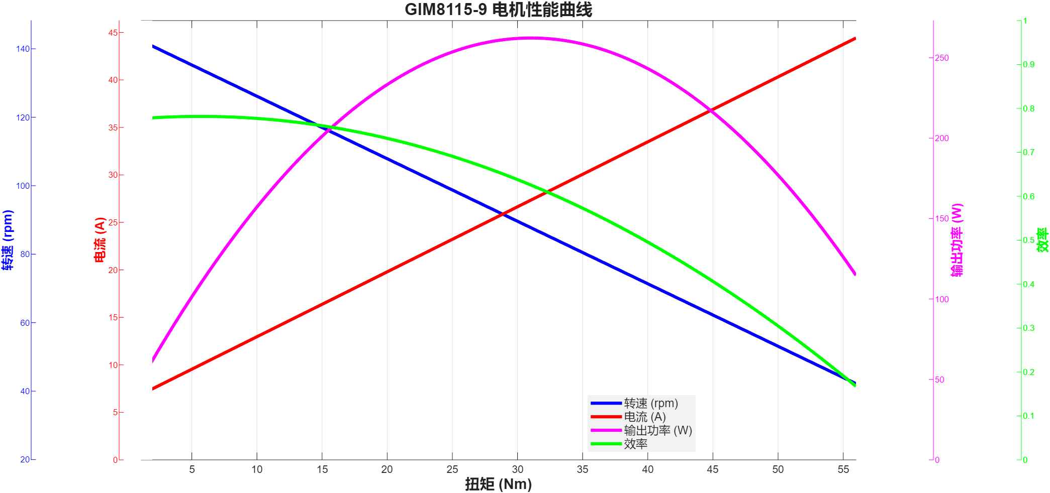
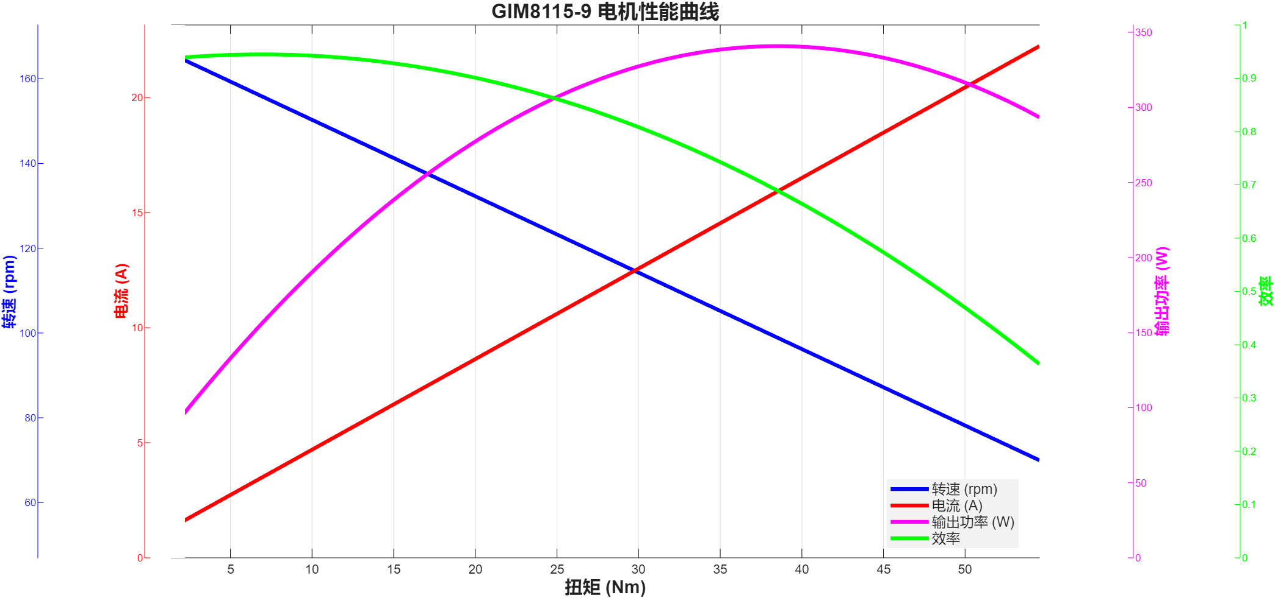

GIM8115-9-24-24-GDZ810 |  |  |  |  |  |  | GIM8115-9-48-48-GDZ810
扭矩 | 转速 | 输出功率 | 电流 | 电压 | 输出功率 | 效率 | 扭矩 | 转速 | 功率 | 电流(A) | 电压 | 输入功率 | 效率
1.15 | 136.7 | 16.4613 | 1.07 | 24 | 25.68 | 0.64101635514 | 1.39 | 155.5 | 22.633 | 0.54 | 48 | 25.92 | 0.8731867284
1.14 | 135.2 | 16.1391 | 1.1 | 24 | 26.4 | 0.61132954545 | 6.42 | 148.6 | 99.8965 | 1.74 | 48 | 83.52 | 1.1960787835
1.12 | 137.9 | 16.1726 | 1.12 | 24 | 26.88 | 0.60165922619 | 6.45 | 149 | 100.634 | 1.82 | 48 | 87.36 | 1.1519459707
1.15 | 139.7 | 16.8225 | 0.93 | 24 | 22.32 | 0.75369623656 | 6.47 | 148.3 | 100.471 | 1.96 | 48 | 94.08 | 1.0679315476
1.16 | 137.5 | 16.7016 | 1.1 | 24 | 26.4 | 0.63263636364 | 6.49 | 149.5 | 101.597 | 2.24 | 48 | 107.52 | 0.9449125744
1.14 | 138.2 | 16.4972 | 0.93 | 24 | 22.32 | 0.7391218638 | 7.01 | 145.9 | 107.095 | 1.61 | 48 | 77.28 | 1.3858048654
1.14 | 135.5 | 16.1749 | 1.12 | 24 | 26.88 | 0.60174479167 | 7.91 | 144.3 | 119.52 | 1.84 | 48 | 88.32 | 1.3532608696
1.25 | 136.4 | 17.8534 | 0.97 | 24 | 23.28 | 0.76689862543 | 8.79 | 144.1 | 132.632 | 2.06 | 48 | 98.88 | 1.3413430421
1.55 | 135 | 21.911 | 1.32 | 24 | 31.68 | 0.69163510101 | 9.45 | 141.8 | 140.315 | 1.91 | 48 | 91.68 | 1.5304864747
1.97 | 134.4 | 27.7244 | 1.9 | 24 | 45.6 | 0.60799122807 | 10.12 | 138.8 | 147.084 | 2.19 | 48 | 105.12 | 1.3992009132
2.45 | 133.9 | 34.3513 | 2.01 | 24 | 48.24 | 0.71209162521 | 10.99 | 142 | 163.412 | 2.21 | 48 | 106.08 | 1.5404600302
2.92 | 133.7 | 40.88 | 2.32 | 24 | 55.68 | 0.7341954023 | 11.82 | 137.1 | 169.688 | 2.08 | 48 | 99.84 | 1.699599359
3.45 | 132.3 | 47.7942 | 2.54 | 24 | 60.96 | 0.78402559055 | 12.66 | 134.8 | 178.698 | 2.28 | 48 | 109.44 | 1.6328399123
4.1 | 129.4 | 55.5539 | 3.1 | 24 | 74.4 | 0.7466922043 | 13.54 | 134.6 | 190.836 | 3.07 | 48 | 147.36 | 1.2950325733
4.76 | 129.7 | 64.6463 | 3.38 | 24 | 81.12 | 0.79692184418 | 14.71 | 134.3 | 206.864 | 3.36 | 48 | 161.28 | 1.2826388889
5.43 | 128.6 | 73.1202 | 4 | 24 | 96 | 0.76166875 | 16.03 | 128.7 | 216.027 | 3.39 | 48 | 162.72 | 1.3275995575
6.06 | 128.6 | 81.6038 | 4.26 | 24 | 102.24 | 0.79815923318 | 17.08 | 131.2 | 234.649 | 4.26 | 48 | 204.48 | 1.1475401017
6.71 | 126.6 | 88.9514 | 4.62 | 24 | 110.88 | 0.80223124098 | 17.2 | 132.3 | 238.279 | 4.05 | 48 | 194.4 | 1.2257150206
7.34 | 126.1 | 96.9187 | 4.82 | 24 | 115.68 | 0.8378172545 | 17.24 | 130.4 | 235.403 | 4.22 | 48 | 202.56 | 1.162139613
8.07 | 125.4 | 105.966 | 5.87 | 24 | 140.88 | 0.75217206133 | 17.31 | 131 | 237.446 | 4.7 | 48 | 225.6 | 1.0525088652
8.85 | 122.8 | 113.799 | 6.29 | 24 | 150.96 | 0.7538354531 | 17.33 | 130.1 | 236.087 | 5.71 | 48 | 274.08 | 0.86137988908
9.46 | 120.8 | 119.662 | 6.72 | 24 | 161.28 | 0.74195188492 | 17.33 | 130.6 | 236.995 | 5.83 | 48 | 279.84 | 0.84689465409
10.16 | 122.7 | 130.537 | 7.08 | 24 | 169.92 | 0.76822622411 | 17.4 | 129.2 | 235.401 | 6.06 | 48 | 290.88 | 0.80927186469
10.7 | 119.4 | 133.778 | 7.37 | 24 | 176.88 | 0.75632066938 | 18.09 | 128.6 | 243.599 | 5.76 | 48 | 276.48 | 0.88107277199
11.2 | 120.7 | 141.554 | 8.02 | 24 | 192.48 | 0.73542186201 | 19.48 | 125.4 | 255.79 | 5.75 | 48 | 276 | 0.92677536232
11.53 | 119.8 | 144.638 | 8.01 | 24 | 192.24 | 0.75238243862 | 21.02 | 121.6 | 267.647 | 5.58 | 48 | 267.84 | 0.99927942055
11.53 | 120.1 | 145 | 7.68 | 24 | 184.32 | 0.78667534722 | 22.42 | 122 | 286.413 | 6.24 | 48 | 299.52 | 0.95623998397
11.51 | 119.4 | 143.905 | 7.65 | 24 | 183.6 | 0.7837962963 | 23.4 | 118.6 | 290.601 | 6.38 | 48 | 306.24 | 0.94893221003
11.7 | 118.6 | 145.301 | 7.72 | 24 | 185.28 | 0.78422387737 | 24.39 | 116.5 | 297.532 | 6.29 | 48 | 301.92 | 0.9854663487
12.66 | 114 | 151.125 | 8.14 | 24 | 195.36 | 0.77357186732 | 25.59 | 114.4 | 306.544 | 6.94 | 48 | 333.12 | 0.9202209414
14.46 | 111.4 | 168.675 | 9.66 | 24 | 231.84 | 0.72754917184 | 26.88 | 113.5 | 319.464 | 7.85 | 48 | 376.8 | 0.8478343949
16.4 | 107.7 | 184.951 | 10.61 | 24 | 254.64 | 0.72632343701 | 28.26 | 110.7 | 327.579 | 7.92 | 48 | 380.16 | 0.86168718434
17.7 | 106.8 | 197.943 | 11.46 | 24 | 275.04 | 0.71968804538 | 29.24 | 110.6 | 338.633 | 8.6 | 48 | 412.8 | 0.82033187984
18.64 | 106.3 | 207.48 | 12.2 | 24 | 292.8 | 0.70860655738 | 29.51 | 109.9 | 339.597 | 8.86 | 48 | 425.28 | 0.7985256772
19.35 | 103.9 | 210.52 | 12.43 | 24 | 298.32 | 0.70568517029 | 29.51 | 109.6 | 338.67 | 9.39 | 48 | 450.72 | 0.75139776358
20.08 | 102.7 | 215.939 | 12.88 | 24 | 309.12 | 0.69856042961 | 29.54 | 109.1 | 337.467 | 10.19 | 48 | 489.12 | 0.68994725221
20.92 | 101.1 | 221.467 | 13.46 | 24 | 323.04 | 0.68557144626 | 29.55 | 108.6 | 336.035 | 10.15 | 48 | 487.2 | 0.68972701149
21.87 | 99.2 | 227.173 | 14.25 | 24 | 342 | 0.66424853801 | 29.56 | 111 | 343.577 | 10.69 | 48 | 513.12 | 0.66958411288
22.6 | 98.4 | 232.863 | 14.74 | 24 | 353.76 | 0.65825135685 | 29.62 | 108.9 | 337.761 | 10.34 | 48 | 496.32 | 0.680530706
23.57 | 96.5 | 238.168 | 15.43 | 24 | 370.32 | 0.64314106719 | 30.56 | 98.8 | 316.16 | 10.51 | 48 | 504.48 | 0.62670472566
24.5 | 93.6 | 240.126 | 16.49 | 24 | 395.76 | 0.60674651304 | 37.2 | 51.8 | 201.776 | 10.53 | 48 | 505.44 | 0.39920861032
25.47 | 92.5 | 246.699 | 16.64 | 24 | 399.36 | 0.6177358774 | 47.37 | 62.4 | 309.517 | 10.58 | 48 | 507.84 | 0.60947739445
26.42 | 90 | 248.984 | 17.28 | 24 | 414.72 | 0.60036651235 | 48.1 | 49.7 | 250.321 | 10.65 | 48 | 511.2 | 0.48967331768
27.4 | 87.7 | 251.621 | 18.02 | 24 | 432.48 | 0.58180956345 | 49.12 | 67.4 | 346.669 | 12.34 | 48 | 592.32 | 0.58527316316
28.08 | 87.8 | 258.16 | 18.75 | 24 | 450 | 0.57368888889 | 49.79 | 49.7 | 259.117 | 19.03 | 48 | 913.44 | 0.28367161499
29.01 | 86.3 | 262.153 | 19.1 | 24 | 458.4 | 0.57188699825 | 49.97 | 68.4 | 357.9 | 22.09 | 48 | 1060.32 | 0.33753961068
29.65 | 84.1 | 261.106 | 19.68 | 24 | 472.32 | 0.55281588753 | 50.07 | 62.3 | 326.635 | 19.65 | 48 | 943.2 | 0.34630513147
30.29 | 84 | 266.425 | 20.34 | 24 | 488.16 | 0.54577392658 | 51.49 | 57.8 | 311.636 | 20.84 | 48 | 1000.32 | 0.31153630838
30.29 | 84.1 | 266.742 | 19.93 | 24 | 478.32 | 0.55766432514 | 52.52 | 53.7 | 295.322 | 22.37 | 48 | 1073.76 | 0.27503538966
30.2 | 84.4 | 266.898 | 20.24 | 24 | 485.76 | 0.54944416996 | 52.81 | 49.7 | 274.833 | 23.33 | 48 | 1119.84 | 0.24542166738
30.24 | 83.3 | 263.769 | 20.2 | 24 | 484.8 | 0.5440779703 | 52.89 | 49.7 | 275.25 | 24.39 | 48 | 1170.72 | 0.23511172612
30.67 | 80.8 | 259.491 | 20.76 | 24 | 498.24 | 0.52081526975 | 53.56 | 52.1 | 292.196 | 24.73 | 48 | 1187.04 | 0.2461551422
31.68 | 78.2 | 259.411 | 20.96 | 24 | 503.04 | 0.51568662532 | 53.98 | 49.7 | 280.922 | 24.4 | 48 | 1171.2 | 0.23985826503
33.18 | 75.7 | 263.008 | 22.28 | 24 | 534.72 | 0.49186116098 | 54.08 | 53.7 | 304.094 | 24.5 | 48 | 1176 | 0.25858333333
34.91 | 71.1 | 259.906 | 24.04 | 24 | 576.96 | 0.45047490294 | 54.14 | 53.3 | 302.164 | 24.98 | 48 | 1199.04 | 0.25200493728
36.58 | 67.8 | 259.699 | 25.18 | 24 | 604.32 | 0.42973755626 | 54.21 | 53.8 | 305.392 | 24.92 | 48 | 1196.16 | 0.25531032638
37.78 | 65.2 | 257.933 | 26.39 | 24 | 633.36 | 0.4072454844 | 54.35 | 50.3 | 286.262 | 23.21 | 48 | 1114.08 | 0.25694923165
38.84 | 63.4 | 257.849 | 27.11 | 24 | 650.64 | 0.3963005656 | 54.55 | 49.7 | 283.888 | 25.21 | 48 | 1210.08 | 0.2346026709
40.02 | 61 | 255.625 | 28.4 | 24 | 681.6 | 0.3750366784
41.18 | 58.3 | 251.392 | 30.14 | 24 | 723.36 | 0.34753373148
42.5 | 53.2 | 236.754 | 31.2 | 24 | 748.8 | 0.31617788462
43.95 | 48.2 | 221.821 | 33.4 | 24 | 801.6 | 0.27672280439
45.42 | 46.8 | 222.582 | 34.56 | 24 | 829.44 | 0.2683521412
46.45 | 44 | 214.01 | 35.72 | 24 | 857.28 | 0.24963839119
47.15 | 40.7 | 200.943 | 36.24 | 24 | 869.76 | 0.23103269868
48.05 | 38.3 | 192.703 | 38.31 | 24 | 919.44 | 0.20958735752
49.04 | 33.8 | 173.566 | 38.19 | 24 | 916.56 | 0.18936676268
50.1 | 30.7 | 161.054 | 40.26 | 24 | 966.24 | 0.16668115582
51 | 27.8 | 148.461 | 41.91 | 24 | 1005.84 | 0.14759902171
51.12 | 30.5 | 163.263 | 41.72 | 24 | 1001.28 | 0.16305429051
51.05 | 29.9 | 159.832 | 43.55 | 24 | 1045.2 | 0.15292001531
51.44 | 26.1 | 140.585 | 42.51 | 24 | 1020.24 | 0.13779600878
52.49 | 19.6 | 107.728 | 44.88 | 24 | 1077.12 | 0.10001485443
53.69 | 16.7 | 93.8872 | 45.78 | 24 | 1098.72 | 0.085451434396
54.49 | 12.9 | 73.6043 | 47.84 | 24 | 1148.16 | 0.064106309225
55.34 | 9.9 | 57.3682 | 49.83 | 24 | 1195.92 | 0.047969931099
55.98 | 9.9 | 58.0316 | 50.77 | 24 | 1218.48 | 0.047626222835

GIM8115-36曲线
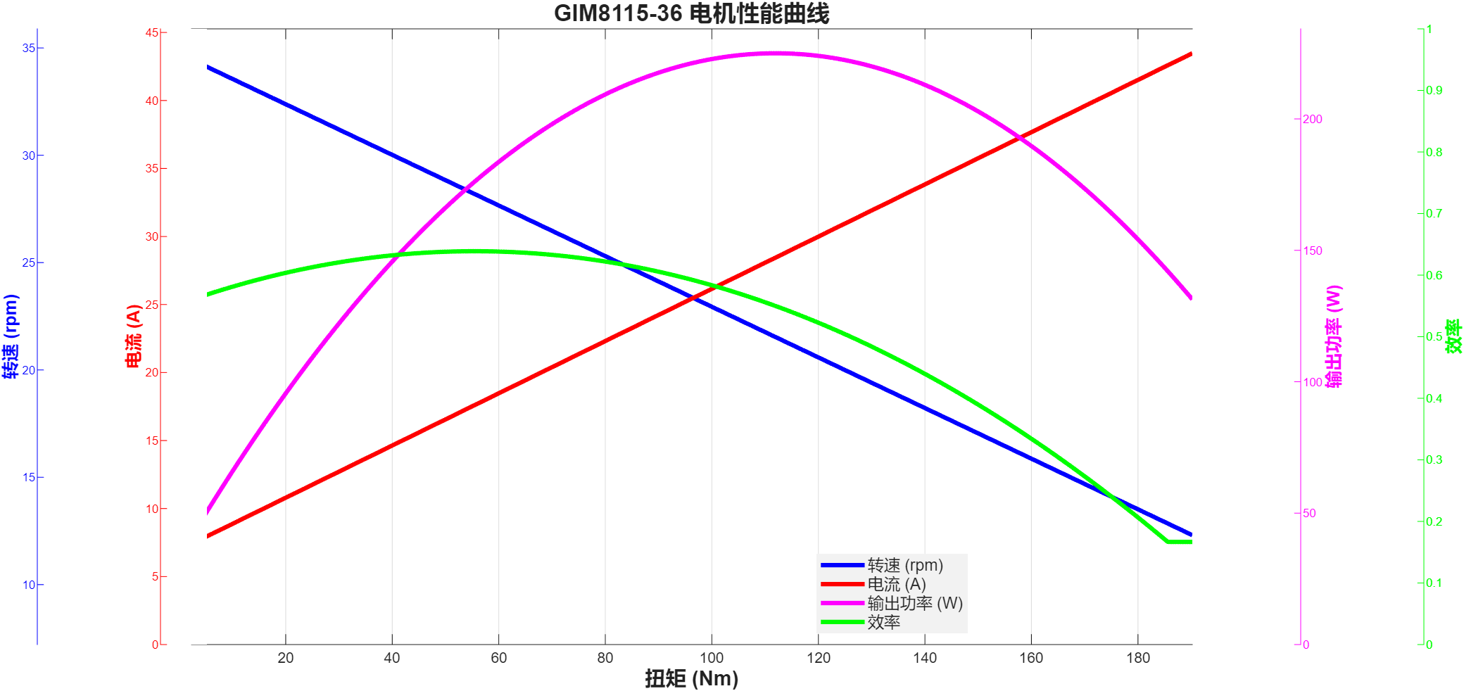

GIM8115-36-24-24-GDZ810
扭矩 | 速度 | 输出功率 | 电流(A) | 电压 | 输入功率 | 效率
2.3 | 32.6 | 7.85131 | 0.9 | 24 | 21.6 | 0.36348657407
2.5 | 33.8 | 8.84817 | 1 | 24 | 24 | 0.36867375
3.3 | 33.6 | 11.6105 | 1.09 | 24 | 26.16 | 0.4438264526
4.2 | 33.5 | 14.733 | 0.99 | 24 | 23.76 | 0.62007575758
4 | 33.5 | 14.0314 | 1.16 | 24 | 27.84 | 0.50400143678
2.8 | 33.5 | 9.82199 | 1.03 | 24 | 24.72 | 0.39732969256
3 | 33.4 | 10.4921 | 1.15 | 24 | 27.6 | 0.38014855072
2.4 | 33.4 | 8.39372 | 1.48 | 24 | 35.52 | 0.23630968468
3.7 | 33.3 | 12.9016 | 1.26 | 24 | 30.24 | 0.42664021164
3.6 | 32.9 | 12.4021 | 1.33 | 24 | 31.92 | 0.38853696742
5.3 | 34.1 | 18.9246 | 1.45 | 24 | 34.8 | 0.54381034483
5.5 | 33.4 | 19.2356 | 1.3 | 24 | 31.2 | 0.61652564103
5 | 33.1 | 17.3298 | 1.59 | 24 | 38.16 | 0.45413522013
4.7 | 33.1 | 16.2901 | 1.38 | 24 | 33.12 | 0.49185084541
4.5 | 33.1 | 15.5969 | 2.17 | 24 | 52.08 | 0.2994796467
6.4 | 33 | 22.1152 | 1.9 | 24 | 45.6 | 0.48498245614
7.4 | 32.8 | 25.4157 | 2.04 | 24 | 48.96 | 0.51911151961
7.9 | 32.6 | 26.9675 | 2.09 | 24 | 50.16 | 0.53762958533
6.9 | 32.6 | 23.5539 | 2 | 24 | 48 | 0.49070625
8.4 | 33.6 | 29.5539 | 2.18 | 24 | 52.32 | 0.56486811927
10 | 32.8 | 34.3455 | 3.12 | 24 | 74.88 | 0.45867387821
8.9 | 32.8 | 30.5675 | 2.62 | 24 | 62.88 | 0.48612436387
9.4 | 32.7 | 32.1864 | 3.34 | 24 | 80.16 | 0.40152694611
11.8 | 32.6 | 40.2806 | 3.36 | 24 | 80.64 | 0.49951140873
10.7 | 32.4 | 36.3016 | 3.79 | 24 | 90.96 | 0.3990941073
14.3 | 32.2 | 48.2157 | 3.84 | 24 | 92.16 | 0.52317382813
15.7 | 31.9 | 52.4429 | 3.85 | 24 | 92.4 | 0.56756385281
17.1 | 31.6 | 56.5822 | 4.35 | 24 | 104.4 | 0.54197509579
18.4 | 31.5 | 60.6911 | 4.26 | 24 | 102.24 | 0.59361404538
23.5 | 31.2 | 76.7749 | 4.51 | 24 | 108.24 | 0.70930247598
19.6 | 31.1 | 63.8283 | 5.13 | 24 | 123.12 | 0.51842348928
26.5 | 30.8 | 85.466 | 5.19 | 24 | 124.56 | 0.68614322415
22.1 | 30.8 | 71.2754 | 5.9 | 24 | 141.6 | 0.50335734463
20.8 | 30.8 | 67.0827 | 5.81 | 24 | 139.44 | 0.48108648881
28 | 30.5 | 89.4241 | 6.18 | 24 | 148.32 | 0.60291329558
29.5 | 30.3 | 93.5969 | 6.32 | 24 | 151.68 | 0.61706816983
30.8 | 30.1 | 97.0764 | 6.65 | 24 | 159.6 | 0.6082481203
33.4 | 29.9 | 104.572 | 6.8 | 24 | 163.2 | 0.64075980392
32.1 | 29.9 | 100.502 | 7.55 | 24 | 181.2 | 0.55464679912
35 | 29.6 | 108.482 | 8.01 | 24 | 192.24 | 0.56430503537
38.8 | 29.3 | 119.041 | 8.36 | 24 | 200.64 | 0.59330641946
36.9 | 29.3 | 113.212 | 8.5 | 24 | 204 | 0.55496078431
40.9 | 28.9 | 123.771 | 9.05 | 24 | 217.2 | 0.5698480663
49.3 | 28.2 | 145.577 | 8.99 | 24 | 215.76 | 0.67471727846
47.4 | 27.8 | 137.981 | 9.42 | 24 | 226.08 | 0.61031935598
45.3 | 27.8 | 131.868 | 9.76 | 24 | 234.24 | 0.56296106557
51 | 27.6 | 147.393 | 10.15 | 24 | 243.6 | 0.60506157635
55.5 | 27.3 | 158.654 | 10.45 | 24 | 250.8 | 0.63259170654
52.6 | 27.3 | 150.364 | 10.56 | 24 | 253.44 | 0.59329229798
54 | 27.1 | 153.236 | 10.77 | 24 | 258.48 | 0.59283503559
57 | 26.9 | 160.555 | 10.89 | 24 | 261.36 | 0.61430593817
61.7 | 26.5 | 171.209 | 11.58 | 24 | 277.92 | 0.61603698906
60.1 | 26.5 | 166.77 | 11.92 | 24 | 286.08 | 0.5829488255
58.5 | 26.5 | 162.33 | 12.17 | 24 | 292.08 | 0.55577239113
63.3 | 26.3 | 174.324 | 12.49 | 24 | 299.76 | 0.58154523619
64.8 | 25.9 | 175.74 | 12.4 | 24 | 297.6 | 0.59052419355
66.1 | 26 | 179.958 | 13.02 | 24 | 312.48 | 0.57590245776
67.3 | 25.8 | 181.816 | 13.15 | 24 | 315.6 | 0.57609632446
68.6 | 25.6 | 183.891 | 13.06 | 24 | 313.44 | 0.58668644717
69.9 | 25.3 | 185.18 | 13.46 | 24 | 323.04 | 0.57324170381
71.3 | 25 | 186.649 | 13.88 | 24 | 333.12 | 0.56030559558
72.8 | 24.9 | 189.814 | 13.58 | 24 | 325.92 | 0.58239445263
74.3 | 24.8 | 192.947 | 14.44 | 24 | 346.56 | 0.55674919206
78.1 | 24.5 | 200.361 | 14.46 | 24 | 347.04 | 0.57734266943
75.7 | 24.5 | 194.204 | 14.89 | 24 | 357.36 | 0.543440788
79.4 | 24.3 | 202.034 | 14.98 | 24 | 359.52 | 0.56195482866
80.6 | 24.1 | 203.399 | 15.29 | 24 | 366.96 | 0.55428112056
82 | 24 | 206.073 | 15.59 | 24 | 374.16 | 0.55076170622
83.4 | 23.8 | 207.845 | 16.29 | 24 | 390.96 | 0.53162727645
84.6 | 23.6 | 209.064 | 17.02 | 24 | 408.48 | 0.51180963572
85.8 | 23.4 | 210.232 | 17.9 | 24 | 429.6 | 0.48936685289
88.3 | 22.7 | 209.886 | 18.07 | 24 | 433.68 | 0.48396513558
90.5 | 22.4 | 212.272 | 18.65 | 24 | 447.6 | 0.47424486148
93.5 | 22.2 | 217.351 | 19.3 | 24 | 463.2 | 0.46923791019
96.7 | 21.6 | 218.714 | 19.53 | 24 | 468.72 | 0.46661973033
99.8 | 21.3 | 222.591 | 20.94 | 24 | 502.56 | 0.44291427889
102.5 | 20.9 | 224.319 | 21.18 | 24 | 508.32 | 0.44129485364
105 | 20.7 | 227.592 | 22.64 | 24 | 543.36 | 0.41886042403
107.6 | 20.1 | 226.467 | 23.09 | 24 | 554.16 | 0.40866717194
110.8 | 19.5 | 226.241 | 24.09 | 24 | 578.16 | 0.39131209354
118.2 | 18.5 | 228.974 | 24.63 | 24 | 591.12 | 0.38735620517
121.5 | 18.2 | 231.55 | 24.68 | 24 | 592.32 | 0.39092044841
124.4 | 17.8 | 231.866 | 25.32 | 24 | 607.68 | 0.38155937335
127.1 | 17.5 | 232.906 | 25.71 | 24 | 617.04 | 0.37745689096
129.5 | 17 | 230.524 | 26 | 24 | 624 | 0.36942948718
133.7 | 16.5 | 231 | 27.45 | 24 | 658.8 | 0.35063752277
131.8 | 16.5 | 227.717 | 27.42 | 24 | 658.08 | 0.34603239728
135.3 | 16.1 | 228.097 | 27.87 | 24 | 668.88 | 0.34101333573
136.7 | 15.7 | 224.732 | 28.15 | 24 | 675.6 | 0.33264061575
140 | 15 | 219.895 | 29.45 | 24 | 706.8 | 0.31111346916
141.8 | 14.8 | 219.753 | 30.06 | 24 | 721.44 | 0.30460329341
143.3 | 14.6 | 219.076 | 30.39 | 24 | 729.36 | 0.30036744543
144.9 | 14.3 | 216.971 | 31.52 | 24 | 756.48 | 0.28681657149
147.2 | 13.5 | 208.084 | 34.18 | 24 | 820.32 | 0.25366198557
150.4 | 13.1 | 206.308 | 36.02 | 24 | 864.48 | 0.23864982417
153.8 | 12.3 | 198.088 | 36.7 | 24 | 880.8 | 0.2248955495
156.9 | 11.7 | 192.223 | 41.49 | 24 | 995.76 | 0.19304149594
160 | 10.6 | 177.592 | 40.87 | 24 | 980.88 | 0.18105374766
167.4 | 9.1 | 159.512 | 43.42 | 24 | 1042.08 | 0.15307078151
174.6 | 7.9 | 144.434 | 43.3 | 24 | 1039.2 | 0.13898575828
170.8 | 7.9 | 141.29 | 45.1 | 24 | 1082.4 | 0.13053399852
182.2 | 6.2 | 118.287 | 44.4 | 24 | 1065.6 | 0.11100506757
178.6 | 6.2 | 115.95 | 46.88 | 24 | 1125.12 | 0.10305567406
190.2 | 4.3 | 85.6398 | 48.91 | 24 | 1173.84 | 0.072956961767

GIM10015-9曲线
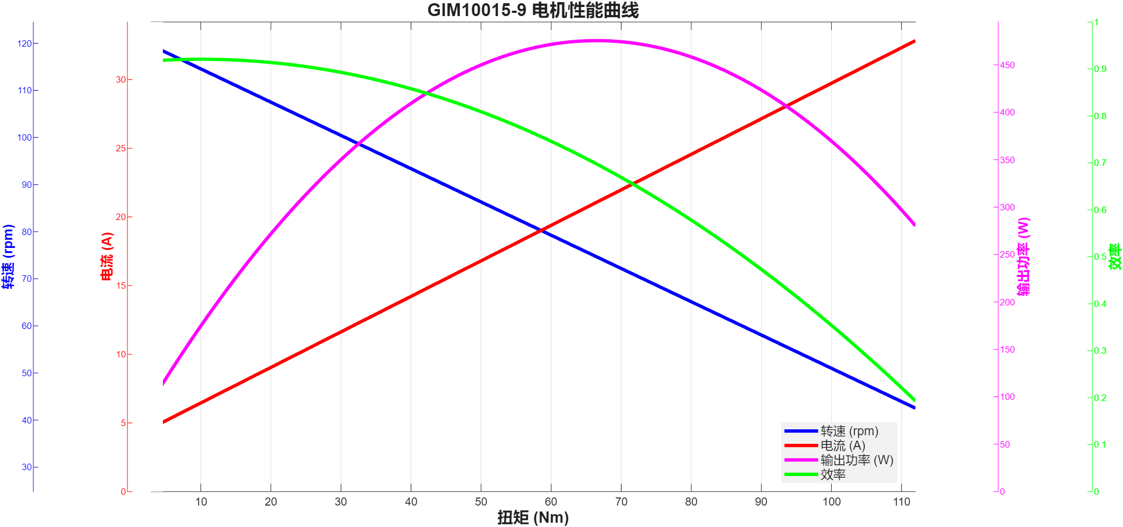

GIM10015-9-48-48-GDZ810
扭矩 | 转速 | 输出功率 | 电流(A) | 电压 | 输入功率 | 效率
2.9 | 114.5 | 34.7696 | 0.98 | 48 | 47.04 | 0.73914965986
3 | 114.7 | 36.0314 | 1.16 | 48 | 55.68 | 0.64711566092
3.2 | 114.4 | 38.333 | 1.04 | 48 | 49.92 | 0.76788862179
3.4 | 113.5 | 40.4084 | 1.02 | 48 | 48.96 | 0.82533496732
3.5 | 114.9 | 42.1099 | 1.06 | 48 | 50.88 | 0.82763168239
4.2 | 112.6 | 49.5204 | 1.34 | 48 | 64.32 | 0.76990671642
5.7 | 112.3 | 67.0272 | 1.44 | 48 | 69.12 | 0.96972222222
6.6 | 112.8 | 77.956 | 1.77 | 48 | 84.96 | 0.91756120527
6.8 | 112.1 | 79.8199 | 1.78 | 48 | 85.44 | 0.93422167603
7.1 | 110 | 81.7801 | 1.85 | 48 | 88.8 | 0.92094707207
7.3 | 111.6 | 85.3068 | 1.86 | 48 | 89.28 | 0.95549731183
7.8 | 111.7 | 91.2314 | 1.96 | 48 | 94.08 | 0.96972151361
8.5 | 109.6 | 97.5497 | 2.18 | 48 | 104.64 | 0.93224101682
8.9 | 110.8 | 103.259 | 2.27 | 48 | 108.96 | 0.94767804699
9.3 | 109.8 | 106.926 | 2.12 | 48 | 101.76 | 1.0507665094
9.8 | 109 | 111.853 | 2.29 | 48 | 109.92 | 1.0175855167
10.3 | 110.4 | 119.07 | 2.04 | 48 | 97.92 | 1.2159926471
10.9 | 108.6 | 123.952 | 2.44 | 48 | 117.12 | 1.0583333333
11.6 | 107.8 | 130.94 | 2.66 | 48 | 127.68 | 1.0255325815
12.2 | 108.6 | 138.735 | 2.51 | 48 | 120.48 | 1.1515189243
13 | 107.6 | 146.471 | 2.85 | 48 | 136.8 | 1.0706944444
13.7 | 106.2 | 152.35 | 2.99 | 48 | 143.52 | 1.0615245262
14.4 | 106.5 | 160.586 | 3.36 | 48 | 161.28 | 0.9956969246
15.2 | 106 | 168.712 | 3.41 | 48 | 163.68 | 1.030742913
15.8 | 105.9 | 175.206 | 3.54 | 48 | 169.92 | 1.0311087571
16.4 | 104.3 | 179.112 | 3.51 | 48 | 168.48 | 1.0631054131
16.9 | 99.9 | 176.786 | 3.89 | 48 | 186.72 | 0.94679734362
17.7 | 104.5 | 193.681 | 4.22 | 48 | 202.56 | 0.95616607425
18.4 | 103.7 | 199.799 | 4.34 | 48 | 208.32 | 0.95909658218
20 | 101.6 | 212.775 | 4.23 | 48 | 203.04 | 1.0479462175
20.9 | 102.7 | 224.757 | 4.91 | 48 | 235.68 | 0.95365325866
21.9 | 101.4 | 232.53 | 5.22 | 48 | 250.56 | 0.92804118774
23 | 101.2 | 243.728 | 5.69 | 48 | 273.12 | 0.89238429994
24.1 | 99.5 | 251.094 | 5.38 | 48 | 258.24 | 0.97232806691
25.3 | 98.7 | 261.477 | 5.67 | 48 | 272.16 | 0.9607473545
26.4 | 97.9 | 270.635 | 6.01 | 48 | 288.48 | 0.93814129229
27.6 | 97.6 | 282.069 | 5.85 | 48 | 280.8 | 1.0045192308
28.8 | 96.3 | 290.413 | 6.1 | 48 | 292.8 | 0.9918476776
31.2 | 95.1 | 310.693 | 6.81 | 48 | 326.88 | 0.95048029858
32.5 | 94.8 | 322.618 | 7.06 | 48 | 338.88 | 0.9520125118
33.5 | 93.1 | 326.581 | 7.59 | 48 | 364.32 | 0.89641249451
34.5 | 93.1 | 336.33 | 7.83 | 48 | 375.84 | 0.89487547893
35.5 | 92.4 | 343.476 | 8.29 | 48 | 397.92 | 0.86317852835
36.5 | 91.1 | 348.183 | 8.42 | 48 | 404.16 | 0.86149792162
37.6 | 89.9 | 353.952 | 8.6 | 48 | 412.8 | 0.85744186047
38.9 | 88.6 | 360.894 | 9.14 | 48 | 438.72 | 0.82260667396
40.2 | 89.9 | 378.427 | 9.28 | 48 | 445.44 | 0.84955774066
42.8 | 87.1 | 390.354 | 9.4 | 48 | 451.2 | 0.8651462766
44.3 | 85.4 | 396.149 | 9.85 | 48 | 472.8 | 0.8378785956
45.7 | 83.8 | 401.012 | 10.23 | 48 | 491.04 | 0.81665852069
47.1 | 83.6 | 412.31 | 10.42 | 48 | 500.16 | 0.82435620601
48.7 | 82.8 | 422.237 | 10.62 | 48 | 509.76 | 0.82830547709
50 | 81.5 | 426.702 | 11.03 | 48 | 529.44 | 0.80594968268
51.1 | 80.6 | 431.273 | 11.83 | 48 | 567.84 | 0.75949739363
52.2 | 80.5 | 440.01 | 11.82 | 48 | 567.36 | 0.7755393401
53.1 | 80.1 | 445.373 | 12.43 | 48 | 596.64 | 0.74646855725
53.9 | 78.5 | 443.052 | 13.01 | 48 | 624.48 | 0.70947348194
54.7 | 79.2 | 453.638 | 13.47 | 48 | 646.56 | 0.70161779263
55.5 | 78.3 | 455.042 | 13.62 | 48 | 653.76 | 0.69603830152
56.4 | 78.2 | 461.83 | 14.11 | 48 | 677.28 | 0.68188932199
57.2 | 77.2 | 462.392 | 14.43 | 48 | 692.64 | 0.66757911758
58.1 | 75.6 | 459.933 | 14.77 | 48 | 708.96 | 0.64874322952
59.1 | 75.6 | 467.849 | 15.44 | 48 | 741.12 | 0.63127293826
60 | 74.3 | 466.806 | 14.81 | 48 | 710.88 | 0.65665935179
60.9 | 72.8 | 464.243 | 15.58 | 48 | 747.84 | 0.62077850877
62 | 73.6 | 477.822 | 15.47 | 48 | 742.56 | 0.6434793148
63.9 | 72 | 481.759 | 15.68 | 48 | 752.64 | 0.64009220876
65.1 | 70.4 | 479.899 | 16.01 | 48 | 768.48 | 0.62447819071
66.2 | 69.5 | 481.77 | 16.52 | 48 | 792.96 | 0.60755901937
67 | 69.2 | 485.487 | 16.75 | 48 | 804 | 0.60383955224
68.1 | 68.8 | 490.605 | 17.12 | 48 | 821.76 | 0.59701737734
69.2 | 68.2 | 494.182 | 17.71 | 48 | 850.08 | 0.58133587427
70.2 | 66.5 | 488.827 | 18.04 | 48 | 865.92 | 0.56451750739
71.3 | 65.6 | 489.768 | 18.09 | 48 | 868.32 | 0.56404090658
72.1 | 65.5 | 494.508 | 18.85 | 48 | 904.8 | 0.54653846154
73.7 | 64 | 493.906 | 19.32 | 48 | 927.36 | 0.53259359903
74.7 | 63.7 | 498.261 | 19.05 | 48 | 914.4 | 0.54490485564
75.6 | 61.3 | 485.265 | 19.83 | 48 | 951.84 | 0.50981782653
76.9 | 60.4 | 486.362 | 19.53 | 48 | 937.44 | 0.51881933777
78.2 | 58.8 | 481.483 | 19.99 | 48 | 959.52 | 0.50179568951
79.4 | 58.7 | 488.04 | 20.7 | 48 | 993.6 | 0.49118357488
80.6 | 58 | 489.508 | 20.79 | 48 | 997.92 | 0.49052829886
82.1 | 56.4 | 484.863 | 21.18 | 48 | 1016.64 | 0.47692693579
82.9 | 54.7 | 474.83 | 21.68 | 48 | 1040.64 | 0.45628651599
85.5 | 53 | 474.503 | 21.8 | 48 | 1046.4 | 0.45346234709
86.7 | 52.6 | 477.531 | 23.2 | 48 | 1113.6 | 0.42881734914
87.5 | 51 | 467.277 | 23.14 | 48 | 1110.72 | 0.42069738548
88 | 50.7 | 467.183 | 23.52 | 48 | 1128.96 | 0.41381714144
89.4 | 48.9 | 457.765 | 24.46 | 48 | 1174.08 | 0.38989251158
90.3 | 47.8 | 451.973 | 25.57 | 48 | 1227.36 | 0.36824810976
90.4 | 26.8 | 253.688 | 24.78 | 48 | 1189.44 | 0.21328356201
90.7 | 46.7 | 443.528 | 25.55 | 48 | 1226.4 | 0.36165035877
91.3 | 26.8 | 256.214 | 26.82 | 48 | 1287.36 | 0.19902280636
93.3 | 44.4 | 433.772 | 25.52 | 48 | 1224.96 | 0.35411115465
94.6 | 42.7 | 422.976 | 26.84 | 48 | 1288.32 | 0.32831594635
95.2 | 26.8 | 267.158 | 28.29 | 48 | 1357.92 | 0.19674060328
95.9 | 40.9 | 410.713 | 28.83 | 48 | 1383.84 | 0.29679225922
96.6 | 39.6 | 400.561 | 28.7 | 48 | 1377.6 | 0.29076727642
97 | 26.8 | 272.209 | 29.11 | 48 | 1397.28 | 0.19481349479
97.8 | 38.9 | 398.369 | 30.13 | 48 | 1446.24 | 0.27545151565
99.6 | 36.2 | 377.541 | 29.92 | 48 | 1436.16 | 0.26288226939
100.2 | 26.8 | 281.19 | 30.94 | 48 | 1485.12 | 0.18933823529
100.7 | 34.6 | 364.84 | 31.94 | 48 | 1533.12 | 0.23797223962
101.8 | 32.8 | 349.638 | 33.84 | 48 | 1624.32 | 0.2152519208
102.8 | 31.7 | 341.231 | 33.81 | 48 | 1622.88 | 0.21026261954
103.2 | 26.8 | 289.608 | 34.62 | 48 | 1661.76 | 0.17427787406
103.6 | 26.8 | 290.731 | 35.39 | 48 | 1698.72 | 0.17114709899
103.7 | 29.5 | 320.33 | 35.62 | 48 | 1709.76 | 0.18735378065
104.6 | 28 | 306.681 | 26.76 | 48 | 1284.48 | 0.23875887519
106.3 | 26.8 | 298.308 | 29.55 | 48 | 1418.4 | 0.21031302876
107.5 | 0.3 | 3.37696 | 31.21 | 48 | 1498.08 | 0.0022541920325
110.2 | 26.8 | 309.252 | 35.89 | 48 | 1722.72 | 0.17951379214
112 | 26.8 | 314.304 | 43.98 | 48 | 2111.04 | 0.14888585721

