Sheet1
Application | logo | affiliate link
Adcreative |  | https://free-trial.adcreative.ai/love2024
Figma | 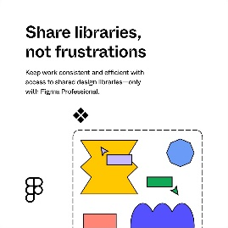 | https://psxid.figma.com/hzcy968yp4dw-lpaypq
Kissmetrics |  | https://partnerstack.kissmetrics.io/suziedemo
Murf.ai |  | https://get.murf.ai/text-to-speech-v5n52twouv4x

Eleven labs | 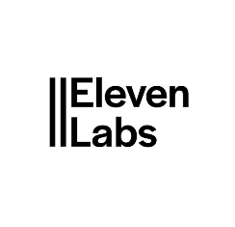 | elevenlabs.io/?from=suziengatia5858

Oyster |  | https://oyster.partnerlinks.io/love2024

Pandadoc |  | https://pandadoc.partnerlinks.io/love2024

Quillbot | 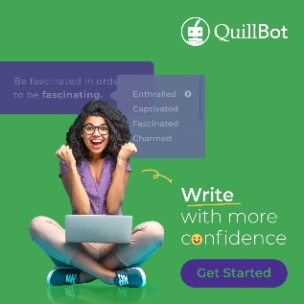 | https://try.quillbot.com/dmv33v2kegrg

Restream | 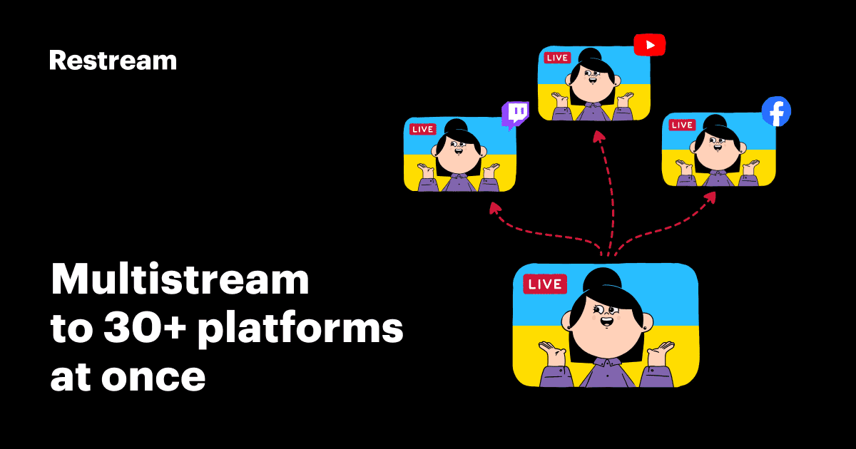 | https://try.restream.io/love2024

Social bee |  | https://get.socialbee.io/love2024

Todoist |  | https://get.todoist.io/love2024

Metricool |  | https://i.mtr.cool/LLCHNK

