Comparison
Motor
Gearbox
Encoder
Motor
Motor
Motor
Motor
Brand, series | Pololu 47:1 Metal Gearmotor 25Dx67L mm MP 12V with 48 CPR Encoder |  | A-max 22 Ø22 mm, Graphite Brushes, 6 Watt, with terminals Part number 110161 / 353025 | A-max 22 Ø22 mm, Graphite Brushes, 6 Watt, with terminals Part number 110160 / 231171 | DC-max 22 S Ø22 mm, graphite brushes, ball bearings
Comparing position
Nominal voltage (V) | 12 |  | 12 | 12 | 12
No load speed (RPM) | 7964.5 |  | 9170 | 10200 | 7140 | 1.2806830309
Nominal speed (RPM) | - |  | 6000 | 7060 | 5260
No load current (mA) | - |  | 40.5 | 45.8 | 28.3
Nominal current (A) | - |  | 0.613 | 0.681 | 0.819
Stall current (A) | - |  | 1.72 | 2.17 | 3.14
Nominal torque (mNm) | 6.59 |  | 6.95 | 6.96 | 12.5
Stall torque (mNm) | 22.34 |  | 20.9 | 23.7 | 49.4
Shaft diameter (mm) | - |  | 2 | 2 | 2
Shaft length (mm) | - |  | 6.5 | 6.5 | 10
Torque constant (mNm/A) | 10.72 |  | 12.1 | 10.9 | 15.8 | 1.3183501789
Speed constant (RPM/V) | 663.71 |  | 790 | 875 | 606
Weight (g) | - |  | 54 | 54 | 54
Size (mm) | 25D x 30.8L |  | 22D x 31.9L | 22D x 31.9L | 22D x 32L
Max power (W) (mechanical) | - |  | 6 | 6 | 8
Price (for 10 units) | - |  | 68.52 | 59.79 | 72.84
Doc | - |  | EN-21-170.pdf | EN-21-170.pdf | EN-22-120.pdf

Motor
Gearbox
Encoder
Motor
Gearbox
Motor
Gearbox
Motor
Motor + Gearbox
Brand, series | Integrated |  | Planetary Gearhead GP 22 A Ø22 mm, 0.5 - 1.0 Nm, Metal Version Part number 134163 | Planetary Gearhead GP 22 A Ø22 mm, 0.5 - 1.0 Nm, Metal Version Part number 134163 | Planetary gearhead GPX 22 Ø22 mm, 2-stage
Comparing position
Gear Ratio | 46.85 |  | 52.73 | 52.73 | 35.03
Max continuous input speed (RPM) | - |  | 6000.00 | 6000.00 | 10000
Max continuous torque (mNm) | - |  | 800.00 | 800.00 | 900
No load speed (RPM) | 170 |  | 173.89 | 193.42 | 203.82
Nominal speed (RPM) | 140 | max eff | 113.78 | 133.88 | 150.15
No load current (mA) | 100 |  | - | - | -
Nominal current (A) | 0.28 | max eff | - | - | -
Stall current (A) | 1.8 |  | - | - | -
Nominal torque (mNm) | 84.366 | max eff | 216.24 | 216.55 | 354.69
Stall torque (mNm) | 627.84 |  | 650.27 | 737.38 | 1401.72
Torque constant (mNm/A) | 502.18 |  | 638.09 | 574.80 | 553.49
Shaft diameter (mm) | 4 |  | 4 | 4 | 4
Shaft length (mm) | 12.5 |  | 10.35 | 10.35 | 13.45
Weight (g) | 101 |  | 122 | 122 | 112
Size (mm) motor + gear | 25D x 45.5L |  | 22D x 68.1L | 22D x 68.1L | 22D x 58.4L
Max power (W) | 2.8 |  | 5.6 | 5.6 | 12
Price (for 10 units) | 45.95 USD |  | 165.15 | 156.42 | 173.05
Eff. | 0.6 |  | 0.59 | 0.59 | 0.81
Doc |  |  | EN-21-383.pdf | EN-21-383.pdf | EN-21-349.pdf

Motor
Gearbox
Encoder
Motor
Gearbox
Motor
Gearbox
Brand, series | Integrated |  | Planetary Gearhead GP 22 C Ø22 mm, 0.5 - 2.0 Nm | Ceramic Version Part number 143980 | Planetary Gearhead GP 22 C Ø22 mm, 0.5 - 2.0 Nm | Ceramic Version Part number 143980
Comparing position
Gear Ratio | 46.85 |  | 52.73 | 52.73
Max continuous input speed (RPM) | - |  | 8000.00 | 8000.00
Max continuous torque (mNm) |  |  | 1200.00 | 1200.00
No load speed (RPM) | 170 |  | 173.89 | 193.42
Nominal speed (RPM) | 140 | max eff | 113.78 | 133.88
No load current (mA) | 100 |  | - | -
Nominal current (A) | 0.28 | max eff | - | -
Stall current (A) | 1.8 |  | - | -
Nominal torque (mNm) | 84.366 | max eff | 216.24 | 216.55
Stall torque (mNm) | 627.84 |  | 650.27 | 737.38
Shaft diameter (mm) | 4 |  | 4 | 4
Shaft length (mm) | 12.5 |  | 10.35 | 10.35
Weight (g) | 101 |  | 122 | 122
Size (mm) motor + gear | 25D x 45.5L |  | 24D x 70.9L | 24D x 70.9L
Max power (W) | 2.8 |  | 19 | 19
Price | 45.95 USD |  | 187.46 | 178.73
Eff. | 0.6 |  | 0.59 | 0.59
Doc |  |  | EN-21-385-386.pdf | EN-21-385-386.pdf

Motor
Gearbox
Encoder
Motor + Gearbox + Encoder
Brand, series | Integrated |  |  | ENX 22 IMR encoder, 512 counts, 2-channel Part number 875516 | Encoder ENX 10 EASY, 1 - 1024 CPT
Comparing position
Channel | 2 |  |  | 2 | 3
Counts/turn | 12 |  |  | 512 | 1024
Size (mm) motor + gear + enc | 25D x 67L (w/o shaft) |  |  | 22D x 77.2L (w/o shaft) | 22D x 67.4L (w/o shaft)
Weight (g) | 101 |  |  | 131 | 117
Price | 45.95 USD |  |  | 275.15 | 273.15
Doc |  |  |  | Catalog-Page-ENX-22-IMR-EN.pdf, Product-Information-ENX-IMR-12-24-en.pdf | EN-21-447.pdf

Pololu
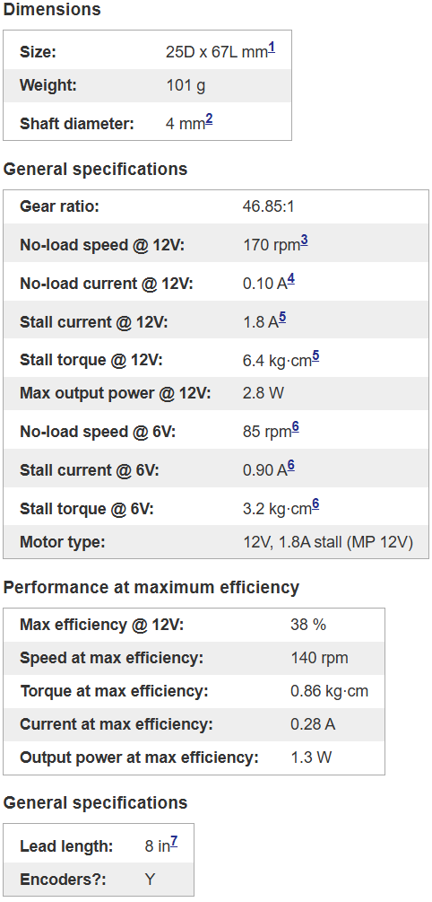
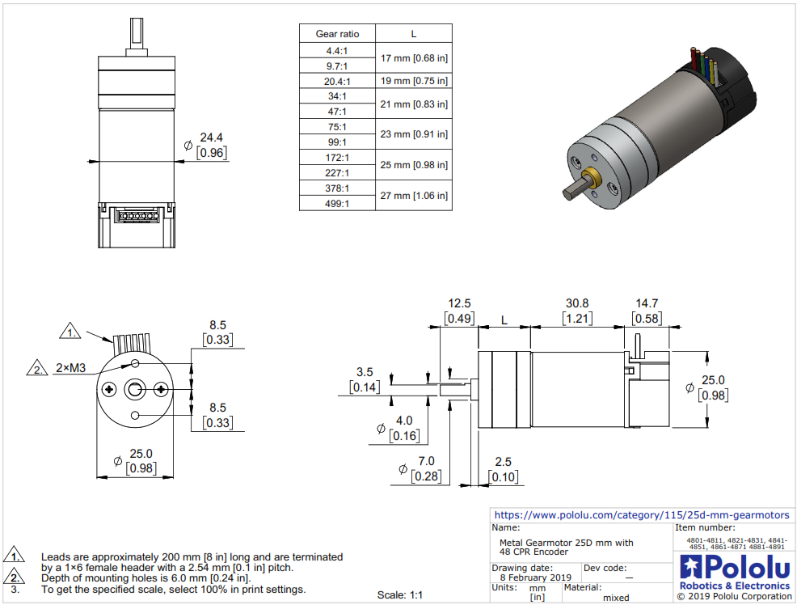
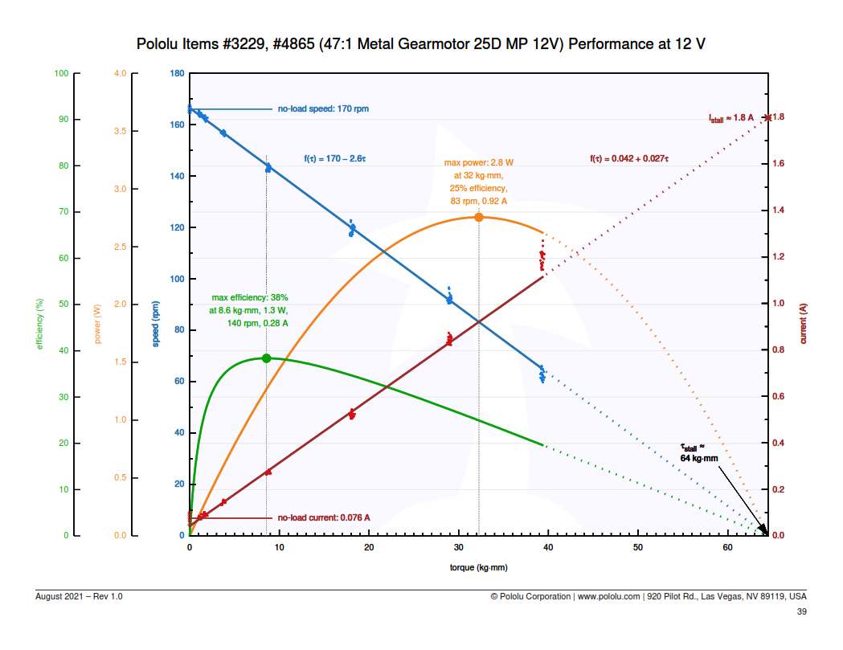

EN-21-170
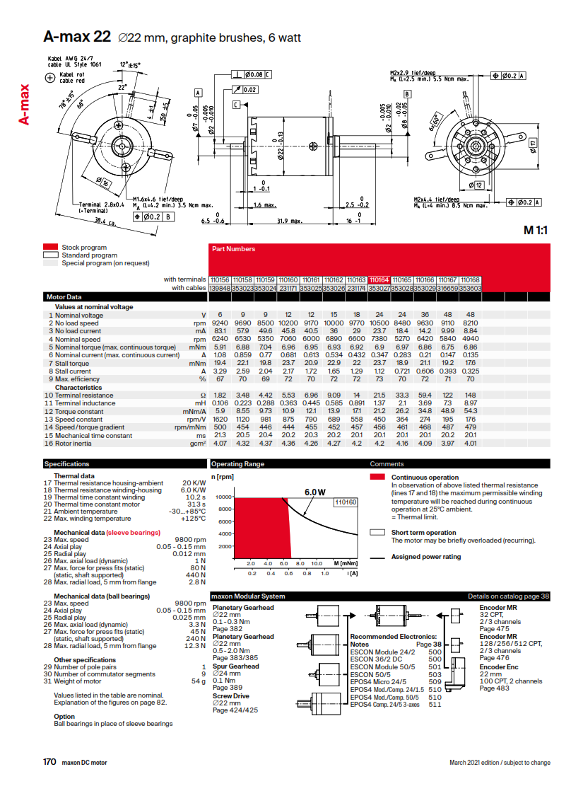

EN-22-120
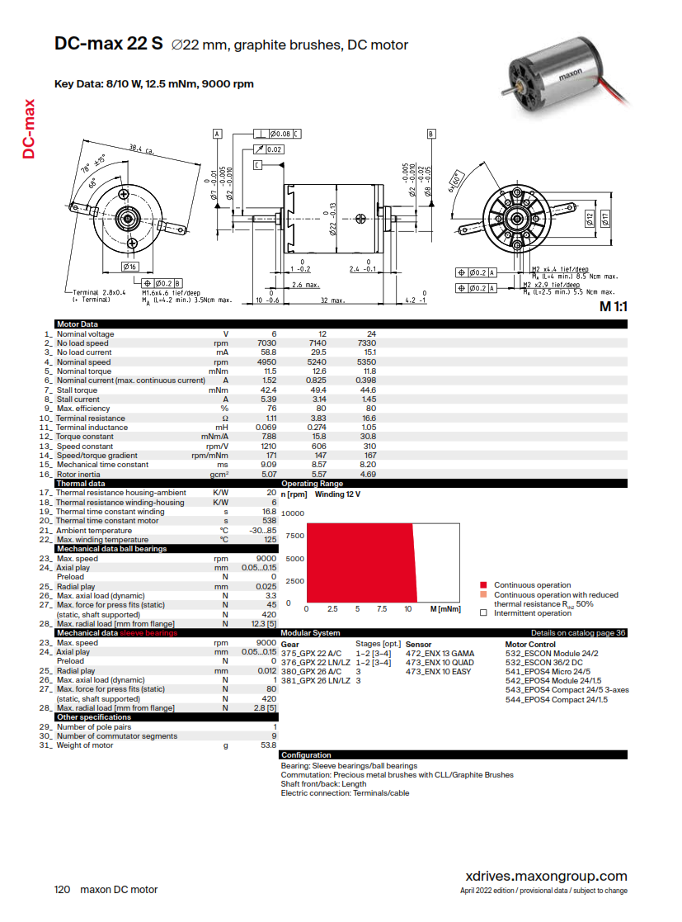

EN-21-383
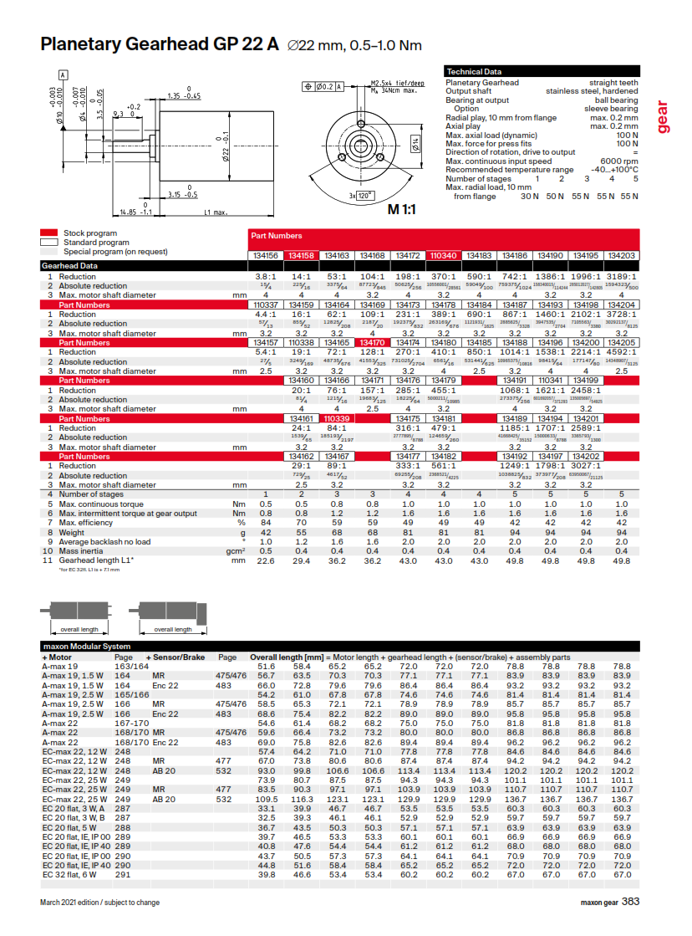

EN-21-349
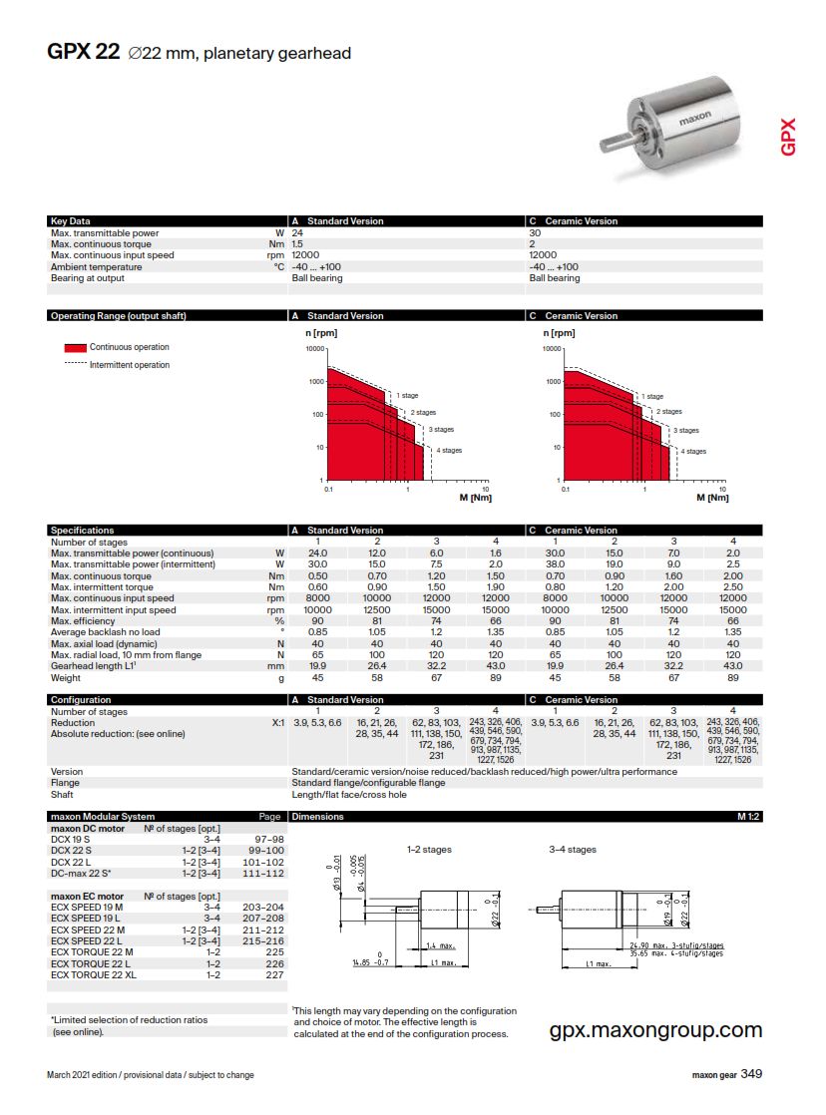

EN-21-385-386
