What is needed
What is needed for 1 segway
No. | Quantities | Name | Links | Remark | Picture | In the part list?
1 | 2 | Maxon motor + gearbox + encoder | https://www.maxongroup.com/maxon/view/configurator/BOM:DC-MAX22S01GBKL598:GPX22CAKLSL35D0CPLW::ENX10EASY06::?from=%2fmaxon%2fview%2fcatalog%2f%3ftarget%3dcombination0 | - | 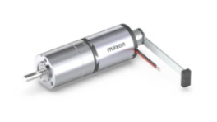 | Y
2 | 2 | Scooter/Skate Wheel 84×24mm - Black | https://www.pololu.com/product/3275.html? | - | 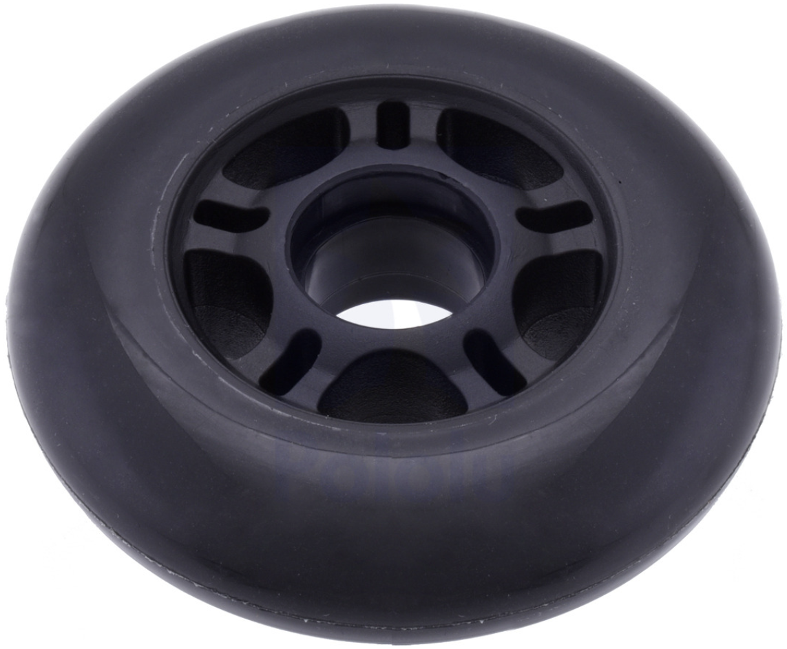 | Y
3 | 2 | Pololu Aluminum Scooter Wheel Adapter for 4mm | https://www.pololu.com/product/2672.html? | - | 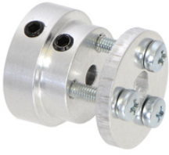 | Y
4 | 1 | On-Off Switch (2 stage) | https://www.digikey.ch/de/products/detail/same-sky-formerly-cui-devices-/SLW-1276864-4A-D/21259972?gclsrc=aw.ds&&utm_adgroup=General&utm_source=google&utm_medium=cpc&utm_campaign=Shopping_Product_All%20%28Catch-up%29&utm_term=&productid=21259972&utm_content=General&utm_id=go_cmp-17998691427_adg-142975836667_ad-615797033692_pla-917894487001_dev-c_ext-_prd-21259972_sig-Cj0KCQjwhYS_BhD2ARIsAJTMMQad18g_y15PKJZOkWi7GJsIZxEKCdPw-JlggCZ_7JeRbo-KN0hp3vcaApZoEALw_wcB&gad_source=1&gclid=Cj0KCQjwhYS_BhD2ARIsAJTMMQad18g_y15PKJZOkWi7GJsIZxEKCdPw-JlggCZ_7JeRbo-KN0hp3vcaApZoEALw_wcB&gclsrc=aw.ds | - |  | Y
5 | 2 | Push button |  | Assume, we have it
6 | 1 | Blue LED |  | Assume, we have it
7 | 1 | Green LED |  | Assume, we have it
8 | 1 | Battery meter | https://www.berrybase.ch/0-28-mini-digital-voltmeter-mit-led-anzeige-3-2-30v-2-wire-rot | - | 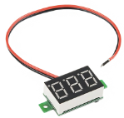 | Y
9 | 2 | Buck converter for servo motor / fan / FPV system | https://www.digitec.ch/en/s1/product/purecrea-mp1584-3a-switching-regulator-dc-dc-step-down-converter-development-boards-kits-25442321 | - | 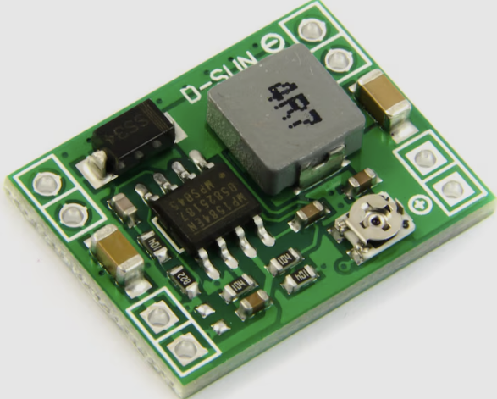 | Y
10 | 1 | Servo motor | https://rc3d.ch/Servo/-Servo-Robbe-HV-Digital-Metallgetriebe-FS-166-BB-6-84V | - | 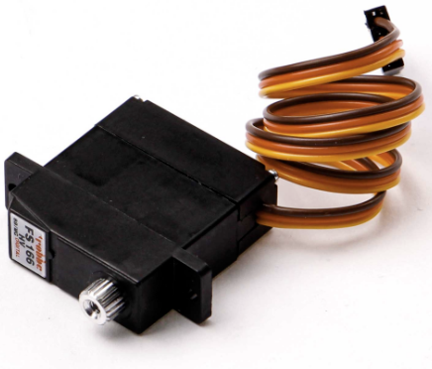 | Y
11 | 1 | Motor drive module |  | Included in the new PES board
12 | 1 | Charging module and step-down voltage reg
13 | 1 | MPU 6500
14 | 1 | SBUS receiver | https://fpvracing.ch/de/funksystem/3575-radiomaster-rp2-elrs-24ghz-nano-receiver.html? | - | 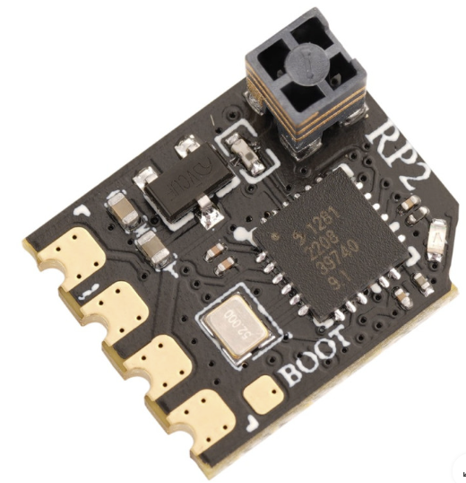 | Y
15 | 1 | Remote controller | https://fpvracing.ch/de/funksystem/3785-radiomaster-pocket-radio-controller-elrs.html? | - | 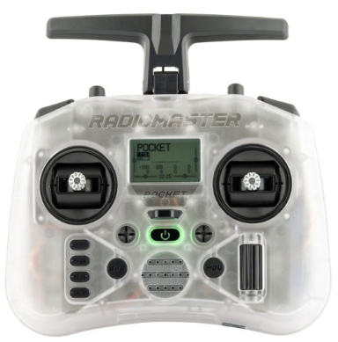 | Y
16 | 2 | 6V NiMH battery pack | https://www.digitec.ch/en/s1/product/reely-model-battery-pack-nimh-6-v-2300-mah-cell-count-5-mignon-aa-side-by-6-v-2300-mah-rc-batteries-37634105 | - | 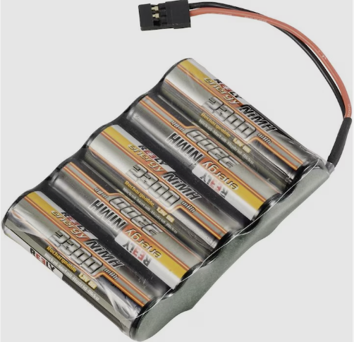 | Y
17 | 1 | DC-power socket female | https://www.digikey.ch/de/products/detail/w-rth-elektronik/694106301002/5047522?gclsrc=aw.ds&&utm_adgroup=General&utm_source=google&utm_medium=cpc&utm_campaign=PMax:%20Smart%20Shopping_Product_Zombie%20SKUs&utm_term=&productid=5047522&utm_content=General&utm_id=go_cmp-18009722334_adg-_ad-__dev-c_ext-_prd-5047522_sig-Cj0KCQjwhYS_BhD2ARIsAJTMMQYjYcMjB_e4qxNr13A1j5W768sdnclBiAhLR0Dfy8CxgYU_zdnW6joaAnCHEALw_wcB&gad_source=1&gclid=Cj0KCQjwhYS_BhD2ARIsAJTMMQYjYcMjB_e4qxNr13A1j5W768sdnclBiAhLR0Dfy8CxgYU_zdnW6joaAnCHEALw_wcB&gclsrc=aw.ds | 6.3x2mm | 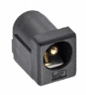 | Y
18 | 1 | DC-power socket male | https://www.digitec.ch/de/s1/product/purecrea-dc-stecker-barrel-jack-55mm-21mm-elektronikkabel-stecker-34239709 | 6.3x2mm | 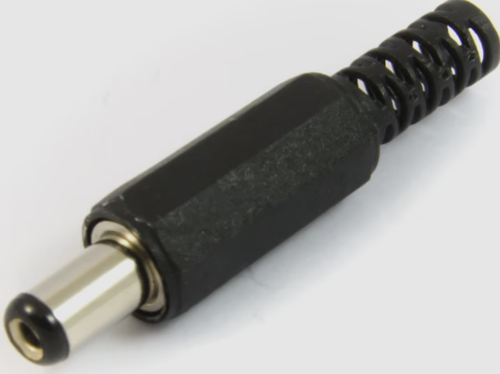 | Y
19 | 1 | Openlager | https://www.racedayquads.com/products/airbot-openlager-blackbox | - | 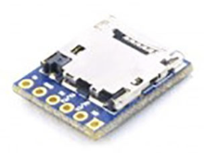 | Y
20 | 1 | NiMH charger | https://www.digitec.ch/de/s1/product/ansmann-acs110-1-stk-10000-mah-ladegeraet-inkl-akku-akku-ladegeraet-8480123?supplier=406802&utm_source=google&utm_medium=cpc&utm_campaign=PROD_CH_PMAX_M2_C3&campaignid=21038490433&adgroupid=&adid=&dgCidg=Cj0KCQjwqIm_BhDnARIsAKBYcmtlr19qQ9tt5XTVJuUfNuHs_qyx5oHcfiucRQo-B3k9yZBddArZqVkaAvcEEALw_wcB&gad_source=1&gclid=Cj0KCQjwqIm_BhDnARIsAKBYcmtlr19qQ9tt5XTVJuUfNuHs_qyx5oHcfiucRQo-B3k9yZBddArZqVkaAvcEEALw_wcB&gclsrc=aw.ds | - | 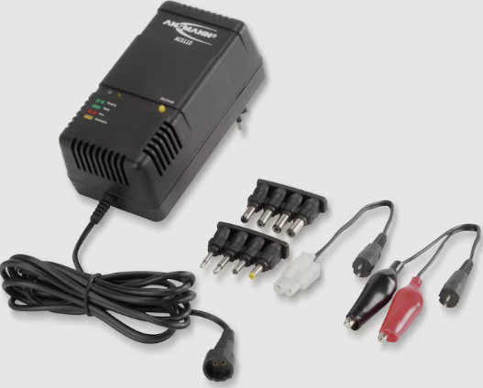 | Y
21 | 1 | DJI Goggles N3 |  | - | 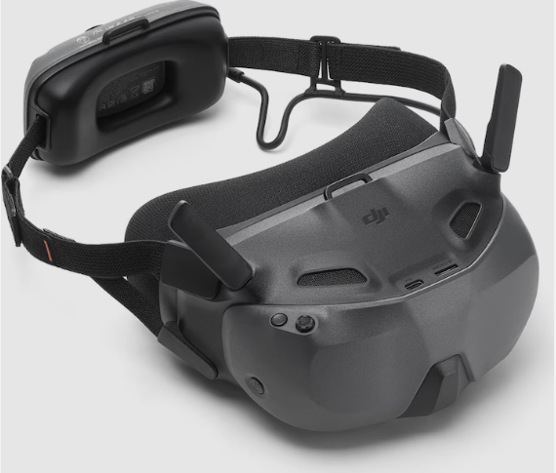 | Y
22 | 1 | DJI O4 air unit | https://rc3d.ch/FPV-OUT-Kameras-und-Videosender/-HD-Videosender-DJI-O4-Air-Unit | - |  | Y
23 | 1 | Fan | https://rc3d.ch/Luefter/-Luefter-30mm-Ultra-High-Speed-Cooling-Fan-TF-30-mit-BEC-Stecker-180mm-Kabel-schwarz/rot-5-875V | - |  | Y
24 | 2 | Female-Female wire | https://www.distrelec.ch/de/female-female-schaltdraht-packung-10-stueck-150-mm-mehrfarbig-rnd-rnd-255-00011/p/30115109?redirectQuery=301-15-109 | - | 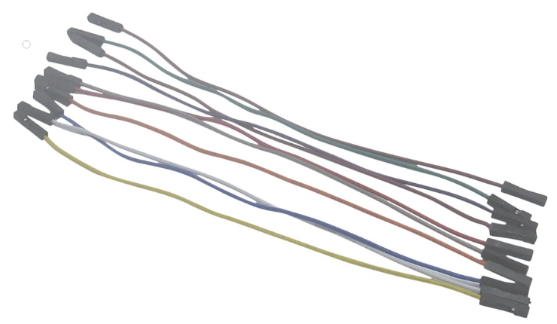 | Y
25 | 2 | Female-Male wire | https://www.distrelec.ch/de/male-female-schaltdraht-packung-10-stueck-150-mm-mehrfarbig-rnd-rnd-255-00013/p/30115111?redirectQuery=301-15-111 | - | 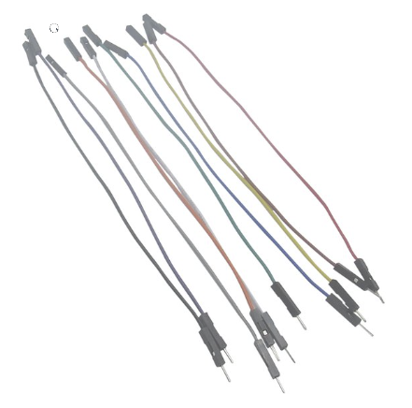 | Y
26 | 2 | Male-Male wire | https://www.distrelec.ch/de/male-male-schaltdraht-packung-10-stueck-150-mm-mehrfarbig-rnd-rnd-255-00015/p/30115113?redirectQuery=301-15-113 | - | 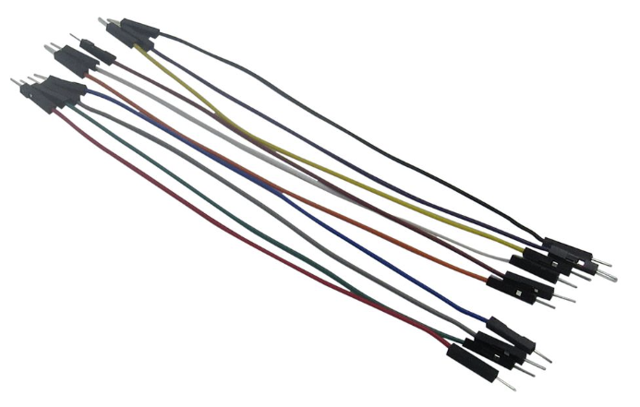 | Y
27 | 1 | Micro SD card | https://www.digitec.ch/en/s1/product/transcend-ts2gusdc-microsd-2-gb-memory-card-289611 | - | 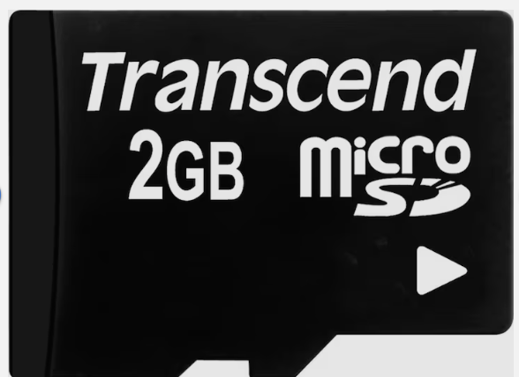 | Y
28 | 1 | PCB Breadboard | https://www.berrybase.ch/lochrasterplatine-doppelseitig-4x6cm-10-stueck?sPartner=g_shopping_ch&utm_source=google&utm_medium=cpc&gad_source=1&gclid=Cj0KCQjwna6_BhCbARIsALId2Z1_J-HpjLzlldvibwZtwUuP7F4HjiZnyrmHjxmEMKef3kpqoaWrXlMaAkT7EALw_wcB | - | 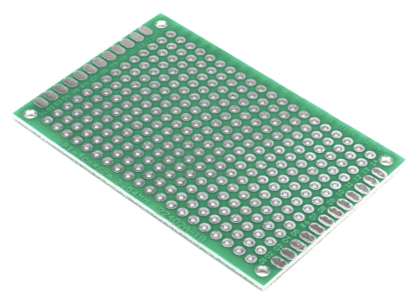 | Y
29 | 30 | M2 nuts article: 1087851 | https://www.bossard.com/eshop/ch-en/products/fastening-technology/standard-fastening-elements/nuts/hex-nuts/hex-nuts-08d/p/108/?category=01.100.200&index=17&q=%3Arelevance | -
30 | 30 | M2 Screw M 2 x 10 / X6 article: 3271462 | https://www.bossard.com/eshop/ch-en/screws-and-bolts-with-internal-drive/hexalobular-socket-countersunk-flat-head-screws-fully-threaded/p/4851/ | -

