Sheet1
Pinterest - ピンタレスト | https://jp.pinterest.com/

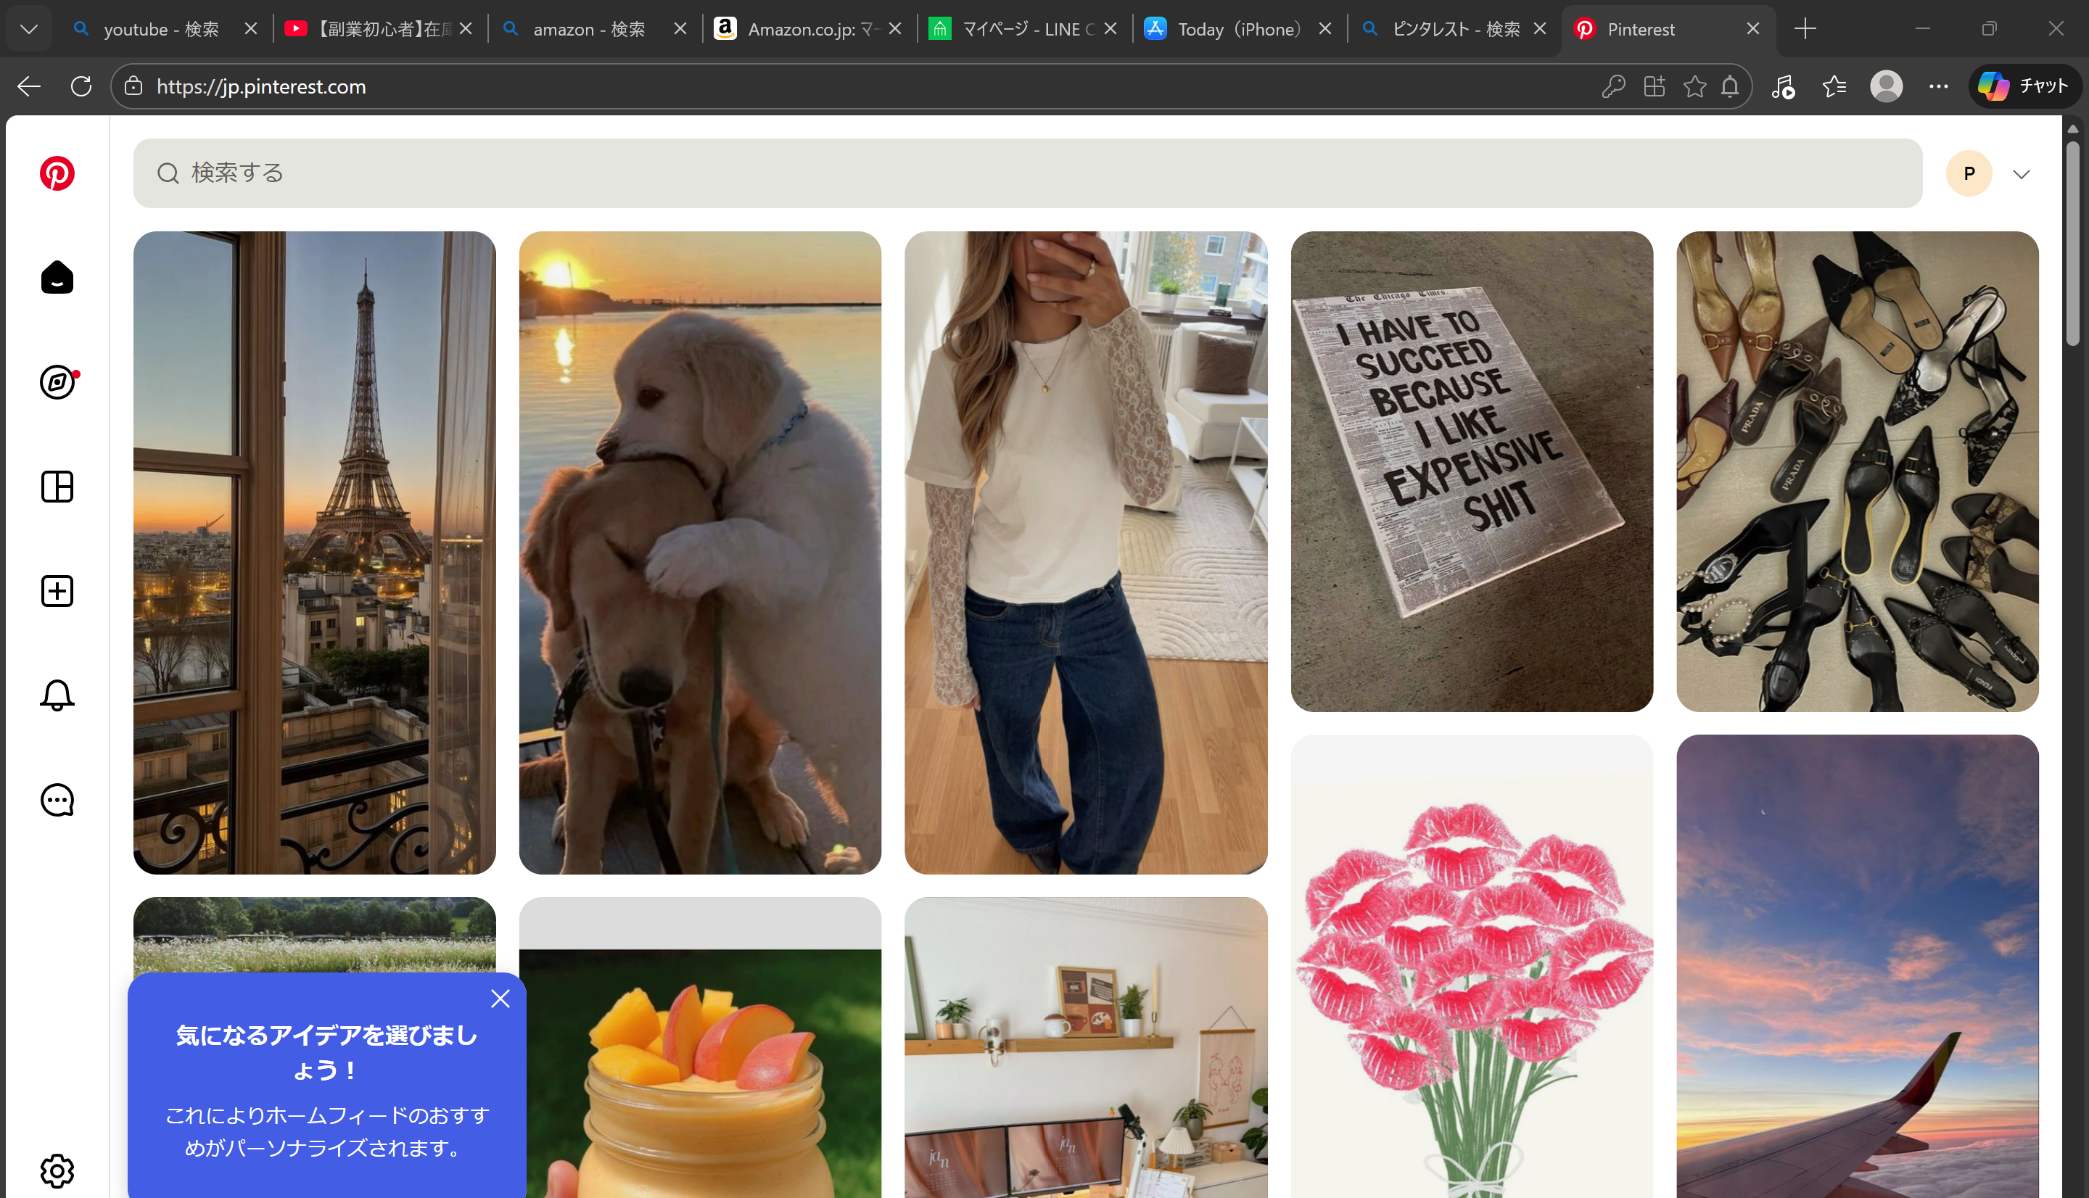

https://thebase.com/?utm_source=bing&utm_medium=cpc&utm_campaign=brand_single&from=acq_ms_brd_rs_top_1315018312142386&utm_term=%EF%BD%82%EF%BD%81%EF%BD%93%EF%BD%85_e_&msclkid=658a9174d1761e66ce4ef8fd8ebe7acd

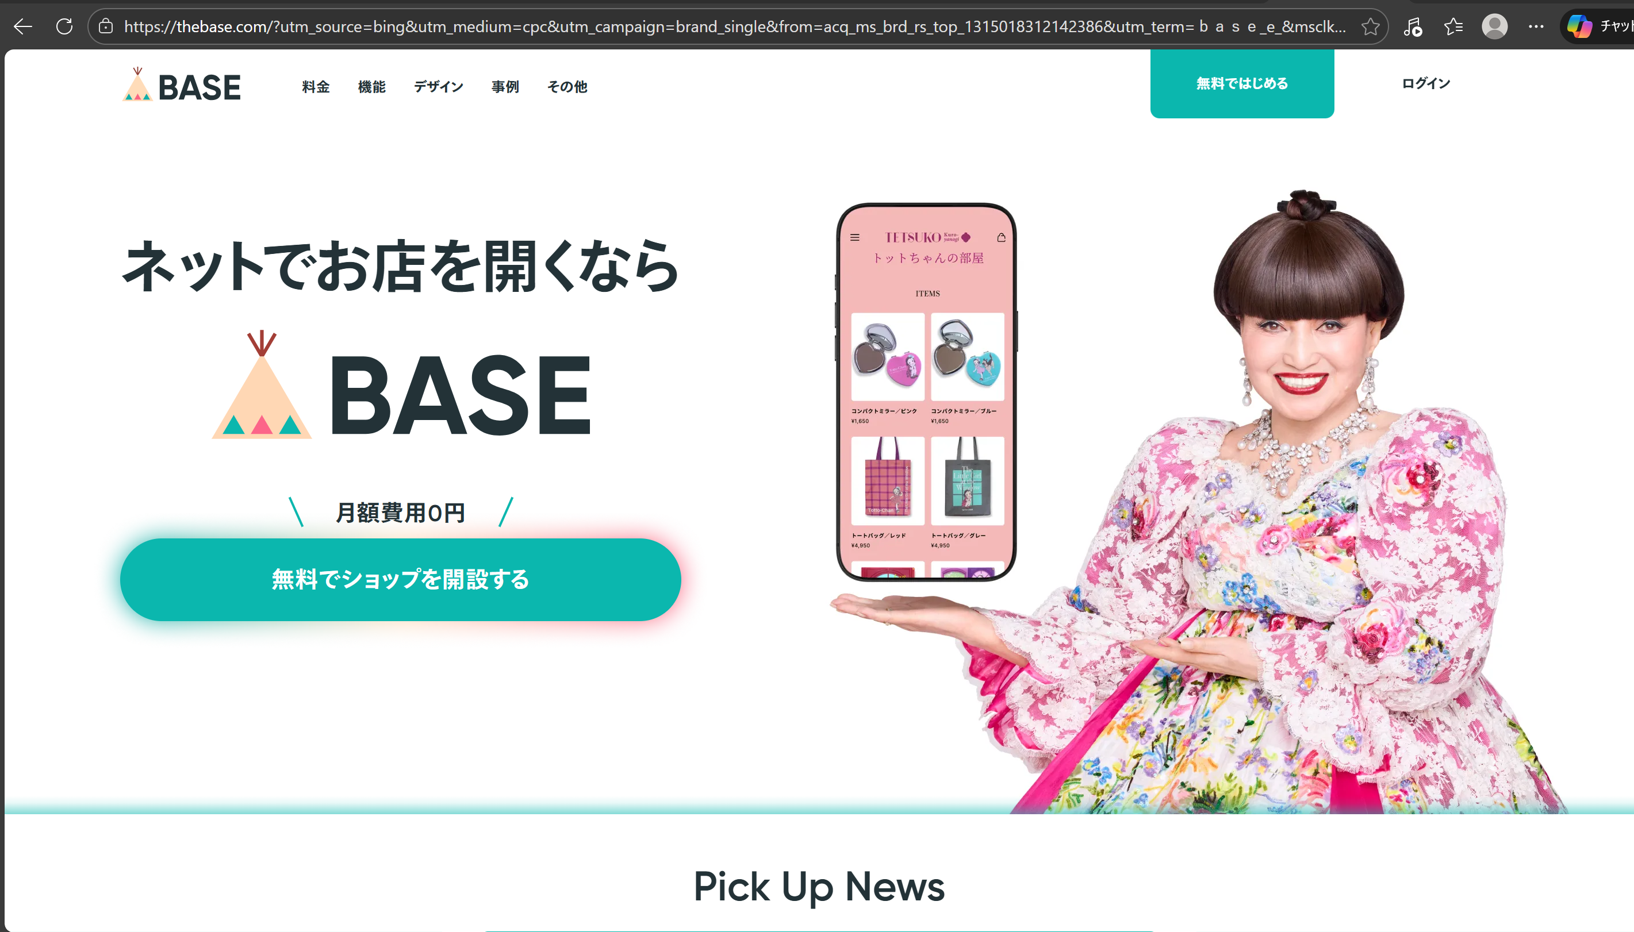

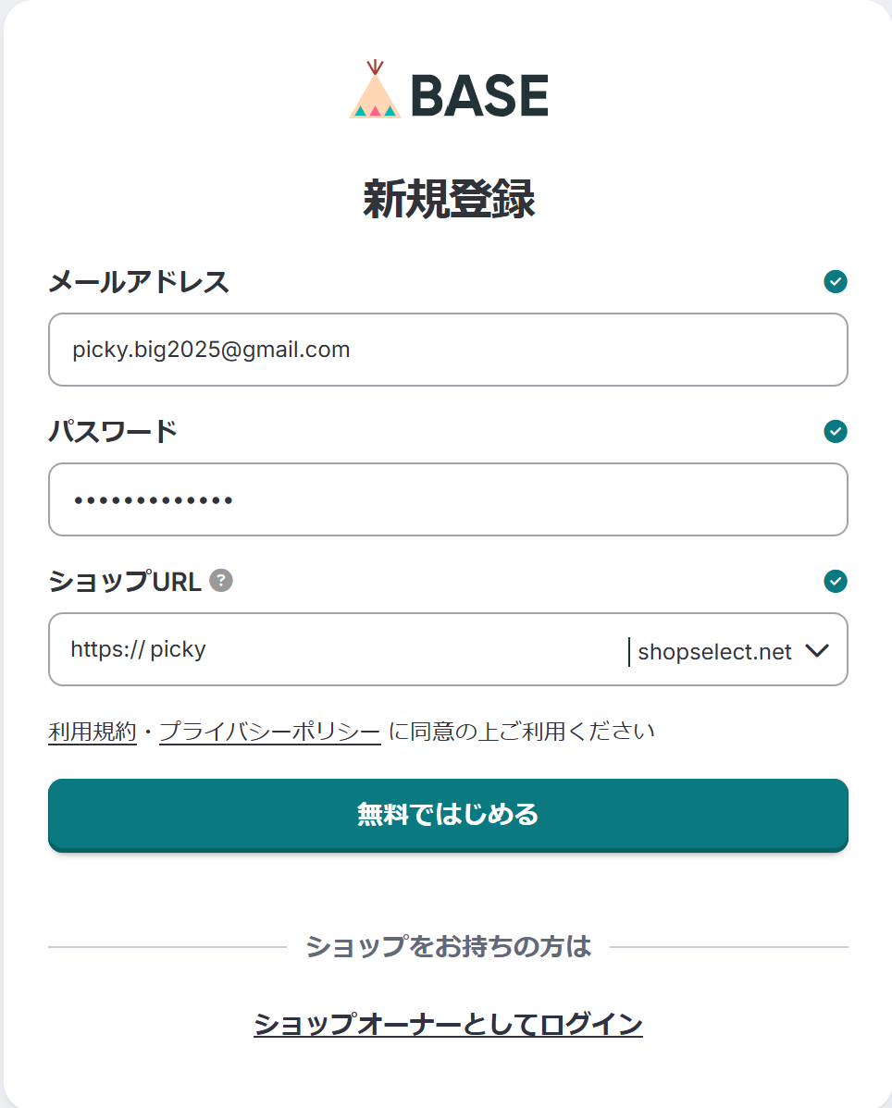

 |  | https://picky.shopselect.net

