Sheet1
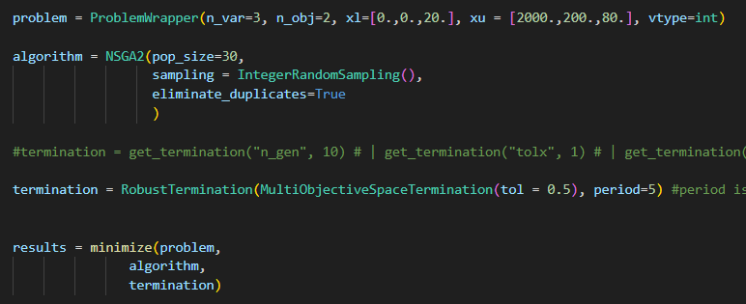
 | Er [MWh] | Pr [MW] | DoD [%] | LCOS [€/MWh] | Emissions Cost [million€]
0 | 1446 | 44 | 74 | 454.00163564 | 17.289185652
1 | 922.41708961 | 63.584617545 | 72.344644517 | 318.62732375 | 17.959092787
2 | 1882.3374504 | 193.62853233 | 79.794109103 | 610.31567227 | 16.533378499
3 | 1539.3284886 | 46.846675151 | 76.516137736 | 473.81526001 | 17.080278403
4 | 1051.3723059 | 68.182424826 | 72.344644517 | 354.35311801 | 17.698299391
5 | 1712 | 151.65462959 | 75 | 552.1319537 | 16.789564426
6 | 617.77339579 | 58.326642296 | 72.283062229 | 239.94280518 | 18.822756
7 | 1621.4046515 | 159.3352033 | 75 | 534.31285404 | 16.870668325
8 | 597.07437099 | 42.637581594 | 71.882305368 | 225.31421868 | 18.97432492
9 | 1882.3374504 | 193.62853233 | 79.316173877 | 605.15685859 | 16.54396356
10 | 660 | 48.984713273 | 78 | 241.5760034 | 18.532295771
11 | 1983.2154899 | 190 | 79.168783427 | 628.32276804 | 16.468879926 | Execution Time | 12793.402925 | s
12 | 1986 | 62.776702511 | 77.175201027 | 583.73518832 | 16.561953309 |  | 213.22338208 | min
13 | 1437.1629939 | 172.85229828 | 79.250014067 | 491.04580896 | 16.951659146 |  | 3.5537230346 | h
14 | 388.77151912 | 50.876033 | 58.330275458 | 202.20507464 | 20.624882269
15 | 1907.7827383 | 58.942171444 | 78 | 563.17047809 | 16.618933302
16 | 788.69822536 | 63.685506825 | 72.283062229 | 283.67415619 | 18.256313596
17 | 877.4621683 | 57.063477075 | 72.121249321 | 304.70679814 | 18.076396235
18 | 654.22848088 | 72.631617398 | 79.207325647 | 250.63972505 | 18.464918699
19 | 1166.211517 | 192.75701501 | 78.898201404 | 432.88331516 | 17.339811518
20 | 1046.2441566 | 174.69386218 | 79.33478869 | 394.5837251 | 17.525730601
21 | 597.07437099 | 64.261932665 | 71.998199291 | 236.54983448 | 18.905841606
22 | 1621.1760893 | 171.63823032 | 78 | 534.91714123 | 16.815257187
23 | 1068.6276889 | 94.123890063 | 73.836390583 | 370.74162642 | 17.620814349
24 | 438.01852551 | 94.123890063 | 76.489133729 | 209.6971242 | 19.463544386
25 | 1488.1263417 | 46.846675151 | 76.516137736 | 460.37174008 | 17.119313018
26 | 996.85930134 | 58.326642296 | 76.262011241 | 336.57718227 | 17.738629927

