TOPOLOGY
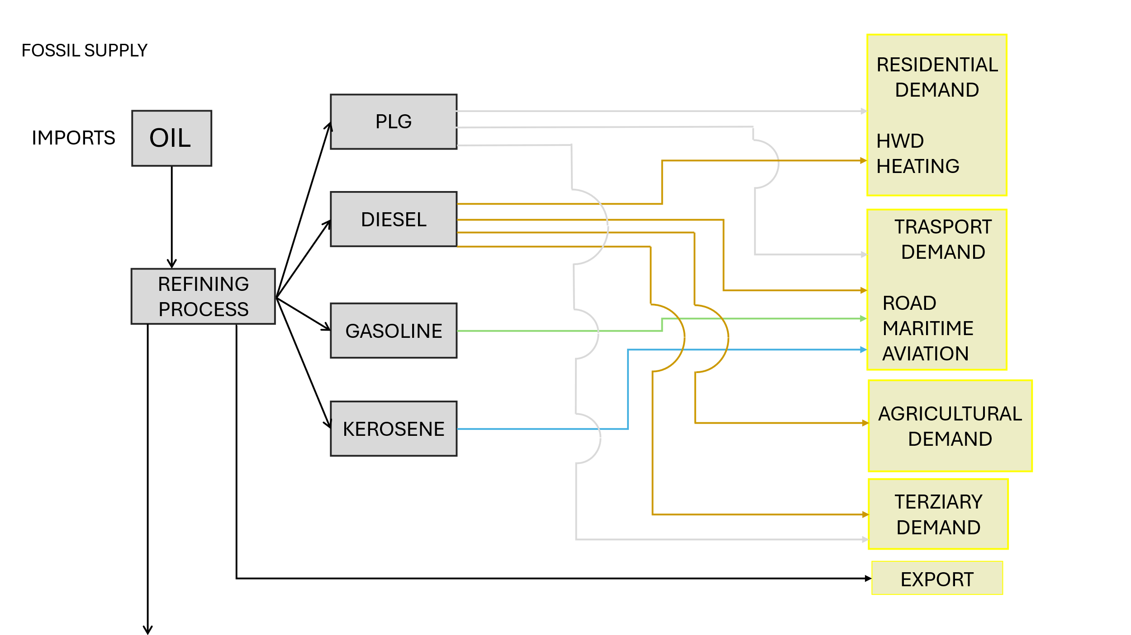

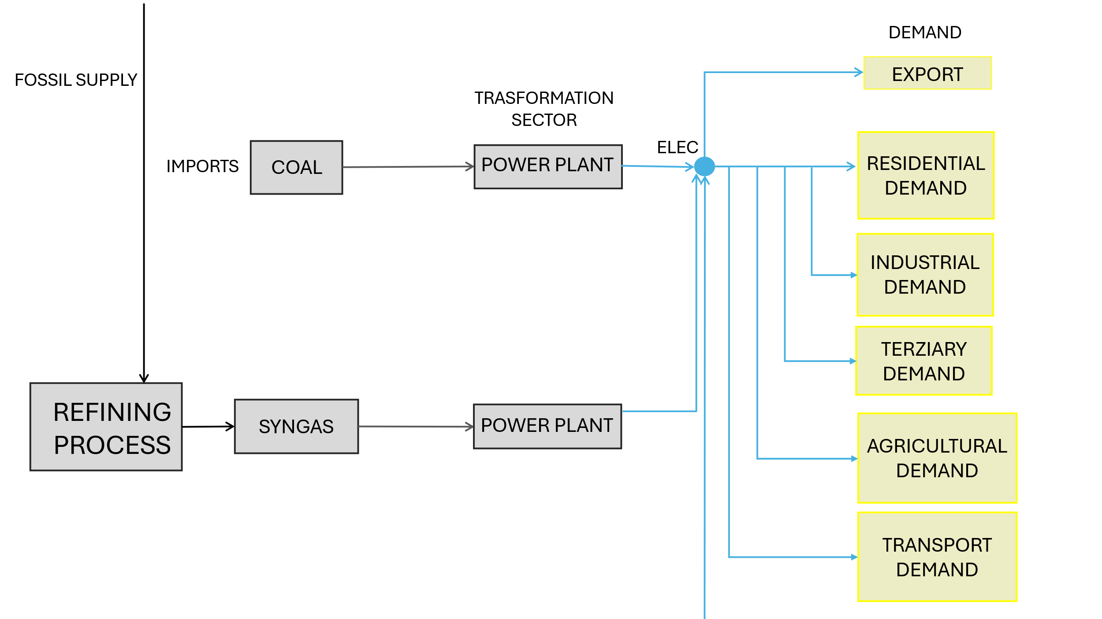

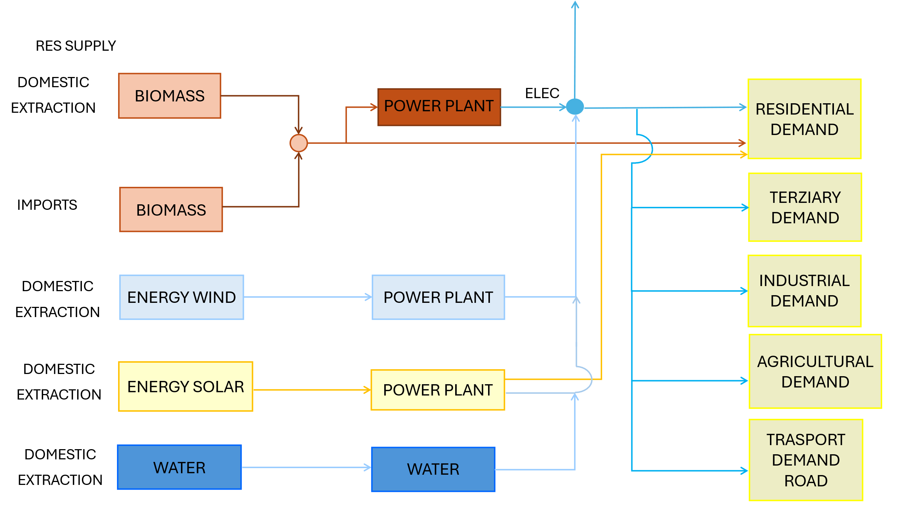

PP
The character " ~ " after the attribute name allows an additional dimension to be inserted to "flatten" the table.
Power Plants

 |  |  | ~FI_T
TechName | * TechDesc | Comm-IN | Comm-OUT | EFF | CAP2ACT | STOCK~2023 | STOCK~2025 | STOCK~2030 | STOCK~2035 | STOCK~2040 | STOCK~2045 | STOCK~2050 | PEAK | AFA~2023~FX | AFA~2025 | FIXOM | VAROM
\I: Technology Name | Technology Description | Commodity Input | Commodity Output | Efficiency | Capacity to Activity Factor | Installed Capacity [GW] |  |  |  |  |  |  | Peak EQ Factor | Annual Availability Factor | Annual Availability Factor | Fixed O&M Costs [EUR/kW] | Variable O&M Costs [EUR/GJ]
ELE_EX_HC | Existing Hard Coal Power Plants | SOLID | ELEC_HV | 0.385 | 31.536 | 0.600 | 0.600 | 0.000 | 0.000 | 0.000 | 0.000 | 0.000 | 1.00 | 0.90 | 0.92 | 47.50 | 5.26
ELE_EX_OILGAS | Existing Syngas Power Plants | OILGAS | ELEC_HV | 0.548 | 31.536 | 0.550 | 0.550 | 0.550 | 0.000 | 0.000 | 0.000 | 0.000 | 1.00 | 0.88 | 0.87 | 61.00 | 1.11

Alternative Syntax - one process

TechName | * TechDesc | Comm-IN | Comm-OUT | EFF | CAP2ACT | Year | LimType | STOCK | PEAK | AFA | AFA | FIXOM | VAROM
\I: Technology Name | Technology Description | Commodity Input | Commodity Output | Efficiency | Capacity to Activity Factor | Year | Limit type [(in)equality sing] | Installed Capacity [GW] | Peak EQ Factor | Annual Availability Factor | Annual Availability Factor | Fixed O&M Costs [PLN/kW] | Variable O&M Costs [PLN/GJ]
ELE_EX_HC | Existing Hard Coal Power Plants | SOLID | ELEC_HV | 0.385 | 31.536 |  |  |  | 1.00 |  | 0.92 | 47.50 | 5.26
 |  |  |  |  |  | 2023 | FX | 0.600 |  | 0.90
 |  |  |  |  |  | 2024 | FX | 0.600 |  | 0.9
 |  |  |  |  |  | 2025 | FX | 0.600 |  | 0.6
 |  |  |  |  |  | 2030 |  | 0.000
 |  |  |  |  |  | 2035 |  | 0.000
 |  |  |  |  |  | 2040 |  | 0.000
 |  |  |  |  |  | 2045 |  | 0.000
 |  |  |  |  |  | 2050 |  | 0.000
 |  |  | CO2
ELE_EX_OILGAS | Existing Syngas Power Plants | CRUDE_OIL | ELEC_HV | 0.548 | 31.536 |  |  |  | 1.00 |  | 0.87 | 61.00 | 1.11
 |  |  |  |  |  | 2023 | FX | 0.550 |  | 0.88
 |  |  |  |  |  | 2024 | FX | 0.550 |  | 0.88
 |  |  |  |  |  | 2025 | FX | 0.550 |  | 0.92
 |  |  |  |  |  | 2030 |  | 0.550
 |  |  |  |  |  | 2035 |  | 0.000
 |  |  |  |  |  | 2040 |  | 0.000
 |  |  |  |  |  | 2045 |  | 0.000
 |  |  |  |  |  | 2050 |  | 0.000
 |  |  | CO2

