TOPOLOGY
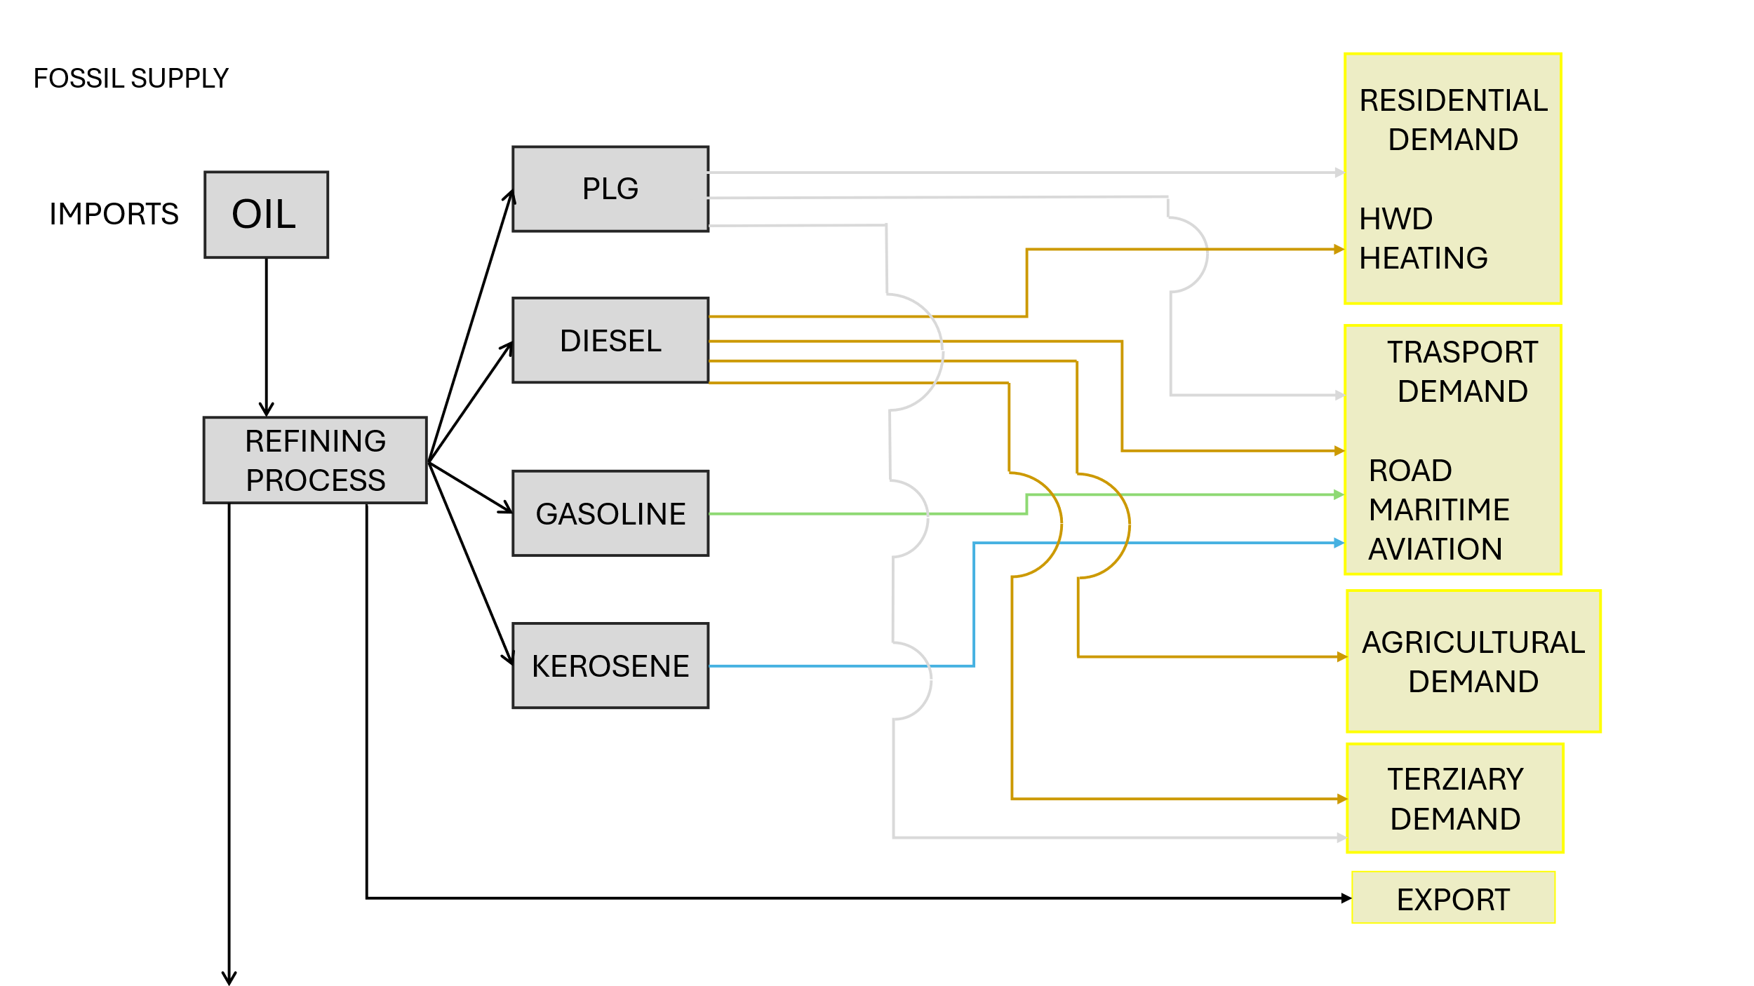

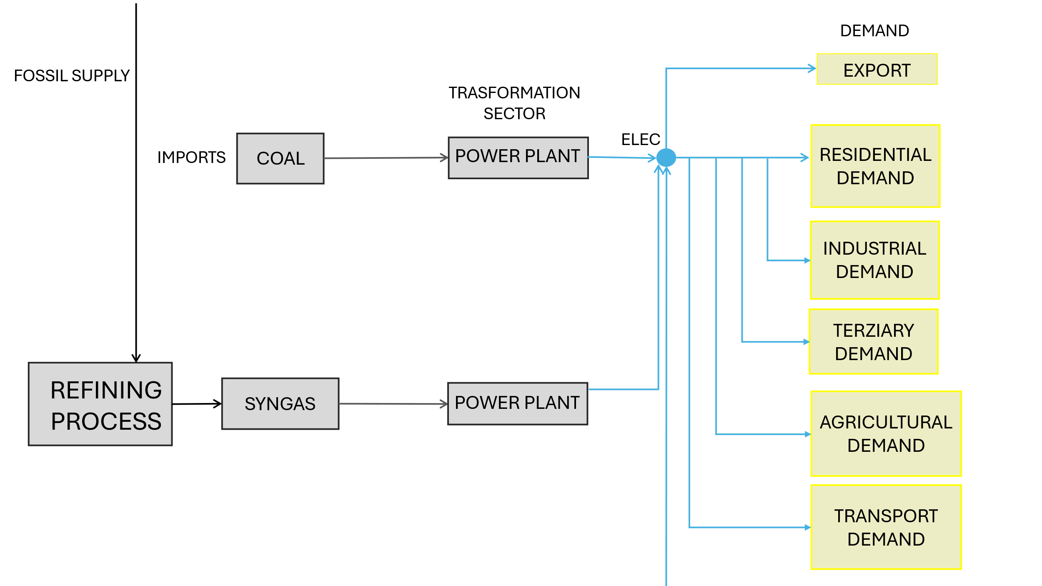

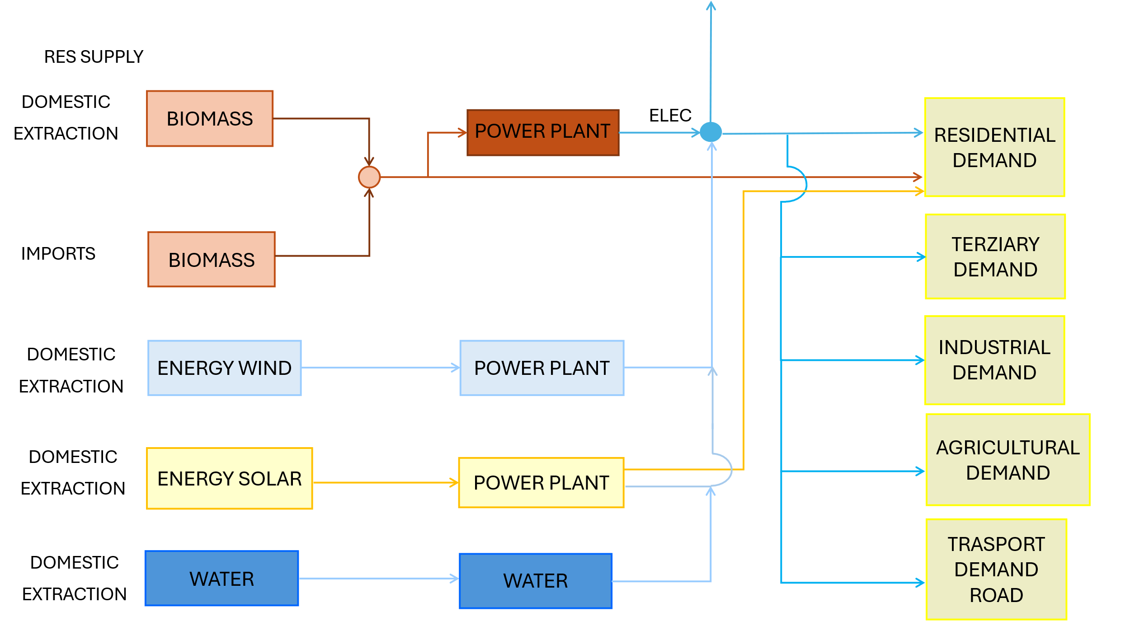

PP
The character " ~ " after the attribute name allows an additional dimension to be inserted to "flatten" the table.
Power Plants

 |  |  | ~FI_T
TechName | * TechDesc | Comm-IN | Comm-OUT | EFF | CAP2ACT | STOCK~2023 | STOCK~2025 | STOCK~2030 | STOCK~2035 | STOCK~2040 | STOCK~2045 | STOCK~2050 | PEAK | AFA~2023~FX | AFA~2025 | FIXOM | VAROM
\I: Technology Name | Technology Description | Commodity Input | Commodity Output | Efficiency | Capacity to Activity Factor | Installed Capacity [GW] |  |  |  |  |  |  | Peak EQ Factor | Annual Availability Factor | Annual Availability Factor | Fixed O&M Costs [EUR/kW] | Variable O&M Costs [EUR/GJ]
ELE_EX_HC | Existing Hard Coal Power Plants | SOLID | ELEC_HV | 0.385 | 31.536 | 0.600 | 0.600 | 0.000 | 0.000 | 0.000 | 0.000 | 0.000 | 1.00 | 0.90 | 0.92 | 47.50 | 5.26
ELE_EX_OILGAS | Existing Syngas Power Plants | OILGAS | ELEC_HV | 0.548 | 31.536 | 0.550 | 0.550 | 0.550 | 0.000 | 0.000 | 0.000 | 0.000 | 1.00 | 0.88 | 0.87 | 61.00 | 1.11

Alternative Syntax - one process

TechName | * TechDesc | Comm-IN | Comm-OUT | EFF | CAP2ACT | Year | LimType | STOCK | PEAK | AFA | AFA | FIXOM | VAROM
\I: Technology Name | Technology Description | Commodity Input | Commodity Output | Efficiency | Capacity to Activity Factor | Year | Limit type [(in)equality sing] | Installed Capacity [GW] | Peak EQ Factor | Annual Availability Factor | Annual Availability Factor | Fixed O&M Costs [PLN/kW] | Variable O&M Costs [PLN/GJ]
ELE_EX_HC | Existing Hard Coal Power Plants | SOLID | ELEC_HV | 0.385 | 31.536 |  |  |  | 1.00 |  | 0.92 | 47.50 | 5.26
 |  |  |  |  |  | 2023 | FX | 0.600 |  | 0.90
 |  |  |  |  |  | 2024 | FX | 0.600 |  | 0.9
 |  |  |  |  |  | 2025 | FX | 0.600 |  | 0.6
 |  |  |  |  |  | 2030 |  | 0.000
 |  |  |  |  |  | 2035 |  | 0.000
 |  |  |  |  |  | 2040 |  | 0.000
 |  |  |  |  |  | 2045 |  | 0.000
 |  |  |  |  |  | 2050 |  | 0.000
 |  |  | CO2
ELE_EX_OILGAS | Existing Syngas Power Plants | CRUDE_OIL | ELEC_HV | 0.548 | 31.536 |  |  |  | 1.00 |  | 0.87 | 61.00 | 1.11
 |  |  |  |  |  | 2023 | FX | 0.550 |  | 0.88
 |  |  |  |  |  | 2024 | FX | 0.550 |  | 0.88
 |  |  |  |  |  | 2025 | FX | 0.550 |  | 0.92
 |  |  |  |  |  | 2030 |  | 0.550
 |  |  |  |  |  | 2035 |  | 0.000
 |  |  |  |  |  | 2040 |  | 0.000
 |  |  |  |  |  | 2045 |  | 0.000
 |  |  |  |  |  | 2050 |  | 0.000
 |  |  | CO2

RES
Renewable Energy Sources

 |  |  | ~FI_T
TechName | *TechDesc | Comm-IN | Comm-OUT | EFF | CAP2ACT | STOCK~2023 | STOCK~2025 | STOCK~2030 | STOCK~2035 | STOCK~2040 | STOCK~2045 | STOCK~2050 | PEAK | AFA | FIXOM | VAROM
\I: Technology Name | Technology Description | Commodity Input | Commodity Output | Efficiency | Capacity to Activity Factor | Installed Capacity [GW] |  |  |  |  |  |  | Peak EQ Factor | Annual Availability Factor | Fixed O&M Costs [EUR/kW] | Variable O&M Costs [EUR/GJ]
ELE_EX_BIOMASS | Existing Biomass power plant | BIOMASS | ELEC_HV | 1.000 | 31.536 | 0.100 | 0.100 | 0.000 | 0.000 | 0.000 | 0.000 | 0.000 | 0.05 | 1.00 | 100.00 | 0.00
ELE_EX_HIDRO | Existing Hidro pump system | HIDRO | ELEC_HV | 1.000 | 31.536 | 0.240 | 0.240 | 0.000 | 0.000 | 0.000 | 0.000 | 0.000 | 0.05 | 1.00 | 26.00 | 0.00
ELE_EX_HIDRO_RUN | Exiting Hidro turbines Run of river | HIDRO_RUN | ELEC_HV | 1.000 | 31.536 | 0.070 | 0.070 | 0.000 | 0.000 | 0.000 | 0.000 | 0.000 | 0.05 | 1.00 | 74.00 | 0.00
ELE_EX_HIDRO_STORAGE_PUMP | Existing Hidro pump system | HIDRO_STG_PUMP | ELEC_HV | 1.000 | 31.536 | 0.200 | 0.200 | 0.000 | 0.000 | 0.000 | 0.000 | 0.000 | 0.05 | 1.00 | 8.00 | 0.00
ELE_EX_OTHER | Existing Other | OTHER | ELEC_HV | 1.000 | 31.536 | 0.100 | 0.100 | 0.000 | 0.000 | 0.000 | 0.000 | 0.000 | 0.05 | 1.00 | 50.00 | 0.00
ELE_EX_WIND-ON | Existing Onshore Wind Turbines | WIND-ON | ELEC_HV | 1.000 | 31.536 | 1.170 | 1.219 | 0.400 | 0.300 | 0.200 | 0.000 | 0.000 | 0.05 | 1.00 | 27.00 | 0.00
ELE_EX_AUTOPR_PV | Existing autoproducer PV Elecrticity | SOLAR | ELEC_MV_GRID | 1.000 | 31.536 | 0.072 | 0.080 | 0.000 | 0.000 | 0.000 | 0.000 | 0.000 | 0.05 | 1.00 | 20.00 | 0.00
ELE_EX_AUTOPR_PV_RES | Existing autoproducer residential PV Elecrticity | SOLAR | ELEC_LV_GRID | 1.000 | 31.536 | 0.263 | 0.263 | 0.100 | 0.000 | 0.000 | 0.000 | 0.000 | 0.05 | 1.00 | 28.00 | 0.00
ELE_EX_PV | Existing Photovoltaics | SOLAR | ELEC_MV_GRID | 1.000 | 31.536 | 0.800 | 0.200 | 0.200 | 0.000 | 0.000 | 0.000 | 0.000 | 0.05 | 1.00 | 17.00 | 0.00

No tag - won't be read by Veda
Csets | CommName | CommDesc | Unit | LimType | CTSLvl | PeakTS | Ctype
\I: Commodity Set | Commodity Name | Commodity Description | Unit | Sense of Balance Equation | TimeSlice Level | Peak Monitoring | Electricity Indicator (for CHPs)
NRG | SOLID | Solid Fuels | PJ
NRG | CRUDE_OIL | Oil | PJ
Decommissioning of existing capacity in the following model years.
Consider transferring this data to a scenario.
NRG | OILGAS | Syngas_Res | PJ
NRG | DIESEL | Diesel | PJ
NRG | GASOLINE | Gasoline | PJ
NRG | OGL | OilGasLiquid | PJ
NRG | FUEL_OIL | FUEL_OIL | PJ
NRG | Jet_Fuel | Jet Fuel | PJ
NRG | Lubricants | Lubricants | PJ
NRG | Bitumen | Bitumen | PJ
NRG | Ethy_and_Prop | Ethy and Prop | PJ
NRG | NLG | Natural Liquid Gas | PJ
NRG | BIOMASS | Biomass | PJ
NRG | HIDRO | Hidro pump | PJ
NRG | HIDRO_RUN | Hidro run of river | PJ
NRG | HIDRO_STG_PUMP | Hidro storage pump | PJ
NRG | WIND-ON | Onshore Wind Energy | PJ
NRG | BIOGAS | BIOGAS | PJ
NRG | SOLAR | Solar Energy | PJ
NRG | FUEL | Fuel for engine | PJ
NRG | HIDROGEN | Hidrogen | PJ
NRG | OTHER | OTHER | PJ

