SCADA-Annex1
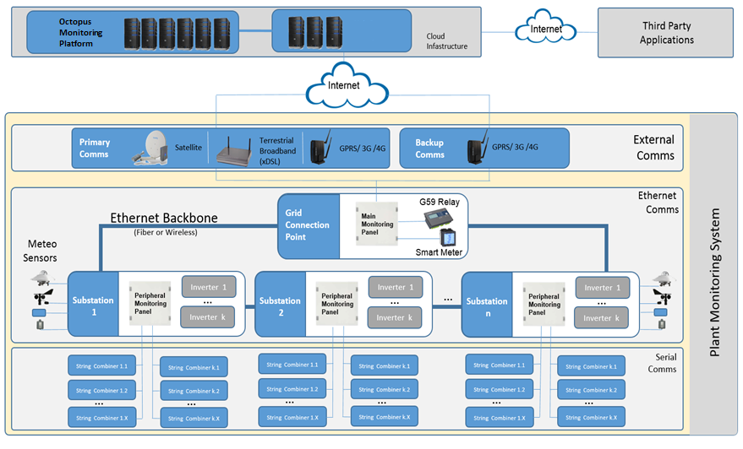
ANNEX I. SCADA ARCHITECTURE

