Summary of Recruitment
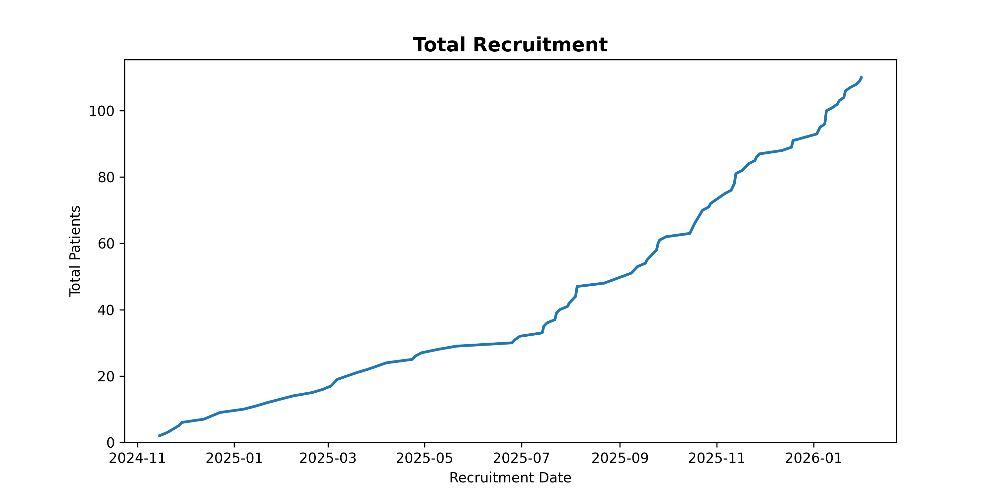
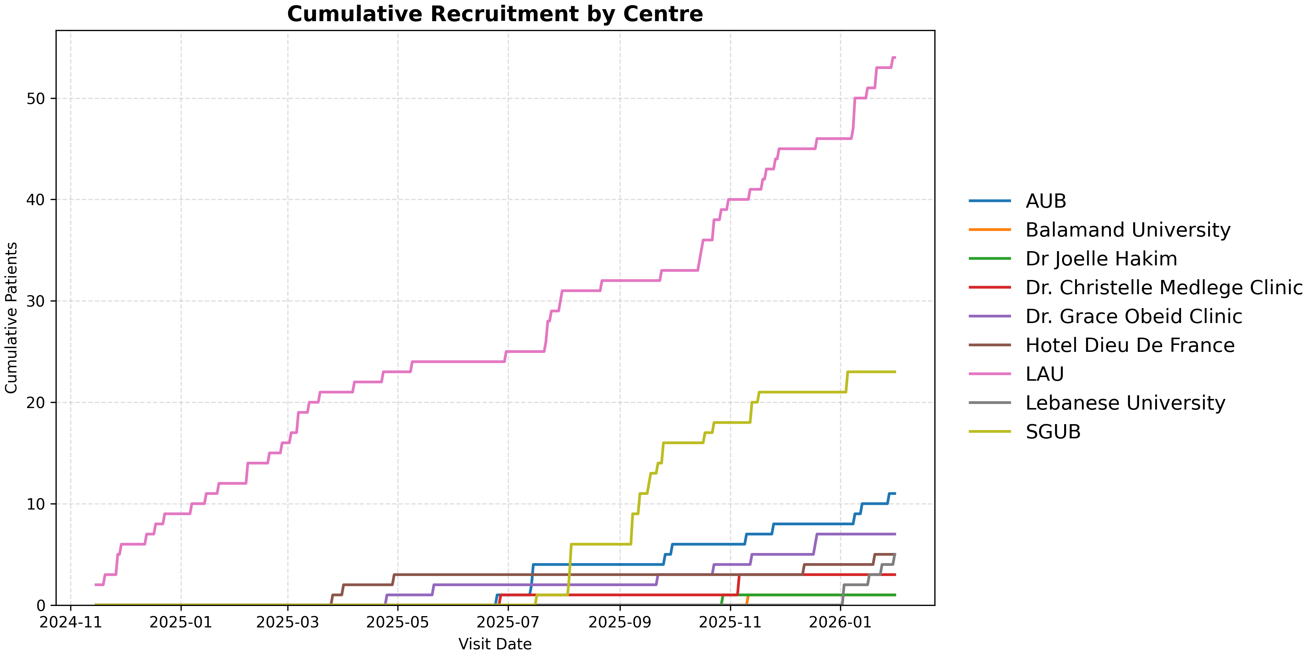
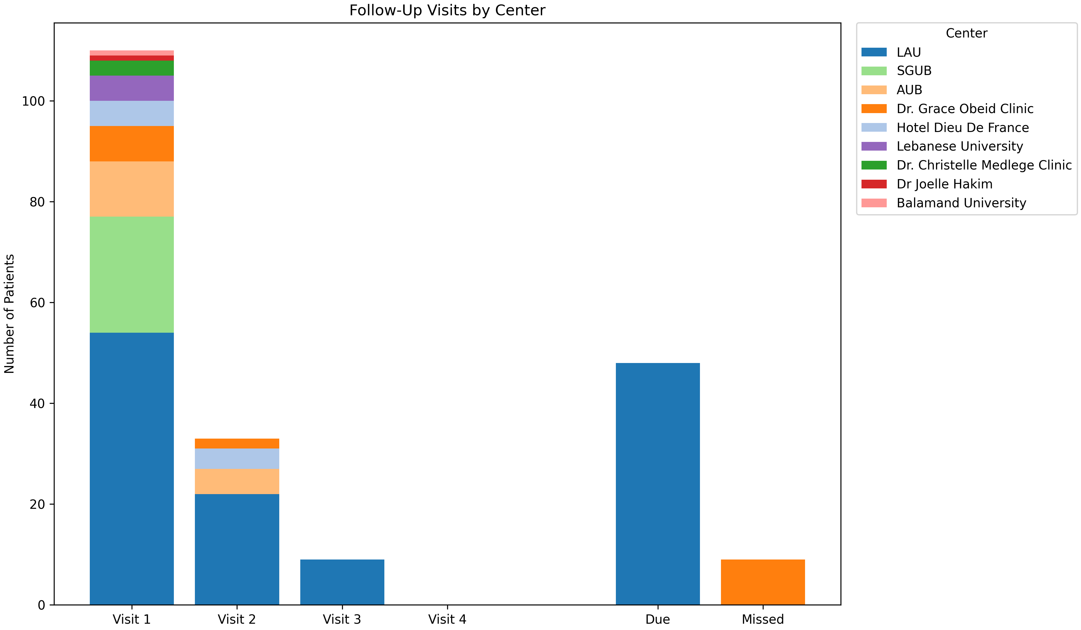
Report Section | Value
Recruitment Information
Total Recruited: Doctor | 116
Total Follow-Ups Visit 1 | 31
Total Follow-Ups Visit 2 | 9
Total Follow-Ups Visit 3 | 0
Patient Visits Overdue | 9
Patient Visits Due | 48

Recorded Issues
Required Data Points Issues Recorded | 29
Optional Data Points Issues Recorded | 55
Unique Patient Issues (Required) | 20
Unique Patient Issues (Optional) | 37
Unique Patient Issues (All) | 43

Clinic | days_v1_to_v2 | days_v2_to_v3 | days_v3_to_v4
AUB | 204.2 (203.8–205.0, N=4)
Dr. Grace Obeid Clinic | 233.5 (231.2–235.8, N=2)
Hotel Dieu De France | 187.3 (179.0–200.0, N=3)
LAU | 194.9 (183.0–208.0, N=21) | 184.6 (173.8–200.5, N=8)

