Belltest1
BELL TEST MEASUREMENT SHEET

 |  | Alice
 |  | 0° | 45° | 90° | 135°
Bob | 22.5° | 2724 | 2090 | 268 | 992 |  | 2724 | -534 | -268 | 1311 | = | 0.66838949762 | = | 0.66838949762
 | 67.5° | 522 | 1394 | 1143 | 367 | ® | 2724 | 534 | 268 | 1311
 | 112.5° | 534 | 535 | 1311 | 1201
 | 157.5° | 2316 | 1129 | 287 | 1723 |  |  |  |  |  |  | + |  | -

 |  |  |  |  |  |  | 2090 | -535 | -992 | 1201 | = | 0.36612702366 | = | 0.36612702366
 |  |  | S = | 2.0068144625 |  |  | 2090 | 535 | 992 | 1201
 |  |  | Sbar = | 0.57176397038
 |  |  |  |  |  |  |  |  |  |  |  | - |  | -
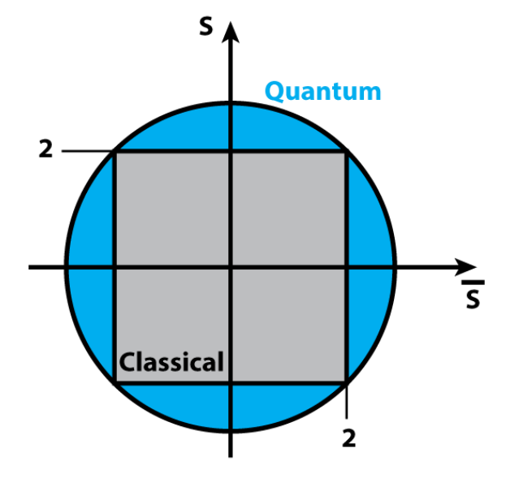
 |  |  |  |  |  |  | 522 | -2316 | -1143 | 287 | = | -0.62089971884 | = | -0.62089971884
 |  |  |  |  |  |  | 522 | 2316 | 1143 | 287

 |  |  |  |  |  |  |  |  |  |  |  | + |  | -

 |  |  |  |  |  |  | 1394 | -1129 | -367 | 1723 | = | 0.35139822241 | = | 0.35139822241
 |  |  |  |  |  |  | 1394 | 1129 | 367 | 1723

 |  |  |  |  |  |  |  |  |  |  |  | = |  | =

 |  |  |  |  |  |  |  |  |  |  |  | 2.0068144625 |  | 0.57176397038
 |  |  |  |  |  |  |  |  |  |  |  | S |  | Sbar

