Readme
Document Description |  | Data Validation Lists
Date: | 2023-12-12
Version | 1.0
Author | Pietro N. Romano
Title: | Example WAF Checklists-to-Components Mapping
Description | This document is a simplified example of Requirements to Component Mapping techniques. In a real project this information would often be included in an architecture or requirements tool. The structure and contents of this document need to be adapted to specific needs by the implementation team. |  | Component/Service Categories: This lookup list is used in all the -Components sheets to identify current/target categories | Migration Actions: This lookup list is used in all the -Components sheets to identify Migration Actions categories
Sources: |  |  | Component Type | Migration Actions
NFRs | Non-Functional Requirements, for the Solution Architect and Business Analyst 2015-11-20, Warren Weinmeyer, Document Version: 1.3 |  | Top Level System | Remove
AWS WAF | https://aws.amazon.com/architecture/well-architected/ |  | Compute | Lift & shift
Azure WAF | https://learn.microsoft.com/en-us/azure/well-architected/ |  | Compute/Containers | Rehost
 |  |  | Compute/VMs | Refactor
 |  |  | Compute/Cron | Rearchitect
2023 © All rights reserved. This data sheet is for informational purposes only. NO WARRANTIES, EXPRESS OR IMPLIED, IN THIS SUMMARY
 |  |  | Compute/Exe
 |  |  | Compute/Web App
 |  |  | Compute/Web API
 |  |  | Compute/Serverless Function
 |  |  | Compute/Workflow
 |  |  | Data
 |  |  | Data/Analytics
 |  |  | Data/Cache
 |  |  | Data/NoSQL DB
 |  |  | Data/SQL DB
 |  |  | Edge
 |  |  | Events
 |  |  | Messaging
 |  |  | Monitoring
 |  |  | Networking
 |  |  | Storage
 |  |  | Storage/Blob
 |  |  | Storage/CDN
 |  |  | Storage/File

SYS1-Diagrams
Current Architecture Diagram |  | Target Architecture Diagram

CURRENT ARCHITECTURE: "Archi Insurance" - Applications
TODO: TARGET ARCHITECTURE ON AWS/AZURE

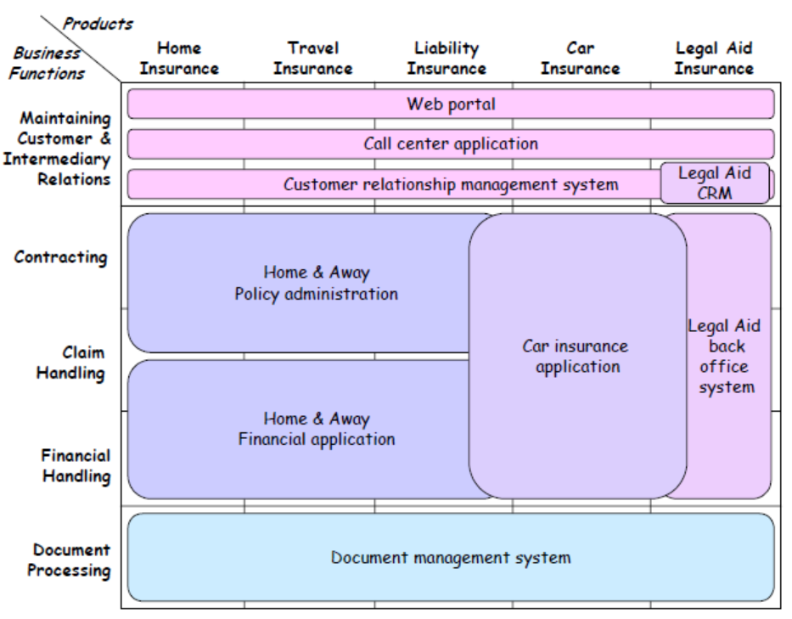

 | Source: Archimate

