Sheet1
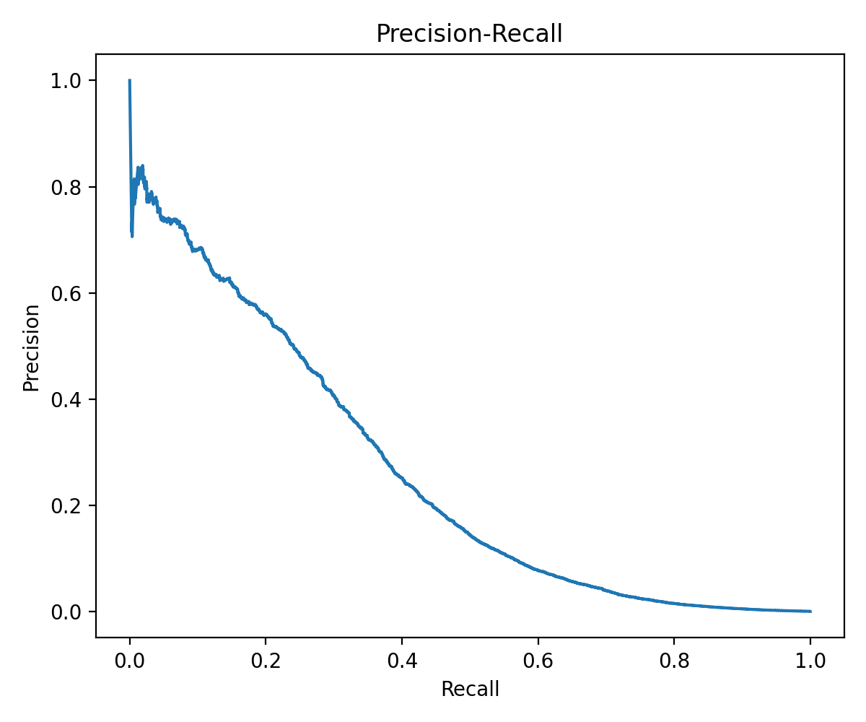
PR Curve (Baseline)
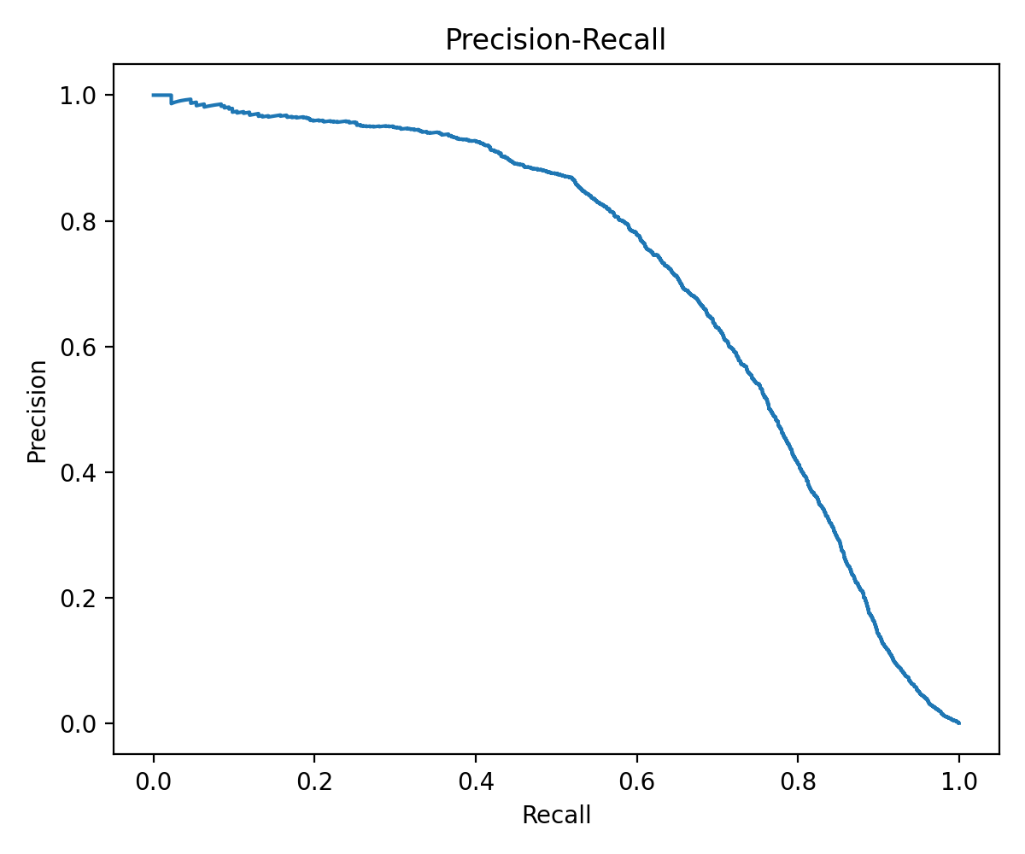
PR Curve (Improved)
0 | 0.903
0.1 | 0.905
0.25 | 0.906
0.5 | 0.909
0.75 | 0.91
1 | 0.912
1.25 | 0.912
1.5 | 0.912
1.75 | 0.912
2 | 0.912
2.25 | 0.912
2.3 | 0.912
2.75 | 0.912
3 | 0.912
 |  |  |  |  |  |  |  |  |  |  |  |  |  |  |  |  |  |  |  |  |  |  |  |  |  |  |  |  |  |  |  |  |  |  |  |  | f | average acc |  |  |  |  |  |  | Average LOSO-CV Accuracy
 |  |  |  |  |  |  |  |  |  |  |  |  |  |  |  |  |  |  |  |  |  |  |  |  |  |  |  |  |  |  |  |  |  |  |  |  | 100 | 0.314 |  |  |  |  | alpha | average accuracy
 |  |  |  |  |  |  |  |  |  |  |  |  |  |  |  |  |  |  |  |  |  |  |  |  |  |  |  |  |  |  |  |  |  |  |  |  | 150 | 0.534 |  |  |  |  | 0 | 0.903
 |  |  |  |  |  |  |  |  |  |  |  |  |  |  |  |  |  |  |  |  |  |  |  |  |  |  |  |  |  |  |  |  |  |  |  |  | 200 | 0.657 |  |  |  |  | 0.1 | 0.905
 |  |  |  |  |  |  |  |  |  |  |  |  |  |  |  |  |  |  |  |  |  |  |  |  |  |  |  |  |  |  |  |  |  |  |  |  | 250 | 0.754 |  |  |  |  | 0.25 | 0.906
 |  |  |  |  |  |  |  |  |  |  |  |  |  |  |  |  |  |  |  |  |  |  |  |  |  |  |  |  |  |  |  |  |  |  |  |  | 300 | 0.817 | 565 |  |  |  | 0.5 | 0.909
 |  |  |  |  |  |  |  |  |  |  |  |  |  |  |  |  |  |  |  |  |  |  |  |  |  |  |  |  |  |  |  |  |  |  |  |  | 350 | 0.849 |  |  |  |  | 0.75 | 0.91
 |  |  |  |  |  |  |  |  |  |  |  |  |  |  |  |  |  |  |  |  |  |  |  |  |  |  |  |  |  |  |  |  |  |  |  |  | 400 | 0.87 |  |  | Average LOSO-CV Accuracy |  | 1 | 0.912
 |  |  |  |  |  |  |  |  |  |  |  |  |  |  |  |  |  |  |  |  |  |  |  |  |  |  |  |  |  |  |  |  |  |  |  |  | 450 | 0.888 |  |  |  |  | 1.25 | 0.912
 |  |  |  |  |  |  |  |  |  |  |  |  |  |  |  |  |  |  |  |  |  |  |  |  |  |  |  |  |  |  |  |  |  |  |  |  | 500 | 0.901 |  |  |  |  | 1.5 | 0.912
 |  |  |  |  |  |  |  |  |  |  |  |  |  |  |  |  |  |  |  |  |  |  |  |  |  |  |  |  |  |  |  |  |  |  |  |  | 525 | 0.904 |  |  |  |  | 1.75 | 0.912
 |  |  |  |  |  |  |  |  |  |  |  |  |  |  |  |  |  |  |  |  |  |  |  |  |  |  |  |  |  |  |  |  |  |  |  |  | 550 | 0.909 |  |  |  |  | 2 | 0.912
 |  |  |  |  |  |  |  |  |  |  |  |  |  |  |  |  |  |  |  |  |  |  |  |  |  |  |  |  |  |  |  |  |  |  |  |  | 560 | 0.909 |  |  |  |  | 2.25 | 0.912
 |  |  |  |  |  |  |  |  |  |  |  |  |  |  |  |  |  |  |  |  |  |  |  |  |  |  |  |  |  |  |  |  |  |  |  |  | 565 | 0.912 |  |  |  |  | 2.3 | 0.912
 |  |  |  |  |  |  |  |  |  |  |  |  |  |  |  |  |  |  |  |  |  |  |  |  |  |  |  |  |  |  |  |  |  |  |  |  | 570 | 0.91 |  |  |  |  | 2.75 | 0.912
 |  |  |  |  |  |  |  |  |  |  |  |  |  |  |  |  |  |  |  |  |  |  |  |  |  |  |  |  |  |  |  |  |  |  |  |  | 575 | 0.911 |  |  |  |  | 3 | 0.912
 |  |  |  |  |  |  |  |  |  |  |  |  |  |  |  |  |  |  |  |  |  |  |  |  |  |  |  |  |  |  |  |  |  |  |  |  | 580 | 0.911 |  |  |  |  |  |  |  | Value of α
 |  |  |  |  |  |  |  |  |  |  |  |  |  |  |  |  |  |  |  |  |  |  |  |  |  |  |  |  |  |  |  |  |  |  |  |  | 585 | 0.909
 |  |  |  |  |  |  |  |  |  |  |  |  |  |  |  |  |  |  |  |  |  |  |  |  |  |  |  |  |  |  |  |  |  |  |  |  | 590 | 0.906
 |  |  |  |  |  |  |  |  |  |  |  |  |  |  |  |  |  |  |  |  |  |  |  |  |  |  |  |  |  |  |  |  |  |  |  |  | 600 | 0.906
 |  |  |  |  |  |  |  |  |  |  |  |  |  |  |  |  |  |  |  |  |  |  |  |  |  |  |  |  |  |  |  |  |  |  |  |  | 650 | 0.908
 |  |  |  |  |  |  |  |  |  |  |  |  |  |  |  |  |  |  |  |  |  |  |  |  |  |  |  |  |  |  |  |  |  |  |  |  | 700 | 0.905
 |  |  |  |  |  |  |  |  |  |  |  |  |  |  |  |  |  |  |  |  |  |  |  |  |  |  |  |  |  |  |  |  |  |  |  |  | 750 | 0.908 |  |  |  | Value of f
 |  |  |  |  | Each Class: |  |  |  |  |  |  |  |  |  |  |  |  | For Each Class: |  |  |  |  |  |  |  |  |  |  |  |  |  |  |  |  |  |  | 800 | 0.908
 | 10 Subjects |  |  |  |  |  |  |  | Each Sample: |  |  |  |  | 10 Subjects

 |  |  |  |  |  | Aardvark |  |  |  | Sample 1 | Class Label |  |  |  |  |  |  |  |  | Name
sub-01 | sub-02 | sub-03 | sub-04 | sub-05 |  |  |  |  |  | Aardvark |  | ST |  | SS1 | SS2 | SS3 | SS4

 |  |  |  |  |  | Sample 1 |  |  |  |  |  |  |  |  |  |  |  |  |  | Sample 1
 |  |  |  |  |  | Sample 2 |  |  |  |  |  |  |  |  |  |  |  |  |  | Sample 2

 |  |  |  |  |  | S. 3 |  |  |  |  |  |  |  |  |  |  |  |  |  | S. 3
 |  |  |  |  |  |  |  |  |  |  | 1020 Brain-EEG features
 |  |  |  |  |  | S. 4 |  |  |  |  |  |  |  |  |  |  |  |  |  | S. 4 | 6 Train Samples per Source Subject
1654 | 1654 | 1654 | 1654 | 1654 |  |  |  |  |  |  | (subject specific) | 1654 |  | 1654 | 1654 | 1654 | 1654
image | image | image | image | image |  | S. 5 |  |  |  |  |  | image |  | image | image | image | image |  |  | S. 5
classes | classes | classes | classes | classes |  |  | 10 Samples per Class |  |  |  |  | classes |  | classes | classes | classes | classes
 |  |  |  |  |  | S. 6 |  |  |  |  | 100 Image features |  |  |  |  |  |  |  |  | S. 6

 |  |  |  |  |  | S. 7 |  |  |  |  |  |  |  |  |  |  |  |  |  | S. 7
 |  |  |  |  |  |  |  |  |  |  | 512 Textual features |  |  |  |  |  |  |  |  |  | 2 Fine Tuning Samples from the Target Subject
 |  |  |  |  |  | S. 8 |  |  |  |  |  |  |  |  |  |  |  |  |  | S. 8

 |  |  |  |  |  | S. 9 |  |  |  |  |  |  |  |  |  |  |  |  |  | S. 9
 |  |  |  |  |  |  |  |  |  |  |  |  |  |  |  |  |  |  |  |  | 2 Test Samples from the Target Subject
sub-06 | sub-07 | sub-08 | sub-09 | sub-10 |  | S. 10 |  |  |  |  |  | SS5 |  | SS6 | SS7 | SS8 | SS9 |  |  | S. 10

Average Precision per class (Baseline)
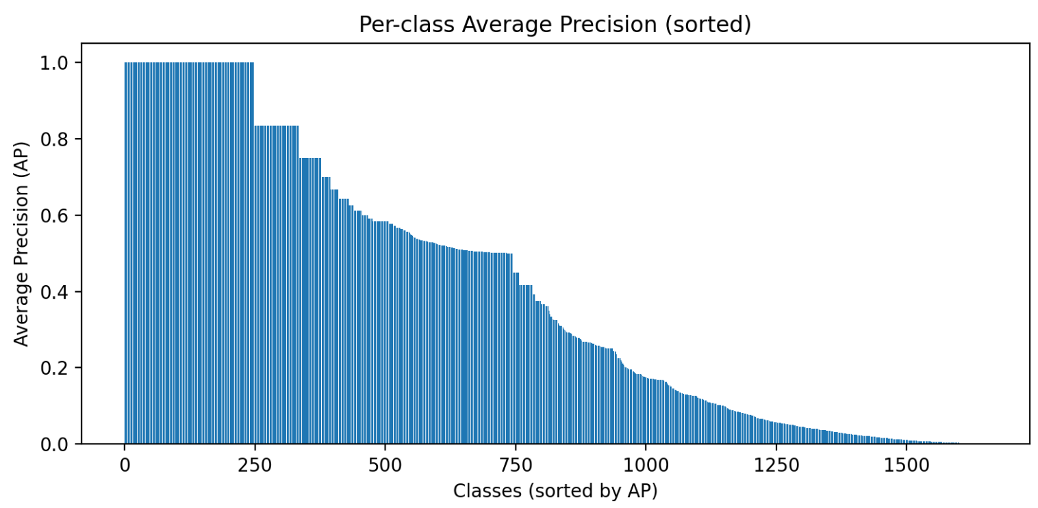
 |  |  |  |  | 1654 total classes |  |  | 16540 samples per subject
 |  |  |  |  |  |  |  |  |  |  |  |  |  |  |  |  |  |  | TRAINING is performed using the TRAIN SAMPLES for the TRAIN SUBJECTS
 |  |  |  |  |  |  |  | (165400 samples across the 10 subjects)
 |  |  |  |  |  |  |  |  |  |  |  |  |  |  |  |  |  |  | FINE TUNING is performed using the FINE TUNING SAMPLES from the TEST SUBJECT
1654 | 1654 | 1654 | 1654 | 1654 |  |  |  |  |  |  |  | 1654 |  | 1654 | 1654 | 1654 | 1654
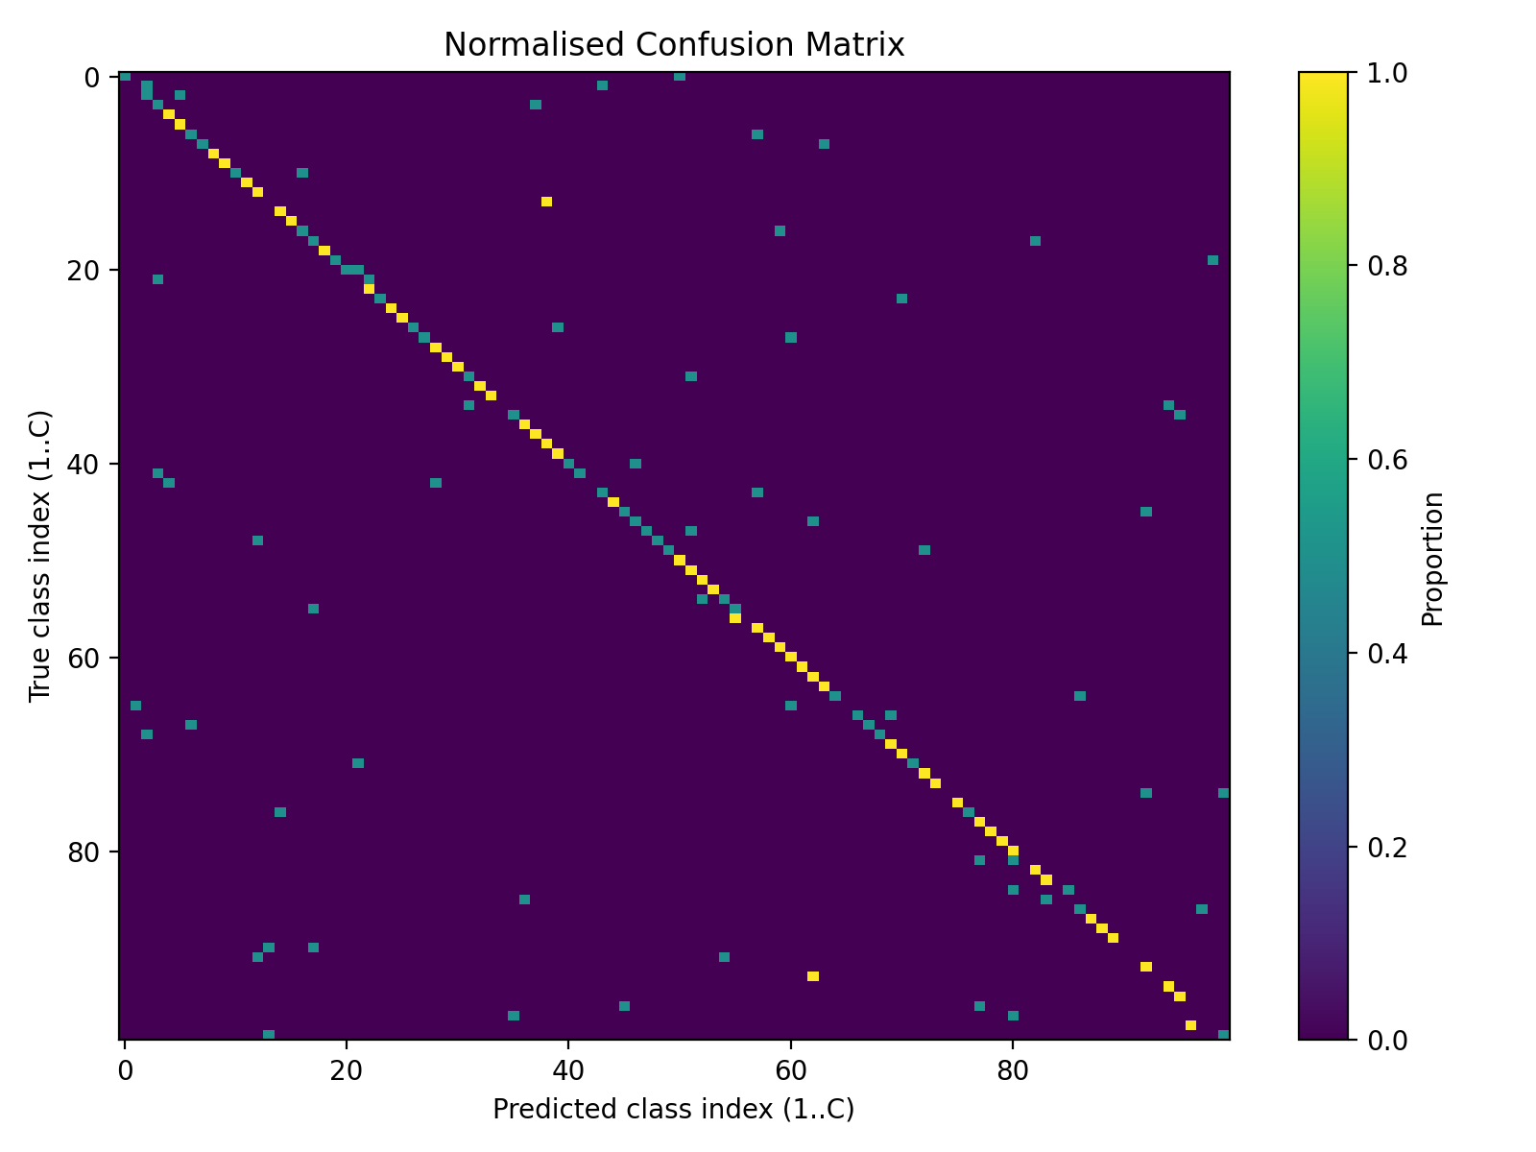
Confusion Matrix - 100 classes (baseline)
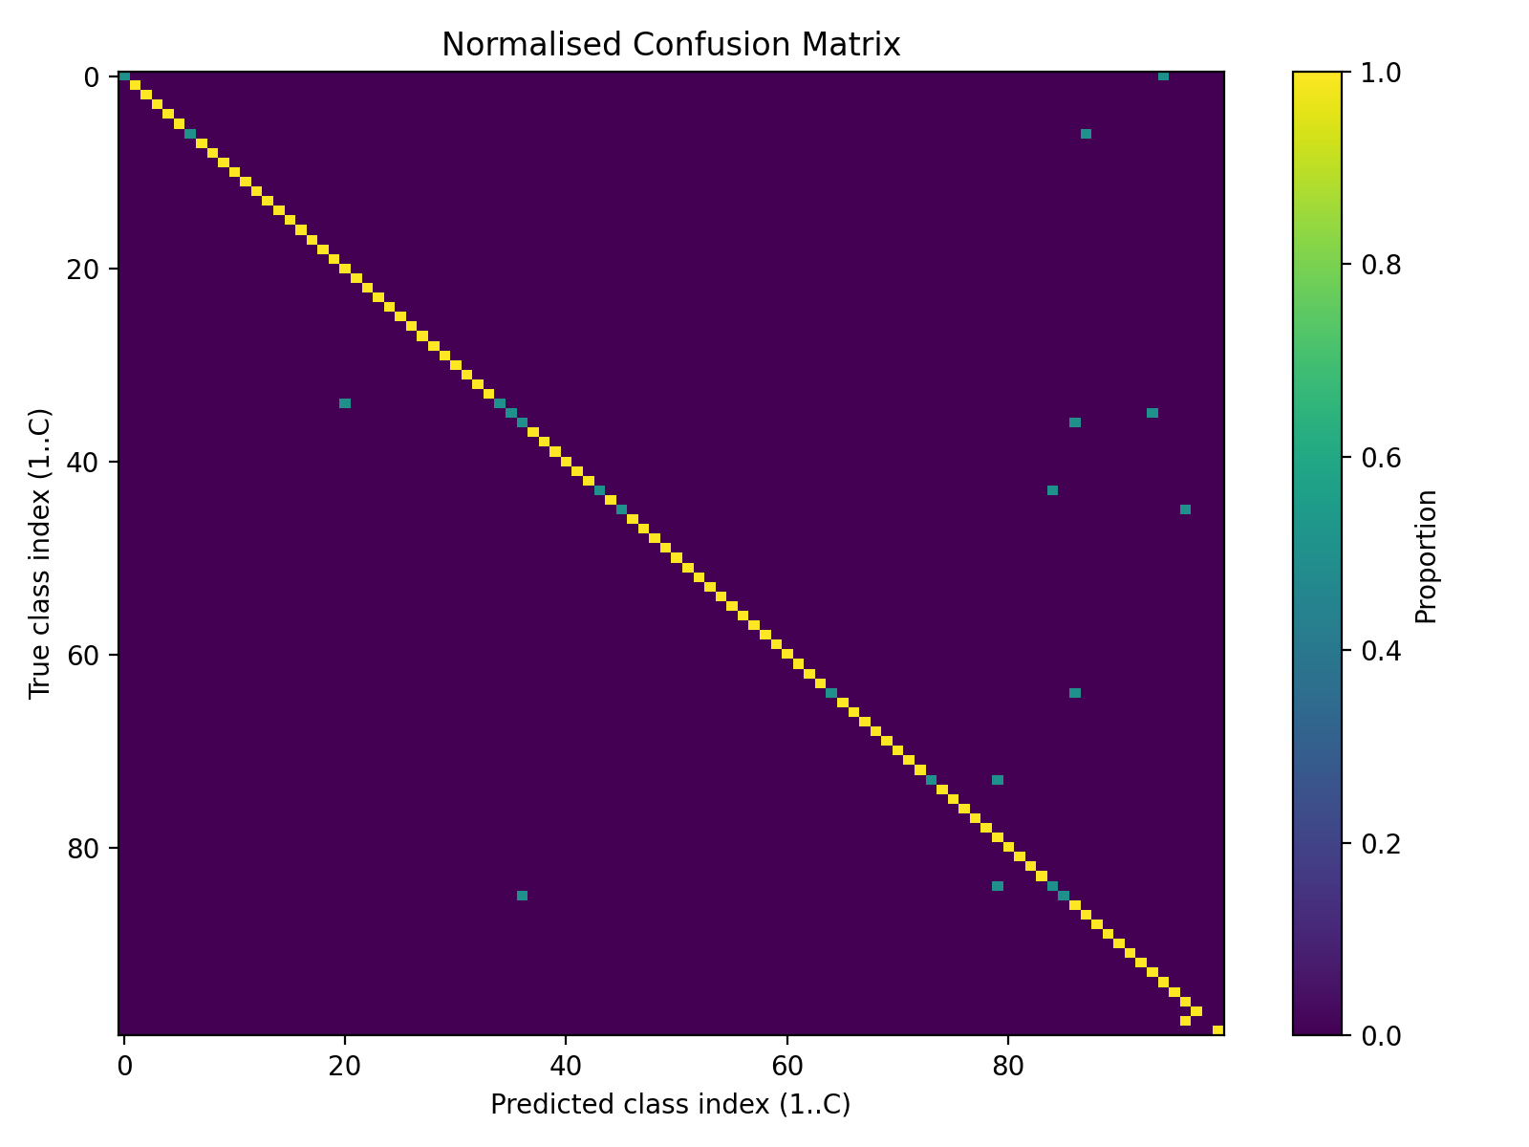
image | image | image | image | image |  |  |  |  |  |  |  | image |  | image | image | image | image |  | TESTING is performed using the TEST SAMPLES for the TEST SUBJECT
Confusion Matrix - 100 classes (improved)
classes | classes | classes | classes | classes |  |  |  |  |  |  |  | classes |  | classes | classes | classes | classes
 |  |  |  |  |  |  |  |  |  |  |  |  |  |  |  |  |  |  | (all other data is unused)

 |  |  |  |  |  |  |  |  |  |  |  | Key:
 |  |  |  |  |  |  |  |  |  |  |  |  | Target Subject
 |  |  |  |  |  |  |  |  |  |  |  |  | Source Subjects |  |  |  |  |  |  |  |  | TRAINING (SOURCE) SUBJECTS |  |  |  |  |  |  |  |  |  | TEST (TARGET) SUBJECT

 |  |  |  |  |  |  |  |  |  |  |  |  |  |  |  |  |  |  |  |  |  | SS1 |  | SS2 | SS3 | SS4 | SS5 | SS6 | SS7 | SS8 | SS9 |  |  | ST

 |  |  |  |  |  |  |  |  |  |  |  |  |  |  |  |  |  |  |  |  |  |  |  |  |  |  |  |  |  |  |  |  | FINE-TUNE

 |  |  |  |  |  |  |  |  |  |  |  |  |  |  |  |  |  |  |  |  |  |  |  |  |  |  |  |  |  |  |  |  |  |  | TEST
 |  |  |  |  |  |  |  |  |  |  |  |  |  |  |  |  |  |  |  |  |  |  |  |  |  |  |  |  |  |  |  |  |  |  |  | a |  |  |  | a

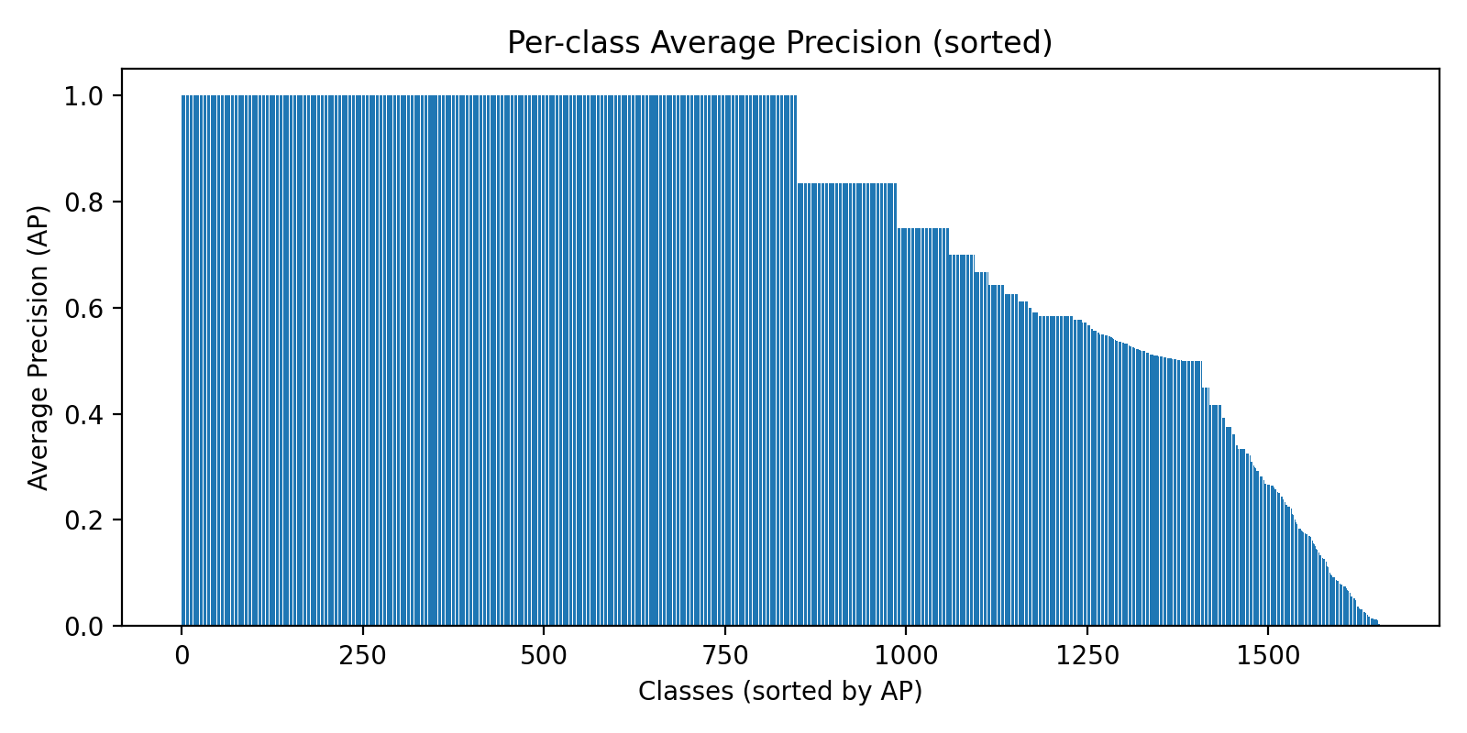
Average Precision per class (Improved)

 |  |  |  |  |  |  |  |  |  |  |  |  |  |  |  |  |  |  |  |  |  |  | Fit Preprocessors

 |  |  |  |  |  |  |  |  |  |  |  |  |  |  |  |  |  |  |  |  |  |  |  |  |  |  | Apply Preprocessors

 |  |  |  |  |  |  |  |  |  |  |  |  |  |  |  |  |  |  |  |  |  | M1 |  | M2 | M3 |  |  |  | M7 | M8 | M9
 |  |  |  |  |  |  |  |  |  |  |  |  |  |  |  |  |  |  |  |  |  |  |  |  |  |  | Fit Subject-Specific Classifiers

 |  |  |  |  |  |  |  |  |  |  |  |  |  |  |  |  |  |  |  |  |  |  |  |  |  |  |  |  |  |  |  | Fine-Tuning: Domain Adaptation
 |  |  |  |  |  |  |  |  |  |  |  |  |  |  |  |  |  |  |  |  |  |  |  |  |  | Initialise Generalised Classifier Mgeneral |  |  |  |  |  |  |  |  | Test Final Model

