Timing
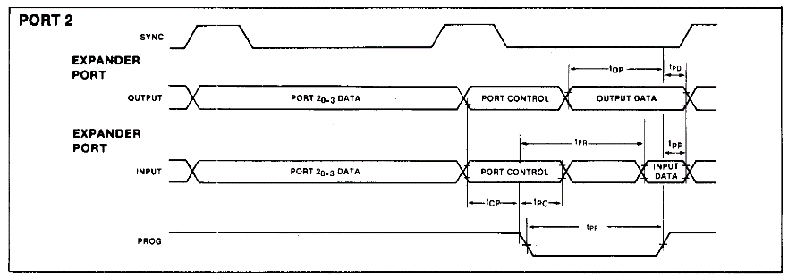

LC102 Measurements (no slave connected) |  |  | intel 8243
 | t (ns)
t_PP | 1720 | (prog time) | >700
t_CP | 350 | (code setup) | >100
t_PC (read) | 1270 | (read data hold) | >60
t_PC(write) | 730 | (read data setup) | >60
t_DP | 990 | (write data setup) | >200
t_PD | 290 | (write data hold) | >20
t_PR (write) | 1320

