info
 | Resources – IEEE PES Test Feeder
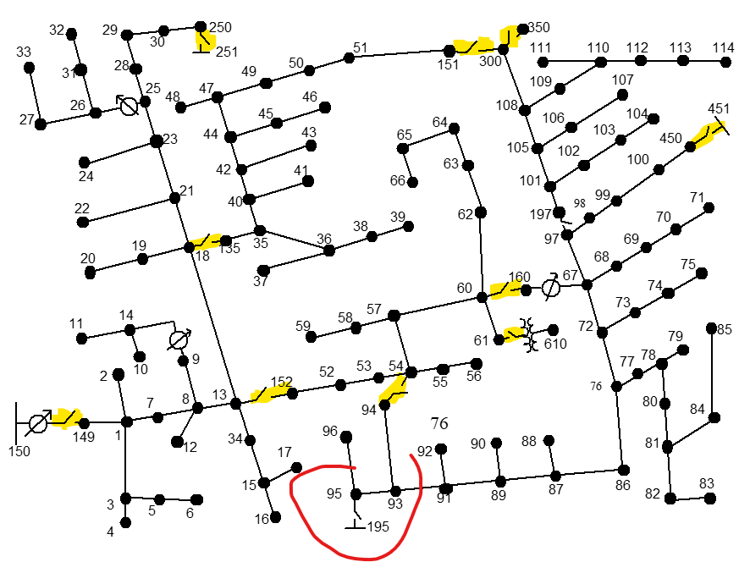
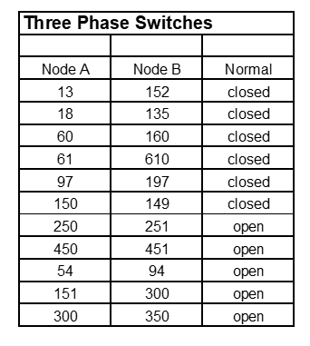
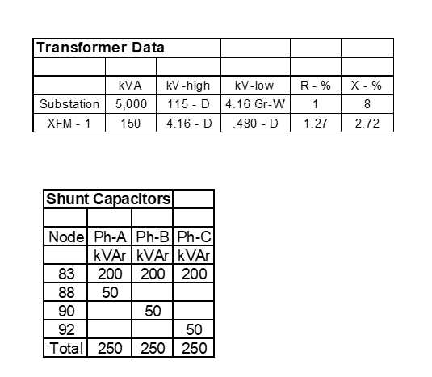
nodes: 278
150.1
150.2
150.3
150R.1
150R.2
150R.3
149.1
149.2
149.3
1.1
1.2
1.3
2.2
3.3
7.1
7.2
7.3 |  |  | 451 den exei. Menei sto 450.
4.3 |  |  | exei 151-300Open - ara den exei meta 300-350
5.3
6.3
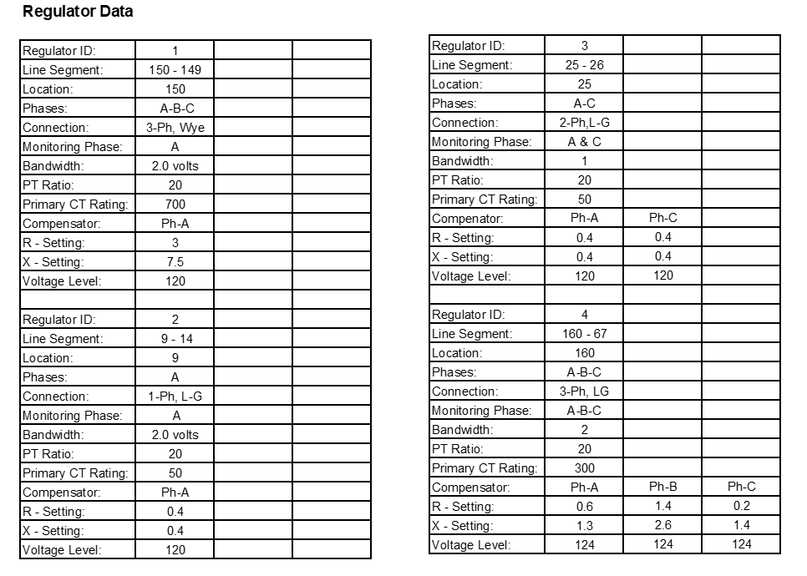
8.1
8.2 |  | ! NORMALLY CLOSED SWITCHES ARE DEFINED AS SHORT LINES
8.3 |  | ! Could also be defned by setting the Switch=Yes property
12.2
9.1 |  | New Line.Sw1 phases=3 Bus1=150r Bus2=149 r1=1e-3 r0=1e-3 x1=0.000 x0=0.000 c1=0.000 c0=0.000 Length=0.001
13.1 |  | New Line.Sw2 phases=3 Bus1=13 Bus2=152 r1=1e-3 r0=1e-3 x1=0.000 x0=0.000 c1=0.000 c0=0.000 Length=0.001
13.2 |  | New Line.Sw3 phases=3 Bus1=18 Bus2=135 r1=1e-3 r0=1e-3 x1=0.000 x0=0.000 c1=0.000 c0=0.000 Length=0.001
13.3 |  | New Line.Sw4 phases=3 Bus1=60 Bus2=160 r1=1e-3 r0=1e-3 x1=0.000 x0=0.000 c1=0.000 c0=0.000 Length=0.001
9R.1 |  | New Line.Sw5 phases=3 Bus1=97 Bus2=197 r1=1e-3 r0=1e-3 x1=0.000 x0=0.000 c1=0.000 c0=0.000 Length=0.001
14.1 |  | New Line.Sw6 phases=3 Bus1=61 Bus2=61s r1=1e-3 r0=1e-3 x1=0.000 x0=0.000 c1=0.000 c0=0.000 Length=0.001
34.3
18.1 |  | ! NORMALLY OPEN SWITCHES; DEFINED AS SHORT LINE TO OPEN BUS SO WE CAN SEE OPEN POINT VOLTAGES.
18.2 |  | ! COULD ALSO BE DEFINED AS DISABLED OR THE TERMINCAL COULD BE OPENED AFTER BEING DEFINED
18.3
11.1 |  | New Line.Sw7 phases=3 Bus1=151 Bus2=300_OPEN r1=1e-3 r0=1e-3 x1=0.000 x0=0.000 c1=0.000 c0=0.000 Length=0.001
10.1 |  | New Line.Sw8 phases=1 Bus1=54.1 Bus2=94_OPEN.1 r1=1e-3 r0=1e-3 x1=0.000 x0=0.000 c1=0.000 c0=0.000 Length=0.001
15.3
16.3
17.3
19.1
21.1
21.2
21.3
20.1
22.2
23.1
23.2
23.3
24.3
25.1
25.2
25.3
25R.1
25R.3
26.1
26.3
28.1
28.2
28.3
27.1
27.3
31.3
33.1
29.1
29.2
29.3
30.1
30.2
30.3
250.1
250.2
250.3
32.3
35.1
35.2
36.1
36.2
35.3
40.1
40.2
40.3
37.1
38.2
39.2
41.3
42.1
42.2
42.3
43.2
44.1
44.2
44.3
45.1
47.1
47.2
47.3
46.1
48.1
48.2
48.3
49.1
49.2
49.3
50.1
50.2
50.3
51.1
51.2
51.3
151.1
151.2
151.3
52.1
52.2
52.3
53.1
53.2
53.3
54.1
54.2
54.3
55.1
55.2
55.3
57.1
57.2
57.3
56.1
56.2
56.3
58.2
60.1
60.2
60.3
59.2
61.1
61.2
61.3
62.1
62.2
62.3
63.1
63.2
63.3
64.1
64.2
64.3
65.1
65.2
65.3
66.1
66.2
66.3
67.1
68.1
67.2
67.3
72.1
72.2
72.3
97.1
97.2
97.3
69.1
70.1
71.1
73.3
76.1
76.2
76.3
74.3
75.3
77.1
77.2
77.3
86.1
86.2
86.3
78.1
78.2
78.3
79.1
79.2
79.3
80.1
80.2
80.3
81.1
81.2
81.3
82.1
82.2
82.3
84.3
83.1
83.2
83.3
85.3
87.1
87.2
87.3
88.1
89.1
89.2
89.3
90.2
91.1
91.2
91.3
92.3
93.1
93.2
93.3
94.1
95.1
95.2
95.3
96.2
98.1
98.2
98.3
99.1
99.2
99.3
100.1
100.2
100.3
450.1
450.2
450.3
197.1
197.2
197.3
101.1
101.2
101.3
102.3
105.1
105.2
105.3
103.3
104.3
106.2
108.1
108.2
108.3
107.2
109.1
300.1
300.2
300.3
110.1
111.1
112.1
113.1
114.1
135.1
135.2
135.3
152.1
152.2
152.3
160R.1
160R.2
160R.3
160.1
160.2
160.3
61S.1
61S.2
61S.3
300_OPEN.1
300_OPEN.2
300_OPEN.3
94_OPEN.1
610.1
610.2
610.3

