info
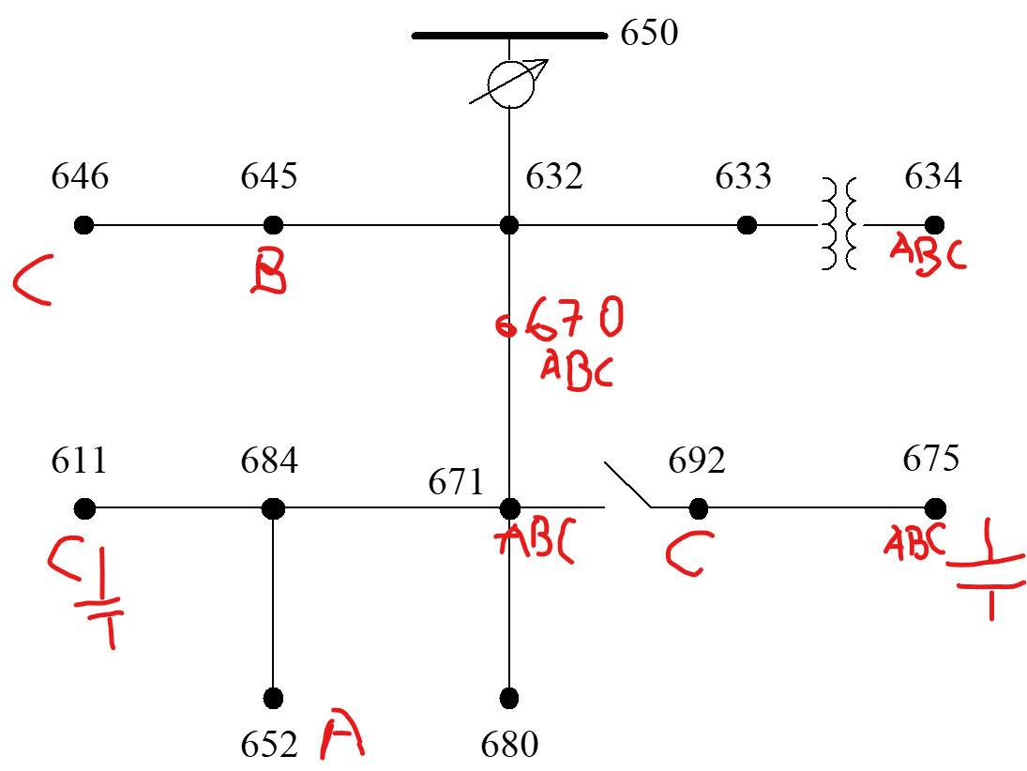
16 komvoi me seira opws to dss.Circuit.YNodeVArray()
SOURCEBUS.1 | allos o source | Sto 671, 646 kai 692 exei 3ph Delta loads
SOURCEBUS.2 | allos o 650!!!
SOURCEBUS.3 |  | loads mono se
650.1 |  | ['671', '634a', '634b', '634c', '645', '646', '692', '675a', '675b', '675c', '611', '652', '670a', '670b', '670c']
650.2
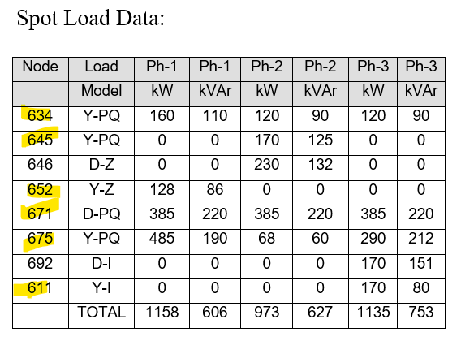
650.3 |  | 671 | 3ph delta
RG60.1 |  | 634a
RG60.2 |  | 634b
RG60.3 |  | 634c
633.1 |  | 645 | b
633.2 |  | 646 | bc delta
633.3 |  | 692 | ca delta
634.1 | LV!!! | 675a
634.2 |  | 675b
634.3 |  | 675c
632.1 |  | 611 | c
632.2 |  | 652 | a
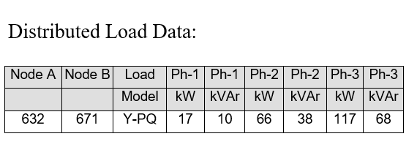
632.3 |  | 670a | distributed load
670.1 | exei antikatastisei to distributed | 670b | !Bus 670 is the concentrated point load of the
670.2 | load apo 623 pros 671 me ena | 670c | distributed load on line 632 to 671 located at 1/3 the distance from node 632
670.3 | spot kai exei ftiaksei enan neo komvo
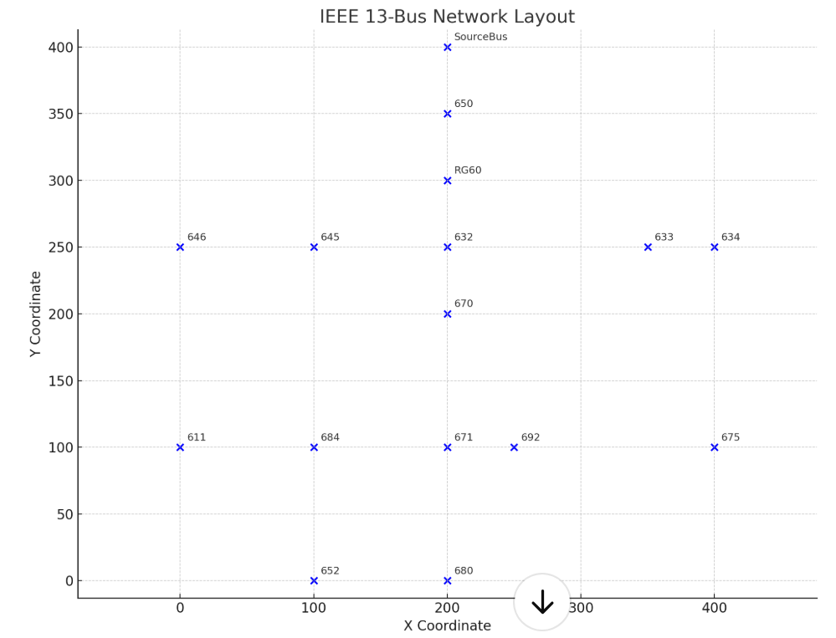
671.1
671.2
671.3
680.1 |  | Capacitors!!!
680.2 |  | 675 | 3ph | Gia ayto exoume arnitika Q ekei
680.3 |  | 611 | c
645.3
645.2
646.3 |  | Regulator
646.2 |  | OpenDSS / Discussion / Beginners: Voltage Regulator definition
692.1 |  | The regulator at bus 650 is declared a 3-phase regulator, but we interpreted it a 3 single-phase regulators,
692.2 |  | which is more common on this kind of distribution feeder. You can model 3-phase regulators in OpenDSS, but it will assume all 3 phases move together as in a substation LTC.
692.3
675.1 |  | EXOUME THEMA ME TON REGULATOR!!!!! -> ALLAZEI O Y ANALOGA ME TA TAPS
675.2
675.3 |  |  | Set Voltagebases=[115, 4.16, .48]
684.1 |  |  | kV nominal
684.3 |  |  | 115 | 66.395280957
611.3 |  |  | 4.16 | 2.4017771198
652.1 |  |  | 0.48 | 0.27712812921

