info
95 komvoi me seira opws to dss.Circuit.YNodeVArray()
SOURCEBUS.1 | Sto 671, 646 kai 692 exei 3ph Delta loads
SOURCEBUS.2
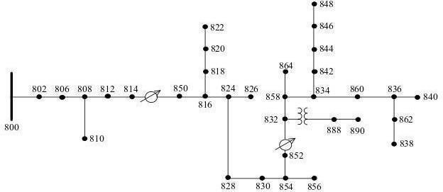
SOURCEBUS.3 | loads mono se
800.1 | ['671', '634a', '634b', '634c', '645', '646', '692', '675a', '675b', '675c', '611', '652', '670a', '670b', '670c']
800.2
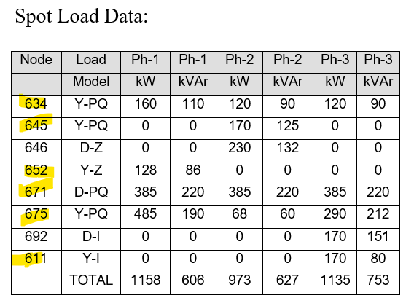
800.3 | 671 | 3ph delta
802.1 | 634a
802.2 | 634b
802.3 | 634c
806.1 | 645 | b
806.2 | 646 | bc delta
806.3 | 692 | ca delta
808.1 | 675a
808.2 | 675b
808.3 | 675c
810.2 | 611 | c
812.1 | 652 | a
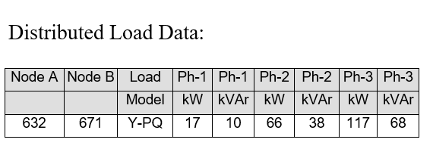
812.2 | 670a | distributed load
812.3 | 670b | !Bus 670 is the concentrated point load of the
814.1 | 670c | distributed load on line 632 to 671 located at 1/3 the distance from node 632
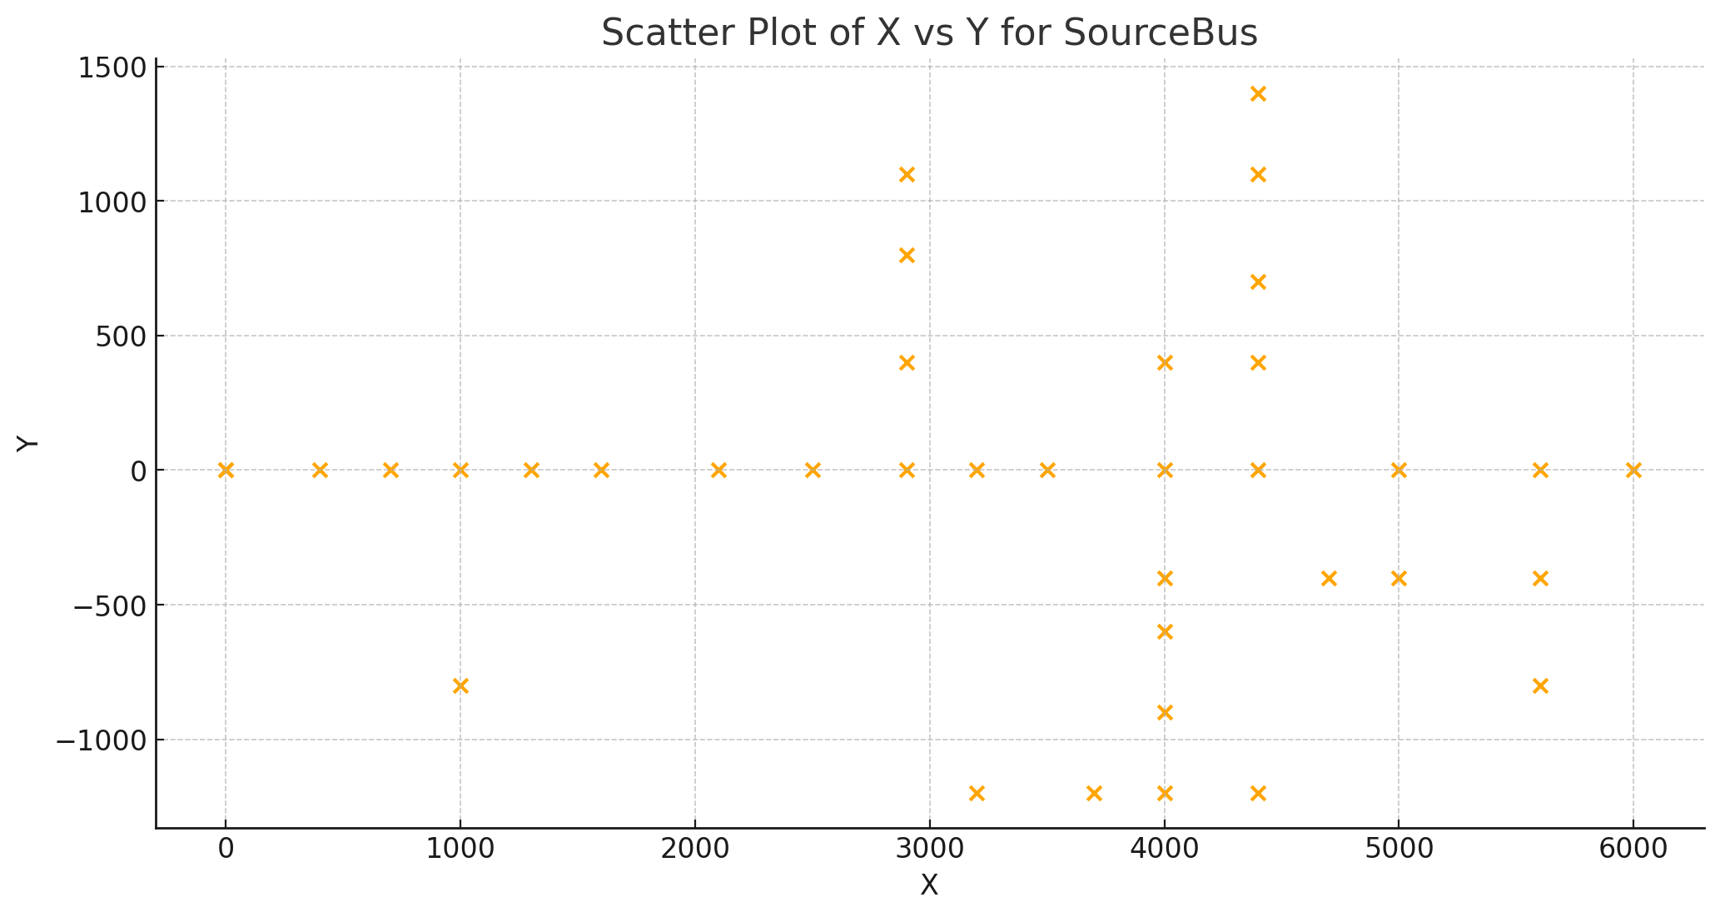
814.2
814.3
814R.1
814R.2
814R.3 | Capacitors!!!
850.1 | 844 | 3ph | Gia ayto exoume arnitika Q ekei
850.2 | 848 | 3ph
850.3
816.1
818.1 | 2 Regulators
816.2 | OpenDSS / Discussion / Beginners: Voltage Regulator definition
816.3 | The regulator at bus 650 is declared a 3-phase regulator, but we interpreted it a 3 single-phase regulators,
824.1 | which is more common on this kind of distribution feeder. You can model 3-phase regulators in OpenDSS, but it will assume all 3 phases move together as in a substation LTC.
824.2
824.3 | EXOUME THEMA ME TON REGULATOR!!!!! -> ALLAZEI O Y ANALOGA ME TA TAPS
820.1
822.1 |  | Set Voltagebases=[69,24.9,4.16, .48]
826.2 |  | kV nominal
828.1 |  | 69 | 39.837168574
828.2 |  | 24.9 | 14.376021703
828.3 |  | 4.16 | 2.4017771198
830.1 |  | 0.48 | 0.27712812921
830.2
830.3
854.1
854.2
854.3
832.1
832.2
832.3
858.1
858.2
858.3
834.1
834.2
834.3
860.1
860.2
860.3
842.1
842.2
842.3
836.1
836.2
836.3
840.1
840.2
840.3
862.1
862.2
862.3
844.1
844.2
844.3
846.1
846.2
846.3
848.1
848.2
848.3
852R.1
852R.2
852R.3
888.1
888.2
888.3
856.2
852.1
852.2
852.3
864.1
838.2
890.1
890.2
890.3

