2017-2018pivotTable
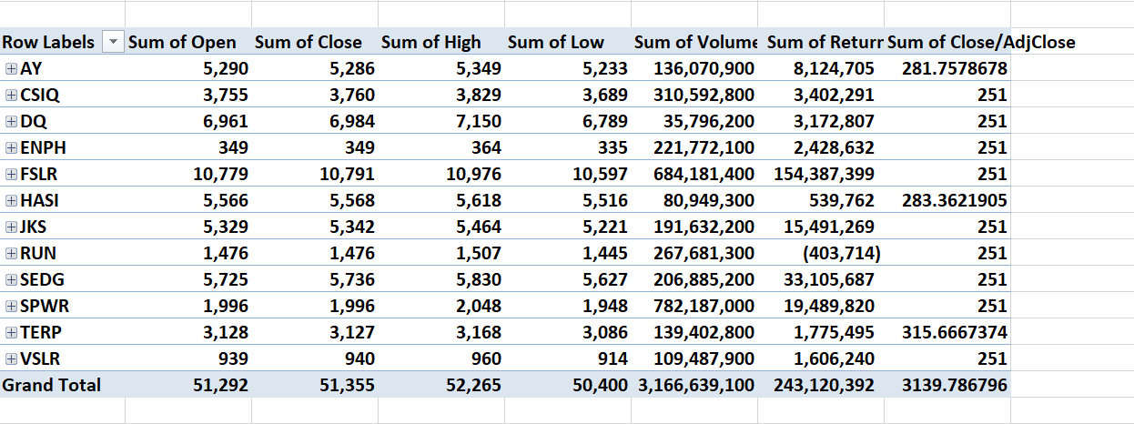
2018pivotTable
Row Labels | Sum of Open | Sum of Close | Sum of High | Sum of Low | Sum of Volume | Sum of Return | Sum of Adj Return | Sum of Close/AdjClose
AY | 5,057 | 5,051 | 5,111 | 5,008 | 83,079,900 | (1,396,473) | (95,320,660.55) | 265.69201468
CSIQ | 3,761 | 3,761 | 3,829 | 3,693 | 200,879,900 | (6,474,350) | (6,474,350.38) | 251
DQ | 10,332 | 10,298 | 10,660 | 9,984 | 107,873,900 | (71,681,769) | (71,681,769.35) | 251
ENPH | 1,181 | 1,181 | 1,225 | 1,137 | 607,473,500 | 6,407,832 | 6,407,832.00 | 251
FSLR | 14,402 | 14,373 | 14,643 | 14,133 | 478,113,900 | (130,027,535) | (130,027,535.08) | 251
HASI | 5,116 | 5,111 | 5,165 | 5,062 | 104,340,600 | (6,312,976) | (113,105,670.18) | 264.99973778
JKS | 3,806 | 3,789 | 3,894 | 3,704 | 158,309,000 | (26,879,931) | (26,879,931.40) | 251
RUN | 2,770 | 2,775 | 2,840 | 2,696 | 502,757,100 | 21,356,443 | 21,356,442.50 | 251
SEDG | 11,674 | 11,664 | 11,919 | 11,385 | 237,212,300 | (21,411,619) | (21,411,618.97) | 251
SPWR | 1,869 | 1,866 | 1,914 | 1,821 | 538,024,300 | 4,115,716 | 4,115,716.00 | 251
TERP | 2,813 | 2,809 | 2,844 | 2,780 | 151,434,700 | (504,024) | (79,553,832.87) | 264.0331129
VSLR | 1,138 | 1,137 | 1,165 | 1,108 | 136,539,100 | 288,905 | 288,905.00 | 251
Grand Total | 63,920 | 63,816 | 65,209 | 62,511 | 3,306,038,200 | (232,519,783) | (512,286,473.28) | 3053.7248654

