Cpk Summary
Click Me
Cpk Data Summary

 |  | 1 - Phase Name xxx |  |  |  |  |  |  |  |  | 2 - Phase Name xxx |  |  |  |  |  |  |  |  | 3 - Phase Name xxx |  |  |  |  |  |  |  |  | 4 - Phase Name xxx |  |  |  |  |  |  |  |  | 5 - Phase Name xxx |  |  |  |  |  |  |  |  | 6 - Phase Name xxx
 |  | Spec |  |  | Process Capability |  |  |  |  |  | Spec |  |  | Process Capability |  |  |  |  |  | Spec |  |  | Process Capability |  |  |  |  |  | Spec |  |  | Process Capability |  |  |  |  |  | Spec |  |  | Process Capability |  |  |  |  |  | Spec |  |  | Process Capability
SPC | Dimension | Nominal | + Tol | - Tol | Stdev | Mean | Cp | Cpk | Projected Yield | Mean Shift | Nominal | + Tol | - Tol | Stdev | Mean | Cp | Cpk | Projected Yield | Mean Shift | Nominal | + Tol | - Tol | Stdev | Mean | Cp | Cpk | Projected Yield | Mean Shift | Nominal | + Tol | - Tol | Stdev | Mean | Cp | Cpk | Projected Yield | Mean Shift | Nominal | + Tol | - Tol | Stdev | Mean | Cp | Cpk | Projected Yield | Mean Shift | Nominal | + Tol | - Tol | Stdev | Mean | Cp | Cpk | Projected Yield | Mean Shift
 | CAV.1
SPC A | Length | 276.40 | 0.10 | 0.10 | 0.0057 | 276.37 | 5.83 | 3.99 | 100.00% | -0.03
SPC A | Length | 276.40 | 0.10 | 0.10 | 0.0028 | 276.37 | 11.89 | 7.78 | 100.00% | -0.03
SPC A | Length | 276.40 | 0.10 | 0.10 | 0.0038 | 276.38 | 8.84 | 6.65 | 100.00% | -0.02
SPC B | Width | 112.05 | 0.10 | 0.10 | 0.0111 | 112.04 | 3.00 | 2.57 | 100.00% | -0.01
SPC B | Width | 112.05 | 0.10 | 0.10 | 0.0075 | 112.06 | 4.43 | 4.15 | 100.00% | 0.01
SPC B | Width | 112.05 | 0.10 | 0.10 | 0.0055 | 112.06 | 6.06 | 5.56 | 100.00% | 0.01
SPC B | Width | 112.05 | 0.10 | 0.10 | 0.0051 | 112.05 | 6.53 | 6.28 | 100.00% | 0.00
SPC B | Width | 112.05 | 0.10 | 0.10 | 0.0069 | 112.04 | 4.83 | 4.21 | 100.00% | -0.01
SPC C | Thickness | 1.30 | 0.05 | 0.05 | 0.0028 | 1.29 | 6.05 | 4.73 | 100.00% | -0.01
SPC C | Thickness | 1.30 | 0.05 | 0.05 | 0.0014 | 1.29 | 12.20 | 10.11 | 100.00% | -0.01
SPC C | Thickness | 1.30 | 0.05 | 0.05 | 0.0021 | 1.31 | 7.82 | 6.88 | 100.00% | 0.01
SPC C | Thickness | 1.30 | 0.05 | 0.05 | 0.0039 | 1.30 | 4.25 | 4.25 | 100.00% | 0.00
SPC C | Thickness | 1.30 | 0.05 | 0.05 | 0.0034 | 1.31 | 4.91 | 4.34 | 100.00% | 0.01
SPC C | Thickness | 1.30 | 0.05 | 0.05 | 0.0011 | 1.31 | 15.28 | 12.32 | 100.00% | 0.01
SPC C | Thickness | 1.30 | 0.05 | 0.05 | 0.0017 | 1.29 | 9.73 | 8.70 | 100.00% | -0.01
SPC C | Thickness | 1.30 | 0.05 | 0.05 | 0.0014 | 1.28 | 11.86 | 7.20 | 100.00% | -0.02
SPC C | Thickness | 1.30 | 0.05 | 0.05 | 0.0013 | 1.29 | 12.75 | 10.21 | 100.00% | -0.01
SPC C | Thickness | 1.30 | 0.05 | 0.05 | 0.0016 | 1.29 | 10.13 | 7.79 | 100.00% | -0.01
SPC C | Thickness | 1.30 | 0.05 | 0.05 | 0.0025 | 1.30 | 6.65 | 6.21 | 100.00% | 0.00
SPC C | Thickness | 1.30 | 0.05 | 0.05 | 0.0026 | 1.31 | 6.47 | 5.55 | 100.00% | 0.01
SPC C | Thickness | 1.30 | 0.05 | 0.05 | 0.0024 | 1.30 | 7.00 | 6.57 | 100.00% | 0.00
SPC C | Thickness | 1.30 | 0.05 | 0.05 | 0.0034 | 1.30 | 4.91 | 4.42 | 100.00% | 0.00
SPC C | Thickness | 1.30 | 0.05 | 0.05 | 0.0015 | 1.29 | 10.90 | 9.22 | 100.00% | -0.01
SPC C | Thickness | 1.30 | 0.05 | 0.05 | 0.0016 | 1.28 | 10.25 | 5.64 | 100.00% | -0.02
SPC C | Thickness | 1.30 | 0.05 | 0.05 | 0.0013 | 1.27 | 12.87 | 6.11 | 100.00% | -0.03
SPC C | Thickness | 1.30 | 0.05 | 0.05 | 0.0016 | 1.28 | 10.38 | 5.71 | 100.00% | -0.02
SPC C | Thickness | 1.30 | 0.05 | 0.05 | 0.0033 | 1.28 | 5.06 | 2.63 | 100.00% | -0.02
SPC C | Thickness | 1.30 | 0.05 | 0.05 | 0.0085 | 1.28 | 1.95 | 1.10 | 99.95% | -0.02
SPC C | Thickness | 1.30 | 0.05 | 0.05 | 0.0067 | 1.28 | 2.48 | 1.42 | 100.00% | -0.02
SPC C | Thickness | 1.30 | 0.05 | 0.05 | 0.0031 | 1.28 | 5.35 | 3.33 | 100.00% | -0.02
SPC C | Thickness | 1.30 | 0.05 | 0.05 | 0.0017 | 1.28 | 9.73 | 6.07 | 100.00% | -0.02
SPC C | Thickness | 1.30 | 0.05 | 0.05 | 0.0020 | 1.27 | 8.42 | 3.24 | 100.00% | -0.03
SPC C | Thickness | 1.30 | 0.05 | 0.05 | 0.0016 | 1.26 | 10.68 | 2.96 | 100.00% | -0.04
SPC C | Thickness | 1.30 | 0.05 | 0.05 | 0.0022 | 1.26 | 7.42 | 1.95 | 100.00% | -0.04
SPC C | Thickness | 1.30 | 0.05 | 0.05 | 0.0040 | 1.26 | 4.19 | 1.15 | 99.97% | -0.04
SPC C | Thickness | 1.30 | 0.05 | 0.05 | 0.0027 | 1.28 | 6.26 | 4.02 | 100.00% | -0.02
SPC C | Thickness | 1.30 | 0.05 | 0.05 | 0.0031 | 1.28 | 5.45 | 3.55 | 100.00% | -0.02
SPC C | Thickness | 1.30 | 0.05 | 0.05 | 0.0029 | 1.28 | 5.84 | 3.36 | 100.00% | -0.02
SPC C | Thickness | 1.30 | 0.05 | 0.05 | 0.0026 | 1.27 | 6.38 | 2.63 | 100.00% | -0.03
SPC C | Thickness | 1.30 | 0.05 | 0.05 | 0.0024 | 1.27 | 6.81 | 2.15 | 100.00% | -0.03
SPC D | Length | 262.05 | 0.10 | 0.10 | 0.0209 | 262.03 | 1.60 | 1.24 | 99.99% | -0.02
SPC D | Length | 262.05 | 0.10 | 0.10 | 0.0201 | 262.04 | 1.66 | 1.42 | 100.00% | -0.01
SPC E | Width | 97.71 | 0.10 | 0.10 | 0.0255 | 97.69 | 1.31 | 1.10 | 99.95% | -0.02
SPC E | Width | 97.71 | 0.10 | 0.10 | 0.0158 | 97.70 | 2.11 | 1.91 | 100.00% | -0.01
SPC F | Hole Diameter | 8.05 | 0.03 | 0.03 | 0.0047 | 8.05 | 2.11 | 1.94 | 100.00% | 0.00
SPC F | Hole Diameter | 8.05 | 0.03 | 0.03 | 0.0037 | 8.05 | 2.67 | 2.26 | 100.00% | 0.00
SPC F | Hole Diameter | 8.05 | 0.03 | 0.03 | 0.0040 | 8.05 | 2.52 | 2.15 | 100.00% | 0.00
SPC F | Hole Diameter | 8.05 | 0.03 | 0.03 | 0.0079 | 8.05 | 1.27 | 1.15 | 99.97% | 0.00
SPC G1 | Hole Depth | 0.35 | 0.05 | 0.05 | 0.0055 | 0.36 | 3.01 | 2.70 | 100.00% | 0.01
SPC G1 | Hole Depth | 0.35 | 0.05 | 0.05 | 0.0069 | 0.33 | 2.42 | 1.52 | 100.00% | -0.02
SPC G1 | Hole Depth | 0.35 | 0.05 | 0.05 | 0.0068 | 0.33 | 2.46 | 1.65 | 100.00% | -0.02
SPC G1 | Hole Depth | 0.35 | 0.05 | 0.05 | 0.0051 | 0.34 | 3.29 | 2.77 | 100.00% | -0.01
SPC G2 | Hole Depth | 0.35 | 0.05 | 0.05 | 0.0136 | 0.33 | 1.23 | 0.77 | 98.99% | -0.02
SPC G2 | Hole Depth | 0.35 | 0.05 | 0.05 | 0.0120 | 0.32 | 1.39 | 0.69 | 98.03% | -0.03
SPC G2 | Hole Depth | 0.35 | 0.05 | 0.05 | 0.0139 | 0.32 | 1.20 | 0.53 | 94.49% | -0.03
SPC G2 | Hole Depth | 0.35 | 0.05 | 0.05 | 0.0123 | 0.33 | 1.36 | 0.74 | 98.65% | -0.02
SPC G3 | Hole Depth | 0.35 | 0.05 | 0.05 | 0.0064 | 0.34 | 2.59 | 2.13 | 100.00% | -0.01
SPC G3 | Hole Depth | 0.35 | 0.05 | 0.05 | 0.0091 | 0.34 | 1.84 | 1.45 | 100.00% | -0.01
SPC G3 | Hole Depth | 0.35 | 0.05 | 0.05 | 0.0048 | 0.34 | 3.44 | 2.45 | 100.00% | -0.01
SPC G3 | Hole Depth | 0.35 | 0.05 | 0.05 | 0.0071 | 0.34 | 2.36 | 1.80 | 100.00% | -0.01
SPC G4 | Hole Depth | 0.35 | 0.05 | 0.05 | 0.0090 | 0.36 | 1.84 | 1.66 | 100.00% | 0.01
SPC G4 | Hole Depth | 0.35 | 0.05 | 0.05 | 0.0052 | 0.36 | 3.22 | 2.84 | 100.00% | 0.01
SPC G4 | Hole Depth | 0.35 | 0.05 | 0.05 | 0.0066 | 0.36 | 2.54 | 2.12 | 100.00% | 0.01
SPC G4 | Hole Depth | 0.35 | 0.05 | 0.05 | 0.0065 | 0.35 | 2.58 | 2.33 | 100.00% | 0.00
SPC H | flatness | 0.00 | 0.40 | 0.00 | 0.0140 | 0.18 | 4.76 | 4.38 | 100.00% | -0.02
SPC I | Profile | 0.00 | 0.10 | 0.00 | 0.0115 | 0.06 | 1.45 | 1.29 | 99.99% | 0.01
SPC J | Hem width | 0.60 | 0.10 | 0.10 | 0.0005 | 0.58 | 65.75 | 52.25 | 100.00% | -0.02
SPC J | Hem width | 0.60 | 0.10 | 0.10 | 0.0033 | 0.59 | 10.01 | 8.72 | 100.00% | -0.01
SPC J | Hem width | 0.60 | 0.10 | 0.10 | 0.0047 | 0.61 | 7.09 | 6.64 | 100.00% | 0.01
SPC J | Hem width | 0.60 | 0.10 | 0.10 | 0.0016 | 0.61 | 21.47 | 20.20 | 100.00% | 0.01
SPC J | Hem width | 0.60 | 0.10 | 0.10 | 0.0084 | 0.63 | 3.97 | 2.86 | 100.00% | 0.03
SPC K | Profile | 0.00 | 0.05 | 0.00 | 0.0020 | 0.03 | 4.12 | 3.12 | 100.00% | 0.01
SPC K | Profile | 0.00 | 0.05 | 0.00 | 0.0014 | 0.03 | 6.15 | 5.37 | 100.00% | 0.00
SPC K | Profile | 0.00 | 0.05 | 0.00 | 0.0018 | 0.03 | 4.64 | 4.00 | 100.00% | 0.00
SPC K | Profile | 0.00 | 0.05 | 0.00 | 0.0023 | 0.03 | 3.56 | 2.70 | 100.00% | 0.01
SPC Q | Profile | 0.00 | 0.20 | 0.00 | 0.0061 | 0.05 | 5.45 | 2.46 | 100.00% | -0.05
 | CAV.2
SPC A | Length | 276.40 | 0.10 | 0.10 | 0.0058 | 276.37 | 5.73 | 4.01 | 100.00% | -0.03
SPC A | Length | 276.40 | 0.10 | 0.10 | 0.0052 | 276.37 | 6.43 | 4.22 | 100.00% | -0.03
SPC A | Length | 276.40 | 0.10 | 0.10 | 0.0057 | 276.38 | 5.89 | 4.54 | 100.00% | -0.02
SPC B | Width | 112.05 | 0.10 | 0.10 | 0.0098 | 112.03 | 3.39 | 2.77 | 100.00% | -0.02
SPC B | Width | 112.05 | 0.10 | 0.10 | 0.0085 | 112.06 | 3.94 | 3.67 | 100.00% | 0.01
SPC B | Width | 112.05 | 0.10 | 0.10 | 0.0060 | 112.06 | 5.57 | 5.27 | 100.00% | 0.01
SPC B | Width | 112.05 | 0.10 | 0.10 | 0.0044 | 112.05 | 7.56 | 7.40 | 100.00% | 0.00
SPC B | Width | 112.05 | 0.10 | 0.10 | 0.0100 | 112.04 | 3.32 | 2.89 | 100.00% | -0.01
SPC C | Thickness | 1.30 | 0.05 | 0.05 | 0.0027 | 1.29 | 6.23 | 4.86 | 100.00% | -0.01
SPC C | Thickness | 1.30 | 0.05 | 0.05 | 0.0030 | 1.29 | 5.58 | 4.45 | 100.00% | -0.01
SPC C | Thickness | 1.30 | 0.05 | 0.05 | 0.0046 | 1.30 | 3.60 | 3.29 | 100.00% | 0.00
SPC C | Thickness | 1.30 | 0.05 | 0.05 | 0.0046 | 1.30 | 3.65 | 3.41 | 100.00% | 0.00
SPC C | Thickness | 1.30 | 0.05 | 0.05 | 0.0038 | 1.31 | 4.33 | 3.49 | 100.00% | 0.01
SPC C | Thickness | 1.30 | 0.05 | 0.05 | 0.0046 | 1.31 | 3.59 | 3.13 | 100.00% | 0.01
SPC C | Thickness | 1.30 | 0.05 | 0.05 | 0.0058 | 1.29 | 2.89 | 2.09 | 100.00% | -0.01
SPC C | Thickness | 1.30 | 0.05 | 0.05 | 0.0053 | 1.27 | 3.17 | 1.51 | 100.00% | -0.03
SPC C | Thickness | 1.30 | 0.05 | 0.05 | 0.0089 | 1.28 | 1.86 | 1.05 | 99.92% | -0.02
SPC C | Thickness | 1.30 | 0.05 | 0.05 | 0.0039 | 1.29 | 4.33 | 3.05 | 100.00% | -0.01
SPC C | Thickness | 1.30 | 0.05 | 0.05 | 0.0021 | 1.30 | 7.97 | 7.85 | 100.00% | 0.00
SPC C | Thickness | 1.30 | 0.05 | 0.05 | 0.0050 | 1.31 | 3.32 | 2.91 | 100.00% | 0.01
SPC C | Thickness | 1.30 | 0.05 | 0.05 | 0.0037 | 1.30 | 4.53 | 4.15 | 100.00% | 0.00
SPC C | Thickness | 1.30 | 0.05 | 0.05 | 0.0036 | 1.30 | 4.62 | 4.33 | 100.00% | 0.00
SPC C | Thickness | 1.30 | 0.05 | 0.05 | 0.0044 | 1.29 | 3.83 | 2.80 | 100.00% | -0.01
SPC C | Thickness | 1.30 | 0.05 | 0.05 | 0.0050 | 1.27 | 3.34 | 1.53 | 100.00% | -0.03
SPC C | Thickness | 1.30 | 0.05 | 0.05 | 0.0051 | 1.27 | 3.25 | 1.30 | 100.00% | -0.03
SPC C | Thickness | 1.30 | 0.05 | 0.05 | 0.0024 | 1.28 | 7.00 | 3.72 | 100.00% | -0.02
SPC C | Thickness | 1.30 | 0.05 | 0.05 | 0.0015 | 1.28 | 11.26 | 7.53 | 100.00% | -0.02
SPC C | Thickness | 1.30 | 0.05 | 0.05 | 0.0051 | 1.28 | 3.29 | 2.27 | 100.00% | -0.02
SPC C | Thickness | 1.30 | 0.05 | 0.05 | 0.0054 | 1.28 | 3.09 | 2.09 | 100.00% | -0.02
SPC C | Thickness | 1.30 | 0.05 | 0.05 | 0.0024 | 1.28 | 6.81 | 4.64 | 100.00% | -0.02
SPC C | Thickness | 1.30 | 0.05 | 0.05 | 0.0049 | 1.28 | 3.40 | 1.80 | 100.00% | -0.02
SPC C | Thickness | 1.30 | 0.05 | 0.05 | 0.0044 | 1.26 | 3.79 | 1.07 | 99.94% | -0.04
SPC C | Thickness | 1.30 | 0.05 | 0.05 | 0.0025 | 1.26 | 6.60 | 1.77 | 100.00% | -0.04
SPC C | Thickness | 1.30 | 0.05 | 0.05 | 0.0021 | 1.27 | 7.84 | 3.02 | 100.00% | -0.03
SPC C | Thickness | 1.30 | 0.05 | 0.05 | 0.0042 | 1.27 | 4.01 | 1.94 | 100.00% | -0.03
SPC C | Thickness | 1.30 | 0.05 | 0.05 | 0.0010 | 1.29 | 16.40 | 11.98 | 100.00% | -0.01
SPC C | Thickness | 1.30 | 0.05 | 0.05 | 0.0023 | 1.28 | 7.34 | 4.99 | 100.00% | -0.02
SPC C | Thickness | 1.30 | 0.05 | 0.05 | 0.0040 | 1.28 | 4.17 | 2.31 | 100.00% | -0.02
SPC C | Thickness | 1.30 | 0.05 | 0.05 | 0.0035 | 1.27 | 4.73 | 1.64 | 100.00% | -0.03
SPC C | Thickness | 1.30 | 0.05 | 0.05 | 0.0041 | 1.26 | 4.08 | 0.67 | 97.79% | -0.04
SPC D | Length | 262.05 | 0.10 | 0.10 | 0.0280 | 262.04 | 1.19 | 1.12 | 99.95% | -0.01
SPC D | Length | 262.05 | 0.10 | 0.10 | 0.0259 | 262.04 | 1.29 | 1.21 | 99.98% | -0.01
SPC E | Width | 97.71 | 0.10 | 0.10 | 0.0227 | 97.71 | 1.47 | 1.42 | 100.00% | 0.00
SPC E | Width | 97.71 | 0.10 | 0.10 | 0.0198 | 97.71 | 1.68 | 1.65 | 100.00% | 0.00
SPC F | Hole Diameter | 8.05 | 0.03 | 0.03 | 0.0049 | 8.06 | 2.03 | 1.60 | 100.00% | 0.01
SPC F | Hole Diameter | 8.05 | 0.03 | 0.03 | 0.0050 | 8.05 | 2.01 | 1.72 | 100.00% | 0.00
SPC F | Hole Diameter | 8.05 | 0.03 | 0.03 | 0.0065 | 8.05 | 1.53 | 1.39 | 100.00% | 0.00
SPC F | Hole Diameter | 8.05 | 0.03 | 0.03 | 0.0033 | 8.05 | 3.00 | 2.55 | 100.00% | 0.00
SPC G1 | Hole Depth | 0.35 | 0.05 | 0.05 | 0.0047 | 0.36 | 3.54 | 2.74 | 100.00% | 0.01
SPC G1 | Hole Depth | 0.35 | 0.05 | 0.05 | 0.0044 | 0.34 | 3.75 | 3.12 | 100.00% | -0.01
SPC G1 | Hole Depth | 0.35 | 0.05 | 0.05 | 0.0041 | 0.34 | 4.07 | 3.47 | 100.00% | -0.01
SPC G1 | Hole Depth | 0.35 | 0.05 | 0.05 | 0.0063 | 0.36 | 2.66 | 2.35 | 100.00% | 0.01
SPC G2 | Hole Depth | 0.35 | 0.05 | 0.05 | 0.0082 | 0.33 | 2.04 | 1.22 | 99.99% | -0.02
SPC G2 | Hole Depth | 0.35 | 0.05 | 0.05 | 0.0107 | 0.32 | 1.56 | 0.77 | 98.94% | -0.03
SPC G2 | Hole Depth | 0.35 | 0.05 | 0.05 | 0.0090 | 0.32 | 1.84 | 0.83 | 99.37% | -0.03
SPC G2 | Hole Depth | 0.35 | 0.05 | 0.05 | 0.0072 | 0.32 | 2.31 | 1.11 | 99.95% | -0.03
SPC G3 | Hole Depth | 0.35 | 0.05 | 0.05 | 0.0147 | 0.34 | 1.13 | 0.98 | 99.83% | -0.01
SPC G3 | Hole Depth | 0.35 | 0.05 | 0.05 | 0.0127 | 0.33 | 1.31 | 0.91 | 99.69% | -0.02
SPC G3 | Hole Depth | 0.35 | 0.05 | 0.05 | 0.0116 | 0.33 | 1.44 | 0.90 | 99.66% | -0.02
SPC G3 | Hole Depth | 0.35 | 0.05 | 0.05 | 0.0088 | 0.34 | 1.90 | 1.45 | 100.00% | -0.01
SPC G4 | Hole Depth | 0.35 | 0.05 | 0.05 | 0.0072 | 0.35 | 2.31 | 2.29 | 100.00% | 0.00
SPC G4 | Hole Depth | 0.35 | 0.05 | 0.05 | 0.0046 | 0.34 | 3.62 | 2.90 | 100.00% | -0.01
SPC G4 | Hole Depth | 0.35 | 0.05 | 0.05 | 0.0085 | 0.34 | 1.96 | 1.65 | 100.00% | -0.01
SPC G4 | Hole Depth | 0.35 | 0.05 | 0.05 | 0.0043 | 0.34 | 3.85 | 2.76 | 100.00% | -0.01
SPC H | flatness | 0.00 | 0.40 | 0.00 | 0.0118 | 0.21 | 5.65 | 5.40 | 100.00% | 0.01
SPC I | Profile | 0.00 | 0.10 | 0.00 | 0.0050 | 0.05 | 3.31 | 3.16 | 100.00% | 0.00
SPC J | Hem width | 0.60 | 0.10 | 0.10 | 0.0054 | 0.54 | 6.22 | 2.53 | 100.00% | -0.06
SPC J | Hem width | 0.60 | 0.10 | 0.10 | 0.0072 | 0.54 | 4.62 | 1.74 | 100.00% | -0.06
SPC J | Hem width | 0.60 | 0.10 | 0.10 | 0.0021 | 0.55 | 15.70 | 8.39 | 100.00% | -0.05
SPC J | Hem width | 0.60 | 0.10 | 0.10 | 0.0026 | 0.55 | 12.60 | 6.77 | 100.00% | -0.05
SPC J | Hem width | 0.60 | 0.10 | 0.10 | 0.0048 | 0.56 | 6.94 | 4.41 | 100.00% | -0.04
SPC K | Profile | 0.00 | 0.05 | 0.00 | 0.0031 | 0.03 | 2.65 | 2.03 | 100.00% | 0.01
SPC K | Profile | 0.00 | 0.05 | 0.00 | 0.0034 | 0.03 | 2.48 | 1.95 | 100.00% | 0.01
SPC K | Profile | 0.00 | 0.05 | 0.00 | 0.0036 | 0.03 | 2.29 | 1.79 | 100.00% | 0.01
SPC K | Profile | 0.00 | 0.05 | 0.00 | 0.0021 | 0.03 | 3.88 | 2.98 | 100.00% | 0.01
SPC Q | Profile | 0.00 | 0.20 | 0.00 | 0.0092 | 0.05 | 3.64 | 1.89 | 100.00% | -0.05

Histogram Chart
Sheet Name | Cpk! | Cpk!4:4 |  |  |  |  |  |  | Sheet Name | Cpk! | Cpk!4:4
Dimension No. | SPC-A | Cpk!7:7 |  |  |  |  |  |  | Dimension No. | SPC A | Cpk!7:7
Dim. Description | #REF! |  |  |  |  |  |  |  | Dim. Description | #REF!
Column | #REF! |  | #REF! | #REF! | #REF! | #REF! | #REF! | #REF! | Column | #REF! |  | #REF! | #REF! | #REF! | #REF! | #REF! | #REF!
Spec | #REF! |  | LSL | SL | USL | -3Sigma | Mean | +3Sigma | Spec | #REF! |  | LSL | SL | USL | -3Sigma | Mean | +3Sigma
USL | #REF! | #REF! | #REF! | #REF! | #REF! | #REF! | #REF! | #REF! | USL | #REF! | #REF! | #REF! | #REF! | #REF! | #REF! | #REF! | #REF!
LSL | #REF! | €- | #REF! | #REF! | #REF! | #REF! | #REF! | #REF! | LSL | #REF! | €- | #REF! | #REF! | #REF! | #REF! | #REF! | #REF!
Max | #REF! |  |  |  |  |  |  |  | Max | #REF!
Min | #REF! |  |  |  |  |  |  |  | Min | #REF!
Std Dev | #REF! |  |  |  |  |  |  |  | Std Dev | #REF!
Mean | #REF! |  |  |  |  |  |  |  | Mean | #REF!
Cp | #REF! |  |  |  |  |  |  |  | Cp | #REF!
Cpk | #REF! |  |  |  |  |  |  |  | Cpk | #REF!
Projected Yield | #REF! |  |  |  |  |  |  |  | Projected Yield | #REF!
Mean Drift | #REF! |  |  |  |  |  |  |  | Mean Drift | #REF!
Rang | #REF! | #REF! |  |  |  |  |  |  | Rang | #REF! | #REF!
Min decimal Digit | #REF! |  |  |  |  |  |  |  | Min decimal Digit | #REF!
Number of Data | €- |  |  |  |  |  |  |  | Number of Data | €-
Number of Histrogram | #NUM! |  |  |  |  |  |  |  | Number of Histrogram | #NUM!
Group Width | #REF! |  | Lower-Group | Upper-Group | Center-Group | count | NORMSDIST | X2 | Group Width | #REF! |  | Lower-Group | Upper-Group | Center-Group | count | NORMSDIST | X2
Total Groups | €2.00 | €- | #REF! | #REF! | #REF! | €- | #REF! | 0.000 | Total Groups | €2.00 | €- | #REF! | #REF! | #REF! | €- | #REF! | 0.000
 |  | €1.00 | #REF! | #REF! | #REF! | #REF! | #REF! | #REF! |  |  | €1.00 | #REF! | #REF! | #REF! | #REF! | #REF! | #REF!
 |  | #REF! | #REF! | #REF! | #REF! | #REF! | #REF! | #REF! |  |  | #REF! | #REF! | #REF! | #REF! | #REF! | #REF! | #REF!
 |  | #REF! | #REF! | #REF! | #REF! | #REF! | #REF! | #REF! |  |  | #REF! | #REF! | #REF! | #REF! | #REF! | #REF! | #REF!
 |  | #REF! | #REF! | #REF! | #REF! | #REF! | #REF! | #REF! |  |  | #REF! | #REF! | #REF! | #REF! | #REF! | #REF! | #REF!
 |  | #REF! | #REF! | #REF! | #REF! | #REF! | #REF! | #REF! |  |  | #REF! | #REF! | #REF! | #REF! | #REF! | #REF! | #REF!
 |  | #REF! | #REF! | #REF! | #REF! | #REF! | #REF! | #REF! |  |  | #REF! | #REF! | #REF! | #REF! | #REF! | #REF! | #REF!
 |  | #REF! | #REF! | #REF! | #REF! | #REF! | #REF! | #REF! |  |  | #REF! | #REF! | #REF! | #REF! | #REF! | #REF! | #REF!
 |  | #REF! | #REF! | #REF! | #REF! | #REF! | #REF! | #REF! |  |  | #REF! | #REF! | #REF! | #REF! | #REF! | #REF! | #REF!
 |  | #REF! | #REF! | #REF! | #REF! | #REF! | #REF! | #REF! |  |  | #REF! | #REF! | #REF! | #REF! | #REF! | #REF! | #REF!
 |  | #REF! | #REF! | #REF! | #REF! | #REF! | #REF! | #REF! |  |  | #REF! | #REF! | #REF! | #REF! | #REF! | #REF! | #REF!
 |  | #REF! | #REF! | #REF! | #REF! | #REF! | #REF! | #REF! |  |  | #REF! | #REF! | #REF! | #REF! | #REF! | #REF! | #REF!
 |  | #REF! | #REF! | #REF! | #REF! | #REF! | #REF! | #REF! |  |  | #REF! | #REF! | #REF! | #REF! | #REF! | #REF! | #REF!
 |  | #REF! | #REF! | #REF! | #REF! | #REF! | #REF! | #REF! |  |  | #REF! | #REF! | #REF! | #REF! | #REF! | #REF! | #REF!
 |  | #REF! | #REF! | #REF! | #REF! | #REF! | #REF! | #REF! |  |  | #REF! | #REF! | #REF! | #REF! | #REF! | #REF! | #REF!
 |  | #REF! | #REF! | #REF! | #REF! | #REF! | #REF! | #REF! |  |  | #REF! | #REF! | #REF! | #REF! | #REF! | #REF! | #REF!
 |  | #REF! | #REF! | #REF! | #REF! | #REF! | #REF! | #REF! |  |  | #REF! | #REF! | #REF! | #REF! | #REF! | #REF! | #REF!
Search Dimension No. by Description |  | #REF! | #REF! | #REF! | #REF! | #REF! | #REF! | #REF! | Search Dimension No. by Description |  | #REF! | #REF! | #REF! | #REF! | #REF! | #REF! | #REF!
Description | Dimension No. | #REF! | #REF! | #REF! | #REF! | #REF! | #REF! | #REF! | Description | Dimension No. | #REF! | #REF! | #REF! | #REF! | #REF! | #REF! | #REF!
 | #REF! | #REF! | #REF! | #REF! | #REF! | #REF! | #REF! | #REF! |  | #REF! | #REF! | #REF! | #REF! | #REF! | #REF! | #REF! | #REF!
Cpk!$G$5 | #REF! | #REF! | #REF! | #REF! | #REF! | #REF! | #REF! | #REF! | Cpk!$G$5 | #REF! | #REF! | #REF! | #REF! | #REF! | #REF! | #REF! | #REF!
 |  | #REF! | #REF! | #REF! | #REF! | #REF! | #REF! | #REF! |  |  | #REF! | #REF! | #REF! | #REF! | #REF! | #REF! | #REF!
 |  | #REF! | #REF! | #REF! | #REF! | #REF! | #REF! | #REF! |  |  | #REF! | #REF! | #REF! | #REF! | #REF! | #REF! | #REF!
 |  | #REF! | #REF! | #REF! | #REF! | #REF! | #REF! | #REF! |  |  | #REF! | #REF! | #REF! | #REF! | #REF! | #REF! | #REF!
 |  | #REF! | #REF! | #REF! | #REF! | #REF! | #REF! | #REF! |  |  | #REF! | #REF! | #REF! | #REF! | #REF! | #REF! | #REF!
 |  | #REF! | #REF! | #REF! | #REF! | #REF! | #REF! | #REF! |  |  | #REF! | #REF! | #REF! | #REF! | #REF! | #REF! | #REF!
 |  | #REF! | #REF! | #REF! | #REF! | #REF! | #REF! | #REF! |  |  | #REF! | #REF! | #REF! | #REF! | #REF! | #REF! | #REF!
 |  | #REF! | #REF! | #REF! | #REF! | #REF! | #REF! | #REF! |  |  | #REF! | #REF! | #REF! | #REF! | #REF! | #REF! | #REF!
 |  | #REF! | #REF! | #REF! | #REF! | #REF! | #REF! | #REF! |  |  | #REF! | #REF! | #REF! | #REF! | #REF! | #REF! | #REF!
 |  | #REF! | #REF! | #REF! | #REF! | #REF! | #REF! | #REF! |  |  | #REF! | #REF! | #REF! | #REF! | #REF! | #REF! | #REF!
 |  | #REF! | #REF! | #REF! | #REF! | #REF! | #REF! | #REF! |  |  | #REF! | #REF! | #REF! | #REF! | #REF! | #REF! | #REF!
 |  | #REF! | #REF! | #REF! | #REF! | #REF! | #REF! | #REF! |  |  | #REF! | #REF! | #REF! | #REF! | #REF! | #REF! | #REF!
 |  | #REF! | #REF! | #REF! | #REF! | #REF! | #REF! | #REF! |  |  | #REF! | #REF! | #REF! | #REF! | #REF! | #REF! | #REF!
 |  | #REF! | #REF! | #REF! | #REF! | #REF! | #REF! | #REF! |  |  | #REF! | #REF! | #REF! | #REF! | #REF! | #REF! | #REF!
 |  | #REF! | #REF! | #REF! | #REF! | #REF! | #REF! | #REF! |  |  | #REF! | #REF! | #REF! | #REF! | #REF! | #REF! | #REF!
 |  | #REF! | #REF! | #REF! | #REF! | #REF! | #REF! | #REF! |  |  | #REF! | #REF! | #REF! | #REF! | #REF! | #REF! | #REF!
 |  | #REF! | #REF! | #REF! | #REF! | #REF! | #REF! | #REF! |  |  | #REF! | #REF! | #REF! | #REF! | #REF! | #REF! | #REF!
 |  | #REF! | #REF! | #REF! | #REF! | #REF! | #REF! | #REF! |  |  | #REF! | #REF! | #REF! | #REF! | #REF! | #REF! | #REF!
 |  | #REF! | #REF! | #REF! | #REF! | #REF! | #REF! | #REF! |  |  | #REF! | #REF! | #REF! | #REF! | #REF! | #REF! | #REF!
 |  | #REF! | #REF! | #REF! | #REF! | #REF! | #REF! | #REF! |  |  | #REF! | #REF! | #REF! | #REF! | #REF! | #REF! | #REF!
 |  | #REF! | #REF! | #REF! | #REF! | #REF! | #REF! | #REF! |  |  | #REF! | #REF! | #REF! | #REF! | #REF! | #REF! | #REF!
 |  | #REF! | #REF! | #REF! | #REF! | #REF! | #REF! | #REF! |  |  | #REF! | #REF! | #REF! | #REF! | #REF! | #REF! | #REF!
 |  | #REF! | #REF! | #REF! | #REF! | #REF! | #REF! | #REF! |  |  | #REF! | #REF! | #REF! | #REF! | #REF! | #REF! | #REF!
 |  | #REF! | #REF! | #REF! | #REF! | #REF! | #REF! | #REF! |  |  | #REF! | #REF! | #REF! | #REF! | #REF! | #REF! | #REF!
 |  | #REF! | #REF! | #REF! | #REF! | #REF! | #REF! | #REF! |  |  | #REF! | #REF! | #REF! | #REF! | #REF! | #REF! | #REF!
 |  | #REF! | #REF! | #REF! | #REF! | #REF! | #REF! | #REF! |  |  | #REF! | #REF! | #REF! | #REF! | #REF! | #REF! | #REF!
 |  | #REF! | #REF! | #REF! | #REF! | #REF! | #REF! | #REF! |  |  | #REF! | #REF! | #REF! | #REF! | #REF! | #REF! | #REF!
 |  | #REF! | #REF! | #REF! | #REF! | #REF! | #REF! | #REF! |  |  | #REF! | #REF! | #REF! | #REF! | #REF! | #REF! | #REF!
 |  | #REF! | #REF! | #REF! | #REF! | #REF! | #REF! | #REF! |  |  | #REF! | #REF! | #REF! | #REF! | #REF! | #REF! | #REF!
 |  | #REF! | #REF! | #REF! | #REF! | #REF! | #REF! | #REF! |  |  | #REF! | #REF! | #REF! | #REF! | #REF! | #REF! | #REF!
 |  | #REF! | #REF! | #REF! | #REF! | #REF! | #REF! | #REF! |  |  | #REF! | #REF! | #REF! | #REF! | #REF! | #REF! | #REF!
 |  | #REF! | #REF! | #REF! | #REF! | #REF! | #REF! | #REF! |  |  | #REF! | #REF! | #REF! | #REF! | #REF! | #REF! | #REF!
 |  | #REF! | #REF! | #REF! | #REF! | #REF! | #REF! | #REF! |  |  | #REF! | #REF! | #REF! | #REF! | #REF! | #REF! | #REF!
 |  | #REF! | #REF! | #REF! | #REF! | #REF! | #REF! | #REF! |  |  | #REF! | #REF! | #REF! | #REF! | #REF! | #REF! | #REF!
 |  | #REF! | #REF! | #REF! | #REF! | #REF! | #REF! | #REF! |  |  | #REF! | #REF! | #REF! | #REF! | #REF! | #REF! | #REF!
 |  | #REF! | #REF! | #REF! | #REF! | #REF! | #REF! | #REF! |  |  | #REF! | #REF! | #REF! | #REF! | #REF! | #REF! | #REF!
 |  | #REF! | #REF! | #REF! | #REF! | #REF! | #REF! | #REF! |  |  | #REF! | #REF! | #REF! | #REF! | #REF! | #REF! | #REF!
 |  | #REF! | #REF! | #REF! | #REF! | #REF! | #REF! | #REF! |  |  | #REF! | #REF! | #REF! | #REF! | #REF! | #REF! | #REF!
 |  | #REF! | #REF! | #REF! | #REF! | #REF! | #REF! | #REF! |  |  | #REF! | #REF! | #REF! | #REF! | #REF! | #REF! | #REF!
 |  | #REF! | #REF! | #REF! | #REF! | #REF! | #REF! | #REF! |  |  | #REF! | #REF! | #REF! | #REF! | #REF! | #REF! | #REF!
 |  | #REF! | #REF! | #REF! | #REF! | #REF! | #REF! | #REF! |  |  | #REF! | #REF! | #REF! | #REF! | #REF! | #REF! | #REF!
 |  | #REF! | #REF! | #REF! | #REF! | #REF! | #REF! | #REF! |  |  | #REF! | #REF! | #REF! | #REF! | #REF! | #REF! | #REF!
 |  | #REF! | #REF! | #REF! | #REF! | #REF! | #REF! | #REF! |  |  | #REF! | #REF! | #REF! | #REF! | #REF! | #REF! | #REF!

User Guide (Delete after Read)
USER GUIDE (You can delete this sheet after read to minimize the file size)

Cpk Format:

 | Sepcial Notes:
 | 1. Don't delete or insert any Cell/Column
 | 2. Dimensions should be labeled in the following format: SPC-A, SPC-B, etc… and not: SPC A or SPC.A
 | 3. Measurement location labels should not be addded to the dimension name. The following is incorrect: SPC-A1, SPC-A2
 | Instead, the labels should be added to the "Point Number" row. This row accepts both numbers and letters
 | 4. Every column should have a Dim. No. There should be no blank names. The following is incorrect:

 | The proper labeling is as follows:

 | 5. If same dimensions with multiple measurement locations, please add the measurement location number in the "Point Number" row

 | 6. In the "Dimensione Type" row select from:
 |  | a. Overall Profile or Flatness: This is to be used for the resultant profile or flatness measurement calculation
 |  | b. Measurement Point Data: This is to be used for detailed measurement points information. Applies to features that are profile, flatnes, straightness, etc. or those that have multiple measurement points
 |  | c. Non-Profile Measurement: For all other measurements that are only measured at one location (like point to point measurements, diameter, etc.)

 | 7. In the "Coordinate Location (x)", "Coordinate Location (y)" and "Coordinate Location (z)", please enter the x/y/z measurement location coordinates for any dimensions with multiple measurement locaitons
 | Any time you select "Profile Point Data", there should be an accompanying X/Y/Z location
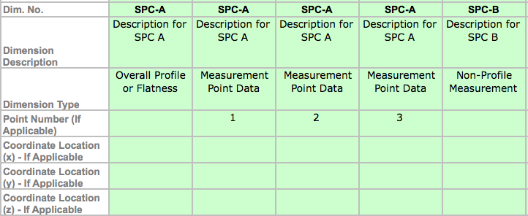

 | How to add more column:
 | Step 1:
 | Select the whole last column which has been used, and do copy (Command+C)
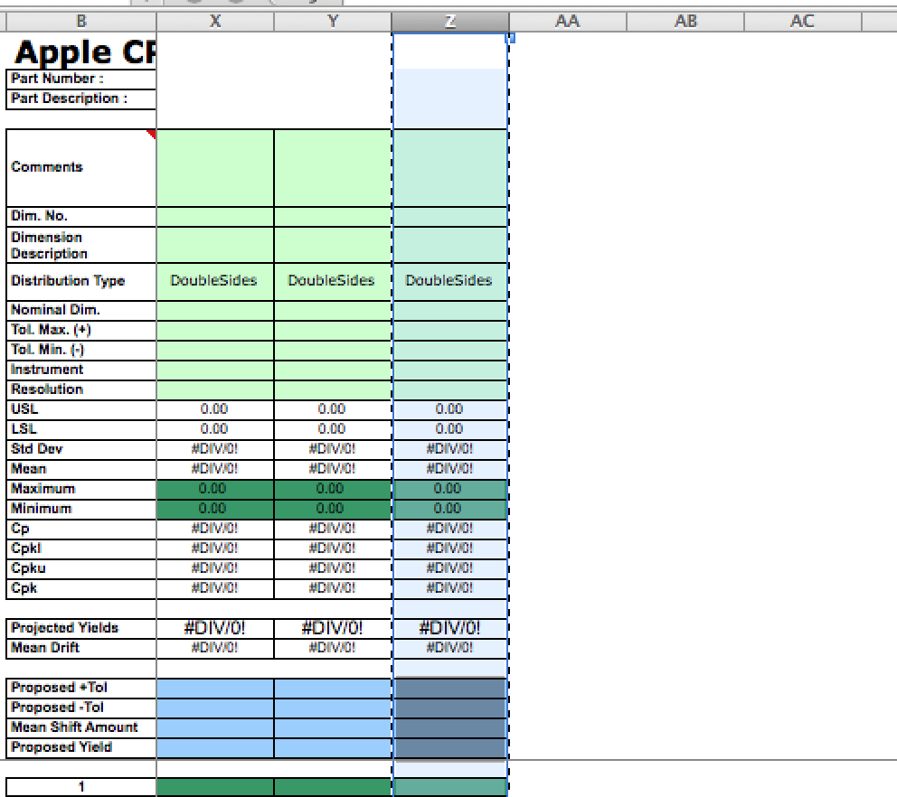

 | Step 2
 | Select as many columns as you need (Select 3 columns as example for this case), and do paste (Command+V)
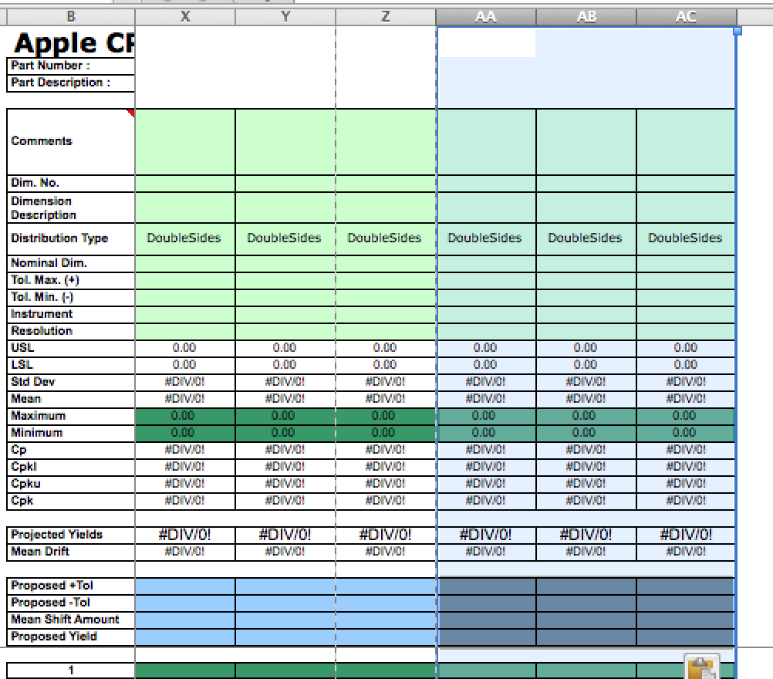

 | Step 3
 | Make sure you select correct Distribution Type for every dimension (column). This is important because which could affected projected yield number finally you get

Cpk Summary Sheet

 | How to use it:
 | Step 1
 | Click the Button

 | Step 2
 | Input the phase code (which the number 1, 2, 3 …in front to the phase name xxx) into the pop-up window, it will determin which area your data will be put into
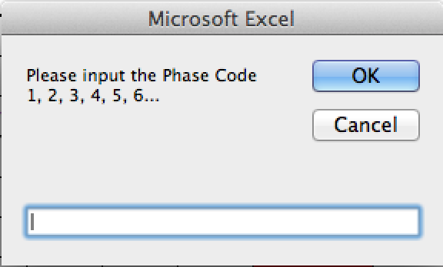
 |  |  | This number in red color is the phase code, which could be 1, 2, 3…1820.
 |  |  | The max number is 1820, in other words, you can put maximum 1820 phases data into the format

 | Step 3
 | Input your data sheet name into the pop-up window
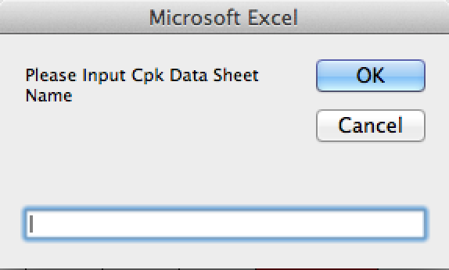

 | Step 4
 | Wait until this window pop up. Done, all data has been put into the format

 | Special Notes:
 | 1. Number of SPC items shall be determined by latest Drawing
 | 2. Make sure your Supplier don't miss or have extra SPC items from their Cpk report comparing to latest Drawing

 | 3. SPC Numbers are mot match between 2 Phases?
 | If there is below alert window come out, it means the new data with different SPC number comparing with existing data in the format
 | You can find out where is/are the differece in Data sheet between Column A and B, and then there are 2 ways to eliminate the difference.
 | Method 1
 |  | - By Insert row(s) in Cpk Summary sheet if your last phase data have less SPC item(s), and input the SPC number which you missed under 1st column which named as SPC
 |  | - By Delete row(s) in Cpk Summary sheet if your last phase data have more SPC item(s)
 | Method 2
 |  | Go to your Cpk data sheet to make your new data and last time data have same SPC items

 | How to add more phase(s)/block(s):
 | By default, the format only contain 6 phases. You can do copy/paste the format if you need more than 6 phases before you run the macro
 | Step 1
 | Select the whole last phase and do copy (Command+C)
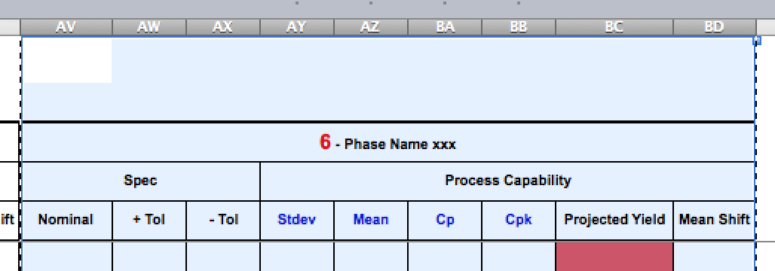

 | Step 2
 | Do Paste (Command+V) the format to other columns

 | Step 3
 | Revise the phase code and phase name

CpK and yield explanation
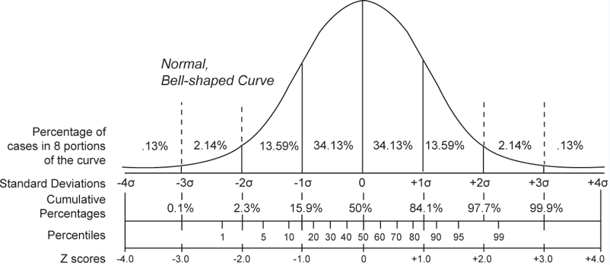
Explanation of formulas of Cp, Cpk and Projected Yield
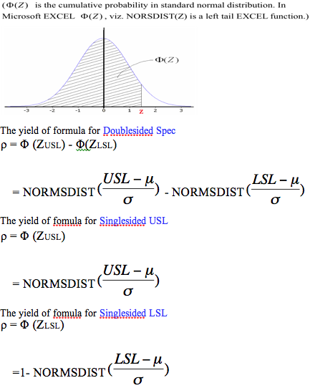
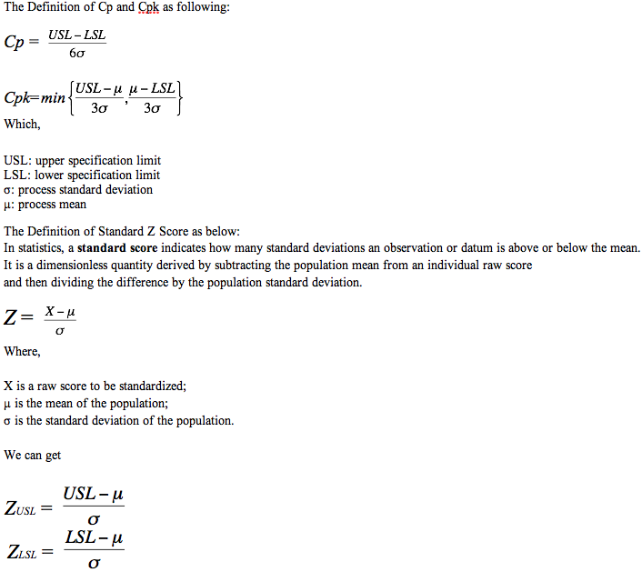

Below illustration is the explanation of the relationship betweeb Standard deviation, Cumulative probability and Z Score

