Histogram
Histogram
4.60 | 1
12.95 | 2
21.30 | 9
29.64 | 11
37.99 | 3
46.34 | 4
54.69 | 3
63.04 | 4
71.39 | 0
79.73 | 2
88.08 | 0
96.43 | 1
General step |  |  |  |  | Example | Sample data | 31 | 10 | 20 | Step1 | Min= | 1
Step1 | calculate the min. data |  |  |  |  |  | 15 | 19 | 18 | Step2 | Max= | 96
Step2 | calculate the max. data |  |  |  |  |  | 62 | 35 | 42 | Step3 | R= | 95
Step3 | calculate the Range (R) = Max-Min. |  |  |  |  |  | 21 | 51 | 48 | Step4 | K= | 12
Step4 | define the number of column (K) by formula |  |  |  |  |  | 96 | 28 |  | Step5 | L= | 8.35 | a= | 4.75
Example 1
 | K=1+3.23ln(n), n=sampling size. |  |  |  |  |  | 56 | 38 |  | Step6 | K number | Left | Right | Count
Step5 | calculate the Length (L) = R/K+a/(K-1), a=(max-min)/20. |  |  |  |  |  | 27 | 41 |  |  | 1 | -3.75 | 4.60 | 1
Step6 | define the left boundry of group1: Min-a (a is a constant) |  |  |  |  |  | 21 | 32 |  |  | 2 | 4.60 | 12.95 | 2
Step7 | define the right boundry of group1: Min-a+L |  |  |  |  |  | 62 | 25 |  |  | 3 | 12.95 | 21.30 | 9
K number | group K | Left | Right | data count |  |  | 56 | 11 |  |  | 4 | 21.30 | 29.64 | 11
1 | group 1 | Min-a | Min-a+L | n1 |  |  | 15 | 1 |  |  | 5 | 29.64 | 37.99 | 3
2 | group 2 | Min-a+L | Min-a+L*2 | n2 |  |  | 14 | 28 |  |  | 6 | 37.99 | 46.34 | 4
3 | group 3 | Min-a+L*2 | Min-a+L*3 | n3 |  |  | 27 | 24 |  |  | 7 | 46.34 | 54.69 | 3
…... |  |  |  |  |  |  | 23 | 29 |  |  | 8 | 54.69 | 63.04 | 4
K | group K | Min-a+L*(K-1) | Min-a+L*K | nk |  |  | 22 | 29 |  |  | 9 | 63.04 | 71.39 | 0
n1+n2+n3+…+nk=n (the total quantity of sample data) |  |  |  |  |  |  | 23 | 75 |  |  | 10 | 71.39 | 79.73 | 2
a=(Max-Min)/20, take the integer part. |  |  |  |  |  |  | 73 | 43 |  |  | 11 | 79.73 | 88.08 | 0
Step8 | Plot histogram based on table above. |  |  |  |  |  | 49 | 15 |  |  | 12 | 88.08 | 96.43 | 1

 |  |  |  |  |  |  | 1 | 26 | 51 | 76 | 101 | Min= | 1
 |  |  |  |  |  |  | 2 | 27 | 52 | 77 | 102 | Max= | 125
 |  |  |  |  |  |  | 3 | 28 | 53 | 78 | 103 | R= | 124
 |  |  |  |  |  |  | 4 | 29 | 54 | 79 | 104 | K= | 16
 |  |  |  |  |  |  | 5 | 30 | 55 | 80 | 105 | L= | 8.163 | a= | 6.2
 |  |  |  |  |  |  | 6 | 31 | 56 | 81 | 106 | K number | Left | Right | Count
Histogram
 |  |  |  |  |  |  | 7 | 32 | 57 | 82 | 107 | 1 | -5.20 | 2.96 | 2
 |  |  |  |  |  |  | 8 | 33 | 58 | 83 | 108 | 2 | 2.96 | 11.13 | 9
Example 2
 |  |  |  |  |  |  | 9 | 34 | 59 | 84 | 109 | 3 | 11.13 | 19.29 | 8
 |  |  |  |  |  |  | 10 | 35 | 60 | 85 | 110 | 4 | 19.29 | 27.45 | 8
 |  |  |  |  |  |  | 11 | 36 | 61 | 86 | 111 | 5 | 27.45 | 35.62 | 8
 |  |  |  |  |  |  | 12 | 37 | 62 | 87 | 112 | 6 | 35.62 | 43.78 | 8
 |  |  |  |  |  |  | 13 | 38 | 63 | 88 | 113 | 7 | 43.78 | 51.94 | 8
 |  |  |  |  |  |  | 14 | 39 | 64 | 89 | 114 | 8 | 51.94 | 60.11 | 9
 |  |  |  |  |  |  | 15 | 40 | 65 | 90 | 115 | 9 | 60.11 | 68.27 | 8
 |  |  |  |  |  |  | 16 | 41 | 66 | 91 | 116 | 10 | 68.27 | 76.43 | 8
 |  |  |  |  |  |  | 17 | 42 | 67 | 92 | 117 | 11 | 76.43 | 84.60 | 8
 |  |  |  |  |  |  | 18 | 43 | 68 | 93 | 118 | 12 | 84.60 | 92.76 | 8
 |  |  |  |  |  |  | 19 | 44 | 69 | 94 | 119 | 13 | 92.76 | 100.92 | 8
 |  |  |  |  |  |  | 20 | 45 | 70 | 95 | 120 | 14 | 100.92 | 109.09 | 9
 |  |  |  |  |  |  | 21 | 46 | 71 | 96 | 121 | 15 | 109.09 | 117.25 | 8
 |  |  |  |  |  |  | 22 | 47 | 72 | 97 | 122 | 16 | 117.25 | 125.41 | 8
 |  |  |  |  |  |  | 23 | 48 | 73 | 98 | 123
 |  |  |  |  |  |  | 24 | 49 | 74 | 99 | 124
 |  |  |  |  |  |  | 25 | 50 | 75 | 100 | 125

Boxplot
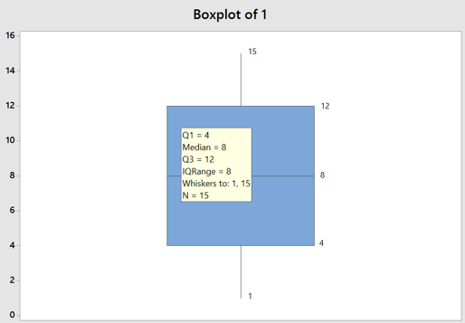
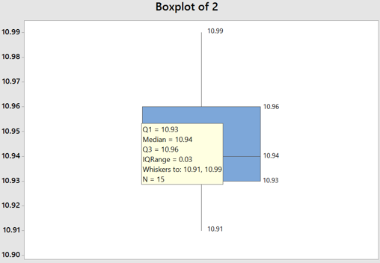
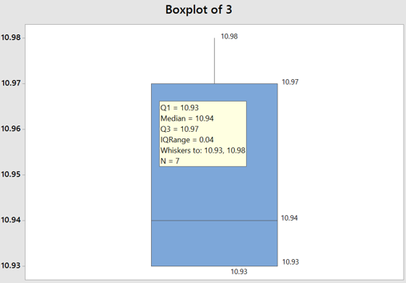
Lot No. | 1 | 2 | 3 | 4 | 5 | 6
Subgroup | 1 | 10.96 | 10.94 | 5 | 1160 | 1590
 | 2 | 10.93 | 10.97 | 6 | 1150 | 910
 | 3 | 10.94 | 10.93 | 7 | 1770 | 1520
 | 4 | 10.93 | 10.98 | 8 | 1190 | 1270
 | 5 | 10.91 | 10.93 |  | 1030 | 1470
 | 6 | 10.95 | 10.95 |  | 1570 | 1110
 | 7 | 10.94 | 10.94 |  | 1090 | 1290
 | 8 | 10.94 |  |  | 1000
 | 9 | 10.97 |  |  | 880
 | 10 | 10.95
 | 11 | 10.99
 | 12 | 10.95
 | 13 | 10.93
 | 14 | 10.97
 | 15 | 10.94
min | 1 | 10.91 | 10.93 | 5 | 880 | 910
Q1 | 4 | 10.93 | 10.93 | 5.25 | 1015 | 1110
Median | 8 | 10.94 | 10.94 | 6.5 | 1150 | 1290
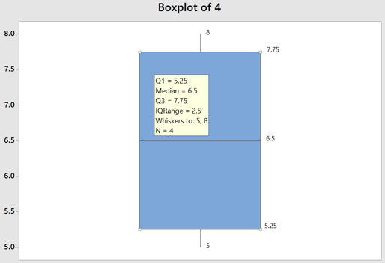
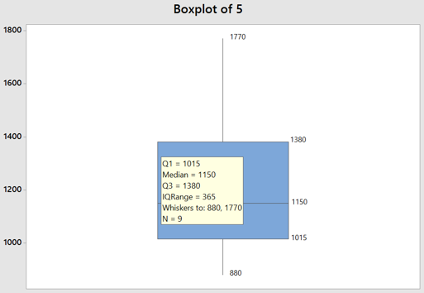
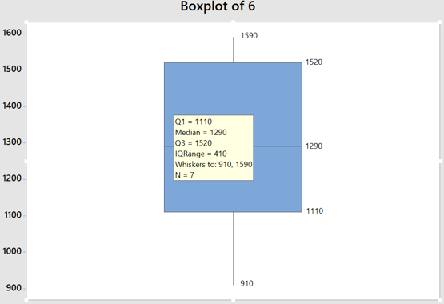
Q3 | 12 | 10.96 | 10.97 | 7.75 | 1380 | 1520
max | 15 | 10.99 | 10.98 | 8 | 1770 | 1590
Q1-1.5*(Q3-Q1) | -8 | 10.885 | 10.87 | 1.5 | 467.5 | 495
Q3+1.5*(Q3-Q1) | 24 | 11.005 | 11.03 | 11.5 | 1927.5 | 2135
A = max{Q1-1.5*(Q3-Q1), min} | 1 | 10.91 | 10.93 | 5 | 880 | 910
B = Q1 | 4 | 10.93 | 10.93 | 5.25 | 1015 | 1110
C = Median | 8 | 10.94 | 10.94 | 6.5 | 1150 | 1290
D = Q3 | 12 | 10.96 | 10.97 | 7.75 | 1380 | 1520
E = min{Q3-1.5*(Q3-Q1), max} | 15 | 10.99 | 10.98 | 8 | 1770 | 1590

E

D

C

B

A

Remarks: Q1 = the first quartile; Q3 = the third quartile.

Sheet2
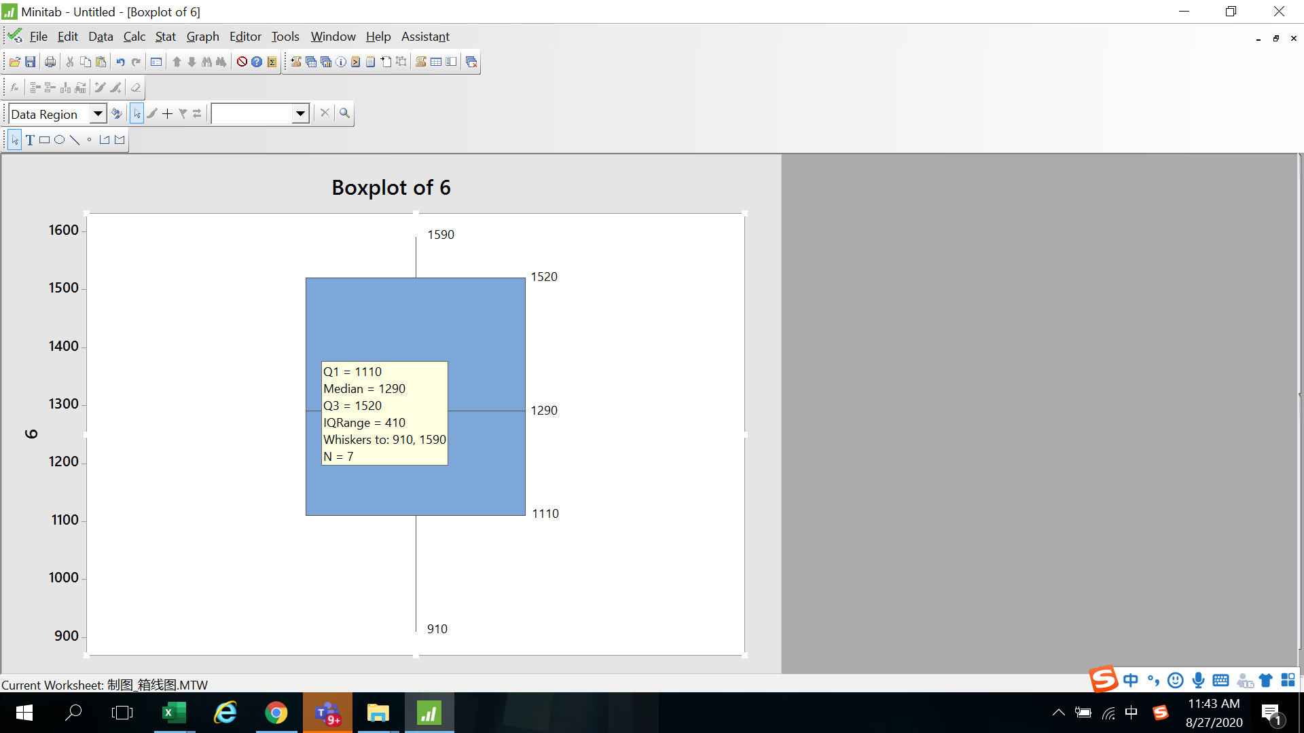

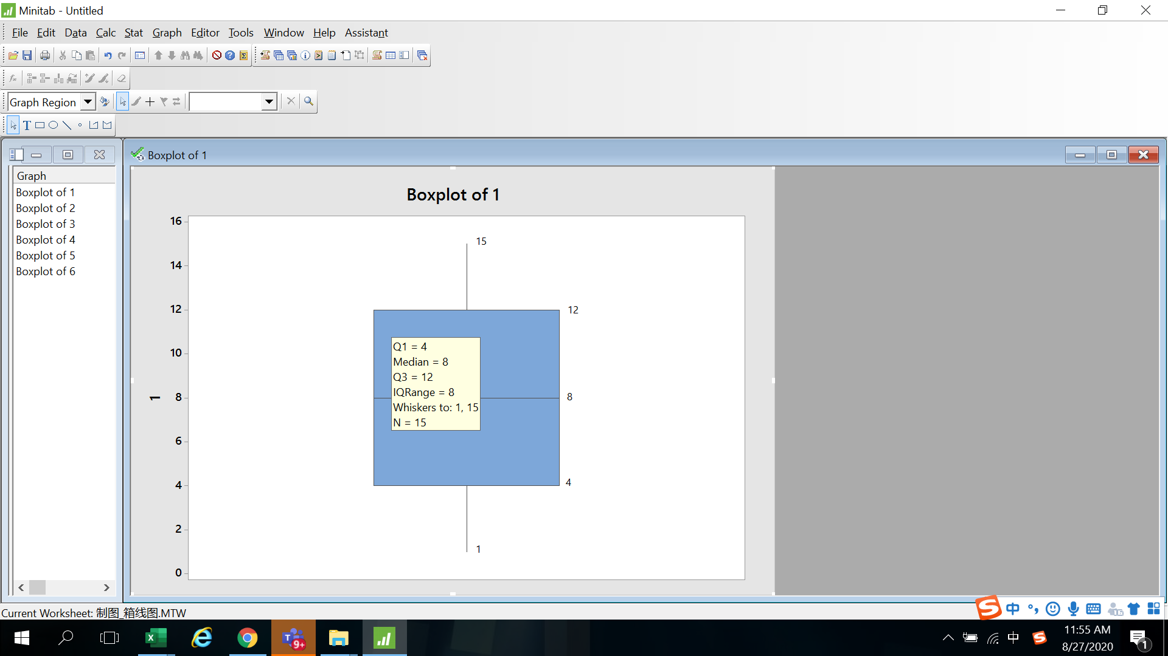
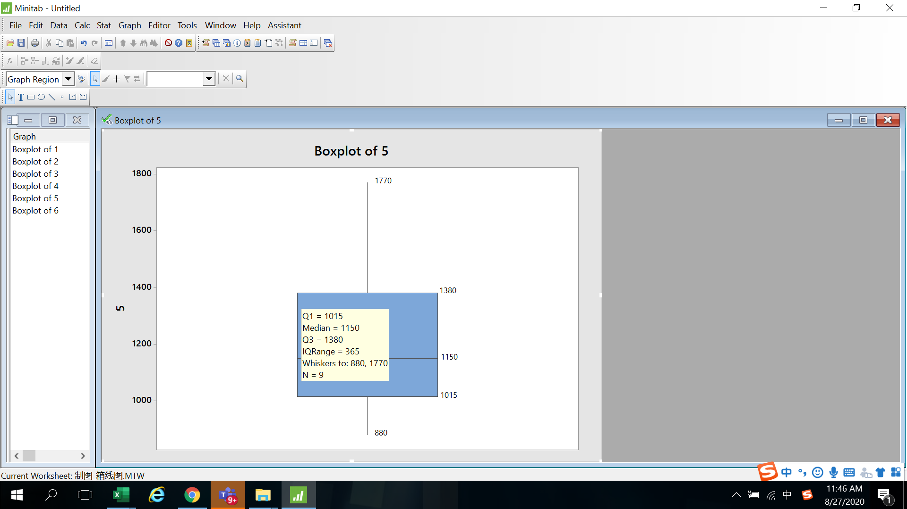
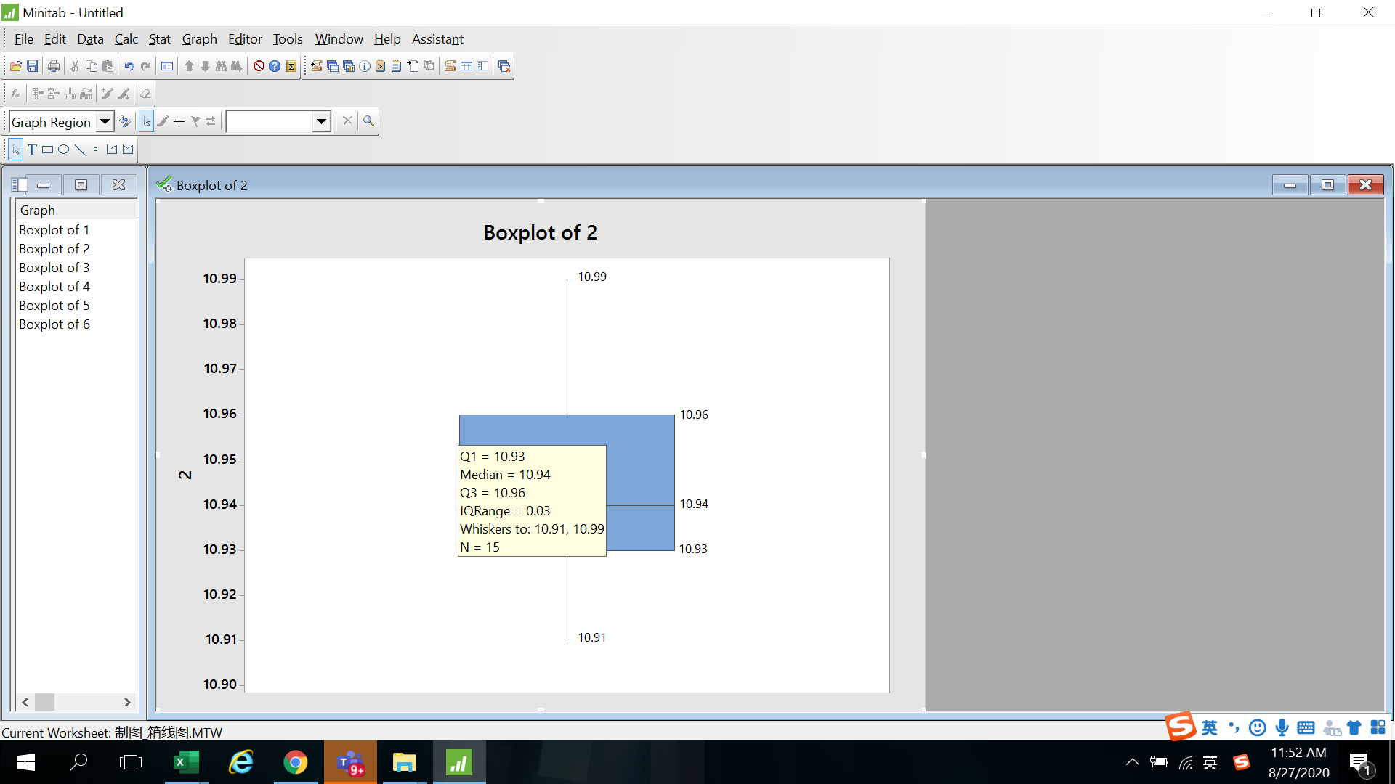
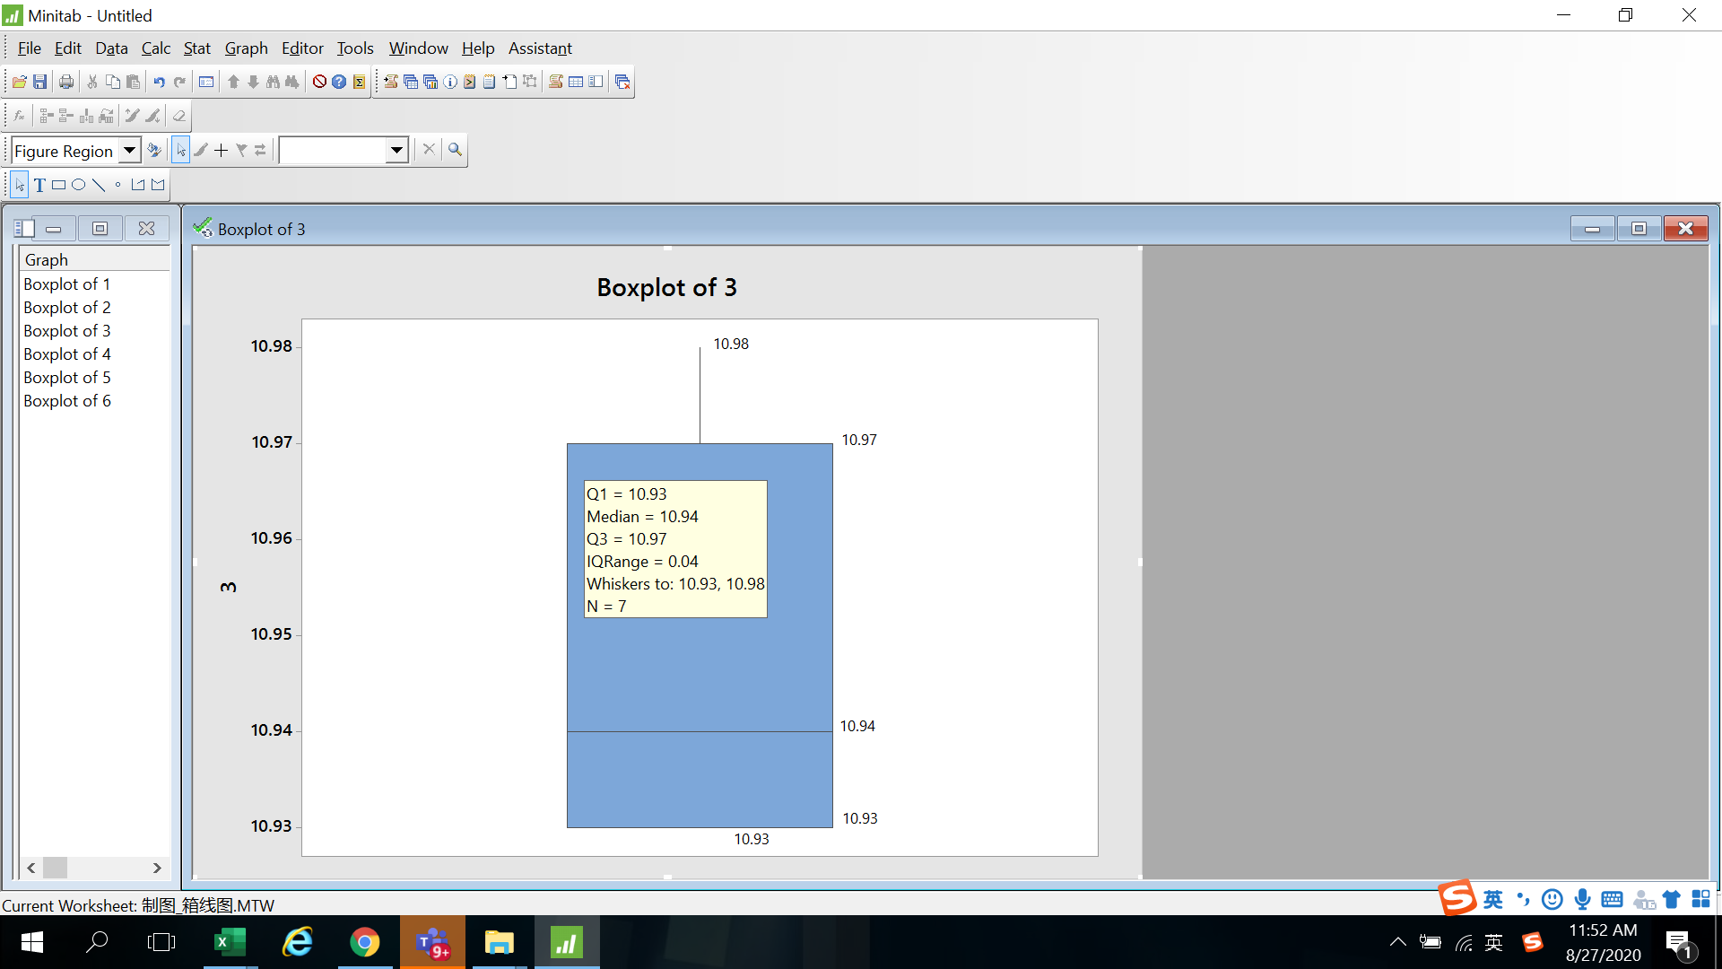
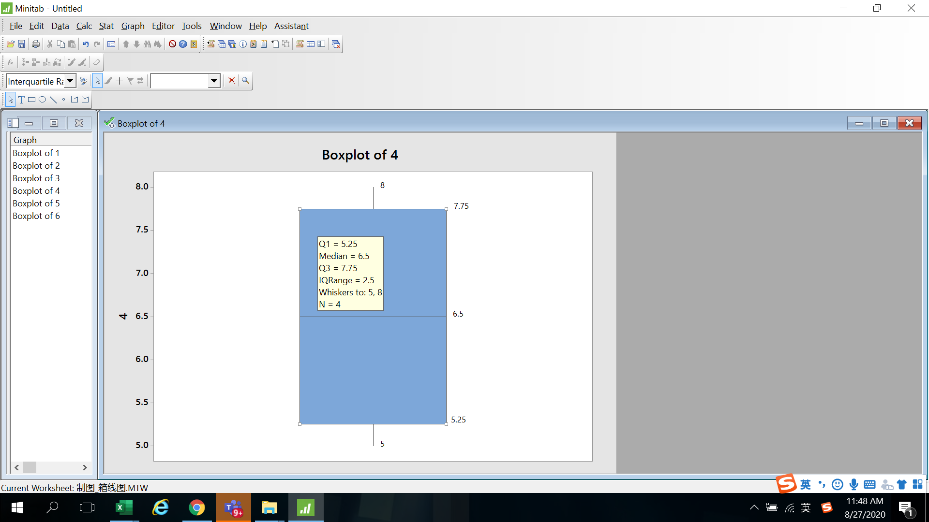

Interval Plot
Example 4
Lot no. |  | 1 | 2 | 3 | 4 | 5 | 6 | 7 | 8 | 9 | 10 | 11 | 12 | 13 | 14 | 15 | 16 | 17 | 18 | 19 | 20 | 21 | 22 | 23 | 24 | 25 | df = n-1 | t(n-1)
Subgroup |  | 10.95 | 10.91 | 10.97 | 10.92 | 11.02 | 10.92 | 10.98 | 10.96 | 10.94 | 10.91 | 10.94 | 10.97 | 10.99 | 10.93 | 11.02 | 10.95 | 10.96 | 10.97 | 11 | 10.95 | 10.95 | 10.92 | 10.95 | 11 | 10.94 | 1 | 12.706
 |  | 10.9 | 10.97 | 10.91 | 10.94 | 10.96 | 10.94 | 10.91 | 10.93 | 10.93 | 10.95 | 10.94 | 10.95 | 10.95 | 10.97 | 10.98 | 10.95 | 10.95 | 10.97 | 10.93 | 10.92 | 10.94 | 10.97 | 10.94 | 10.99 | 10.92 | 2 | 4.303
 |  | 10.95 | 10.95 | 10.94 | 10.95 | 10.92 | 10.93 | 10.96 | 10.94 | 10.97 | 10.93 | 10.98 | 10.93 | 10.95 | 10.94 | 10.97 | 10.93 | 10.97 | 10.93 | 10.95 | 10.92 | 10.95 | 11 | 10.93 | 10.9 | 10.96 | 3 | 3.182
 |  | 10.96 | 10.98 | 10.95 | 10.95 | 10.98 | 10.98 | 10.9 | 10.93 | 10.96 | 10.96 | 10.94 | 10.92 | 10.95 | 10.92 | 10.96 | 10.94 | 10.99 | 10.95 | 10.96 | 10.98 | 10.96 | 10.94 | 10.96 | 10.94 | 10.93 | 4 | 2.776
 |  | 10.98 | 10.94 | 10.93 | 10.93 | 10.99 | 10.95 | 10.93 | 10.96 | 10.95 | 10.92 | 10.97 | 10.98 | 10.96 | 10.93 | 10.91 | 10.93 | 10.95 | 11.01 | 10.96 | 10.93 | 10.97 | 10.94 | 10.95 | 10.98 | 10.96 | 5 | 2.571
Average |  | 10.95 | 10.95 | 10.94 | 10.94 | 10.97 | 10.94 | 10.94 | 10.94 | 10.95 | 10.93 | 10.95 | 10.95 | 10.96 | 10.94 | 10.97 | 10.94 | 10.96 | 10.97 | 10.96 | 10.94 | 10.95 | 10.95 | 10.95 | 10.96 | 10.94 | 6 | 2.447
t(n-1) coefficient table
Stdev |  | 0.03 | 0.03 | 0.02 | 0.01 | 0.04 | 0.02 | 0.03 | 0.02 | 0.02 | 0.02 | 0.02 | 0.03 | 0.02 | 0.02 | 0.04 | 0.01 | 0.02 | 0.03 | 0.03 | 0.03 | 0.01 | 0.03 | 0.01 | 0.04 | 0.02 | 7 | 2.365
95% CI | low limit | 10.9114 | 10.9160 | 10.9122 | 10.9218 | 10.9279 | 10.9154 | 10.8943 | 10.9252 | 10.9304 | 10.9083 | 10.9298 | 10.9183 | 10.9385 | 10.9141 | 10.9188 | 10.9276 | 10.9432 | 10.9292 | 10.9283 | 10.9083 | 10.9398 | 10.9151 | 10.9318 | 10.9105 | 10.9198 | 8 | 2.306
 | upper limit | 10.9846 | 10.9840 | 10.9678 | 10.9542 | 11.0201 | 10.9726 | 10.9777 | 10.9628 | 10.9696 | 10.9597 | 10.9782 | 10.9817 | 10.9815 | 10.9619 | 11.0172 | 10.9524 | 10.9848 | 11.0028 | 10.9917 | 10.9717 | 10.9682 | 10.9929 | 10.9602 | 11.0135 | 10.9642 | 9 | 2.262
A = 95% CI low limit |  | 10.9114 | 10.9160 | 10.9122 | 10.9218 | 10.9279 | 10.9154 | 10.8943 | 10.9252 | 10.9304 | 10.9083 | 10.9298 | 10.9183 | 10.9385 | 10.9141 | 10.9188 | 10.9276 | 10.9432 | 10.9292 | 10.9283 | 10.9083 | 10.9398 | 10.9151 | 10.9318 | 10.9105 | 10.9198 | 10 | 2.228
B = Average |  | 10.9480 | 10.9500 | 10.9400 | 10.9380 | 10.9740 | 10.9440 | 10.9360 | 10.9440 | 10.9500 | 10.9340 | 10.9540 | 10.9500 | 10.9600 | 10.9380 | 10.9680 | 10.9400 | 10.9640 | 10.9660 | 10.9600 | 10.9400 | 10.9540 | 10.9540 | 10.9460 | 10.9620 | 10.9420 | 11 | 2.201
C = 95% CI upper limit |  | 10.9846 | 10.9840 | 10.9678 | 10.9542 | 11.0201 | 10.9726 | 10.9777 | 10.9628 | 10.9696 | 10.9597 | 10.9782 | 10.9817 | 10.9815 | 10.9619 | 11.0172 | 10.9524 | 10.9848 | 11.0028 | 10.9917 | 10.9717 | 10.9682 | 10.9929 | 10.9602 | 11.0135 | 10.9642 | 12 | 2.179

 |  |  |  |  |  |  |  |  |  |  |  |  |  |  |  |  |  |  |  |  |  |  |  |  |  |  | 13 | 2.160
C = Average + t(n-1)*Stdev/sqrt(n)
 |  |  |  |  |  |  |  |  |  |  |  |  |  |  |  |  |  |  |  |  |  |  |  |  |  |  | 14 | 2.145
 |  |  |  |  |  |  |  |  |  |  |  |  |  |  |  |  |  |  |  |  |  |  |  |  |  |  | 15 | 2.131
 |  |  |  |  |  |  |  |  |  |  |  |  |  |  |  |  |  |  |  |  |  |  |  |  |  |  | 16 | 2.120
 |  |  |  |  |  |  |  |  |  |  |  |  |  |  |  |  |  |  |  |  |  |  |  |  |  |  | 17 | 2.110
 |  |  |  |  |  |  |  |  |  |  |  |  |  |  |  |  |  |  |  |  |  |  |  |  |  |  | 18 | 2.101
 |  |  |  |  |  |  |  |  |  |  |  |  |  |  |  |  |  |  |  |  |  |  |  |  |  |  | 19 | 2.093
 |  |  |  |  |  |  |  |  |  |  |  |  |  |  |  |  |  |  |  |  |  |  |  |  |  |  | 20 | 2.086
 |  |  |  |  |  |  |  |  |  |  |  |  |  |  |  |  |  |  |  |  |  |  |  |  |  |  | 21 | 2.080
 |  |  |  |  |  |  |  |  |  |  |  |  |  |  |  |  |  |  |  |  |  |  |  |  |  |  | 22 | 2.074
 |  |  |  |  |  |  |  |  |  |  |  |  |  |  |  |  |  |  |  |  |  |  |  |  |  |  | 23 | 2.069
B
 |  |  |  |  |  |  |  |  |  |  |  |  |  |  |  |  |  |  |  |  |  |  |  |  |  |  | 24 | 2.064
 |  |  |  |  |  |  |  |  |  |  |  |  |  |  |  |  |  |  |  |  |  |  |  |  |  |  | 25 | 2.060
 |  |  |  |  |  |  |  |  |  |  |  |  |  |  |  |  |  |  |  |  |  |  |  |  |  |  | 26 | 2.056
 |  |  |  |  |  |  |  |  |  |  |  |  |  |  |  |  |  |  |  |  |  |  |  |  |  |  | 27 | 2.052
 |  |  |  |  |  |  |  |  |  |  |  |  |  |  |  |  |  |  |  |  |  |  |  |  |  |  | 28 | 2.048
 |  |  |  |  |  |  |  |  |  |  |  |  |  |  |  |  |  |  |  |  |  |  |  |  |  |  | 29 | 2.045
 |  |  |  |  |  |  |  |  |  |  |  |  |  |  |  |  |  |  |  |  |  |  |  |  |  |  | 30 | 2.042
 |  |  |  |  |  |  |  |  |  |  |  |  |  |  |  |  |  |  |  |  |  |  |  |  |  |  | 40 | 2.021
 |  |  |  |  |  |  |  |  |  |  |  |  |  |  |  |  |  |  |  |  |  |  |  |  |  |  | 60 | 2.000
 |  |  |  |  |  |  |  |  |  |  |  |  |  |  |  |  |  |  |  |  |  |  |  |  |  |  | 120 | 1.980
A = Average - t(n-1)*Stdev/sqrt(n)
 |  |  |  |  |  |  |  |  |  |  |  |  |  |  |  |  |  |  |  |  |  |  |  |  |  |  | ∞ | 1.960

Remarks: 95% CI low limit = Average - t(n-1)*Stdev/sqrt(n), 95% CI upper limit = Average +t(n-1)*Stdev/sqrt(n)

Bar Chart
Bar Chart
Subgroup | Sampling size | Pass | Fail
082720 08:30 | 100 | 99 | 1
082720 08:31 | 234 | 220 | 14
082720 08:32 | 100 | 98 | 2
082720 08:33 | 100 | 100 | 0
082720 08:34 | 120 | 119 | 1
082720 08:35 | 200 | 199 | 1
082720 08:36 | 180 | 160 | 20
082720 08:37 | 150 | 148 | 2
082720 08:38 | 100 | 99 | 1
082720 08:39 | 100 | 98 | 2

Pareto Chart
Pareto Chart
Defect | Defect qty | Accumulated ratio | the formula to calculate each accumulated ratio.
开路 | 325 | 39.68% | = (Defect qty of 开路/total)*100%
披锋 | 235 | 68.38% | = (Defect qty of 开路，披锋/total)*100%
杂物 | 89 | 79.24% | = (Defect qty of 开路，披锋，杂物/total)*100%
亮印 | 67 | 87.42% | = (Defect qty of 开路，披锋，杂物，亮印/total)*100%
缺口 | 37 | 91.94% | = (Defect qty of 开路，披锋，杂物，亮印，缺口/total)*100%
缩水 | 34 | 96.09% | = (Defect qty of 开路，披锋，杂物，亮印，缺口，缩水/total)*100%
其它 | 32 | 100.00% | = (Defect qty of 开路，披锋，杂物，亮印，缺口，缩水，其它/total)*100%
total | 819

this column, data should be arranged from big at the top to small at the btm as the example.

this column: Primary axis, range from "0" to "total qty".
this column: secondry axis, range from "0%" to "100%".

