1normality test process example
Statistical Hypothesis test --- Normality test process (by Anderson-Darling)
1 | sample data: refer to the right side picture, that how much data is showing at the data table, all of them will join in to do Normality test, X(date+time range)*Y(subgroup size).
 | below is an example to know how to proceed the calculation steps.
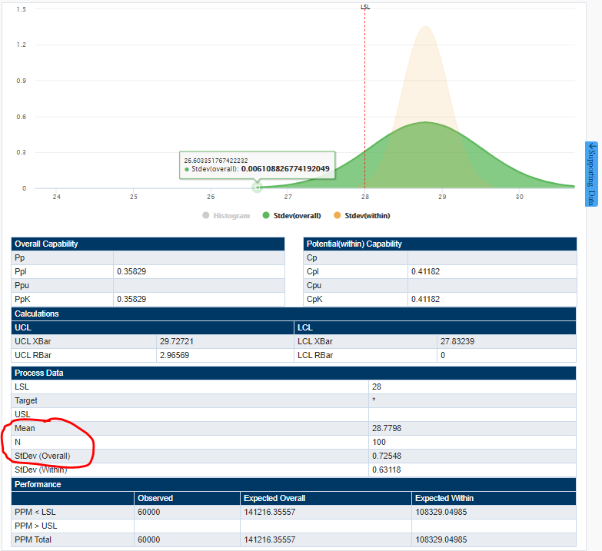
 | 10.24 | 9.96 | 9.98 | 10.07 | 9.96 | 10.24 | 10.22 | 10.05 | 9.78 | 9.89
2 | order the set of data: small left to big right.
 | 9.78 | 9.89 | 9.96 | 9.96 | 9.98 | 10.05 | 10.07 | 10.22 | 10.24 | 10.24
3 | mean and stdev calculation
 | mean= |  | 10.039
 | stdev(overall)= |  | 0.15630810031
4 | F(yi) and 1-F(yn+1-i) calculation
4.1 | F(yi) calculation
 | 0.048761368742 | 0.17023283795 | 0.30663472274 | 0.30663472274 | 0.35291602454 | 0.5280519407 | 0.57860509403 | 0.87656174169 | 0.90076482969 | 0.90076482969
4.2 | 1-F(yn+1-i) calculation
 | 0.099235170314 | 0.099235170314 | 0.12343825831 | 0.42139490597 | 0.4719480593 | 0.64708397546 | 0.69336527726 | 0.69336527726 | 0.82976716205 | 0.95123863126
 | Formula as below
$$F\left(y_{i}\right)=Φ{\left((y_{i}−\overline{X}\right)}/{S)}$$

$$Φ{\left((y_{i}−\overline{X}\right)}/{S):this is the cumulative distribution function of the standard normal distribution. yi are the ordered data. }$$

$$F\left(y_{i}\right)=\frac{1}{\sqrt{2π}S}\int_{−∞}^{y_{i}}{ⅇ^{−\frac{\left(t−\overline{X}\right)2}{2S^{2}}}ⅆt}$$
$$F\left(y_{i}\right)=\frac{1}{\sqrt{2π}σ}\int_{−∞}^{y_{i}}{ⅇ^{−\frac{\left(t−μ\right)2}{2σ^{2}}}ⅆt}$$

$$AD=−n−\frac{1}{n}\sum_{i=1}^{n}{\left(2i−1\right)\left\{\operatorname{lnF}\left(y_{i}\right)+\ln\left[1−F\left(y_{1+n−i}\right)\right]\right\}}$$
4.3 | AD calculation
 |  |  |  |  |  | n = N

$$AD∗=AD(1+\frac{0.75}{n}+\frac{2.25}{n2})$$
 | AD= | 0.34392338384
4.4 | AD* calculation
 |  |  |  | n = N

 | AD*= | 0.3774559
4.5 | P-value calculation
$$P=C_{1}+C_{2}\exp\left(C_{3}+C_{4}AD^{∗}+C_{5}AD^{∗2}\right)$$

 |  |  |  |  |  |  |  |  |  | all value coefficients for C1, C2, C3, C4 and C5 are fixed

 | P-value= | 0.40899737166
5 | Normality test coclusion
 | If P<0.05, data fail normality test,
 | If P>0.05, data pass normality test.

Normality Test Report (by Anderson-Darling)

01. Mean:
02. Stdev(overall):
03. N:
04. AD:
05. AD*:
06. C1
07. C2:
08. C3:
09. C4:
10: C5:
11: P-value:

When pass, use this one.

P-value > 0.05, normality test pass.
PASS

Normality Test Report (by Anderson-Darling)
01. Mean:
02. Stdev(overall):
03. N:
04. AD:
05. AD*:
06. C1
07. C2:
08. C3:
09. C4:
10: C5:
11: P-value:
P-value < 0.05, normality test fail.
FAIL

When fail, use this one.

2run test process example
Statistical Hypothesis test --- Run test process
1 | sample data: refer to the right side picture, that how much data is showing at the data table, all of them will join in to do Run test, X(date+time range)*Y(subgroup size).
 | below is an example to know how to proceed the calculation steps.
 | 90 | 73 | 59 | 52 | 80 | 100 | 64 | 75 | 53 | 68 | 81 | 65 | 68 | 59 | 95 | 55 | 67 | 92 | 60 | 71 | 94 | 93 | 77 | 79 | 89 | 86 | 83 | 78
2 | calculate the median value
 | median = |  | 76.000
3 | re-define the data along the sequence
 | requirement: if data value is bigger than median value, re-define as 1, if not, re-define as 0. so the data set has been changed to:
 | 1 | 0 | 0 | 0 | 1 | 1 | 0 | 0 | 0 | 0 | 1 | 0 | 0 | 0 | 1 | 0 | 0 | 1 | 0 | 0 | 1 | 1 | 1 | 1 | 1 | 1 | 1 | 1
 | 1 | 2 |  |  | 3 |  | 4 |  |  |  | 5 | 6 |  |  | 7 | 8 |  | 9 | 10 |  | 11
 | So, the runs count is: R= |  |  | 11 | the count of "1" m= |  | 14 |  | the count of "0" n= |  | 14
4 | choose a fixed α=0.05
4.1 | calculate the critical value
 | P(X≤x)=0.025 → x=-1.95996 |  |  | This value -1.95996 is fixed
4.2.1 | If maxium (m, n) ≤ 20, check the acceptance range from the tabel below with the m and n value.
 | If R value is within the range, pass run test; if not, fail run test. |  |  |  |  |  |  |  |  |  |  |  |  |  |  |  |  |  |  |  |  |  |  |  |  |  |  |  | from the first column read from Top to Bottom then followed by next column

 |  |  |  |  |  |  |  |  |  |  |  |  |  |  |  |  |  |  |  |  |  |  |  |  |  |  |  |  | When the sample data = Median then consider as 0

 | example R = 11, which is within the range: from 9 to 21.

 | so, pass run test.
4.2.2 | If maxium (m, n) > 20, follow the method as below.
4.2.2.1 | Z calculation, formula as below:
$$E\left(R\right)=2\frac{mn}{m+n}+1$$
$$\operatorname{var}\left(R\right)=\sqrt{\frac{2mn\left[2mn−\left(m+n\right)\right]}{{\left(m+n\right)}^{2}\left[(m+n)−1\right]}}$$

$$z=\frac{R−E\left(R\right)}{νar\left(R\right)}$$

 | Z = | -1.540657773 | → | |Z| = | 1.540657773
4.2.3 | acceptance criteria
 | If |Z| is small than the range, pass run test; if not, fail run test.

 | example |Z| = 1.54065777303929, which is smaller than 1.95996.

 | so, pass run test.

Run Test Report
R is within the range of (R_{1,0.025}, R_{2,0.025})
PASS
When maxium (m, n) ≤ 20
01. m:
02. n:
03. R:
04. R_{1,0.025}:
05. R_{2,0.025}:
FAIL
R is out of the range of (R_{1,0.025}, R_{2,0.025})
Run Test Report
When maxium (m, n) ≤ 20
01. m:
02. n:
03. R:
04. R_{1,0.025}:
05. R_{2,0.025}:

When maxium (m,n)<=20 and pass, use this one.
When maxium (m,n)<=20 and fail, use this one.

Run Test Report
When maxium (m, n) > 20
01. m:
02. n:
03. R:
04. |X|:
05. |Z|:
|Z| is smaller than |X|
PASS
FAIL
Run Test Report
When maxium (m, n) > 20
01. m:
02. n:
03. R:
04. |X|:
05. |Z|:
|Z| is bigger than |X|

When maxium (m,n)>20 and pass, use this one.
When maxium (m,n)>20 and fail, use this one.

