Log file mapping Wuxi FATP
Fields | Fields （Defination Changed) | Mandatory ? | Wuxi FATP | MicroVu | Hexagon | OGP
 |  |  |  | Vertex 311 UC , Vertex 311 HC , Vertex 220 | OPTIV ADVANCE 452F,Hexagon 452FM | CNC300
工单号(Work Oder Number) | 工单号(Work Oder NO. ) | Yes | WuxiFATP202009290001 固定字段“WuxiFATP"+YYYYMMDD+4位流水码 | 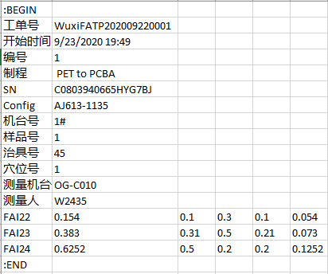 | 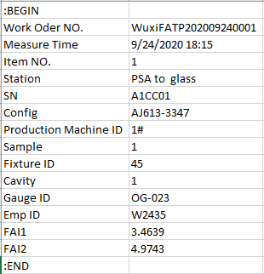 | 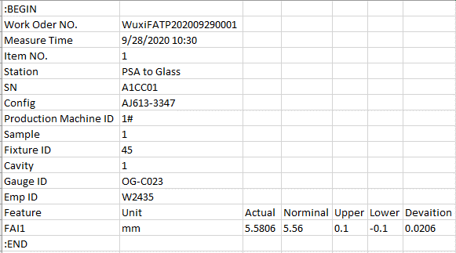
测量机台(Measuring Equipment Model) | 测量机台(Gauge ID) | Yes
测量人员(Measuring User Name) | 测量人员(Measuring User Name) | No | 非必要字段
Emp ID | Emp ID | Yes
Config | Config | No | 非必选字段，有时无Config信息时值为0或空白
Trial Number | Trial Number | No/yes if GRR | 无此项需求 | 无此项需求 | 无此项需求 | 无此项需求
生产机台号(Production Machine Id) | 生产机台号(Production Machine Id) | b方案为必需项
模号/治具号(Mold Id/Tooling ID) | 模号/治具号(Fixture ID) | No | 值为"1,2,3,4"，有时无模号/治具号则为空白
模穴(Cavity) | 模穴(Cavity) | b方案为必需项 | 值为"1,2,3,4"，有时无穴位号时为0。若穴位信息为空白时，系统自动转换成0
工件(Sample) | 工件(Sample) | b方案为必需项 | 值为"1,2,3,4"
量测日期 量测时间(MeasuringDateTime) | 量测日期 量测时间(Measure Time) | Yes
序列号(Serial Number) | 序列号(SN) | No | 非必选字段，若無序列號，需要為空，不可為0
尺寸编号(Dimension Code) | 尺寸编号(Dimension Code) | Yes | 必选字段，用于标识尺寸名并在报告内呈现编号
测量值(Measurement Value) | 测量值(Measurement Value) | Yes | 必选字段，用于标识尺寸结果并在报告内呈现编号。若出现空值则为异常
Item Number | Item NO. | a方案必需项 | 必选字段，用于Item Number绑定信息提取

