PCB_VREF
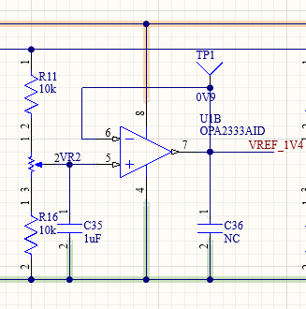

VDD | 1.2
VREF | 0.67
 |  |  | 0.8085
VREFN | 0.265 |  | 0.847
VREFP | 0.935 |  | 0.7315
Diode Vz | 0.77 | 補vz error | 0.693
 | for VREFN | for VREF |  |  |  |  |  |  |  | 15deg當作最小resolution
Rup(VREFN/VREF) | 10 | 1 |  |  |  |  |  |  |  | 圈數 | deg
Rdown | 10 |  |  |  |  |  |  |  | Radj | 20 | 15
Radj | 5 |  | 精準度(V) |  |  |  |  |  |  | 25
 |  |  | 20 | 25
VREFN_PCB_min | 0.308 | need adj. | 0.00032083333333 | 0.00025666666667
VREFP_PCB_min | 0.51333333333 | enough | 0.00053472222222 | 0.00042777777778
VREF_PCB_min | 0.48125 | enough | 0.00050130208333 | 0.00040104166667
 |  |  | 要轉幾倍的最小精準度 |  |  | 要轉幾度 |  | 要轉幾圈 |  |  | 最接近數值 |  | 與實際差距(e-5 V)
VREFN_PCB_max | 0.462 | enough | -134.02597403 | -167.53246753 |  | -2010.3896104 | -2512.987013 | -5.5844155844 | -6.9805194805 |  | 0.26500833333 | 0.26488 | 0.83 | -12
VREFP_PCB_max | 0.77 | need adj. | 788.57142857 | 985.71428571 |  | 11828.571429 | 14785.714286 | 32.857142857 | 41.071428571 |  | 0.93522916667 | 0.93512222222 | 22.92 | 12.22
VREF_PCB_max | 0.721875 | enough | 376.51948052 | 470.64935065 |  | 5647.7922078 | 7059.7402597 | 15.688311688 | 19.61038961 |  | 0.67024088542 | 0.670140625 | 24.09 | 14.06
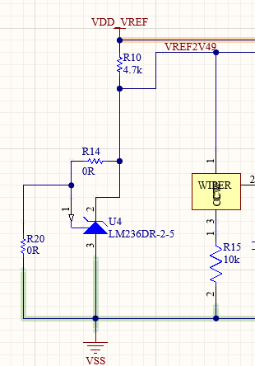
VDD_VREF | 1.2 | V
note. read diode's data sheet first
 | min | max
diode work current | 0.0004 | 0.01
R10 | 42.447091264 | 810.92549229

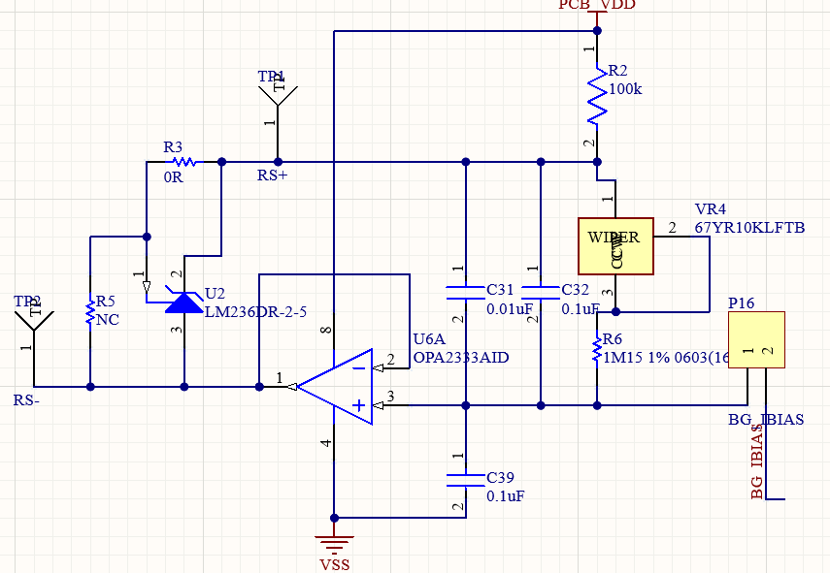
 |  |  | T18
IBIAS(current source) |  |  | Vth=0.5~0.7 | cascode | single diode connected
VZ | 2.49 |  | V(p16) | 1.2 | 0.6
VZ err | 2% |  | V(RS+) | 3.7117E+00
VZ(MAX) | 2.5398
VZ(MIN) | 2.4402 |  | PCB_VDD | 5 | use this
IBIAS current(ideal) | 2.15E+00 | u |  | 3.3 | use higher P.S.
R needed(ideal) | 1.1581E+06
 |  |  | note. read diode's data sheet first
Real R | 1.15 | M |  | min | max
IBIAS current(real) | 2.1652E-06 |  | diode work current | 0.0004 | 0.01
 |  |  | R2 | 128.80689312 | 3203.5287249
Radj | 10 | K

IBIAS(real)min | 2.1465517241E-06 | enough
IBIAS(real)max | 2.1652E-06 | enough

