Dashboard
FEMICIDE CASES IN KENYA ANALYSIS

Total Published Cases
507
Most Victime Age Range
26 - 36 yrs
Total Affected Counties
45
Common Method of Killing
Stabbing
Most Affected County
Nairobi
Intimate Partner Cases
83%
Total minor cases
20
Common murder scene
Home

Count of femicide by the date published
 | Total
<01/01/2016 | 38
2016 | 23
2017 | 48
2018 | 95
2019 | 49
2020 | 54
2021 | 76
2022 | 44
2023 | 75
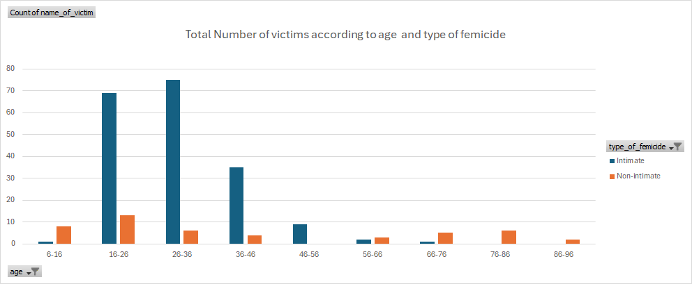

Verdict reached in court
 | Total
15 years | 1
guilty | 32
Not Guilty | 3
Total number of victims by murder scene
 | Total
home | 298
Not Provided | 6
Other | 10
Public Space | 79
school | 3
Workplace | 2

Total number of victims by mode of killing
 | Total
blunt force | 76
burned | 13
hacked | 67
Not Provided | 65
other | 14
sexual assault | 18
shot | 31
stabbed | 154
Strangled | 64
Total number of victims by the type of relationship with suspects
 | Total
Boyfriend | 105
Ex-Boyfriend | 14
Ex-Husband | 16
Family Member | 13
Friend | 22
Husband | 191
Not Provided | 2
Stranger | 35
Total number of femicide victims by region
 | Total
Central | 95
Coast | 23
Eastern | 58
Nairobi | 75
North Eastern | 3
Nyanza | 61
Rift Valley | 152
Western | 35

victims by age & type of femici
Total Number of victims according to age and type of femicide
 | Intimate | Non-intimate
6-16 | 1 | 8
16-26 | 69 | 13
26-36 | 75 | 6
36-46 | 35 | 4
46-56 | 9
56-66 | 2 | 3
66-76 | 1 | 5
76-86 |  | 6
86-96 |  | 2
Count of name_of_victim | Column Labels
Row Labels | Intimate | Non-intimate | Grand Total
6-16 | 1 | 8 | 9
16-26 | 69 | 13 | 82
26-36 | 75 | 6 | 81
36-46 | 35 | 4 | 39
46-56 | 9 |  | 9
56-66 | 2 | 3 | 5
66-76 | 1 | 5 | 6
76-86 |  | 6 | 6
86-96 |  | 2 | 2
Grand Total | 192 | 47 | 239

number of victims by scene
Total number of victims by murder scene
Total number of victims by murder scene
Row Labels | Count of type_of_murder
home | 298
Not Provided | 6
Other | 10
Public Space | 79
school | 3
Workplace | 2
Grand Total | 398

victims by circumstances
Total number of victims by circumstance to there death
Row Labels | Count of name_of_victim
Accused of infidelity | 1
altercation | 1
angered he could not marry her because they were relatives | 1
Argument | 156
argument during a drinking spree | 1
breakup | 13
deceived her by claiming to have found her lost phone | 1
denied conjugal rights | 1
denied him access to the Sh11,500 monthly support from Red Cross Society | 1
Denied sex | 2
Denied to marry her | 1
Denying him conjugal rights | 1
divorce | 2
divorce/separation | 1
domestic argument | 1
domestic fight | 1
Domestic quarrel | 2
domestic quarrel over shopping money | 1
domestic scuffle | 1
Domestic wrangle | 1
Drunk | 5
Family dispute | 1
found her in the company of another man, a fight broke out | 1
jealousy | 50
love gone sour | 1
man claimed that his wife was having extramarital affairs | 1
mistrust in the relationship | 1
Others | 5
payment disagreement | 1
Quarrel | 6
quarrel over sale of beans. | 1
quarrelling over a plate of food | 1
received information that his girlfriend was spotted with another man | 1
Robbery | 1
The rider made further advances and, when ignored, brandished a knife, | 1
the two were heard arguing about bhang proceeds | 1
threatening to walk away and quit the marriage | 1
unkown | 2
upset by his wifeâ€™s action to ditch him over constant threats to her life. | 1
wealth possesion | 1
Woman dumped him | 1
Grand Total | 274

victims by type_relationship
Total number of victims by the type of relationship with suspects
Row Labels | Count of type_of_murder
Boyfriend | 105
Ex-Boyfriend | 14
Ex-Husband | 16
Family Member | 13
Friend | 22
Husband | 191
Not Provided | 2
Stranger | 35
Grand Total | 398

femicide victims by region
Total number of femicide victims by region
Row Labels | Count of type_of_murder
Central | 95
Coast | 23
Eastern | 58
Nairobi | 75
North Eastern | 3
Nyanza | 61
Rift Valley | 152
Western | 35
Grand Total | 502

Femicide victims by region

verdict
Verdict reached in court
Row Labels | Count of Author Name
15 years | 1
guilty | 32
Not Guilty | 3
Grand Total | 36

total number of cases by publis
Count of femicide by the date published
Row Labels | Count of type_of_murder
<01/01/2016 | 38
2016 | 23
2017 | 48
2018 | 95
2019 | 49
2020 | 54
2021 | 76
2022 | 44
2023 | 75
Grand Total | 502

victims by mode of killing
Total number of victims by mode of killing
Row Labels | Count of type_of_murder
blunt force | 76
burned | 13
hacked | 67
Not Provided | 65
other | 14
sexual assault | 18
shot | 31
stabbed | 154
Strangled | 64
Grand Total | 502

