Answers_Shark_Attack
Show the count of attacks by country -- which 3 countries had the highest number of reported attacks over the past 5 years (2012-2016)? During this period, what % of reported attacks occurred in Spain? |  |  | Drag the "Area" field to the PivotTable row labels, change the Report Layout to Outline, and filter to show the top 5 areas by count of Case Number, by country. Where in South Africa were shark attacks most frequently reported over these 5 years? |  |  |  | Replace "Area" with "Type" and show the Count of Case Number values as % of Parent Total for each country. What % of attacks in New Zealand were unprovoked? How many cases? |  |  |  | Filter the Pivot for the USA only, and create a PivotChart to show the count of shark attacks by "Area". Use a column chart, and hide all field buttons. Try changing the chart type to a Donut or Bar Chart instead. |  |  | Remove the Year filter to show records from the full sample. What was Darren Good doing when he was attacked? When did this happen? (Note: I did not edit this record).
Etykiety wierszy | Liczba z Case Number | Liczba z Case Number2 | Country | Area | Count | % of total | Country | Type | Liczba z Case Number | Liczba z Case Number2 | Country | Area | Total | Name | Activity
USA | 313 | 62.35% | USA |  | 313 | 62.35% | New Zealand |  | 7 | 100.00% | USA |  | 313 | Darren Good
Australia | 128 | 25.50% |  | Florida | 153 | 30.48% |  | Unprovoked | 6 | 85.71% |  | Florida | 153 |  | Dived naked into the water on a bet
South Africa | 30 | 5.98% |  | Hawaii | 53 | 10.56% |  | Provoked | 1 | 14.29% |  | Hawaii | 53
Bahamas | 19 | 3.78% |  | California | 39 | 7.77% |  |  |  |  |  | California | 39
Reunion | 12 | 2.39% |  | South Carolina | 29 | 5.78% |  |  |  |  |  | South Carolina | 29
 |  |  |  | North Carolina | 19 | 3.78% |  |  |  |  |  | North Carolina | 19
Etykiety wierszy | Liczba z Case Number | Liczba z Case Number2 |  | Texas | 5 | 1.00% |  |  |  |  |  | Texas | 5
Spain | 9 | 1.49% |  | Alabama | 4 | 0.80% |  |  |  |  |  | Alabama | 4
 |  |  |  | Massachusetts | 3 | 0.60% |  |  |  |  |  | Massachusetts | 3
 |  |  |  | Oregon | 2 | 0.40% |  |  |  |  |  | Oregon | 2
 |  |  |  | Delaware | 1 | 0.20% |  |  |  |  |  | Delaware | 1
 |  |  |  | Palmyra Atoll | 1 | 0.20% |  |  |  |  |  | Palmyra Atoll | 1
 |  |  |  | Georgia | 1 | 0.20% |  |  |  |  |  | Georgia | 1
 |  |  |  | New Jersey | 1 | 0.20% |  |  |  |  |  | New Jersey | 1
 |  |  |  | Louisiana | 1 | 0.20% |  |  |  |  |  | Louisiana | 1
 |  |  |  | Maryland | 1 | 0.20% |  |  |  |  |  | Maryland | 1
 |  |  | Australia |  | 128 | 25.50%
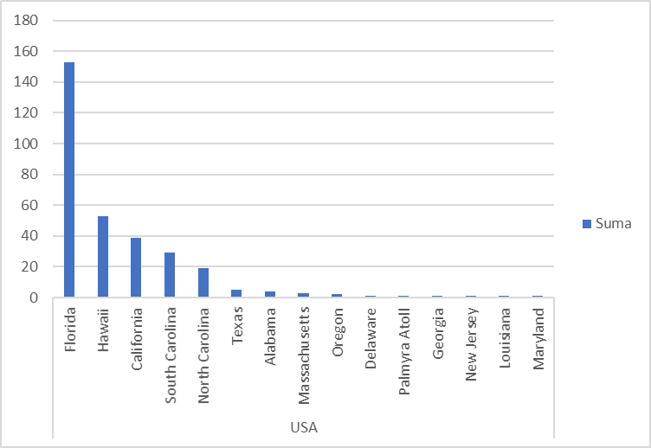
 |  |  |  | New South Wales | 53 | 10.56%
 |  |  |  | Western Australia | 36 | 7.17%
 |  |  |  | Queensland | 16 | 3.19%
 |  |  |  | Victoria | 10 | 1.99%
 |  |  |  | South Australia | 9 | 1.79%
 |  |  |  | Tasmania | 4 | 0.80%
 |  |  | South Africa |  | 30 | 5.98%
 |  |  |  | Western Cape Province | 13 | 2.59%
 |  |  |  | Eastern Cape Province | 12 | 2.39%
 |  |  |  | KwaZulu-Natal | 3 | 0.60%
 |  |  |  | Unknown | 2 | 0.40%
 |  |  | Bahamas |  | 19 | 3.78%
 |  |  |  | Unknown | 8 | 1.59%
 |  |  |  | Abaco Islands | 5 | 1.00%
 |  |  |  | Eleuthera | 2 | 0.40%
 |  |  |  | New Providence Island | 1 | 0.20%
 |  |  |  | West End | 1 | 0.20%
 |  |  |  | Exuma Islands | 1 | 0.20%
 |  |  |  | Grand Bahama Island | 1 | 0.20%
 |  |  | Reunion |  | 12 | 2.39%
 |  |  |  | Unknown | 2 | 0.40%
 |  |  |  | d’Étang-Salé | 2 | 0.40%
 |  |  |  | Saint Leu | 1 | 0.20%
 |  |  |  | Saint-Paul | 1 | 0.20%
 |  |  |  | Saint-Leu | 1 | 0.20%
 |  |  |  | Saint-Benoit | 1 | 0.20%
 |  |  |  | Trois-Bassins | 1 | 0.20%
 |  |  |  | Le Port | 1 | 0.20%
 |  |  |  | Saint-Gilles-les-Bains | 1 | 0.20%
 |  |  |  | Saint-Gilles | 1 | 0.20%

