bubble
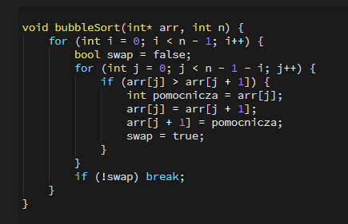

 |  |  |  |  |  |  |  |  |  |  |  |  |  |  |  |  |  |  |  | n
 |  |  |  |  |  |  |  | n-1-i | i | j | T[j] > T[j+1] |  | 0 | 1 | 2 | 3 | 4 | 5 | 6 | 7
 |  |  |  |  |  |  |  |  | 0 | 0 | - 2 > 0 | F | -2 | 0 | 4 | -3 | 2 | 7 | 1
 |  |  |  |  |  |  |  |  |  | 1 | 0 > 4 | F
 |  |  |  |  |  |  |  |  |  | 3 | 4 > - 3 | T | -2 | 0 | -3 | 4 | 2 | 7 | 1
 |  |  |  |  |  |  |  |  |  | 4 | 2 > 7 | F
 |  |  |  |  |  |  |  |  |  | 5 | 7 > 1 | T | -2 | 0 | -3 | 4 | 2 | 1 | 7
 |  |  |  |  |  |  |  |  | 1 | 0 | -2 > 0 | F
 |  |  |  |  |  |  |  |  |  | 1 | 0 > -3 | T | -2 | -3 | 0 | 4 | 2 | 1 | 7
 |  |  |  |  |  |  |  |  |  | 2 | 0 > 4 | F
 | 0 | 1 | 2 | 3 | 4 | 5 | 6 |  |  | 3 | 4 > 2 | T | -2 | -3 | 0 | 2 | 4 | 1 | 7
T | -2 | 0 | 4 | -3 | 2 | 7 | 1 |  |  | 4 | 4 > 1 | T | -2 | -3 | 0 | 2 | 1 | 4 | 7
 |  |  |  |  |  |  |  | 4 | 2 | 0 | -2 > -3 | T | -3 | -2 | 0 | 2 | 1 | 4 | 7
 |  |  |  |  |  |  |  |  |  | 1 | -2 > 0 | F
 | n = 7 |  |  |  |  |  |  |  |  | 2 | 0 > 2 | F
 |  |  |  |  |  |  |  |  |  | 3 | 2 > 1 | T | -3 | -2 | 0 | 1 | 2 | 4 | 7
 |  |  |  |  |  |  |  | 3 | 3 | 0 | -3 > -2 | F
 |  |  |  |  |  |  |  |  |  | 1 | -2 > 0 | F
 |  |  |  |  |  |  |  |  |  | 2 | 0 > 1 | F
 |  |  |  |  |  |  |  |  | Swap = false → break && j !< n- 1 - i |  |  |  | -3 | -2 | 0 | 1 | 2 | 4 | 7

select
 | selectionSort
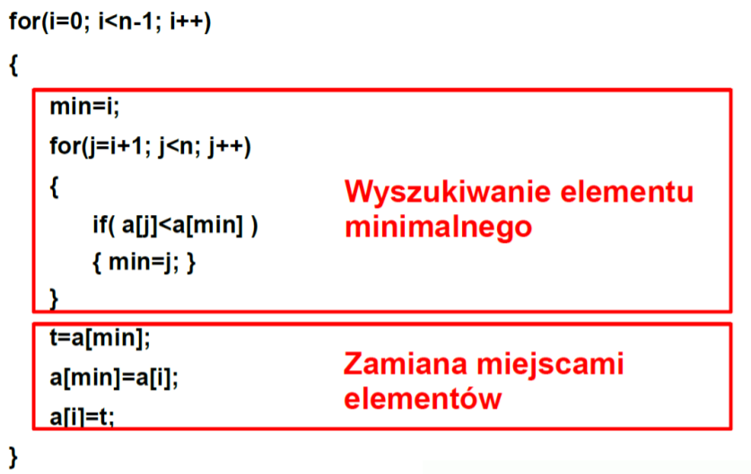

 |  |  |  |  |  |  | i | min | j | a[j] < a[min] | 0 | 1 | 2 | 3 | 4 | 5
 |  |  |  |  |  |  | 0 | 0 | 1 | 0 < -2 = F | -2 | 0 | 4 | -3 | 2 | 7
 |  |  |  |  |  |  |  |  | 2 | 4 < - 2 = F
 |  |  |  |  |  |  |  | 3 | 3 | -3 < -2 = T
 |  |  |  |  |  |  |  |  | 4 | 2 < -3 = F
 |  |  |  |  |  |  |  |  | 5 | 7 < -3 = F | -3 | 0 | 4 | -2 | 2 | 7
 |  |  |  |  |  |  | 1 | 1 | 2 | 4 < 0 = F
 |  |  |  |  |  |  |  | 3 | 3 | -2 < 0 = T
 |  |  |  |  |  |  |  |  | 4 | 2 < -2 = F
 |  |  |  |  |  |  |  |  | 5 | 7 < -2 = F | -3 | -2 | 4 | 0 | 2 | 7
 |  |  |  |  |  |  | 2 | 2 | 3 | 0 < 4 = T
 |  |  |  |  |  |  |  | 3 | 4 | 2 < 0 = F
 | 0 | 1 | 2 | 3 | 4 | 5 |  |  |  | 7 < 0 = F | -3 | -2 | 0 | 4 | 2 | 7
a | -2 | 0 | 4 | -3 | 2 | 7 | 3 | 3 | 4 | 2 < 4 = T
 |  |  |  |  |  |  |  | 4 | 5 | 7 < 2 = F | -3 | -2 | 0 | 2 | 4 | 7
 |  |  |  |  |  |  | 4 | 4 | 5 | 7 < 4 = F | -3 | -2 | 0 | 2 | 4 | 7
 | n = 6

insert
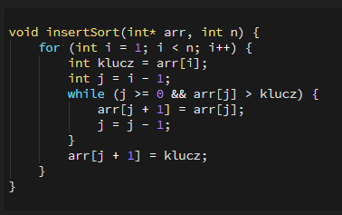

 |  |  |  |  |  |  | i | klucz | j | A[j] > klucz | 0 | 1 | 2 | 3 | 4 | 5
 |  |  |  |  |  |  | 1 | 0 | 0 | -2 > 0 = F | -2 | 0 | 4 | -3 | 2 | 7
 |  |  |  |  |  |  | 2 | 4 | 1 | 0 > 4 = F
 |  |  |  |  |  |  | 3 | -3 | 2 | 4 > -3 = T | -2 | 0 | 4 | 4 | 2 | 7
 |  |  |  |  |  |  |  |  | 1 | 0 > -3 = T | -2 | 0 | 0 | 4 | 2 | 7
 |  |  |  |  |  |  |  |  | 0 | -2 > -3 = T | -2 | -2 | 0 | 4 | 2 | 7
 |  |  |  |  |  |  |  |  | -1 |  | -3 | -2 | 0 | 4 | 2 | 7
 |  |  |  |  |  |  | 4 | 2 | 3 | 4 > 2 = T | -3 | -2 | 0 | 4 | 4 | 7
 | 0 | 1 | 2 | 3 | 4 | 5 |  |  | 2 | 0 > 2 = F | -3 | -2 | 0 | 2 | 4 | 7
a | -2 | 0 | 4 | -3 | 2 | 7 | 5 | 7 | 4 | 4 > F = F | -3 | -2 | 0 | 2 | 4 | 7

 | n = 6

złożoność
f(n) = an2+ bn+c

a | 3 |  | d | 3
b | 18
c | -5

n | an2 | bn | f(n) | g(n)=d*n2
1 | 3 | 18 | 16 | 3
2 | 12 | 36 | 43 | 12
3 | 27 | 54 | 76 | 27
4 | 48 | 72 | 115 | 48
5 | 75 | 90 | 160 | 75
6 | 108 | 108 | 211 | 108
7 | 147 | 126 | 268 | 147
8 | 192 | 144 | 331 | 192
9 | 243 | 162 | 400 | 243
10 | 300 | 180 | 475 | 300
11 | 363 | 198 | 556 | 363
12 | 432 | 216 | 643 | 432
13 | 507 | 234 | 736 | 507
14 | 588 | 252 | 835 | 588
15 | 675 | 270 | 940 | 675
16 | 768 | 288 | 1051 | 768
17 | 867 | 306 | 1168 | 867
18 | 972 | 324 | 1291 | 972
19 | 1083 | 342 | 1420 | 1083
20 | 1200 | 360 | 1555 | 1200
21 | 1323 | 378 | 1696 | 1323
22 | 1452 | 396 | 1843 | 1452
23 | 1587 | 414 | 1996 | 1587
24 | 1728 | 432 | 2155 | 1728
25 | 1875 | 450 | 2320 | 1875
26 | 2028 | 468 | 2491 | 2028
27 | 2187 | 486 | 2668 | 2187
28 | 2352 | 504 | 2851 | 2352
29 | 2523 | 522 | 3040 | 2523
30 | 2700 | 540 | 3235 | 2700
31 | 2883 | 558 | 3436 | 2883
32 | 3072 | 576 | 3643 | 3072
33 | 3267 | 594 | 3856 | 3267
34 | 3468 | 612 | 4075 | 3468
35 | 3675 | 630 | 4300 | 3675
36 | 3888 | 648 | 4531 | 3888
37 | 4107 | 666 | 4768 | 4107
38 | 4332 | 684 | 5011 | 4332
39 | 4563 | 702 | 5260 | 4563
40 | 4800 | 720 | 5515 | 4800
41 | 5043 | 738 | 5776 | 5043
42 | 5292 | 756 | 6043 | 5292
43 | 5547 | 774 | 6316 | 5547
44 | 5808 | 792 | 6595 | 5808
45 | 6075 | 810 | 6880 | 6075
46 | 6348 | 828 | 7171 | 6348
47 | 6627 | 846 | 7468 | 6627
48 | 6912 | 864 | 7771 | 6912
49 | 7203 | 882 | 8080 | 7203
50 | 7500 | 900 | 8395 | 7500

