Sheet1
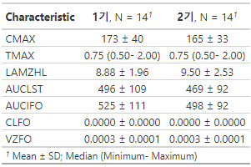
Dapagliflozin
Cmax | lower est. upper | AUClast | lower est. upper
 | 0.9200530 0.9804588 1.0448305 |  | 0.9634141 0.9776729 0.9921429

Response : LCMAX |  |  | Response : LAUCLST
Df Sum Sq Mean Sq F value Pr(>F) |  |  | Df Sum Sq Mean Sq F value Pr(>F)
MODEL 1 0.002726 0.0027262 0.2809 0.6006 |  |  | MODEL 1 0.003569 0.003569 0.4611 0.5031
RESIDUALS 26 0.252301 0.0097039 |  |  | RESIDUALS 26 0.201266 0.007741
CORRECTED TOTAL 27 0.255027 |  |  | CORRECTED TOTAL 27 0.204835

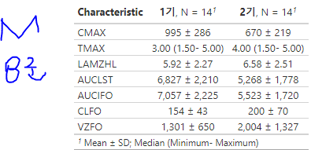
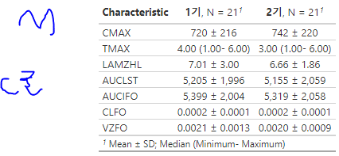
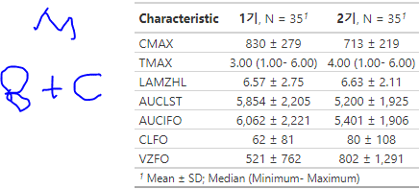
Metformin
Cmax | lower est. upper | AUClast | lower est. upper
 | 0.7664022 0.8311074 0.9012754 |  | 0.8314229 0.8895623 0.9517672

Response : LCMAX |  | Response : LAUCLST
Df Sum Sq Mean Sq F value Pr(>F) |  | Df Sum Sq Mean Sq F value Pr(>F)
MODEL 1 0.23957 0.239565 9.6497 0.004539 ** |  | MODEL 1 0.09587 0.095865 4.5564 0.04239 *
RESIDUALS 26 0.64548 0.024826 |  | RESIDUALS 26 0.54703 0.021040
CORRECTED TOTAL 27 0.88505 |  | CORRECTED TOTAL 27 0.64290

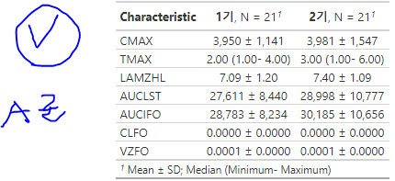
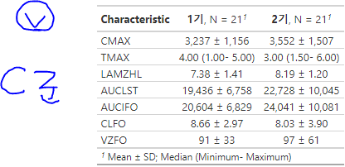
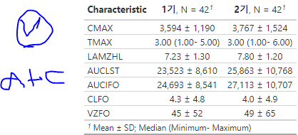
Valsartan
Cmax | lower est. upper | AUClast | lower est. upper
 | 0.9285674 0.9901061 1.0557231 |  | 0.962531 1.012977 1.066067

Response : LCMAX |  | Response : LAUCLST
Df Sum Sq Mean Sq F value Pr(>F) |  | Df Sum Sq Mean Sq F value Pr(>F)
MODEL 1 0.00104 0.0010381 0.0408 0.841 |  | MODEL 1 0.00175 0.0017456 0.0748 0.7859
RESIDUALS 40 1.01801 0.0254503 |  | RESIDUALS 40 0.93345 0.0233362
CORRECTED TOTAL 41 1.01905 |  | CORRECTED TOTAL 41 0.93519

