Sheet1
zinc_id | CanonicalSmiles | ROMol | Asphericity | Eccentricity | InertialShapeFactor | NPR1 | NPR2 | PMI1 | PMI2 | PMI3 | RadiusOfGyration | SpherocityIndex | molecular_weight | formal_charge | NumHAcceptors | NumHDonors | TPSA | NumHeteroatoms | NumRotatableBonds | similarity
ZINC000001784491 | COc1cc2ccc(=O)oc2c(OC2OC(CO)C(O)C(O)C2O)c1[O-] | 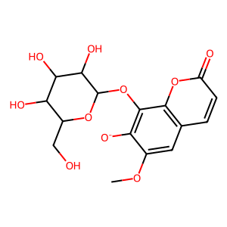 | 0.28206778474 | 0.93453400443 | 0.00051336298612 | 0.35587384641 | 0.77893435374 | 1517.3169372 | 3321.0934149 | 4263.6371075 | 3.5948505311 | 0.17711025115 | 369.302 | -1 | 10 | 4 | 161.88 | 10 | 4 | 0.3746130031
ZINC000031156069 | Cc1cc(=O)c2c(O)cc(OC3OC(CO)C(O)C(O)C3O)cc2o1 | 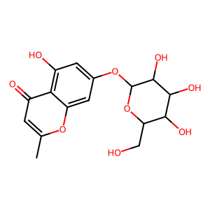 | 0.49668310976 | 0.97755280608 | 0.00077004702164 | 0.21069055821 | 0.88178701447 | 1145.1080125 | 4792.5326324 | 5435.022918 | 4.1123382216 | 0.13057175971 | 355.396 | -1 | 8 | 1 | 114.9 | 10 | 4 | 0.3690851735
ZINC000008740325 | CN1CCN(c2nc3c(N)ncnc3n2C2OC(CO)C(O)C2O)CC1 | 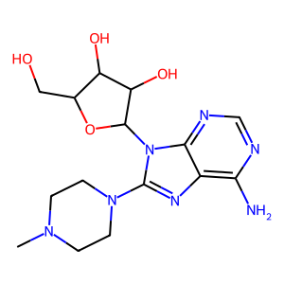 | 0.45066269313 | 0.97155894049 | 0.00073932904261 | 0.23679785715 | 0.84118290489 | 1137.7652661 | 4041.7117922 | 4804.7954478 | 3.8193370303 | 0.11516997845 | 357.344 | -2 | 10 | 0 | 146.91 | 11 | 5 | 0.32852664577
ZINC000012652346 | Cn1nc([O-])c(=O)nc1SCC1=C(C(=O)[O-])N2C(=O)C([NH3+])C2SC1 | 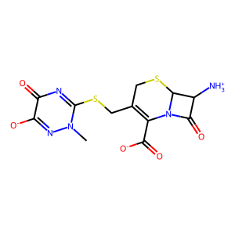 | 0.25305905709 | 0.92499199887 | 0.00071648210407 | 0.37998658139 | 0.86364508026 | 1205.3965833 | 2739.6620827 | 3172.2082894 | 3.2628185997 | 0.37779101539 | 350.398 | -1 | 8 | 0 | 126.38 | 11 | 3 | 0.30838131798
ZINC000012652346 | Cn1[n-]c(=O)c(=O)nc1SCC1=C(C(=O)[O-])N2C(=O)C(N)C2SC1 | 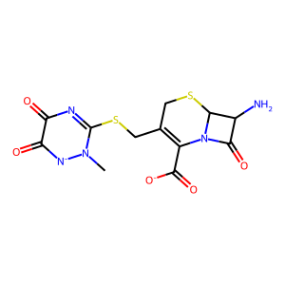 | 0.4309271651 | 0.9685243186 | 0.00069269639214 | 0.24891895121 | 0.82370154235 | 1189.123477 | 3934.9468465 | 4777.1512425 | 3.7171356644 | 0.10909180482 | 369.384 | -2 | 10 | 1 | 152.52 | 12 | 4 | 0.30694980695
ZINC000012652346 | Cn1[n-]c(=O)c(=O)nc1SCC1=C(C(=O)[O-])N2C(=O)C([NH3+])C2SC1 |  | 0.57563212081 | 0.98552800888 | 0.0008698721793 | 0.16951266535 | 0.87321944196 | 1003.8479937 | 5171.174573 | 5921.9645424 | 4.2287664115 | 0.060622940144 | 360.412 | -1 | 8 | 0 | 110.7 | 10 | 8 | 0.30694980695
ZINC000020533355 | CCN1CCN(Cc2nc3c(c(=O)n(C)c(=O)n3C)n2CC(N)=O)CC1 | 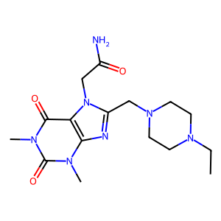 | 0.50577640242 | 0.97863582093 | 0.0006841619367 | 0.20560138615 | 0.87318708789 | 1276.2871494 | 5420.3791137 | 6207.5804703 | 4.3809533084 | 0.11477213456 | 359.359 | -1 | 7 | 4 | 195.2 | 11 | 10 | 0.29155672823
ZINC000020026470 | COCCn1c(CN2CCN(C)CC2)nc2c1c(=O)n(C)c(=O)n2C | 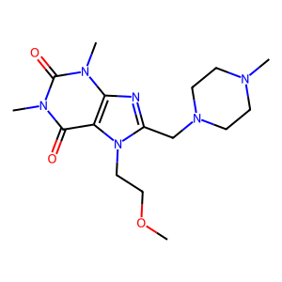 | 0.28257773361 | 0.93058322725 | 0.0004446789775 | 0.36608039712 | 0.7004624945 | 1575.2093756 | 3014.0239611 | 4302.9055585 | 3.636726003 | 0.094804091072 | 357.335 | -1 | 9 | 4 | 148.74 | 9 | 7 | 0.29144385027
ZINC000022923851 | CCN1CCN(Cc2nc3c(c(=O)n(C)c(=O)n3C)n2CCCO)CC1 | 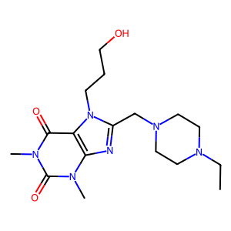 | 0.78915226 | 0.99707068975 | 0.0015817836094 | 0.07648555189 | 0.97322897791 | 615.27314618 | 7828.9512255 | 8044.3055058 | 4.9817512556 | 0.07043294961 | 349.327 | -1 | 8 | 1 | 140.56 | 11 | 5 | 0.29077540107
ZINC000020026493 | CN1CCN(Cc2nc3c(c(=O)n(C)c(=O)n3C)n2CCCO)CC1 | 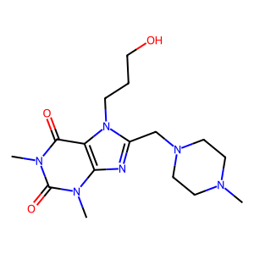 | 0.39449592196 | 0.96210601109 | 0.0007894380868 | 0.27267567442 | 0.89224417818 | 1130.226921 | 3698.3071279 | 4144.9495758 | 3.6318433652 | 0.21962401005 | 359.307 | -1 | 10 | 4 | 157.97 | 10 | 6 | 0.29068988614
ZINC000021700002 | Cn1cc(S(=O)(=O)[N-]CCCOCC2CCCO2)c(=O)n(C)c1=O | 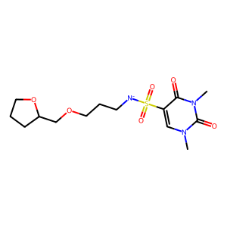 | 0.3963305824 | 0.96195561167 | 0.00074763153316 | 0.27320578539 | 0.92087432816 | 1231.7221617 | 4151.6738618 | 4508.404388 | 3.8126991946 | 0.25741934124 | 357.372 | -1 | 10 | 0 | 132.18 | 12 | 7 | 0.26900584795
ZINC000077407345 | NC(CO)C(=O)N1CCc2ccc(S(=O)(=O)N3CCOCC3)cc2C1 | 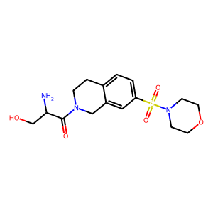 | 0.6563133426 | 0.99102584173 | 0.0011448974332 | 0.13367041942 | 0.975633622 | 852.15810054 | 6219.7313195 | 6375.068652 | 4.4063621463 | 0.15850933904 | 362.413 | -1 | 8 | 2 | 148.76 | 12 | 5 | 0.26372776489
ZINC000077506055 | NC(CO)C(=O)N1CCc2cc(S(=O)(=O)N3CCOCC3)ccc2C1 | 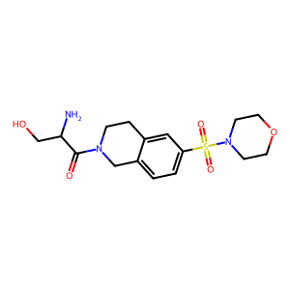 | 0.60177555036 | 0.98743263968 | 0.0012965796915 | 0.15804044447 | 0.94260110763 | 726.99049186 | 4335.9916201 | 4600.0281402 | 3.8018284968 | 0.15025366027 | 352.414 | -1 | 6 | 0 | 127.25 | 11 | 4 | 0.26360808709
ZINC000071760227 | O=C([O-])C1CN(S(=O)(=O)c2ccc(N3CCOCC3)nc2)CC[NH2+]1 | 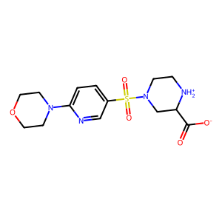 | 0.22603497097 | 0.89666631445 | 0.00031647353863 | 0.44270703692 | 0.62645264109 | 1979.4787388 | 2801.0616062 | 4471.3062448 | 3.6981906714 | 0.099258781519 | 360.412 | -1 | 7 | 0 | 110.29 | 10 | 3 | 0.26263399694
ZINC000077389714 | COCC(=O)N1CCN(C(=O)c2cc(C)[nH]n2)C2CS(=O)(=O)CC21 | 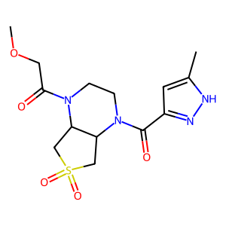 | 0.58551597908 | 0.98632628265 | 0.00099814550587 | 0.16480432078 | 0.90133217517 | 903.00679597 | 4938.639204 | 5479.2665125 | 4.0315731572 | 0.097998141986 | 365.395 | -1 | 9 | 0 | 123.83 | 11 | 4 | 0.26209977662
ZINC000019358827 | Cn1c(=O)c2c(ncn2CC(O)CN2CCN(CCO)CC2)n(C)c1=O | 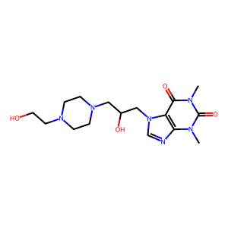 | 0.19651393617 | 0.9001258023 | 0.0005410256738 | 0.4356300495 | 0.80173810472 | 1481.8855066 | 2727.2776037 | 3401.7063523 | 3.3250483708 | 0.2959196483 | 357.302 | -1 | 8 | 3 | 152.69 | 10 | 3 | 0.2598540146
ZINC000017144342 | Cn1c(N)c(S(=O)(=O)[N-]Cc2ccc3c(c2)OCO3)c(=O)n(C)c1=O | 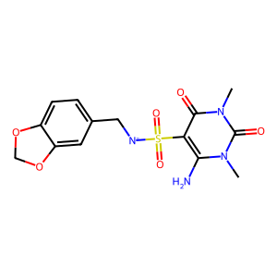 | 0.27593178734 | 0.92905731662 | 0.00037120815457 | 0.36993580853 | 0.70971693885 | 1911.9109592 | 3667.9758001 | 5168.2235541 | 3.9513626329 | 0.11788397509 | 373.43 | -1 | 8 | 3 | 144.54 | 10 | 6 | 0.25976696367
ZINC000072411496 | CS(=O)(=O)N1CCOC(CNC(=O)CCc2cc3n(n2)CCNC3)C1 | 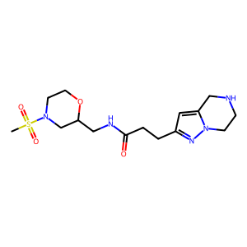 | 0.72014154529 | 0.9945222022 | 0.0015533623746 | 0.10452554395 | 0.95566920732 | 615.2261848 | 5624.9668563 | 5885.893166 | 4.2463721822 | 0.091676179373 | 355.396 | -1 | 7 | 0 | 115.64 | 10 | 4 | 0.25891472868
ZINC000015330957 | CCOC(=O)N1CCC([N-]S(=O)(=O)c2cn(C)c(=O)n(C)c2=O)CC1 | 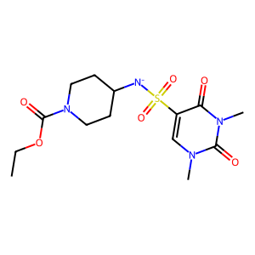 | 0.58636928125 | 0.98640260905 | 0.00105763002 | 0.1643468675 | 0.89850498021 | 849.54564755 | 4644.5728286 | 5169.2232441 | 3.9824847955 | 0.086899754415 | 353.303 | -1 | 9 | 4 | 152.65 | 9 | 3 | 0.25407925408
ZINC000009307887 | CN(CCO)CCC(=O)NC1(C)CS(=O)(=O)CC1S(=O)(=O)[O-] | 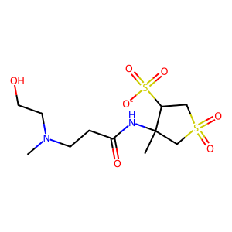 | 0.62522098716 | 0.98930066684 | 0.00081522719223 | 0.145891023 | 0.90729369663 | 1112.9335543 | 6921.3141277 | 7628.5266318 | 4.7555692197 | 0.080249366294 | 360.397 | -1 | 8 | 3 | 162.42 | 12 | 4 | 0.24642289348
ZINC000009307887 | C[NH+](CCO)CCC(=O)NC1(C)CS(=O)(=O)CC1S(=O)(=O)[O-] | 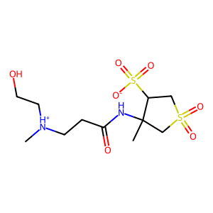 | 0.71038298795 | 0.99393301058 | 0.0012323672922 | 0.10998713779 | 0.98890339906 | 802.44210092 | 7214.8229064 | 7295.7812799 | 4.7167602922 | 0.13580210071 | 358.259 | -4 | 10 | 2 | 218.72 | 12 | 12 | 0.24642289348
ZINC000077489412 | O=C(c1cn(CCN2CC[NH2+]CC2)nn1)N1CCc2[n-][nH]c(=O)c2CC1 | 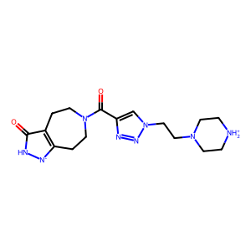 | 0.52455392496 | 0.98033585896 | 0.0010907594937 | 0.19733627044 | 0.93453208616 | 856.77190211 | 4057.4438305 | 4341.6848823 | 3.7324264738 | 0.20477753612 | 349.341 | -1 | 8 | 6 | 184.64 | 11 | 4 | 0.23520599251
ZINC000077358035 | O=C(Cc1cc(=O)[n-][nH]c1=O)N1CCOCC(O)(C[NH+]2CCCC2)C1 | 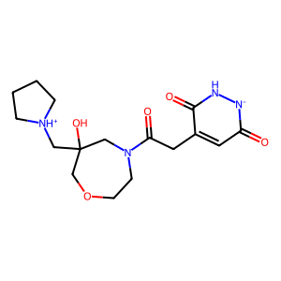 | 0.35167798827 | 0.9536788215 | 0.00077160351159 | 0.30082670331 | 0.85874498695 | 1112.9355609 | 3177.0046449 | 3699.5903244 | 3.4366532704 | 0.19853190259 | 356.38 | -1 | 8 | 0 | 121.51 | 10 | 4 | 0.23489932886
ZINC000004096261 | NC(=O)C1CCCN1C(=O)C(Cc1cnc[nH]1)NC(=O)C1CCC(=O)N1 | 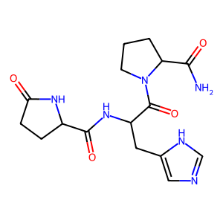 | 0.77059034123 | 0.99644185129 | 0.0018489045813 | 0.084283076528 | 0.98359349645 | 531.98715954 | 6208.3532291 | 6311.9095963 | 4.3795413059 | 0.12156524825 | 360.41 | -2 | 10 | 2 | 161.34 | 12 | 8 | 0.22148209825
ZINC000005349782 | CCOC(=O)CNC(=O)CNC(=O)CCCCc1c([O-])nc(N)[nH]c1=O | 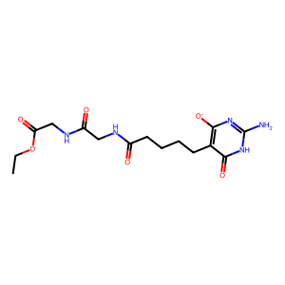 | 0.61709658966 | 0.98852074355 | 0.0010896357945 | 0.15108520633 | 0.95330434426 | 874.88346938 | 5520.2639114 | 5790.6627035 | 4.1237395212 | 0.15753844796 | 370.392 | -1 | 10 | 1 | 158.92 | 12 | 4 | 0.21222707424
ZINC000012687369 | Nc1cc(=O)[n-]c(SCC(=O)NC(=O)NC2CCS(=O)(=O)C2)n1 | 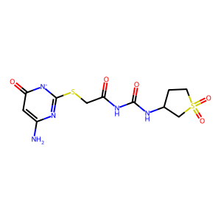 | 0.28605589737 | 0.93579110984 | 0.00051929021165 | 0.35255495848 | 0.77915195655 | 1500.417183 | 3315.9453744 | 4255.8391166 | 3.6090480978 | 0.19113794761 | 373.455 | -1 | 8 | 0 | 104.71 | 10 | 6 | 0.20970537262
ZINC000091391068 | O=C(NCc1n[nH]c(=O)[n-]1)C1CCC(=O)N(CCC[NH+]2CCOCC2)C1 | 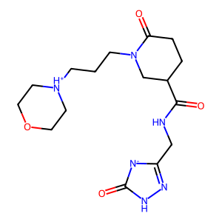 | 0.40937972739 | 0.96508011196 | 0.000700399628 | 0.26195491501 | 0.84685072472 | 1209.0964799 | 3908.7803724 | 4615.666325 | 3.7489955927 | 0.16389127052 | 364.411 | -1 | 7 | 1 | 126.35 | 11 | 4 | 0.20782851817
ZINC000013562447 | CCN(CC(O)C[NH+](C)CC(O)CN1CCOCC1)S(=O)(=O)[O-] | 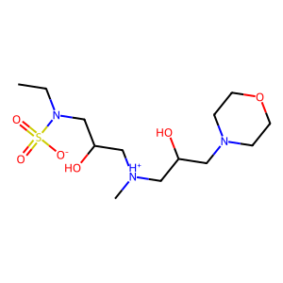 | 0.335829637 | 0.94978286989 | 0.00056620981208 | 0.31290973148 | 0.79793886115 | 1409.26357 | 3593.7078812 | 4503.7383892 | 3.7827601504 | 0.15047114947 | 353.355 | -1 | 6 | 3 | 161.73 | 10 | 7 | 0.15943600868
ZINC000035552524 | CS(=O)(=O)N(CCCN1CCOCC1)CCC(=O)N1CCNCC1 | 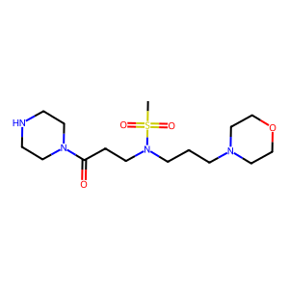 | 0.35437496432 | 0.95391260842 | 0.00046940685666 | 0.30008454723 | 0.78979874361 | 1682.546244 | 4428.3283557 | 5606.9073185 | 4.0783690469 | 0.13200974419 | 373.411 | -1 | 10 | 0 | 128.9 | 11 | 7 | 0.14926931106
ZINC000002973678 | CC(NC(=O)C(N)Cc1ccc(O)cc1)C(=O)NCC(=O)NCC(N)=O | 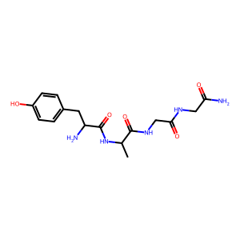 | 0.3087218118 | 0.94264281581 | 0.00074464497859 | 0.33380311833 | 0.8797732562 | 1181.4667143 | 3113.8798929 | 3539.4118552 | 3.3734925711 | 0.23957408302 | 356.316 | -2 | 11 | 0 | 151.19 | 12 | 2 | 0.13654223969
ZINC000019370490 | O=S(=O)([O-])CC(O)CN1CC[NH+](CC(O)CS(=O)(=O)[O-])CC1 | 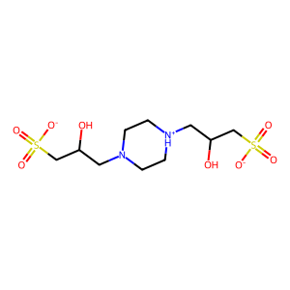 | 0.23464340748 | 0.91486915807 | 0.00039874473188 | 0.4037504472 | 0.73181774092 | 1835.3038483 | 3326.5793895 | 4545.6391715 | 3.7226481556 | 0.19431258159 | 368.391 | -1 | 7 | 0 | 119.94 | 10 | 3 | 0.090401785714
ZINC000003896107 | OCCN1CCOCCOCCOCCN(CCO)CCOCC1 | 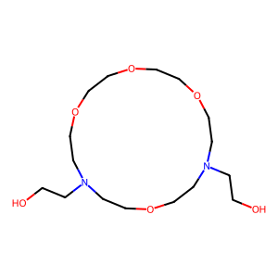 | 0.61743533245 | 0.98877172855 | 0.00099032152243 | 0.14943382756 | 0.89464247961 | 903.38587958 | 5408.463375 | 6045.3907547 | 4.1526445923 | 0.058027034122 | 369.384 | -2 | 11 | 1 | 157.3 | 12 | 4 | 0.07623888183

