Sheet1
zinc_id | CanonicalSmiles | ROMol | molecular_weight | formal_charge | similarity
ZINC000012541132 | CC1CN(Cc2nc3c(c(=O)[nH]c(=O)n3C)n2CC(N)=O)CC(C)O1 | 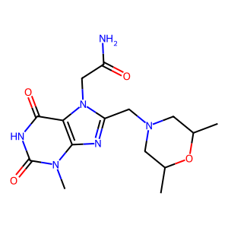 | 350.379 | 0 | 0.29986613119
ZINC000020292369 | CCOC(=O)Cn1c(CN2CCOCC2)nc2c1c(=O)n(C)c(=O)n2C | 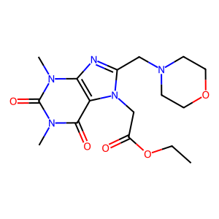 | 365.39 | 0 | 0.2996742671
ZINC000013140501 | COC(=O)Cn1c(CN2CCOCC2)nc2c1c(=O)n(C)c(=O)n2C | 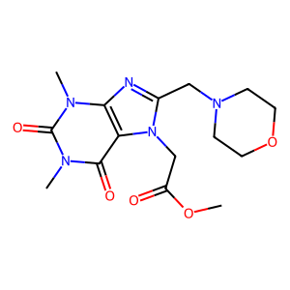 | 351.363 | 0 | 0.29954218443
ZINC000048546279 | COCc1nc2c(c(=O)n(C)c(=O)n2C)n1CC(O)CN1CCOCC1 | 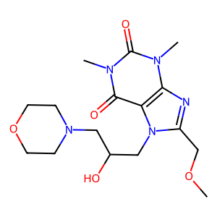 | 367.406 | 0 | 0.29927488464
ZINC000012377657 | COCCn1c(N2CCC(C(N)=O)CC2)nc2c1c(=O)n(C)c(=O)n2C | 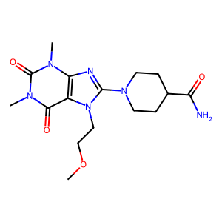 | 364.406 | 0 | 0.29842931937
ZINC000097532153 | COCCN1C(=O)C2CCC1CN(C(=O)c1cc(=O)n(C)c(=O)n1C)C2 | 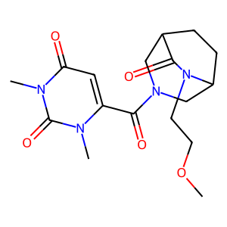 | 364.402 | 0 | 0.29622132254
ZINC000029155199 | COCCn1c(N)c(C(=O)CN2CCCC2C(=O)N(C)C)c(=O)[nH]c1=O | 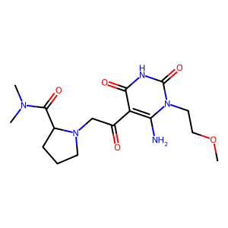 | 367.406 | 0 | 0.29616724739
ZINC000024996056 | Cn1cnc2c1c(=O)n(CC(=O)N1CCC3(CC1)OCCO3)c(=O)n2C | 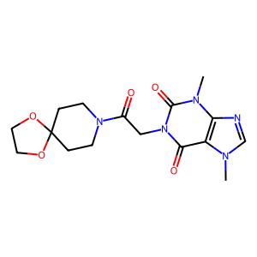 | 363.374 | 0 | 0.29504814305
ZINC000095376596 | CN(C)c1nc2c(c(N3CCC(O)CC3)n1)CN(C(=O)C(N)CO)CC2 | 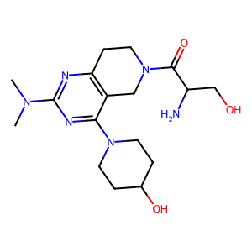 | 364.45 | 0 | 0.29496898691
ZINC000004625121 | Cn1c(=O)c2c(nc3scc(CN(CCO)CCO)n32)n(C)c1=O | 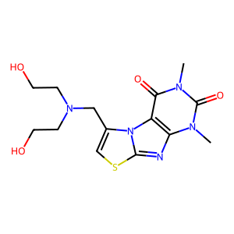 | 353.404 | 0 | 0.29434202161
ZINC000036398808 | Cn1cc(S(=O)(=O)N2CCN(C3CCOC3=O)CC2)cc1C(N)=O | 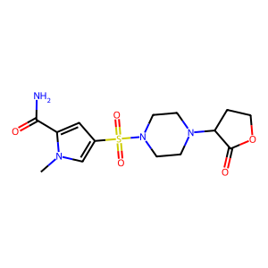 | 356.404 | 0 | 0.2942920682
ZINC000095361397 | Cn1c(C(=O)N2CC3CCC2CN(S(C)(=O)=O)C3)cc(=O)n(C)c1=O | 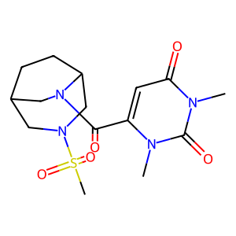 | 370.431 | 0 | 0.29423328965
ZINC000000822937 | CCOC(=O)Cn1c(=O)c2c(nc(N3CCOCC3)n2C)n(C)c1=O | 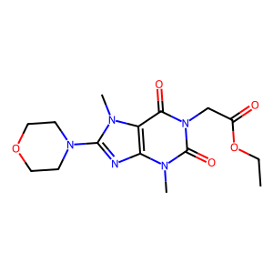 | 351.363 | 0 | 0.29396495782
ZINC000020354962 | CCOC(=O)Cn1c(CN2CCOCC2)nc2c1c(=O)[nH]c(=O)n2C | 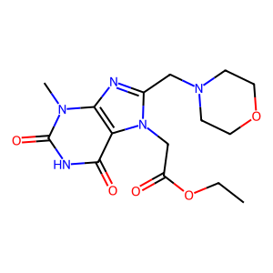 | 351.363 | 0 | 0.29333333333
ZINC000252587236 | CC(C)C(N)C(=O)OCC(CO)OCN1C=NC2C(=O)NC(=N)NC21 | 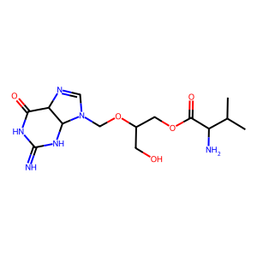 | 356.383 | 0 | 0.29307568438
ZINC000077342104 | Cc1ocnc1C(=O)N1CCN(S(C)(=O)=O)C2CS(=O)(=O)CC21 | 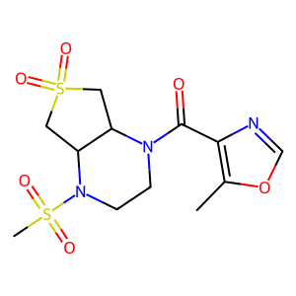 | 363.417 | 0 | 0.29240162822
ZINC000001838637 | COCCn1c(N2CCC(C(N)=O)CC2)nc2c1c(=O)[nH]c(=O)n2C | 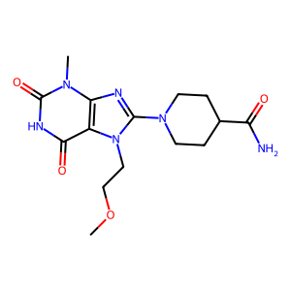 | 350.379 | 0 | 0.2917222964
ZINC000020533355 | CCN1CCN(Cc2nc3c(c(=O)n(C)c(=O)n3C)n2CC(N)=O)CC1 | 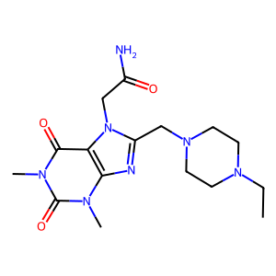 | 363.422 | 0 | 0.29155672823
ZINC000095496647 | Cn1c(C(=O)N2CCCC2C(=O)N2CCOCC2)cc(=O)n(C)c1=O | 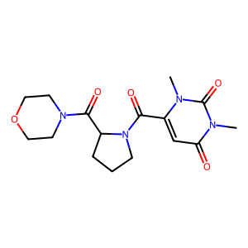 | 350.375 | 0 | 0.2914951989
ZINC000012535762 | CCOC(=O)C1=C(Cn2cnc3c2c(=O)n(C)c(=O)n3C)NC(=O)NC1 | 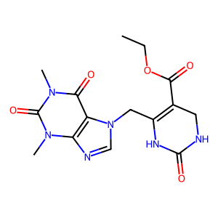 | 362.346 | 0 | 0.2914507772
ZINC000020026470 | COCCn1c(CN2CCN(C)CC2)nc2c1c(=O)n(C)c(=O)n2C | 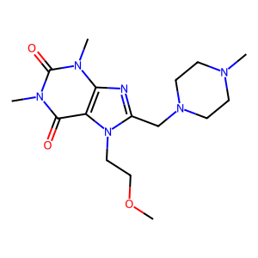 | 350.423 | 0 | 0.29144385027
ZINC000024905353 | Cn1c(=O)c2c(ncn2CC(=O)NC2(C)CCS(=O)(=O)C2)n(C)c1=O | 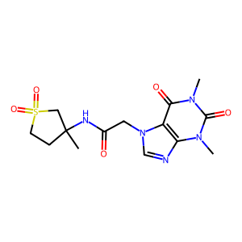 | 369.403 | 0 | 0.29129540781
ZINC000082115250 | CCCC1CN(C(=O)c2cc(=O)n(C)c(=O)n2C)CC1NS(C)(=O)=O | 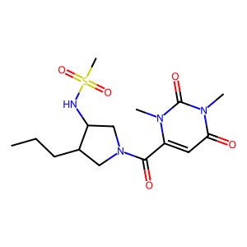 | 372.447 | 0 | 0.29100892244
ZINC000022923851 | CCN1CCN(Cc2nc3c(c(=O)n(C)c(=O)n3C)n2CCCO)CC1 | 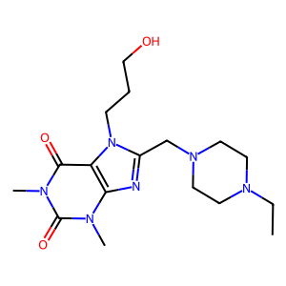 | 364.45 | 0 | 0.29077540107
ZINC000020026493 | CN1CCN(Cc2nc3c(c(=O)n(C)c(=O)n3C)n2CCCO)CC1 | 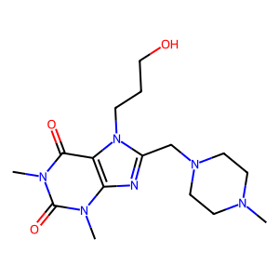 | 350.423 | 0 | 0.29068988614
ZINC000012407199 | COC(=O)C=c1sc2n(c1=O)CN(CCCN1CCOCC1)CN=2 | 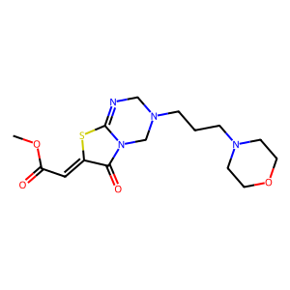 | 354.432 | 0 | 0.29044117647
ZINC000023108340 | CC(=O)N1CCN(c2c(C)cnc3c2c(=O)n(CC(N)=O)c(=O)n3C)CC1 | 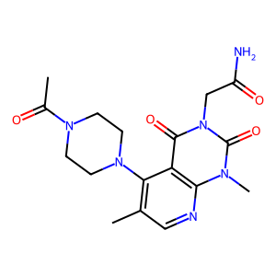 | 374.401 | 0 | 0.29040566645
ZINC000085554788 | COC(=O)C(C)Sc1nc2c(c(=O)n(C)c(=O)n2C)n1CC(N)=O | 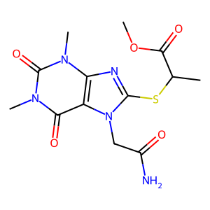 | 355.376 | 0 | 0.29021667761
ZINC000018816484 | CC(C(=O)NC1CCS(=O)(=O)C1)n1cnc2c1c(=O)n(C)c(=O)n2C | 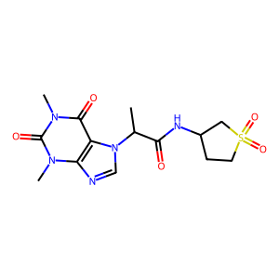 | 369.403 | 0 | 0.29019073569
ZINC000223871120 | CS(=O)(=O)CC(O)c1cc2n(n1)CCN(c1cncc(C(N)=O)n1)C2 | 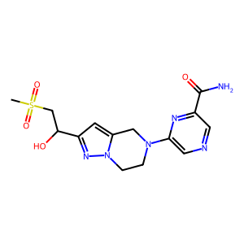 | 366.403 | 0 | 0.29000653168
ZINC000222688481 | NC(=O)c1ccc(OC2COCCC2NC(=O)Cn2nnnc2N)cc1 | 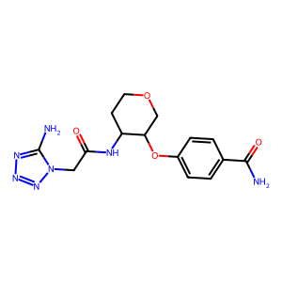 | 361.362 | 0 | 0.29
ZINC000058281831 | CCN(CC(=O)c1c(N)n(C)c(=O)n(C)c1=O)C1CCS(=O)(=O)C1 | 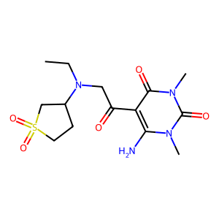 | 358.42 | 0 | 0.28973277075
ZINC000091644672 | Cc1cn(CC(=O)N2CCC3(CC2)C(O)CC3OCCO)c(=O)[nH]c1=O | 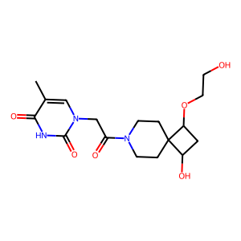 | 367.402 | 0 | 0.28958162428
ZINC000009128173 | Cn1c(N)c(C(=O)CSc2nnc(C3CC3)n2N)c(=O)n(C)c1=O | 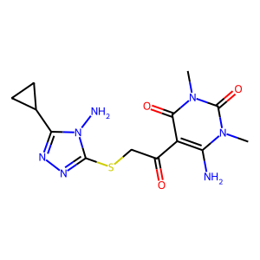 | 351.392 | 0 | 0.28954423592
ZINC000019799766 | COC(=O)CC1C(C(=O)OC)ON2OC(C(=O)OC)CC12C(=O)OC | 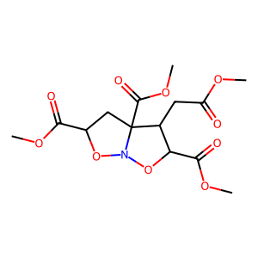 | 361.303 | 0 | 0.28949416342
ZINC000020170578 | Nc1ncn(CC(O)CN2CCOCC2)c2nc(N3CCOCC3)nc1-2 | 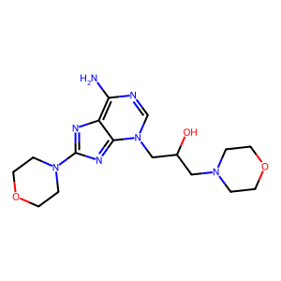 | 363.422 | 0 | 0.28943560058
ZINC000077456342 | Cn1cccc1C(=O)N1CCN(S(C)(=O)=O)C2CS(=O)(=O)CC21 | 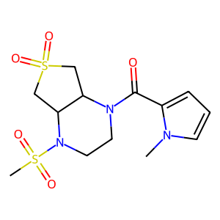 | 361.445 | 0 | 0.2891728312
ZINC000008648259 | Cn1c(=O)c2c(nc(NCCCO)n2CC(=O)NCCCO)n(C)c1=O | 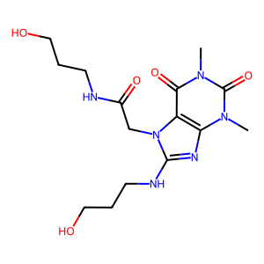 | 368.394 | 0 | 0.28914057295
ZINC000006195038 | CCOC(=O)C(C)Sc1nc2c(c(=O)[nH]c(=O)n2C)n1CC(N)=O | 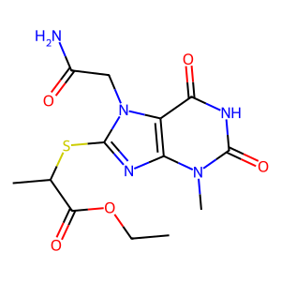 | 355.376 | 0 | 0.28878441907
ZINC000095616575 | CC(C)C(N)C(=O)OCC(CO)OCN1C=NC2C(=O)N=C(N)NC21 | 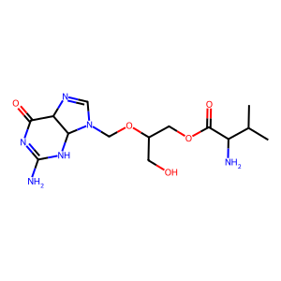 | 356.383 | 0 | 0.28869286287
ZINC000095525677 | CC(C)C1CN(C(=O)c2cc(=O)n(C)c(=O)n2C)CC1NS(C)(=O)=O | 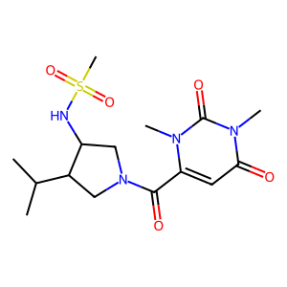 | 372.447 | 0 | 0.28844839371
ZINC000077505761 | Cc1cnc(C(=O)N2CCN(S(C)(=O)=O)C3CS(=O)(=O)CC32)cn1 | 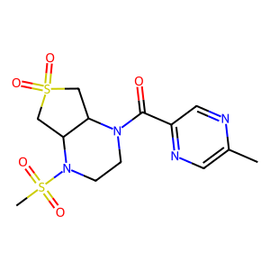 | 374.444 | 0 | 0.28838174274
ZINC000023704149 | CC(O)Cn1c(NCCCN2CCOCC2)nc2c1c(=O)[nH]c(=O)n2C | 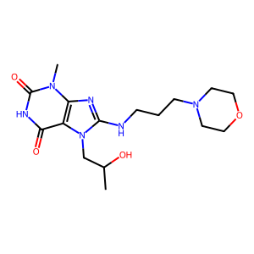 | 366.422 | 0 | 0.28629856851
ZINC000006091152 | Nc1nc(=O)n(C2OC(CO)C(O)C2O)cc1I | 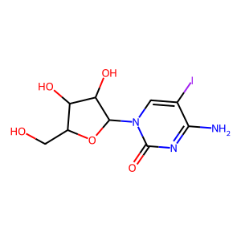 | 369.115 | 0 | 0.28571428571
ZINC000012810195 | COCCN1C(=O)C(=O)N(CC(=O)c2c(N)n(C)c(=O)n(C)c2=O)C1=O | 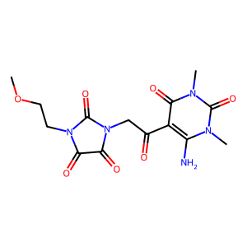 | 367.318 | 0 | 0.2855227882
ZINC000040017913 | CS(=O)(=O)N1CCN(CC(=O)c2c(N)n(C3CC3)c(=O)[nH]c2=O)CC1 | 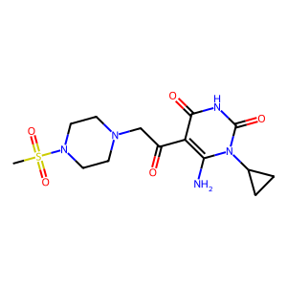 | 371.419 | 0 | 0.28541810643
ZINC000056952415 | CCCCn1c(N2CCN(CC(N)=O)CC2)nc2c1c(=O)[nH]c(=O)n2C | 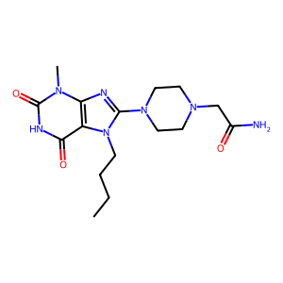 | 363.422 | 0 | 0.28532974428
ZINC000001037149 | Cn1c(=O)c2c(ncn2CC(O)COc2ccccc2C(N)=O)n(C)c1=O | 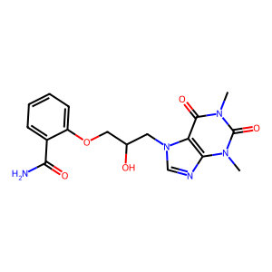 | 373.369 | 0 | 0.28522804629
ZINC000082096551 | COCC(=O)N1CCN(C(=O)c2ncccc2O)C2CS(=O)(=O)CC21 | 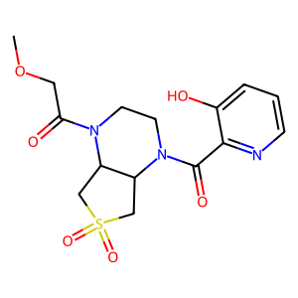 | 369.399 | 0 | 0.28519593614
ZINC000082096551 | COCC(=O)N1CCN(C(=O)c2ncccc2[O-])C2CS(=O)(=O)CC21 | 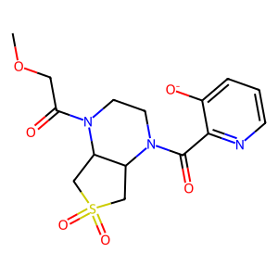 | 368.391 | -1 | 0.28519593614
ZINC000020291831 | Cn1c(=O)[nH]c(=O)c2c1nc(N1CCOCC1)n2CCN1CCOCC1 |  | 364.406 | 0 | 0.28513786147
ZINC000055104319 | Cn1c(=O)c2cc(S(=O)(=O)NC3CCOC3=O)ccc2n(C)c1=O |  | 353.356 | 0 | 0.28509406657
ZINC000056952901 | COCCn1c(N2CCN(CC(N)=O)CC2)nc2c1c(=O)[nH]c(=O)n2C |  | 365.394 | 0 | 0.28494623656
ZINC000065394484 | COC(=O)c1ccc(S(=O)(=O)N2CCN3CCNC(=O)C3C2)n1C |  | 356.404 | 0 | 0.28464673913
ZINC000170590922 | Cn1cnc2c1c(=O)n(CC(=O)NC1CCN(C3CC3)C1=O)c(=O)n2C |  | 360.374 | 0 | 0.28457974851
ZINC000077406162 | CN(C)S(=O)(=O)N1CCN(c2ncccn2)C2CS(=O)(=O)CC21 |  | 361.449 | 0 | 0.28448275862
ZINC000085479482 | CN(C)C(=O)NCC1CC(F)CN1C(=O)c1cc(=O)n(C)c(=O)n1C |  | 355.37 | 0 | 0.28423236515
ZINC000004337712 | COC(=O)C1CCN(S(=O)(=O)c2c(C)n(C)c(=O)n(C)c2=O)CC1 |  | 359.404 | 0 | 0.28390723823
ZINC000019327388 | CC12CN3CC(c4ccccc4)(CN(C1)C3C(O)C(O)C(O)CO)C2=O |  | 362.426 | 0 | 0.28373168851
ZINC000048302955 | Cn1cc(S(=O)(=O)N2CCCC2C(=O)NC2CC2)c(=O)n(C)c1=O |  | 356.404 | 0 | 0.28366762178
ZINC000072162899 | Cc1cc(=O)n2nc(CC(=O)N3CCOC4(C[NH2+]CCOC4)C3)[n-]c2n1 |  | 362.39 | 0 | 0.28363636364
ZINC000019913705 | COCCn1c(N2CCN(CCO)CC2)nc2c1c(=O)[nH]c(=O)n2C |  | 352.395 | 0 | 0.28291694801
ZINC000023109774 | CC(O)Cn1c(NCCN2CCOCC2)nc2c1c(=O)[nH]c(=O)n2C |  | 352.395 | 0 | 0.28269754768
ZINC000025971886 | CC(NC(=O)C(C)(C)C)C(=O)OCC(=O)c1c(N)n(C)c(=O)n(C)c1=O |  | 368.39 | 0 | 0.28234453181
ZINC000056952496 | CC(C)Cn1c(N2CCN(CC(N)=O)CC2)nc2c1c(=O)[nH]c(=O)n2C |  | 363.422 | 0 | 0.28187919463
ZINC000023109737 | Cn1c(=O)[nH]c(=O)c2c1nc(NCCCN1CCOCC1)n2CCO |  | 352.395 | 0 | 0.28183716075
ZINC000072938073 | CN(CCCn1c(=O)c2c(ncn2C)n(C)c1=O)C1CCS(=O)(=O)C1 |  | 369.447 | 0 | 0.28151260504
ZINC000022929444 | COCCN1CCN(CC(=O)c2c(N)n(C3CC3)c(=O)[nH]c2=O)CC1 |  | 351.407 | 0 | 0.28136073707
ZINC000040072739 | CN(CC(=O)OCC(=O)c1c(N)n(C)c(=O)n(C)c1=O)c1ncccn1 |  | 362.346 | 0 | 0.28131710809
ZINC000035877391 | CCn1c(N2CCN(CC(=O)OC)CC2)nc2c1c(=O)[nH]c(=O)n2C |  | 350.379 | 0 | 0.28114363513
ZINC000077406302 | Cc1cc(C(=O)N2CCN(S(C)(=O)=O)C3CS(=O)(=O)CC32)on1 |  | 363.417 | 0 | 0.28095238095
ZINC000022879657 | Cn1c(=O)c2cc(C(=O)NC3(C)CCS(=O)(=O)C3)cnc2n(C)c1=O |  | 366.399 | 0 | 0.2808310992
ZINC000009466384 | Cn1c(=O)c2c(ncn2CC(=O)NCc2nnc3ccccn23)n(C)c1=O |  | 368.357 | 0 | 0.28079470199
ZINC000014541407 | Cn1nc(C(C)(C)C)cc1C(=O)NC1CC2C(=O)NC(CO)C(=O)N2C1 |  | 363.418 | 0 | 0.28046142754
ZINC000223307996 | CS(=O)(=O)NCC(=O)NC1COCCC1Oc1ccc(C(N)=O)cc1 |  | 371.415 | 0 | 0.28039927405
ZINC000000892816 | COC(=O)C1CCN(C(=O)Cn2cnc3c2c(=O)n(C)c(=O)n3C)CC1 |  | 363.374 | 0 | 0.28031383738
ZINC000014112654 | COCCN1C(=O)C(=O)N(CC(=O)c2c(N)n(C)c(=O)[nH]c2=O)C1=O |  | 353.291 | 0 | 0.28025034771
ZINC000003233053 | Cn1c(N)c(C(=O)COC(=O)c2cc(=O)[nH]c(=O)[nH]2)c(=O)n(C)c1=O |  | 351.275 | 0 | 0.27997275204
ZINC000091434979 | Cn1c(=O)[nH]cc(CC(=O)N2CC3CCC2CN(S(C)(=O)=O)C3)c1=O |  | 370.431 | 0 | 0.27905255366
ZINC000095530218 | Cn1c(C(=O)N2CCN(c3ncnc4[nH]cnc34)CC2)cc(=O)n(C)c1=O |  | 370.373 | 0 | 0.27891606081
ZINC000095530218 | Cn1c(C(=O)N2CCN(c3ncnc4nc[nH]c34)CC2)cc(=O)n(C)c1=O |  | 370.373 | 0 | 0.27891606081
ZINC000095641935 | CC([NH3+])C(=O)NC1(C(=O)[O-])CC(Sc2nc[nH]n2)C2C(C(=O)[O-])C21 |  | 354.368 | -1 | 0.27841726619
ZINC000003234210 | Cn1c(N)c(C(=O)COC(=O)CNC(=O)c2ccccc2)c(=O)n(C)c1=O |  | 374.353 | 0 | 0.27833572453
ZINC000008726831 | CCCn1c(SCC(=O)c2c(N)n(C)c(=O)n(C)c2=O)n[nH]c1=O |  | 354.392 | 0 | 0.27823129252
ZINC000095509695 | COCC(=O)N1CCN(Cc2nc(COC)no2)C2CS(=O)(=O)CC21 |  | 374.419 | 0 | 0.27807486631
ZINC000216319613 | Cn1c(CO)nnc1C1CCCN(C(=O)Cc2c[nH]c(=O)n(C)c2=O)C1 |  | 362.39 | 0 | 0.27802037846
ZINC000023058311 | Cn1cc(S(=O)(=O)NC2CCN(S(C)(=O)=O)CC2)cc1C(N)=O |  | 364.449 | 0 | 0.27799530149
ZINC000048261611 | Cn1ncc2c(=O)n(CC(=O)N3CCC4(CC3)NC(=O)NC4=O)cnc21 |  | 359.346 | 0 | 0.27797081306
ZINC000077537247 | COCC(=O)N1CCN(C(=O)c2snnc2C)C2CS(=O)(=O)CC21 |  | 374.444 | 0 | 0.27773749094
ZINC000072420996 | Nc1nc2c(c(N3CCC(O)C3)n1)CCN(C(=O)Cn1cnnn1)CC2 |  | 359.394 | 0 | 0.27766179541
ZINC000097528844 | Cn1c(C(=O)NCC2CN(S(C)(=O)=O)CCO2)cc(=O)n(C)c1=O |  | 360.392 | 0 | 0.27729257642
ZINC000032770738 | Cn1cc(S(=O)(=O)N2CCC(NS(C)(=O)=O)CC2)cc1C(N)=O |  | 364.449 | 0 | 0.27713625866
ZINC000009962729 | Cc1csc(=O)n1CC(=O)OCC(=O)c1c(N)n(C)c(=O)n(C)c1=O |  | 368.371 | 0 | 0.27706792199
ZINC000065423160 | Cc1nn(C)c(C)c1S(=O)(=O)N1CCN2C(=O)CN(C)C(=O)C2C1 |  | 355.42 | 0 | 0.27704678363
ZINC000048344281 | CCOC(=O)CN(C(=O)Cn1c(=O)c2c(ncn2C)n(C)c1=O)C1CC1 |  | 363.374 | 0 | 0.27672530447
ZINC000001024275 | Cn1c(=O)c2c(nc(SCC(=O)N3CCOCC3)n2C)n(C)c1=O |  | 353.404 | 0 | 0.27612456747
ZINC000012997394 | CCN(C(=O)Cn1c(=O)c(C(N)=O)cn(C)c1=O)C1CCS(=O)(=O)C1 |  | 372.403 | 0 | 0.2760342368
ZINC000012927123 | Cn1c(N)c(C(=O)CN2CCCN(S(C)(=O)=O)CC2)c(=O)n(C)c1=O |  | 373.435 | 0 | 0.27603074773
ZINC000077338266 | COCC(=O)N1CCN(C(=O)c2cnc(C)cn2)C2CS(=O)(=O)CC21 |  | 368.415 | 0 | 0.27601809955
ZINC000091894352 | Cn1cc(S(=O)(=O)N2CC(C(=O)[O-])C(C3CC3)C2)c(=O)n(C)c1=O |  | 356.38 | -1 | 0.27593659942
ZINC000095498372 | CC(C)C1CN(C(=O)Cc2c[nH]c(=O)n(C)c2=O)CC1NS(C)(=O)=O |  | 372.447 | 0 | 0.27570093458
ZINC000010389581 | CN(C)c1nc(N)nc(Cn2c(Cl)nc3c2c(=O)n(C)c(=O)n3C)n1 |  | 365.785 | 0 | 0.27516778523
ZINC000009836448 | COCCCn1c(SCC(=O)c2c(N)n(C)c(=O)[nH]c2=O)n[nH]c1=O |  | 370.391 | 0 | 0.2751396648
ZINC000077356685 | O=C(c1cc(=O)[nH]c(=O)[nH]1)N1CCN(CC2CC2)C2CS(=O)(=O)CC21 |  | 368.415 | 0 | 0.27445255474
ZINC000077503750 | COCC(=O)N1CCN(C(=O)c2cnccn2)C2CS(=O)(=O)CC21 |  | 354.388 | 0 | 0.27418126428
ZINC000095369913 | CCCN1CC(NC(=O)c2cc(=O)n(C)c(=O)n2C)CC1C(=O)NCC |  | 365.434 | 0 | 0.274136716
ZINC000010233379 | Cc1cn2c3c(=O)n(CC(N)=O)c(=O)n(C)c3nc2n1CCOCCO |  | 364.362 | 0 | 0.27405991077
ZINC000024960802 | O=C1NC(=O)C2(CCN(C(=O)Cn3nnc4ccccc4c3=O)CC2)N1 |  | 356.342 | 0 | 0.27399267399
ZINC000000717443 | Cn1c(=O)c2c(ncn2Cc2nc(N)nc(N3CCOCC3)n2)n(C)c1=O |  | 373.377 | 0 | 0.27348066298
ZINC000001543916 | CC(C)C(N)C(=O)OCC(CO)OCn1cnc2c(=O)[nH]c(N)nc21 |  | 354.367 | 0 | 0.2734375
ZINC000004571007 | Cn1c(=O)c2nc(SCC(=O)N3CCOCC3)n(C)c2n(C)c1=O |  | 353.404 | 0 | 0.27329624478
ZINC000091320034 | O=C([O-])CCN1CCN(C(=O)c2c[nH]c(=O)cn2)C2CS(=O)(=O)CC21 |  | 369.379 | -1 | 0.27327781983
ZINC000072164412 | CS(=O)(=O)NCC(=O)N1CCc2c(ncnc2N2CCOCC2)C1 |  | 355.42 | 0 | 0.27319211103
ZINC000082137355 | CN(C)CC(=O)N1CCN(S(=O)(=O)C2CC2)C2CS(=O)(=O)CC21 |  | 365.477 | 0 | 0.27313101406
ZINC000077504375 | CS(=O)(=O)N1CCN(C(=O)Cc2cccnc2)C2CS(=O)(=O)CC21 |  | 373.456 | 0 | 0.27312138728
ZINC000032857843 | COCCn1c(N)c(C(=O)CN(C)CC(=O)NC(C)C)c(=O)[nH]c1=O |  | 355.395 | 0 | 0.27272727273
ZINC000091434503 | CN1CC(=O)N(CC(=O)N2CCC3(CC2)C(O)CC3OCCO)C1=O |  | 355.391 | 0 | 0.27272727273
ZINC000077459712 | COCC(=O)N1CCN(C(=O)c2ccnn2C)C2CS(=O)(=O)CC21 |  | 356.404 | 0 | 0.27239621267
ZINC000012604281 | CCC(C)NC(=O)COC(=O)Cn1cnc2c1c(=O)n(C)c(=O)n2C |  | 351.363 | 0 | 0.27219796215
ZINC000077524400 | CS(=O)(=O)N1CCN(C(=O)c2cccnc2)C2CS(=O)(=O)CC21 |  | 359.429 | 0 | 0.2720333102
ZINC000054263470 | CC(=O)OCCN1CCN(c2nc3c(=O)n(C)c(=O)n(C)c3[nH]2)CC1 |  | 350.379 | 0 | 0.27167630058
ZINC000014186633 | CCOCC(=O)N1CCN(S(=O)(=O)c2cc(C(N)=O)n(C)c2)CC1 |  | 358.42 | 0 | 0.27099236641
ZINC000095362668 | Cc1cn(CC(=O)N2CC3CCC2CN(S(C)(=O)=O)C3)c(=O)[nH]c1=O |  | 370.431 | 0 | 0.27081824765
ZINC000528542410 | Cn1cc(S(=O)(=O)[N-]C2Cc3ccccc3NC2=O)c(=O)n(C)c1=O |  | 363.375 | -1 | 0.27079037801
ZINC000016483495 | Cn1c(N)c(C(=O)CN2CCN(c3ncccn3)CC2)c(=O)n(C)c1=O |  | 359.39 | 0 | 0.27052105639
ZINC000097259281 | COCC(=O)N1CCN(Cc2nc(C(N)=O)no2)C2CS(=O)(=O)CC21 |  | 373.391 | 0 | 0.27041198502
ZINC000010237295 | Cn1c(=O)c2c(ncn2CCS(=O)(=O)N2CCNC(=O)C2)n(C)c1=O |  | 370.391 | 0 | 0.27030812325
ZINC000095496580 | Cn1c(C(=O)N2CCC(C(=O)N3CCOCC3)CC2)cc(=O)n(C)c1=O |  | 364.402 | 0 | 0.27027027027
ZINC000223275235 | CS(=O)(=O)NCC(=O)NC1CCOCC1Oc1ccc(C(N)=O)cc1 |  | 371.415 | 0 | 0.27012522361
ZINC000091620735 | CS(=O)(=O)N1CC2CCC(C1)N(C(=O)CCn1ccc(=O)[nH]c1=O)C2 |  | 370.431 | 0 | 0.27010148322
ZINC000077357243 | COCCOCC(=O)N1CCN(c2ncccn2)C2CS(=O)(=O)CC21 |  | 370.431 | 0 | 0.26984126984
ZINC000077389347 | O=C(Cn1cncn1)N1CCN(c2ncccn2)C2CS(=O)(=O)CC21 |  | 363.403 | 0 | 0.26976069616
ZINC000082115536 | COCCN1CCN(C(=O)c2ccc(=O)n(C)n2)C2CS(=O)(=O)CC21 |  | 370.431 | 0 | 0.26975088968
ZINC000082086954 | Cc1cn(CC(=O)N2CC(NS(C)(=O)=O)C(C(C)C)C2)c(=O)[nH]c1=O |  | 372.447 | 0 | 0.26973180077
ZINC000072476276 | Cn1c(=O)[nH]cc(CC(=O)N2CCn3nc(CCC(=O)[O-])cc3C2)c1=O |  | 360.35 | -1 | 0.2695473251
ZINC000096163552 | CS(=O)(=O)N1CC2CN(Cc3nc4ncccn4n3)CC2(C(=O)[O-])C1 |  | 365.395 | -1 | 0.26931567329
ZINC000021700002 | Cn1cc(S(=O)(=O)[N-]CCCOCC2CCCO2)c(=O)n(C)c1=O |  | 360.412 | -1 | 0.26900584795
ZINC000021700002 | Cn1cc(S(=O)(=O)NCCCOCC2CCCO2)c(=O)n(C)c1=O |  | 361.42 | 0 | 0.26900584795
ZINC000072454693 | CC(C)C(=O)N1CCN(C(=O)c2c[nH]c(=O)cn2)C2CS(=O)(=O)CC21 |  | 368.415 | 0 | 0.26865671642
ZINC000035422452 | CCN1CCN(C(=O)c2cc(=O)n(C)c3c2c(=O)n(C)c(=O)n3C)CC1 |  | 361.402 | 0 | 0.26840696118
ZINC000072469215 | CC(=O)N1CCN(C(=O)c2cccn(C)c2=O)C2CS(=O)(=O)CC21 |  | 353.4 | 0 | 0.26785714286
ZINC000223178109 | CN(C)C1=NC2(CCN(C(=O)Cc3c[nH]c(=O)n(C)c3=O)CC2)C(=O)N1 |  | 362.39 | 0 | 0.26781695424
ZINC000077439850 | CCC(=O)N1CCN(C(=O)c2ccc(=O)n(C)n2)C2CS(=O)(=O)CC21 |  | 368.415 | 0 | 0.26779422128
ZINC000220265246 | CN(C)Cc1nnc(C2CC(NC(=O)c3cn(C)c(=O)[nH]c3=O)C2)n1C |  | 361.406 | 0 | 0.26777939042
ZINC000058180973 | CC(C)NC(=O)CNS(=O)(=O)c1cnc2c(c1)c(=O)n(C)c(=O)n2C |  | 369.403 | 0 | 0.2676056338
ZINC000077420519 | Cc1cc(N)n(CC(=O)N2CCC(NC(=O)c3cnccn3)C(O)C2)n1 |  | 359.39 | 0 | 0.26728110599
ZINC000014187559 | CC(C)C(=O)N1CCN(CC(=O)c2c(N)n(C)c(=O)n(C)c2=O)CC1 |  | 351.407 | 0 | 0.2672476398
ZINC000014533359 | Cc1ccc(C)c(S(=O)(=O)N2CCN3C(=O)C(CO)NC(=O)C3C2)c1 |  | 367.427 | 0 | 0.26706676669
ZINC000020458963 | Cn1cnc2c1c(=O)n(CC(O)CN1CCN(CCO)CC1)c(=O)n2C |  | 366.422 | 0 | 0.26676076217
ZINC000219658232 | CS(=O)(=O)CC(O)c1cc2n(n1)CCN(Cc1noc(C(N)=O)n1)C2 |  | 370.391 | 0 | 0.26675977654
ZINC000065470129 | COC(=O)c1ccccc1S(=O)(=O)N1CCN2C(=O)CNC(=O)C2C1 |  | 367.383 | 0 | 0.26661849711
ZINC000008924468 | CCCCn1c(N)c(N(C)CC(=O)NC(=O)NCCOC)c(=O)[nH]c1=O |  | 370.41 | 0 | 0.26642335766
ZINC000036406094 | CCNC(=O)C(C)N1CCN(S(=O)(=O)c2cc(C(N)=O)n(C)c2)CC1 |  | 371.463 | 0 | 0.26636225266
ZINC000091563350 | COCc1noc(CN2CCN(CCC(=O)[O-])C3CS(=O)(=O)CC32)n1 |  | 373.411 | -1 | 0.26634382567
ZINC000082138938 | CC(C)C1CN(C(=O)CCn2ccc(=O)[nH]c2=O)CC1NS(C)(=O)=O |  | 372.447 | 0 | 0.26628194559
ZINC000003844367 | CCOC(=O)CNC(=O)CC(C(=O)OCC)c1cn(C)c(=O)n(C)c1=O |  | 369.374 | 0 | 0.26605504587
ZINC000031808131 | COCCNC(=O)C1CCCN(S(=O)(=O)c2c(C)[nH]c(=O)[nH]c2=O)C1 |  | 374.419 | 0 | 0.26582278481
ZINC000072475117 | CC(=O)N1CCN(C(=O)c2ccc(=O)n(C)n2)C2CS(=O)(=O)CC21 |  | 354.388 | 0 | 0.26543647977
ZINC000001406399 | CCNC(=S)N1CCN(c2nc3c(=O)n(C)c(=O)n(C)c3[nH]2)CC1 |  | 351.436 | 0 | 0.26518942102
ZINC000058146674 | CN(CC(=O)NCc1ccco1)CC(=O)c1c(N)n(C)c(=O)n(C)c1=O |  | 363.374 | 0 | 0.26516220028
ZINC000012560326 | Cn1cnc2c1c(=O)n(CC(=O)N1CCN(C(=O)C3CC3)CC1)c(=O)n2C |  | 374.401 | 0 | 0.26478679505
ZINC000095481279 | CCOC(=O)c1nnn(-c2nonc2N)c1CN1CCN(CCO)CC1 |  | 366.382 | 0 | 0.2646477946
ZINC000095529011 | COCC(=O)N1CCN(Cc2nc(C)nn2C)C2CS(=O)(=O)CC21 |  | 357.436 | 0 | 0.26400613968
ZINC000012979386 | Cn1c(=O)c2ncn(CN3CCN(S(C)(=O)=O)CC3)c2n(C)c1=O |  | 356.408 | 0 | 0.26390870185
ZINC000009349295 | O=C(Cn1nnc2ccccc2c1=O)NC(=O)NC1CCS(=O)(=O)C1 |  | 365.371 | 0 | 0.26384615385
ZINC000077407345 | NC(CO)C(=O)N1CCc2ccc(S(=O)(=O)N3CCOCC3)cc2C1 |  | 369.443 | 0 | 0.26372776489
ZINC000015181606 | CNC(=O)NC(=O)COC(=O)Cn1cnc2c1c(=O)n(C)c(=O)n2C |  | 352.307 | 0 | 0.26368876081
ZINC000077506055 | NC(CO)C(=O)N1CCc2cc(S(=O)(=O)N3CCOCC3)ccc2C1 |  | 369.443 | 0 | 0.26360808709
ZINC000223258014 | O=C(CN1CCN(c2ncccn2)CC1)NC1COCCC1OCCO |  | 365.434 | 0 | 0.26320845341
ZINC000025373989 | CC(C)C(CNS(=O)(=O)c1cn(C)c(=O)n(C)c1=O)N1CCOCC1 |  | 374.463 | 0 | 0.26307572209
ZINC000025373989 | CC(C)C(C[N-]S(=O)(=O)c1cn(C)c(=O)n(C)c1=O)N1CCOCC1 |  | 373.455 | -1 | 0.26307572209
ZINC000071760227 | O=C([O-])C1CN(S(=O)(=O)c2ccc(N3CCOCC3)nc2)CC[NH2+]1 |  | 356.404 | 0 | 0.26263399694
ZINC000071760227 | O=C([O-])C1CN(S(=O)(=O)c2ccc(N3CCOCC3)nc2)CCN1 |  | 355.396 | -1 | 0.26263399694
ZINC000091637136 | CCn1cc(S(=O)(=O)N2CC3C[NH+](CCO)CC3(C(=O)[O-])C2)cn1 |  | 358.42 | 0 | 0.2622324159
ZINC000077455305 | COCC(=O)N1CCN(C(=O)c2cccnn2)C2CS(=O)(=O)CC21 |  | 354.388 | 0 | 0.26217228464
ZINC000077389714 | COCC(=O)N1CCN(C(=O)c2cc(C)n[nH]2)C2CS(=O)(=O)CC21 |  | 356.404 | 0 | 0.26209977662
ZINC000077389714 | COCC(=O)N1CCN(C(=O)c2cc(C)[nH]n2)C2CS(=O)(=O)CC21 |  | 356.404 | 0 | 0.26209977662
ZINC000012933824 | O=C1CN(C(=O)c2cc(S(=O)(=O)N3CCNC(=O)C3)c[nH]2)CCN1 |  | 355.376 | 0 | 0.26204819277
ZINC000028670741 | CCOC(=O)NC(=O)COC(=O)Cn1cnc2c1c(=O)n(C)c(=O)n2C |  | 367.318 | 0 | 0.2618705036
ZINC000091817633 | CS(=O)(=O)NCCC(=O)N1CCC2(CC1)C(O)CC2OCCO |  | 350.437 | 0 | 0.26180698152
ZINC000031809746 | Cc1[nH]c(=O)[nH]c(=O)c1S(=O)(=O)N1CCCC(C(=O)NCCO)C1 |  | 360.392 | 0 | 0.26174496644
ZINC000091747024 | COCCN1CCN(Cc2cc(=O)[nH]c(=O)[nH]2)C2CS(=O)(=O)CC21 |  | 358.42 | 0 | 0.26173428799
ZINC000077505625 | CN(C)C(=O)N1CCN(C(=O)c2ccc[nH]c2=O)C2CS(=O)(=O)CC21 |  | 368.415 | 0 | 0.26137184116
ZINC000012883727 | CS(=O)(=O)N1CCN(C(=O)Cn2nnn(-c3cccs3)c2=O)CC1 |  | 372.432 | 0 | 0.26134699854
ZINC000072145110 | Cn1ncc(N2CCOC(CCNC(=O)c3c[nH]c(=O)cn3)C2)cc1=O |  | 360.374 | 0 | 0.2613458529
ZINC000077355073 | CCN1CCN(C(=O)Cn2cc(C)c(=O)[nH]c2=O)C2CS(=O)(=O)CC21 |  | 370.431 | 0 | 0.26116071429
ZINC000095512504 | COCC(=O)N1CCN(Cc2noc(COC)n2)C2CS(=O)(=O)CC21 |  | 374.419 | 0 | 0.26106870229
ZINC000077522605 | CN(C)C(=O)CN1CCN(S(=O)(=O)C2CC2)C2CS(=O)(=O)CC21 |  | 365.477 | 0 | 0.26067073171
ZINC000072158873 | Cc1[nH]c(=O)[nH]c(=O)c1CC(=O)N1CCc2c(nc(N(C)C)[nH]c2=O)C1 |  | 360.374 | 0 | 0.26051660517
ZINC000072429355 | Cn1c(C(=O)NCc2cc(N3CCOCC3)ncn2)cc(=O)n(C)c1=O |  | 360.374 | 0 | 0.26049204052
ZINC000096137753 | CCNC(=O)C1CC(NC(=O)c2ccc[nH]2)CN1C(=O)CCn1cnnn1 |  | 374.405 | 0 | 0.26042486231
ZINC000077459206 | CNC(=O)CN(C)c1nccc(N2CCNC3CS(=O)(=O)CC32)n1 |  | 354.436 | 0 | 0.26031507877
ZINC000670436539 | COCCn1cnnc1C(C)[N-]S(=O)(=O)c1cn(C)c(=O)n(C)c1=O |  | 371.399 | -1 | 0.26025459689
ZINC000091746492 | CS(=O)(=O)N1CC2CCC(C1)N(C(=O)Cn1ccc(=O)[nH]c1=O)C2 |  | 356.404 | 0 | 0.25995492111
ZINC000019358827 | Cn1c(=O)c2c(ncn2CC(O)CN2CCN(CCO)CC2)n(C)c1=O |  | 366.422 | 0 | 0.2598540146
ZINC000082157630 | CCS(=O)(=O)N1CCN(C(=O)CN(C)C)C2CS(=O)(=O)CC21 |  | 353.466 | 0 | 0.25978915663
ZINC000017144342 | Cn1c(N)c(S(=O)(=O)NCc2ccc3c(c2)OCO3)c(=O)n(C)c1=O |  | 368.371 | 0 | 0.25976696367
ZINC000017144342 | Cn1c(N)c(S(=O)(=O)[N-]Cc2ccc3c(c2)OCO3)c(=O)n(C)c1=O |  | 367.363 | -1 | 0.25976696367
ZINC000095358654 | CCn1ccc(C(=O)N2CCN(CCO)C3CS(=O)(=O)CC32)cc1=O |  | 369.443 | 0 | 0.25975975976
ZINC000091745422 | CCCS(=O)(=O)N1CCN(CCC(=O)[O-])C2CS(=O)(=O)CC21 |  | 353.442 | -1 | 0.25960784314
ZINC000065431818 | CN1CC(=O)N2CCN(C(=O)Cn3nnc4ccccc4c3=O)CC2C1=O |  | 370.369 | 0 | 0.25959367946
ZINC000022930932 | COC(=O)CN1CCN(CC(=O)c2c(N)n(C)c(=O)n(C)c2=O)CC1 |  | 353.379 | 0 | 0.25931336742
ZINC000072428409 | O=C(NCc1cc(N2CCOCC2)ncn1)c1c[nH]nc1-n1cnnn1 |  | 356.35 | 0 | 0.25928521374
ZINC000013533193 | Cn1c(=O)c2c(ncn2CC(=O)NCCN2CCOCC2)n(C)c1=O |  | 350.379 | 0 | 0.25893508388
ZINC000072411496 | CS(=O)(=O)N1CCOC(CNC(=O)CCc2cc3n(n2)CCNC3)C1 |  | 371.463 | 0 | 0.25891472868
ZINC000082121636 | O=c1[nH]cc(S(=O)(=O)N2CCCCC2CN2CCOCC2)c(=O)[nH]1 |  | 358.42 | 0 | 0.25887096774
ZINC000065030925 | Cn1c(=O)c2ccn(CC(=O)NCCCN3CCOCC3)c2n(C)c1=O |  | 363.418 | 0 | 0.25848375451
ZINC000077486537 | O=C1CCN(c2nccc(N3CCNC4CS(=O)(=O)CC43)n2)CCN1 |  | 366.447 | 0 | 0.25785244704
ZINC000077485687 | COCC(=O)N1CCN(C(=O)c2cnn(C)c2)C2CS(=O)(=O)CC21 |  | 356.404 | 0 | 0.25784238715
ZINC000036353353 | COC(=O)CNC(=O)CC1C(=O)NCCN1S(=O)(=O)c1ccccc1 |  | 369.399 | 0 | 0.25746569814
ZINC000014197277 | Cn1ncc2c(=O)n(CC(=O)Nc3cc(C(N)=O)cc(C(N)=O)c3)cnc21 |  | 369.341 | 0 | 0.25741142444
ZINC000096124293 | O=C(c1cc(=O)[nH]c(=O)[nH]1)N1CCN(c2ccc(-n3cncn3)nn2)CC1 |  | 369.345 | 0 | 0.25726435152
ZINC000024509119 | Cn1c(=O)c2c(ncn2CCN2CCN(S(C)(=O)=O)CC2)n(C)c1=O |  | 370.435 | 0 | 0.25672727273
ZINC000091440762 | CN(C)S(=O)(=O)N1CC2CCC(C1)N(C(=O)CCn1cnnn1)C2 |  | 357.44 | 0 | 0.25613747954
ZINC000077542014 | CN1CCN(c2nccc(N3CCNC4CS(=O)(=O)CC43)n2)CC1 |  | 352.464 | 0 | 0.25567322239
ZINC000096151859 | CCS(=O)(=O)N1CC2CN(Cc3cc(=O)[nH]c(=O)[nH]3)CC2(C(=O)[O-])C1 |  | 371.395 | -1 | 0.25562218891
ZINC000096151859 | CCS(=O)(=O)N1CC2C[NH+](Cc3cc(=O)[nH]c(=O)[nH]3)CC2(C(=O)[O-])C1 |  | 372.403 | 0 | 0.25562218891
ZINC000097759379 | COCC(=O)N1CCN(C(=O)Cn2nnnc2N)C2CS(=O)(=O)CC21 |  | 373.395 | 0 | 0.25548589342
ZINC000091690565 | Cc1cnn(CC(=O)N2CC3CN(S(C)(=O)=O)CC3(C(=O)[O-])C2)c1 |  | 355.396 | -1 | 0.25482625483
ZINC000006758867 | Cn1c(CNC(=O)CNC(=O)c2ccc3c(c2)OCO3)cc(=O)n(C)c1=O |  | 374.353 | 0 | 0.25461254613
ZINC000095525028 | CCn1cnnc1CN1CCN(C(=O)COC)C2CS(=O)(=O)CC21 |  | 357.436 | 0 | 0.25460122699
ZINC000077470803 | CNC(=O)CCN(C)c1nccc(N2CCNC3CS(=O)(=O)CC32)n1 |  | 368.463 | 0 | 0.25443786982
ZINC000022205633 | Nc1nonc1-n1nnc(CN2CCOCC2)c1CN1CCOCC1 |  | 350.383 | 0 | 0.25415162455
ZINC000015330957 | CCOC(=O)N1CCC(NS(=O)(=O)c2cn(C)c(=O)n(C)c2=O)CC1 |  | 374.419 | 0 | 0.25407925408
ZINC000015330957 | CCOC(=O)N1CCC([N-]S(=O)(=O)c2cn(C)c(=O)n(C)c2=O)CC1 |  | 373.411 | -1 | 0.25407925408
ZINC000077354184 | O=C([O-])CN1CCN(Cc2nc(C(=O)[O-])co2)C2CS(=O)(=O)CC21 |  | 357.344 | -2 | 0.25341426404
ZINC000091586358 | Cn1c(Cn2cncn2)nnc1C1CCN(C(=O)Cn2nnnc2N)CC1 |  | 372.397 | 0 | 0.25339366516
ZINC000072159362 | CNC(=O)Cn1nc(C(=O)N2CCNCC2C(=O)N2CCCC2)cc1C |  | 362.434 | 0 | 0.25313653137
ZINC000024345326 | Cn1cc(S(=O)(=O)NC2(C)CCS(=O)(=O)C2)c(=O)n(C)c1=O |  | 351.406 | 0 | 0.25299401198
ZINC000024345326 | Cn1cc(S(=O)(=O)[N-]C2(C)CCS(=O)(=O)C2)c(=O)n(C)c1=O |  | 350.398 | -1 | 0.25299401198
ZINC000077303213 | NC(=O)NCC(=O)N1CCN(c2ncccn2)C2CS(=O)(=O)CC21 |  | 354.392 | 0 | 0.25286478228
ZINC000004328798 | CNC(=O)C(=O)NCC1OCCN1S(=O)(=O)c1ccc(OC)cc1 |  | 357.388 | 0 | 0.25246710526
ZINC000217586136 | O=C([O-])CN1C(=O)NC2OC(C3OC4NC(=O)N(CC(=O)[O-])C4O3)OC21 |  | 372.246 | -2 | 0.25213675214
ZINC000072426836 | CC(C)C(=O)N1CCN(C(=O)c2cnc[nH]c2=O)C2CS(=O)(=O)CC21 |  | 368.415 | 0 | 0.25206301575
ZINC000072421989 | CN1CCN(C(=O)CCn2ccc(=O)[nH]c2=O)C2CS(=O)(=O)CC21 |  | 356.404 | 0 | 0.25201288245
ZINC000065237540 | O=C(Cn1cc(S(=O)(=O)N2CCOCC2)ccc1=O)N1CCOCC1 |  | 371.415 | 0 | 0.2515625
ZINC000095517796 | Cn1c(C(=O)N2CCN(C(=O)N3CCOCC3)CC2)cc(=O)n(C)c1=O |  | 365.39 | 0 | 0.25128205128
ZINC000077459927 | Cc1nc[nH]c1CN1CCN(C(=O)CNC(N)=O)C2CS(=O)(=O)CC21 |  | 370.435 | 0 | 0.25118110236
ZINC000008880771 | O=C(CN1C(=O)C(=O)N(Cc2ccco2)C1=O)NC1CCS(=O)(=O)C1 |  | 369.355 | 0 | 0.25114854518
ZINC000009316014 | CN(C)c1nc(N)nc(COC(=O)c2cc(S(N)(=O)=O)cn2C)n1 |  | 355.38 | 0 | 0.25114854518
ZINC000096166778 | CCNC(=O)C1CC(NC(=O)c2cnc(C)[nH]c2=O)CN1C(=O)COC |  | 365.39 | 0 | 0.25057471264
ZINC000003434395 | Nc1c(C(=O)OCC(=O)NCc2ccc3c(c2)OCO3)[nH]c(=O)[nH]c1=O |  | 362.298 | 0 | 0.25037147103
ZINC000072470643 | CN1CCN(c2ncnc3c2CCN(C(=O)Cn2cnnn2)CC3)CC1 |  | 357.422 | 0 | 0.2503671072
ZINC000077505614 | O=C1CCC(C(=O)N2CCN(CC3CC3)C3CS(=O)(=O)CC32)=NN1 |  | 354.432 | 0 | 0.25019857029
ZINC000095384685 | Nc1nc(CCC(=O)N2CCN(CCO)C3CS(=O)(=O)CC32)cs1 |  | 374.488 | 0 | 0.25
ZINC000065398468 | CNC(=O)c1cccc(S(=O)(=O)N2CCN3CCNC(=O)C3C2)c1 |  | 352.416 | 0 | 0.24980422866
ZINC000003315849 | CCc1nnc(SCC(=O)N2CCNC(=O)C2CC(=O)OC)n1N |  | 356.408 | 0 | 0.24980361351
ZINC000032928329 | CCN1CCN(CC(=O)NN2C(=O)NC3(CCCCC3)C2=O)C(=O)C1=O |  | 365.39 | 0 | 0.24961119751
ZINC000091693945 | Cn1c(=O)[nH]cc(CC(=O)N2CCC3(CCCN(CCO)C3=O)C2)c1=O |  | 364.402 | 0 | 0.24941724942
ZINC000096097957 | Cc1ncn(CC(=O)NCCn2nc(-n3cncn3)ccc2=O)c(=O)c1C |  | 370.373 | 0 | 0.24931693989
ZINC000096133409 | CCNC(=O)C1CC(NC(=O)CO)CN1C(=O)Cn1cnc(C)c1C |  | 351.407 | 0 | 0.24919871795
ZINC000032916436 | COCCN(CC(=O)N(C)C)S(=O)(=O)c1cn(C)c(=O)n(C)c1=O |  | 362.408 | 0 | 0.24904798172
ZINC000091416689 | NC(=O)NCC(=O)N1CCn2nc(CCC(=O)N3CCOCC3)cc2C1 |  | 364.406 | 0 | 0.24812030075
ZINC000091603058 | COCc1nc(CN2CCN(CCC(=O)[O-])C3CS(=O)(=O)CC32)no1 |  | 373.411 | -1 | 0.24798061389
ZINC000003016128 | O=C(NCCO)C(=O)NCC1OCCCN1S(=O)(=O)c1ccccc1 |  | 371.415 | 0 | 0.2479338843
ZINC000096099647 | Cn1cnnc1S(=O)(=O)C1CCN(C(=O)Cn2ncccc2=O)CC1 |  | 366.403 | 0 | 0.24691358025
ZINC000091425961 | O=C(c1cc(=O)[nH]c(=O)[nH]1)N1CC(CO)CC(CN2CCOCC2)C1 |  | 352.391 | 0 | 0.24689312345
ZINC000009307887 | CN(CCO)CCC(=O)NC1(C)CS(=O)(=O)CC1S(=O)(=O)[O-] |  | 357.43 | -1 | 0.24642289348
ZINC000009307887 | C[NH+](CCO)CCC(=O)NC1(C)CS(=O)(=O)CC1S(=O)(=O)[O-] |  | 358.438 | 0 | 0.24642289348
ZINC000096148319 | CCNC(=O)C1CC(NC(=O)c2cnccn2)CN1CCCn1cnnn1 |  | 373.421 | 0 | 0.24634146341
ZINC000067605282 | O=C1CN(CC(=O)N2CCCC(Cn3cc(C(=O)[O-])nn3)C2)C(=O)N1 |  | 349.327 | -1 | 0.24606462303
ZINC000049590372 | COCCn1nc(C(=O)OCC(=O)NC2CCS(=O)(=O)C2)ccc1=O |  | 373.387 | 0 | 0.24598930481
ZINC000097655327 | Cn1c(C(=O)N2CCN(CC(=O)N3CCCC3)CC2)cc(=O)n(C)c1=O |  | 363.418 | 0 | 0.2459379616
ZINC000067672974 | COCCN1CCCC(O)(CN2CCN(C(=O)c3nc[nH]n3)CC2)C1=O |  | 366.422 | 0 | 0.24488054608
ZINC000082109478 | COCC(=O)N1CCN(C(=O)CCn2cncn2)C2CS(=O)(=O)CC21 |  | 371.419 | 0 | 0.24402308326
ZINC000029678108 | CS(=O)(=O)NCCNC(=O)CNC1=NS(=O)(=O)c2ccccc21 |  | 360.417 | 0 | 0.24311565696
ZINC000091807381 | Cc1cn(CC(=O)N2CCC3(CCCN(CCO)C3=O)C2)c(=O)[nH]c1=O |  | 364.402 | 0 | 0.2427480916
ZINC000020729067 | CS(=O)(=O)N1CCN(C(=O)CN2C(=O)c3ccncc3C2=O)CC1 |  | 352.372 | 0 | 0.24256651017
ZINC000024356430 | CS(=O)(=O)N1CCN(C(=O)Cn2nnc3ccccc3c2=O)CC1 |  | 351.388 | 0 | 0.24208860759
ZINC000072134614 | Cn1ncc(N2CCOC(CCNC(=O)CCn3cnnn3)C2)cc1=O |  | 362.394 | 0 | 0.24205378973
ZINC000077469993 | Cc1c[nH]c(C(=O)N2CCN(CC(=O)N(C)C)C3CS(=O)(=O)CC32)n1 |  | 369.447 | 0 | 0.24183514774
ZINC000096097935 | O=C(CCn1ccc(=O)[nH]c1=O)NCCn1nc(-n2cncn2)ccc1=O |  | 372.345 | 0 | 0.24145454545
ZINC000012890656 | Cn1ncc2c(=O)n(CC(=O)N3CCN(S(C)(=O)=O)CC3)cnc21 |  | 354.392 | 0 | 0.24143070045
ZINC000009409493 | Cn1c(CNC(=O)CNS(=O)(=O)c2cccs2)cc(=O)n(C)c1=O |  | 372.428 | 0 | 0.24122479462
ZINC000077536896 | CCN1CCN(C(=O)Cc2cc(=O)[nH]c(N)n2)C2CS(=O)(=O)CC21 |  | 355.42 | 0 | 0.24058416603
ZINC000095504804 | CN(C(=O)CCn1nnnc1CN1CCOCC1)C1CCS(=O)(=O)C1 |  | 372.451 | 0 | 0.24055829228
ZINC000014135309 | Cn1cc(S(=O)(=O)N2CCN(C(=O)C3CC3)CC2)c(=O)n(C)c1=O |  | 356.404 | 0 | 0.24027459954
ZINC000044451412 | CS(=O)(=O)N1CCN(C(=O)Cn2c(=O)[nH]c3ccccc3c2=O)CC1 |  | 366.399 | 0 | 0.24
ZINC000011025538 | CCOC(=O)N1CCN(S(=O)(=O)c2cn(C)c(=O)n(C)c2=O)CC1 |  | 360.392 | 0 | 0.2399691358
ZINC000670472389 | Cn1cc(S(=O)(=O)NCCN2CCCCC2CO)c(=O)n(C)c1=O |  | 360.436 | 0 | 0.23955870764
ZINC000096180873 | Cn1c(=O)[nH]cc(CC(=O)N2CCC(c3nccn3CC(N)=O)CC2)c1=O |  | 374.401 | 0 | 0.23944742901
ZINC000009054565 | CC1(C2CC2)NC(=O)N(CC(=O)NC(=O)NC2CCS(=O)(=O)C2)C1=O |  | 372.403 | 0 | 0.23914759274
ZINC000095517236 | O=C(Cn1nnnc1CN1CCc2ccccc2C1)NCc1n[nH]c(=O)[n-]1 |  | 368.381 | -1 | 0.23913043478
ZINC000004328829 | COCCNC(=O)C(=O)NCC1OCCN1S(=O)(=O)c1ccccc1 |  | 371.415 | 0 | 0.23898305085
ZINC000058342771 | CCn1cnnc1CNC(=O)C1CC(=O)N(C2CCS(=O)(=O)C2)C1 |  | 355.42 | 0 | 0.23873517787
ZINC000077521188 | Cc1noc(CN2CCN(CC(=O)N(C)C)C3CS(=O)(=O)CC32)n1 |  | 357.436 | 0 | 0.23859934853
ZINC000670466308 | COCC[NH+]1CCC(C[N-]S(=O)(=O)c2cn(C)c(=O)n(C)c2=O)C1 |  | 360.436 | 0 | 0.23839496459
ZINC000218944552 | CN(CC(=O)NCc1nc(-c2cnccn2)n[nH]1)C1CCS(=O)(=O)C1 |  | 365.419 | 0 | 0.23820943245
ZINC000091988472 | CN1CC(NC(=O)c2ccc(S(=O)(=O)NCCO)cc2)CC1CO |  | 357.432 | 0 | 0.23734729494
ZINC000023105445 | CN(C)c1nc(N)nc(Cn2cc(S(=O)(=O)N(C)C)ccc2=O)n1 |  | 353.408 | 0 | 0.23677979479
ZINC000065372300 | Cc1ccc(S(N)(=O)=O)cc1C(=O)N1CCN2CCNC(=O)C2C1 |  | 352.416 | 0 | 0.23617693523
ZINC000006662632 | Cn1c(CNC(=O)CNS(=O)(=O)c2ccccc2)cc(=O)n(C)c1=O |  | 366.399 | 0 | 0.23602484472
ZINC000019322200 | CCCC12CN3CC(C)(CN(C1)C3C(O)C(O)C(O)C(O)CO)C2=O |  | 358.435 | 0 | 0.23598553345
ZINC000040083163 | CN1CCN(S(=O)(=O)N2CCN(c3ccc4nnnn4n3)CC2)CC1 |  | 367.439 | 0 | 0.2356792144
ZINC000036059962 | CCCCC12CN3CC(C)(CN(C1)C3C(O)C(O)C(O)C(O)CO)C2=O |  | 372.462 | 0 | 0.23561151079
ZINC000032106223 | CCOC(=O)C1=C(NNC2=C(C(=O)OCC)CN(C)C2=O)C(=O)N(C)C1 |  | 366.374 | 0 | 0.23559322034
ZINC000020761038 | COc1cc2ncn(CC(=O)NCC(=O)NCCO)c(=O)c2cc1OC |  | 364.358 | 0 | 0.23551829268
ZINC000014808464 | NC(=O)CC(CC(=O)NC(=O)CN1C(=O)c2ccccc2C1=O)C(=O)[O-] |  | 360.302 | -1 | 0.235395189
ZINC000077489412 | O=C(c1cn(CCN2CC[NH2+]CC2)nn1)N1CCc2[n-][nH]c(=O)c2CC1 |  | 360.422 | 0 | 0.23520599251
ZINC000019323239 | CCC12CN3CC(CC)(CN(C1)C3C(O)C(O)C(O)C(O)CO)C2=O |  | 358.435 | 0 | 0.2349726776

