Sheet1
zinc_id | CanonicalSmiles | ROMol | molecular_weight | formal_charge | NumHAcceptors | NumHDonors | TPSA | NumHeteroatoms | NumRotatableBonds | similarity | Asphericity | Eccentricity | InertialShapeFactor | NPR1 | NPR2 | PMI1 | PMI2 | PMI3 | RadiusOfGyration | SpherocityIndex
ZINC000005152239 | CC(=O)Nc1ccc(OC2OC(CO)C(O)C(O)C2NC(C)=O)cc1 | 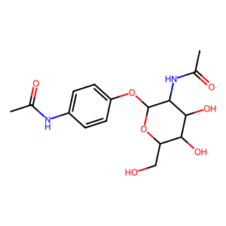 | 354.359 | 0 | 7 | 5 | 137.35 | 9 | 5 | 0.44298245614 | 0.48459126887 | 0.97605730865 | 0.00079949342931 | 0.21751351735 | 0.88540127961 | 1107.4528535 | 4507.9505197 | 5091.420832 | 4.0144553944 | 0.14255758232
ZINC000097142191 | CC(=O)NC1C(Oc2ccc(C(C)=O)c(O)c2)OC(CO)C(O)C1O | 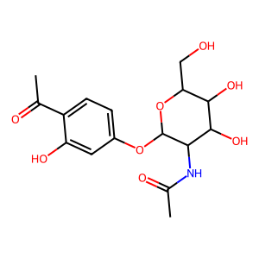 | 355.343 | 0 | 8 | 5 | 145.55 | 9 | 5 | 0.43157010915 | 0.34836871518 | 0.95215197042 | 0.00055094495614 | 0.3056249748 | 0.77109567639 | 1399.5875047 | 3531.1769737 | 4579.4277958 | 3.7721822966 | 0.10243977359
ZINC000005152238 | CC(=O)Nc1ccccc1OC1OC(CO)C(O)C(O)C1NC(C)=O | 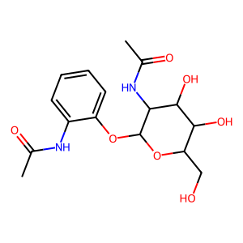 | 354.359 | 0 | 7 | 5 | 137.35 | 9 | 5 | 0.42471358429 | 0.29339684248 | 0.93856905328 | 0.00060363314865 | 0.34509148385 | 0.80787225896 | 1338.3497258 | 3133.1274947 | 3878.2461707 | 3.5451314654 | 0.20743899062
ZINC000004102143 | CC1CCC2C(C(=O)[O-])=COC(OC3OC(CO)C(O)C(O)C3O)C12 | 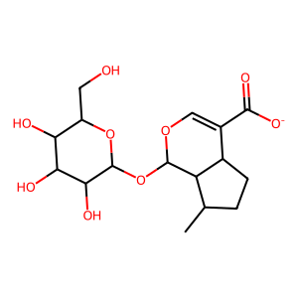 | 359.351 | -1 | 9 | 4 | 148.74 | 9 | 4 | 0.41929499072 | 0.24835203132 | 0.92339767753 | 0.0006467771683 | 0.38384466798 | 0.80625740649 | 1246.5767903 | 2618.4075324 | 3247.6074159 | 3.2525306922 | 0.24913466062

