Sheet1
zinc_id | CanonicalSmiles | ROMol | molecular_weight | formal_charge | similarity
ZINC000003896107 | OCCN1CCOCCOCCOCCN(CCO)CCOCC1 | 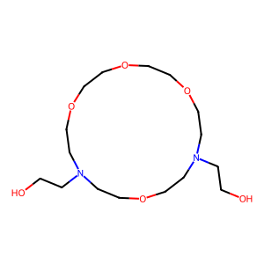 | 350.456 | 0 | 0.07623888183
ZINC000048524539 | COC(=O)NC(=S)NN1CCN(NC(=S)NC(=O)OC)CC1 | 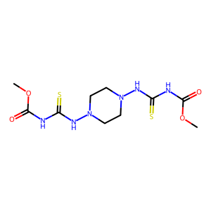 | 350.426 | 0 | 0.11368653422
ZINC000026669215 | CCNC(=O)NC(=O)CN1CCN(CC(=O)NC(=O)NCC)C(C)C1 | 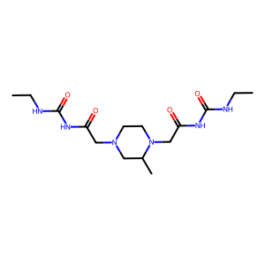 | 356.427 | 0 | 0.11686879824
ZINC000002387138 | O=C1C=CC(=O)N1CCOCCOCCOCCN1C(=O)C=CC1=O | 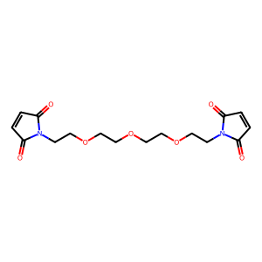 | 352.343 | 0 | 0.11907514451
ZINC000079103741 | CN(C)C(=O)C1CN(CC(=O)NC2CC2)CCN1CC(=O)NC1CC1 | 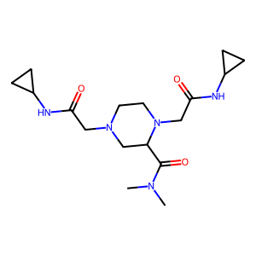 | 351.451 | 0 | 0.12050739958
ZINC000004948072 | COC(=O)C(CO)(CCC(CO)(C(=O)OC)C(=O)OC)C(=O)OC | 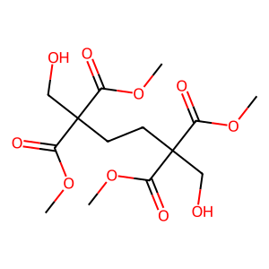 | 350.32 | 0 | 0.13431151242
ZINC000004761071 | COC(=O)C(C)NC(=O)C(C)NC(=O)C(C)NC(=O)C(C)NC(C)=O | 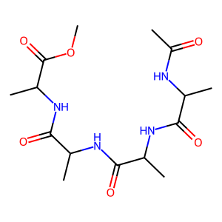 | 358.395 | 0 | 0.13434452871
ZINC000002973678 | CC(NC(=O)C(N)Cc1ccc(O)cc1)C(=O)NCC(=O)NCC(N)=O | 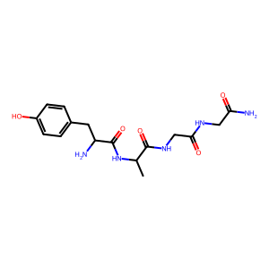 | 365.39 | 0 | 0.13654223969
ZINC000008934842 | CN1C(=O)N(C)C(NC(=O)N2CCOCC2)C1NC(=O)N1CCOCC1 | 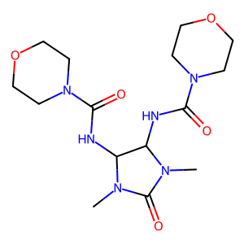 | 370.41 | 0 | 0.13883299799
ZINC000096126356 | CCNC(=O)NC(=O)C(C)N1CCN(CC(=O)NCCCOC)CC1 | 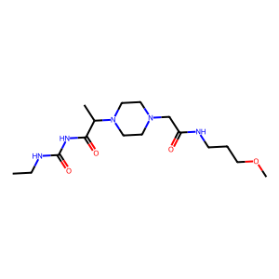 | 357.455 | 0 | 0.13915857605
ZINC000019831483 | CS(=O)(=O)N1CCN(CCNC(=O)C(=O)NCc2ccccc2)CC1 | 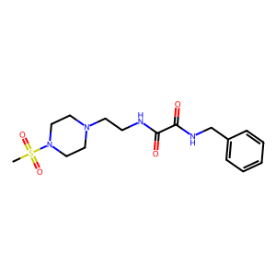 | 368.459 | 0 | 0.13944223108
ZINC000002477828 | O=C(CCC(=O)NC1CCS(=O)(=O)C1)NC1CCS(=O)(=O)C1 | 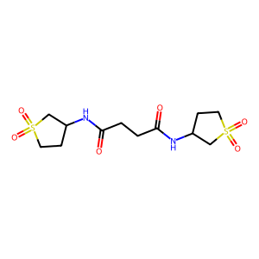 | 352.434 | 0 | 0.14029535865
ZINC000012403763 | COC(=O)CC(NCCCNC(CC(=O)OC)C(=O)OC)C(=O)OC | 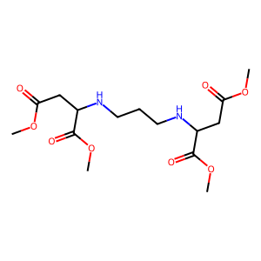 | 362.379 | 0 | 0.14031180401
ZINC000019848783 | O=C1OCCN1CCN(CN1C(=O)CCC1=O)CN1C(=O)CCC1=O | 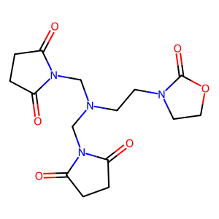 | 352.347 | 0 | 0.14285714286
ZINC000047913254 | CCOC(=O)N(C)CC(=O)N1CCN(C(=O)C(=O)N2CCOCC2)CC1 | 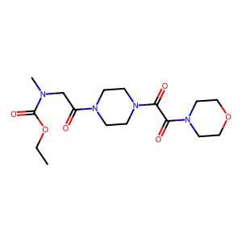 | 370.406 | 0 | 0.14374353671
ZINC000075284462 | CCOC=C(C(=O)NN1CCN(C)CC1)C(=O)NN1CCN(C)CC1 | 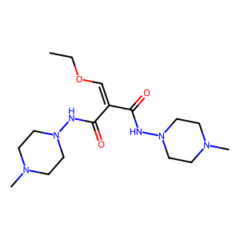 | 354.455 | 0 | 0.14504596527
ZINC000008934835 | CN1C(=O)N(C)C(NC(=O)NC(C)(C)CO)C1NC(=O)NC(C)(C)CO | 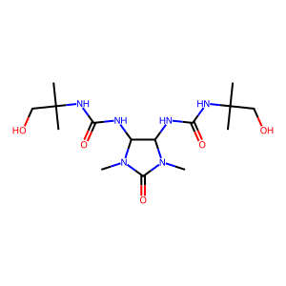 | 374.442 | 0 | 0.14696813977
ZINC000048301283 | CCN1CCN(C(=O)C(C)N2CCN(S(=O)(=O)N(C)C)CC2)CC1 | 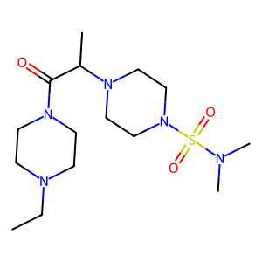 | 361.512 | 0 | 0.14796425025
ZINC000035552524 | CS(=O)(=O)N(CCCN1CCOCC1)CCC(=O)N1CCNCC1 | 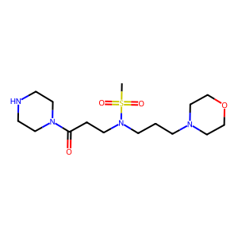 | 362.496 | 0 | 0.14926931106
ZINC000020500135 | CN1CCN(C(=O)CNC(=O)CNS(=O)(=O)c2ccccc2)CC1 | 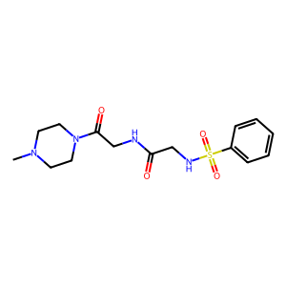 | 354.432 | 0 | 0.14935707221
ZINC000072406229 | O=CN1CCN(CC(O)CN2CCN(C3CCS(=O)(=O)C3)CC2)CC1 | 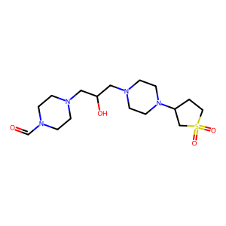 | 374.507 | 0 | 0.14959839357
ZINC000012343560 | O=S(=O)(N1CCCC1)N1CCN(S(=O)(=O)N2CCOCC2)CC1 | 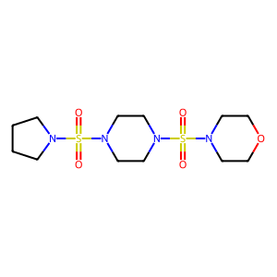 | 368.481 | 0 | 0.15472481828
ZINC000025319466 | CC(C(=O)NC(=O)NC1CC1)N1CCN(C(=O)CN2CCOCC2)CC1 | 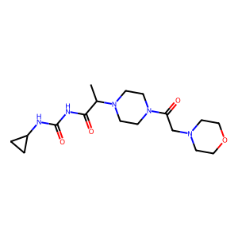 | 367.45 | 0 | 0.15567010309
ZINC000012427704 | Cc1nnc(SCc2nnc(CSc3nnc(C)n3N)n2N)n1N | 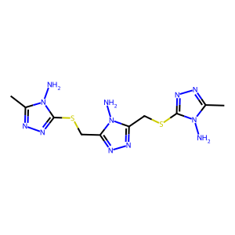 | 368.456 | 0 | 0.15704824976
ZINC000044226499 | Cn1nnnc1SCC(=O)NCCN1CCN(S(C)(=O)=O)CC1 | 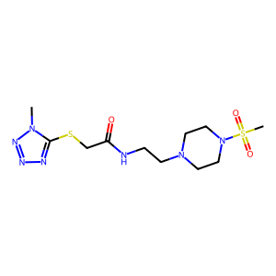 | 363.469 | 0 | 0.15953307393
ZINC000003628982 | CCS(=O)(=O)c1nnnn1CCn1nnnc1S(=O)(=O)CC | 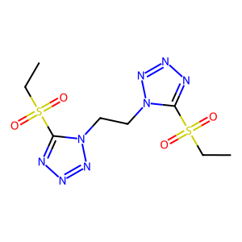 | 350.386 | 0 | 0.16033364226
ZINC000004530520 | COC(=O)C1C(=O)C(C(=O)OC)C2C(C(=O)OC)C(=O)C(C(=O)OC)C12 | 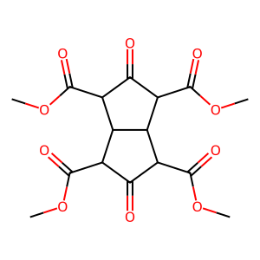 | 370.31 | 0 | 0.16094420601
ZINC000002803302 | Cn1cc(S(=O)(=O)N2CCN(S(=O)(=O)c3cnn(C)c3)CC2)cn1 | 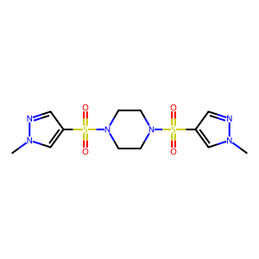 | 374.448 | 0 | 0.1610738255
ZINC000095359258 | NS(=O)(=O)N1CCN(C(=O)CN2CCN(c3ncccn3)CC2)CC1 | 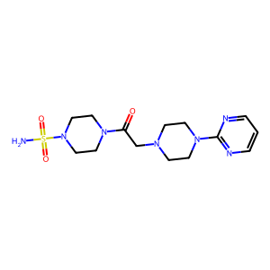 | 369.451 | 0 | 0.16187739464
ZINC000020219124 | COC(=O)CC(C(=O)OC)N1CCN(C(CC(=O)OC)C(=O)OC)CC1 | 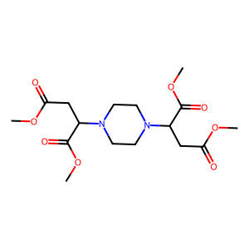 | 374.39 | 0 | 0.16373056995
ZINC000047913255 | CC(C(=O)N1CCN(C(=O)C(=O)N2CCOCC2)CC1)S(C)(=O)=O | 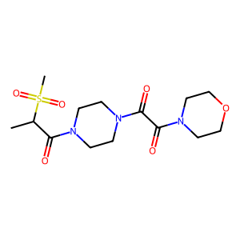 | 361.42 | 0 | 0.16426512968
ZINC000020812972 | O=S1(=O)CC(O)C(N2CCN(C3CS(=O)(=O)CC3O)CC2)C1 | 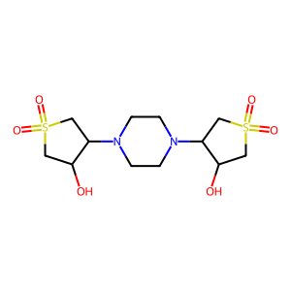 | 354.45 | 0 | 0.16426512968
ZINC000052144646 | CCN(CC)C(=O)CNC(=O)NCCS(=O)(=O)N1CCOCC1 | 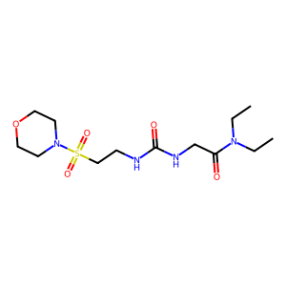 | 350.441 | 0 | 0.16432865731
ZINC000002371971 | NS(=O)(=O)c1ccc(NC(=O)CCC(=O)N(CCO)CCO)cc1 | 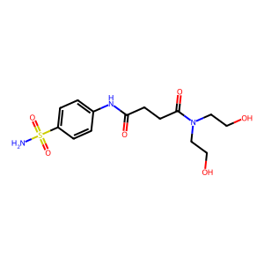 | 359.404 | 0 | 0.16535433071
ZINC000016226135 | O=C(CN1CCOCC1)Nc1nonc1NC(=O)CN1CCOCC1 | 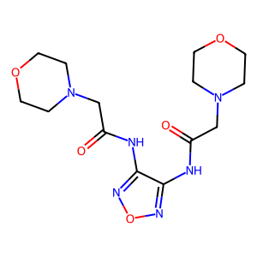 | 354.367 | 0 | 0.166
ZINC000002995964 | CC(CO)(CO)NC(=O)C(F)(F)C(F)(F)C(=O)NC(C)(CO)CO | 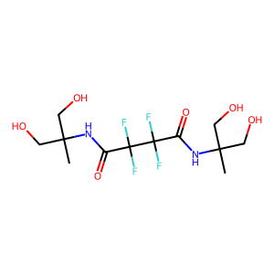 | 364.292 | 0 | 0.16700404858
ZINC000003257233 | CN(C(=O)C(=O)N(C)C1CCS(=O)(=O)C1)C1CCS(=O)(=O)C1 | 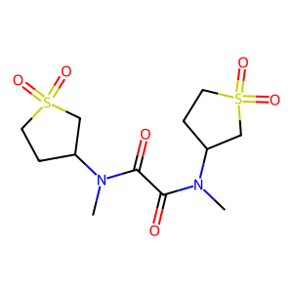 | 352.434 | 0 | 0.16714697406
ZINC000052141092 | CC(C)(C)NC(=O)CNC(=O)NCCS(=O)(=O)N1CCOCC1 | 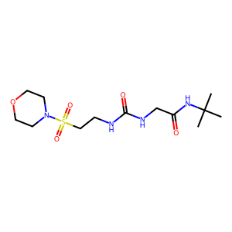 | 350.441 | 0 | 0.1678463094
ZINC000003245159 | CC1(NC(=O)C(=O)NC2(C)CCS(=O)(=O)C2)CCS(=O)(=O)C1 | 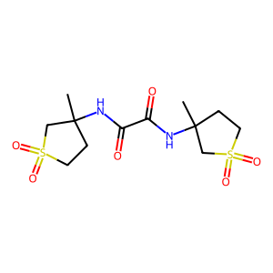 | 352.434 | 0 | 0.16876818623
ZINC000040108105 | CN1CCN(C(=O)C2CCN(C(=O)CN3C(=O)CNC3=O)CC2)CC1 | 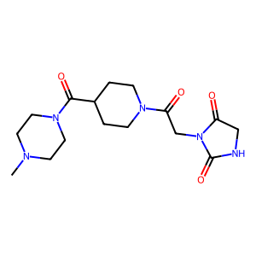 | 351.407 | 0 | 0.17056530214
ZINC000095466546 | Cn1cnn(CC(=O)OCCCOC(=O)Cn2ncn(C)c2=O)c1=O | 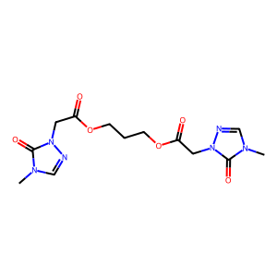 | 354.323 | 0 | 0.17148362235
ZINC000048286357 | Cn1cc(S(=O)(=O)NCCN2CCN(S(C)(=O)=O)CC2)cn1 | 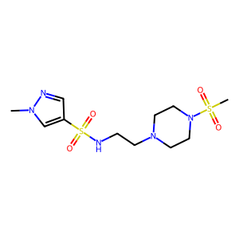 | 351.454 | 0 | 0.17287488061
ZINC000085436412 | Cn1nnnc1SCC(=O)N1CCN(CCn2ncccc2=O)CC1 | 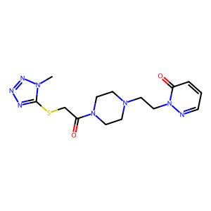 | 364.435 | 0 | 0.17626527051
ZINC000013522657 | CNC(=S)NN=c1nc(N2CCOCC2)nc(N2CCOCC2)[nH]1 | 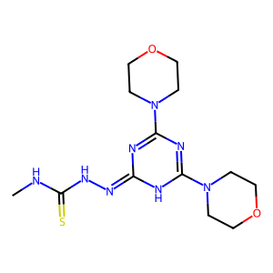 | 354.44 | 0 | 0.17676266137
ZINC000009691098 | O=C(CNC(=O)C(=O)NCCc1cccs1)NC1CCS(=O)(=O)C1 | 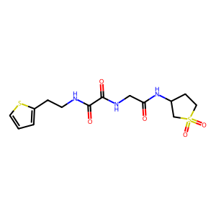 | 373.456 | 0 | 0.17820867959
ZINC000330730473 | CN(C)CC(=O)N1CCN(S(=O)(=O)CCCN2CCOCC2)CC1 | 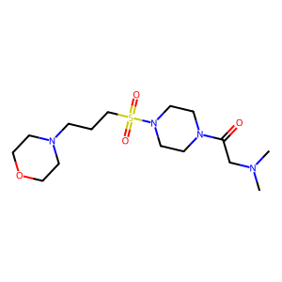 | 362.496 | 0 | 0.17874875869
ZINC000071281814 | CN(C)C(=O)CN1CCN(CC(O)CN2C(=O)NC(C)(C)C2=O)CC1 | 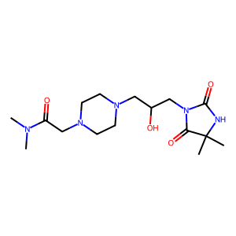 | 355.439 | 0 | 0.18081180812
ZINC000077407180 | CN(C)C(=O)CN1CCN(CCN2CCCC2=O)C2CS(=O)(=O)CC21 | 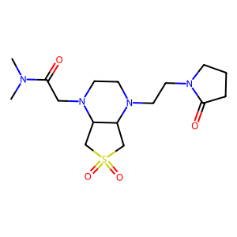 | 372.491 | 0 | 0.1809787627
ZINC000058182634 | COCCN(CC(N)=O)S(=O)(=O)c1ccc(S(N)(=O)=O)cc1 | 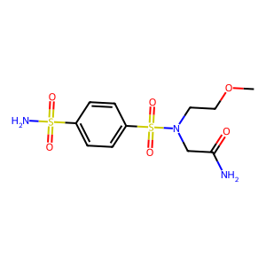 | 351.406 | 0 | 0.18111753372
ZINC000022924003 | CN(C)N1C(=O)CC(N2CCN(C3CC(=O)N(N(C)C)C3=O)CC2)C1=O | 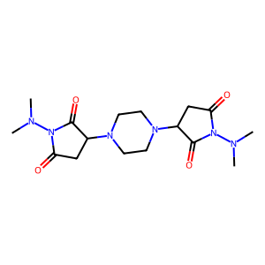 | 366.422 | 0 | 0.18123861566
ZINC000041107840 | CC(=O)Nc1ccc(CNC(=O)Cn2c(=O)n(C)c(=O)n(C)c2=O)cc1 |  | 361.358 | 0 | 0.18334809566
ZINC000058169116 | CN(C)c1nc(N)nc(CN2CCN(S(=O)(=O)N3CCCC3)CC2)n1 |  | 370.483 | 0 | 0.18380345769
ZINC000036709109 | COCCNC(=O)NCCS(=O)(=O)N1CCN(c2ncccn2)CC1 |  | 372.451 | 0 | 0.18518518519
ZINC000071283041 | CN1CCN(C(=O)CN(C)CC(O)CN2C(=O)NC(C)(C)C2=O)CC1 |  | 355.439 | 0 | 0.1852189781
ZINC000052996931 | O=C(CNC(=O)c1ccccc1)NCC(=O)NC1CCS(=O)(=O)C1 |  | 353.4 | 0 | 0.18644067797
ZINC000091288550 | Cn1nnnc1SCCNC(=O)c1cnc(Cn2cncn2)[nH]c1=O |  | 362.379 | 0 | 0.18653690187
ZINC000009882564 | Nc1nc(N)nc(SCC(=O)NC(=O)NC2CCS(=O)(=O)C2)n1 |  | 361.409 | 0 | 0.18916437098
ZINC000091848944 | Cc1cc(=O)[nH]c(CCNC(=O)c2cnc(Cn3cncn3)[nH]c2=O)n1 |  | 356.346 | 0 | 0.19047619048
ZINC000072168024 | Cc1ccc(CN2CCNC(=O)C2CC(=O)NC(CO)(CO)CO)cc1 |  | 365.43 | 0 | 0.19056099733
ZINC000072146688 | COc1cc(CN2CCNC(=O)C2CC(=O)NCC(N)=O)cc(OC)c1 |  | 364.402 | 0 | 0.19184027778
ZINC000082108244 | CN(C)CC(=O)N1CCN(CCN2CCCC2=O)C2CS(=O)(=O)CC21 |  | 372.491 | 0 | 0.19459459459
ZINC000058299268 | COC(=O)Cc1nnn(CC(=O)Nc2ccc(S(N)(=O)=O)cc2)n1 |  | 354.348 | 0 | 0.19482758621
ZINC000096167235 | CCNC(=O)CN1CCN(c2nccc(N(C)CC(O)CO)n2)CC1 |  | 352.439 | 0 | 0.19489981785
ZINC000041107839 | Cn1c(=O)n(C)c(=O)n(Cc2nc(N)nc(N3CCOCC3)n2)c1=O |  | 350.339 | 0 | 0.19490781387
ZINC000014121131 | CC(C(=O)NC1CCS(=O)(=O)C1)N1CCN(S(C)(=O)=O)CC1 |  | 353.466 | 0 | 0.19537037037
ZINC000032770131 | O=C(CN1CCN(S(=O)(=O)N2CCOCC2)CC1)N1CCNC1=O |  | 361.424 | 0 | 0.19550982226
ZINC000040156596 | Nc1[nH]c(=O)[nH]c(=O)c1C(c1ccc(F)cc1)c1c(N)[nH]c(=O)[nH]c1=O |  | 360.305 | 0 | 0.19576271186
ZINC000011905149 | NS(=O)(=O)c1ccc(CNC(=O)CCn2ccc(=O)[nH]c2=O)cc1 |  | 352.372 | 0 | 0.19737991266
ZINC000071279159 | COCCNC(=O)CN1CCN(Cc2oc(CO)cc(=O)c2O)CC1 |  | 355.391 | 0 | 0.1976450799
ZINC000065370045 | Cc1nc(=O)[nH]c(C)c1CCC(=O)N1CCN2C(=O)CN(C)C(=O)C2C1 |  | 361.402 | 0 | 0.19797809604
ZINC000072149019 | O=C(CC1C(=O)NCCN1Cc1ccc(F)cc1)NC(CO)(CO)CO |  | 369.393 | 0 | 0.19841269841
ZINC000011905150 | NS(=O)(=O)c1ccc(CCNC(=O)CCn2ccc(=O)[nH]c2=O)cc1 |  | 366.399 | 0 | 0.19912663755
ZINC000091829359 | O=C(CN1C(=O)CNC1=O)N1CC(CO)CC(CN2CCOCC2)C1 |  | 354.407 | 0 | 0.19961977186
ZINC000077470607 | CCN1CCN(C(=O)CCCS(N)(=O)=O)C2CS(=O)(=O)CC21 |  | 353.466 | 0 | 0.19982238011
ZINC000072162374 | Cc1ccccc1CN1CCNC(=O)C1CC(=O)NC(CO)(CO)CO |  | 365.43 | 0 | 0.20052539405
ZINC000004551919 | CC(=O)OC1C(OC(C)=O)N(C=O)C(OC(C)=O)C(OC(C)=O)N1C=O |  | 374.302 | 0 | 0.20111214087
ZINC000077489159 | Cn1ncc(N2CCC(CNC(=O)CCNS(C)(=O)=O)C2)cc1=O |  | 357.436 | 0 | 0.2013536379
ZINC000072169123 | COc1cccc(CN2CCNC(=O)C2CC(=O)NC(CO)CO)c1 |  | 351.403 | 0 | 0.20138888889
ZINC000152017634 | Cn1cc(I)c(=O)n(CCC(=O)NC(N)=O)c1=O |  | 366.115 | 0 | 0.20169491525
ZINC000077505469 | Cn1ncc(N2CCC(CNC(=O)CCCS(N)(=O)=O)C2)cc1=O |  | 357.436 | 0 | 0.20202874049
ZINC000065404341 | O=C1NCCN2CCN(C(=O)CNS(=O)(=O)c3cccs3)CC12 |  | 358.445 | 0 | 0.20242214533
ZINC000138720583 | O=C1C2C3C=CC(C2C(=O)N1CCO)C1C2C(=O)N(CCO)C(=O)C2C31 |  | 360.366 | 0 | 0.20244821092
ZINC000072163436 | Cc1ccc(CN2CCNC(=O)C2CC(=O)NC(CO)(CO)CO)o1 |  | 355.391 | 0 | 0.20287404903
ZINC000091915017 | Cn1ncc(N2CCN(C(=O)C3CCCN(CC(N)=O)C3)CC2)cc1=O |  | 362.434 | 0 | 0.20367278798
ZINC000015109142 | COc1ccc(OC)c(NC(=O)Cn2c(=O)n(C)c(=O)n(C)c2=O)c1 |  | 350.331 | 0 | 0.20368818106
ZINC000051502340 | O=C(C1CCS(=O)(=O)C1)N1CCN(CC(O)Cn2cccn2)CC1 |  | 356.448 | 0 | 0.20381613183
ZINC000072143133 | O=C(CC1C(=O)NCCN1Cc1ccccc1F)NC(CO)(CO)CO |  | 369.393 | 0 | 0.20395869191
ZINC000003118078 | NS(=O)(=O)c1ccc(NC(=O)COC(=O)CN2C(=O)CCC2=O)cc1 |  | 369.355 | 0 | 0.20404411765
ZINC000091663663 | CC(=O)NC(Cc1c[nH]cn1)C(=O)N1CCN(CCn2cncn2)CC1 |  | 360.422 | 0 | 0.20528109029
ZINC000091663663 | CC(=O)NC(Cc1cnc[nH]1)C(=O)N1CCN(CCn2cncn2)CC1 |  | 360.422 | 0 | 0.20528109029
ZINC000072153251 | COc1ccc(CN2CCNC(=O)C2CC(=O)NCC(N)=O)c(OC)c1 |  | 364.402 | 0 | 0.20538720539
ZINC000072405718 | O=C(NCC(=O)N1CCN(C2CCS(=O)(=O)C2)CC1)c1cnccn1 |  | 367.431 | 0 | 0.2065026362
ZINC000012360721 | O=C(CCn1cncn1)N1CCN(S(=O)(=O)N2CCOCC2)CC1 |  | 358.424 | 0 | 0.20686456401
ZINC000048310494 | CCS(=O)(=O)N1CCN(S(=O)(=O)C2CCS(=O)(=O)C2)CC1 |  | 360.479 | 0 | 0.20754716981
ZINC000048299321 | O=C(Cn1ccc(=O)[nH]c1=O)N1CCN(S(=O)(=O)N2CCCC2)CC1 |  | 371.419 | 0 | 0.20864505403
ZINC000095383612 | O=C1CCCN1CCCC(=O)N1CCN(CCO)C2CS(=O)(=O)CC21 |  | 373.475 | 0 | 0.20940550133
ZINC000012687369 | Nc1cc(=O)[nH]c(SCC(=O)NC(=O)NC2CCS(=O)(=O)C2)n1 |  | 361.405 | 0 | 0.20970537262
ZINC000072146965 | COc1ccccc1CN1CCNC(=O)C1CC(=O)NC(CO)CO |  | 351.403 | 0 | 0.21021276596
ZINC000091755357 | COCCN1CCN(C(=O)N2CCN(C)CC2)C2CS(=O)(=O)CC21 |  | 360.48 | 0 | 0.21052631579
ZINC000082156208 | O=C1CC2(CCN(C(=O)CN3CCN(c4ncccn4)CC3)C2)C(=O)N1 |  | 358.402 | 0 | 0.21103327496

