Sheet1
zinc_id | CanonicalSmiles | ROMol | molecular_weight | formal_charge | similarity
ZINC000068604261 | O=C([O-])CN1CCC[NH+](CC(=O)[O-])CCN(CC(=O)[O-])CCC[NH2+]CC1 | 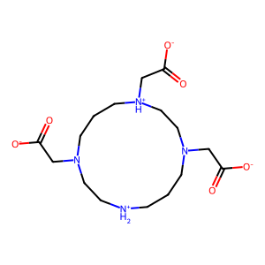 | 373.43 | -1 | 0.062573789847
ZINC000003895812 | OCCN1CCOCCOCCN(CCO)CCOCCOCC1 | 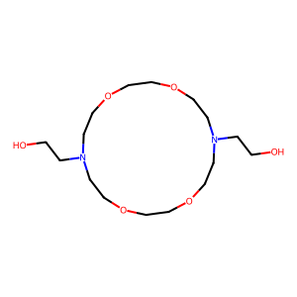 | 350.456 | 0 | 0.067430025445
ZINC000004545903 | [NH3+]CC(=O)NCC(=O)NCC(=O)NCC(=O)NCC(=O)NCC(=O)[O-] | 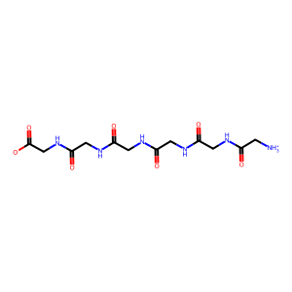 | 360.327 | 0 | 0.067632850242
ZINC000004545903 | NCC(=O)NCC(=O)NCC(=O)NCC(=O)NCC(=O)NCC(=O)[O-] | 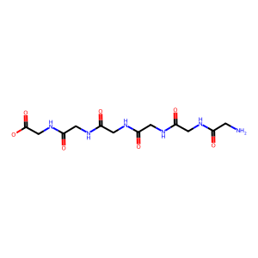 | 359.319 | -1 | 0.067632850242
ZINC000003896107 | OCCN1CCOCCOCCOCCN(CCO)CCOCC1 | 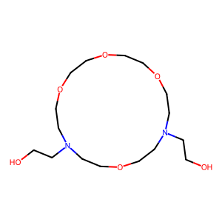 | 350.456 | 0 | 0.07623888183
ZINC000019370490 | O=S(=O)([O-])CC(O)CN1CCN(CC(O)CS(=O)(=O)[O-])CC1 | 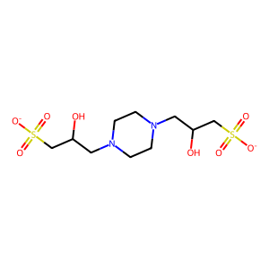 | 360.41 | -2 | 0.090401785714
ZINC000019370490 | O=S(=O)([O-])CC(O)CN1CC[NH+](CC(O)CS(=O)(=O)[O-])CC1 | 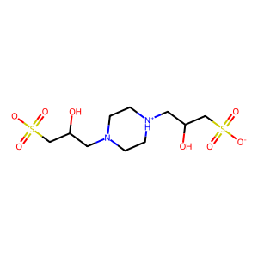 | 361.418 | -1 | 0.090401785714
ZINC000048524539 | COC(=O)NC(=S)NN1CCN(NC(=S)NC(=O)OC)CC1 | 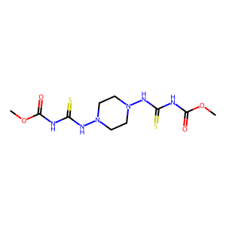 | 350.426 | 0 | 0.11368653422
ZINC000075279647 | CCCNC(=O)C(C)NC(=O)C(C)NC(=O)C(C)NC(=O)CCC(=O)[O-] | 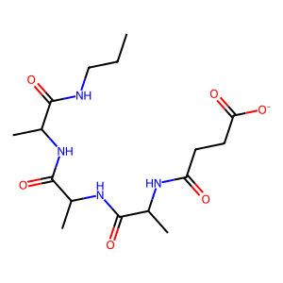 | 371.414 | -1 | 0.11517165006
ZINC000100655941 | CC([NH3+])C(=O)NC(C)C(=O)NC(C)C(=O)NC(C)C(=O)NC(C)C(=O)[O-] | 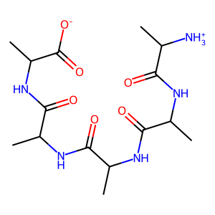 | 373.41 | 0 | 0.11529933481
ZINC000026669215 | CCNC(=O)NC(=O)CN1CCN(CC(=O)NC(=O)NCC)C(C)C1 | 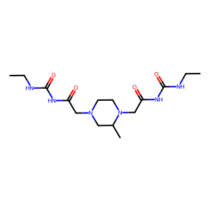 | 356.427 | 0 | 0.11686879824
ZINC000002387138 | O=C1C=CC(=O)N1CCOCCOCCOCCN1C(=O)C=CC1=O | 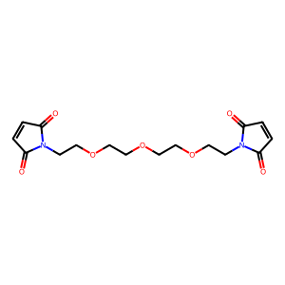 | 352.343 | 0 | 0.11907514451
ZINC000079103741 | CN(C)C(=O)C1CN(CC(=O)NC2CC2)CCN1CC(=O)NC1CC1 | 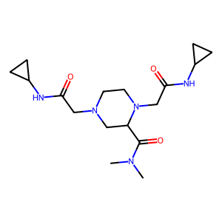 | 351.451 | 0 | 0.12050739958
ZINC000095753544 | CC(=O)OCN(CN(CN(COC(C)=O)[N+](=O)[O-])[N+](=O)[O-])[N+](=O)[O-] | 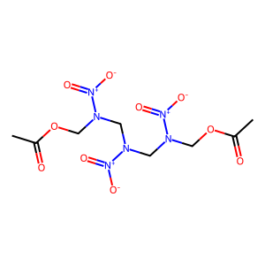 | 354.232 | 0 | 0.12108980827
ZINC000003787786 | CCNC(=O)C(C)NC(=O)C(C)NC(=O)C(C)NC(=O)CCCC(=O)[O-] | 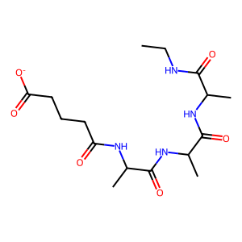 | 371.414 | -1 | 0.12319644839
ZINC000004948072 | COC(=O)C(CO)(CCC(CO)(C(=O)OC)C(=O)OC)C(=O)OC | 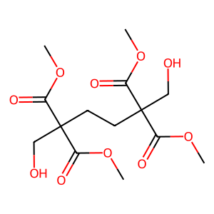 | 350.32 | 0 | 0.13431151242
ZINC000004761071 | COC(=O)C(C)NC(=O)C(C)NC(=O)C(C)NC(=O)C(C)NC(C)=O | 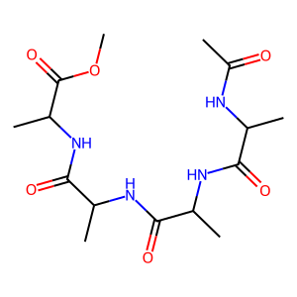 | 358.395 | 0 | 0.13434452871
ZINC000002973678 | CC(NC(=O)C(N)Cc1ccc(O)cc1)C(=O)NCC(=O)NCC(N)=O | 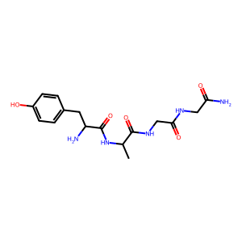 | 365.39 | 0 | 0.13654223969
ZINC000008934842 | CN1C(=O)N(C)C(NC(=O)N2CCOCC2)C1NC(=O)N1CCOCC1 | 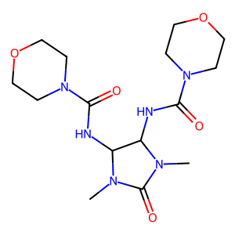 | 370.41 | 0 | 0.13883299799
ZINC000096126356 | CCNC(=O)NC(=O)C(C)N1CCN(CC(=O)NCCCOC)CC1 | 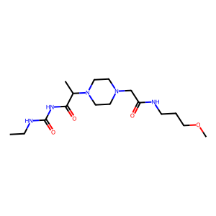 | 357.455 | 0 | 0.13915857605
ZINC000019831483 | CS(=O)(=O)N1CCN(CCNC(=O)C(=O)NCc2ccccc2)CC1 | 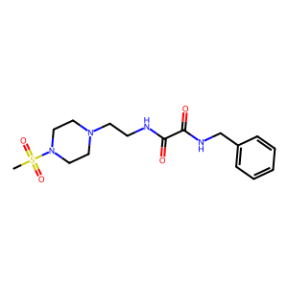 | 368.459 | 0 | 0.13944223108
ZINC000002477828 | O=C(CCC(=O)NC1CCS(=O)(=O)C1)NC1CCS(=O)(=O)C1 | 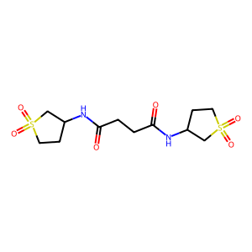 | 352.434 | 0 | 0.14029535865
ZINC000012403763 | COC(=O)CC(NCCCNC(CC(=O)OC)C(=O)OC)C(=O)OC | 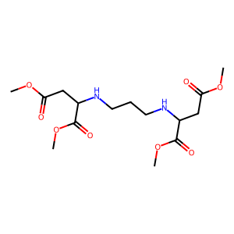 | 362.379 | 0 | 0.14031180401
ZINC000019848783 | O=C1OCCN1CCN(CN1C(=O)CCC1=O)CN1C(=O)CCC1=O | 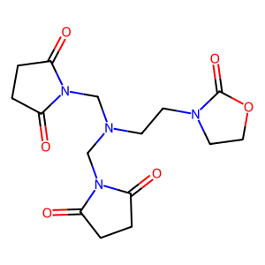 | 352.347 | 0 | 0.14285714286
ZINC000047913254 | CCOC(=O)N(C)CC(=O)N1CCN(C(=O)C(=O)N2CCOCC2)CC1 | 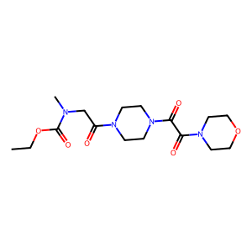 | 370.406 | 0 | 0.14374353671
ZINC000006095847 | O=C([O-])CNC(=O)CNC(=O)CNC(=O)CSC(=O)c1ccccc1 | 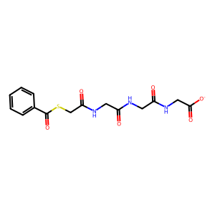 | 366.375 | -1 | 0.14447884417
ZINC000075284462 | CCOC=C(C(=O)NN1CCN(C)CC1)C(=O)NN1CCN(C)CC1 | 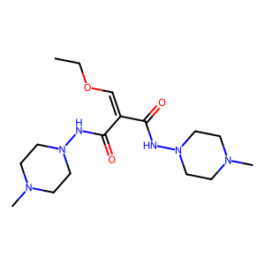 | 354.455 | 0 | 0.14504596527
ZINC000008934835 | CN1C(=O)N(C)C(NC(=O)NC(C)(C)CO)C1NC(=O)NC(C)(C)CO | 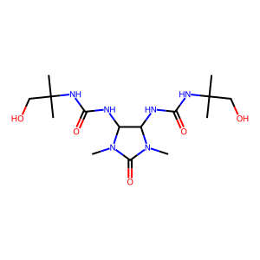 | 374.442 | 0 | 0.14696813977
ZINC000048301283 | CCN1CCN(C(=O)C(C)N2CCN(S(=O)(=O)N(C)C)CC2)CC1 | 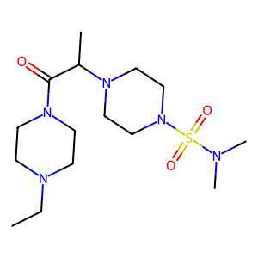 | 361.512 | 0 | 0.14796425025
ZINC000002228293 | O=C([O-])CCN1CN2C(=O)N3CN(CCC(=O)[O-])CN4C(=O)N(C1)C2C34 | 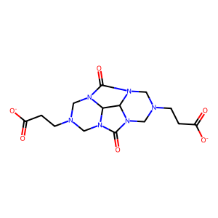 | 366.334 | -2 | 0.14862204724
ZINC000035552524 | CS(=O)(=O)N(CCCN1CCOCC1)CCC(=O)N1CCNCC1 | 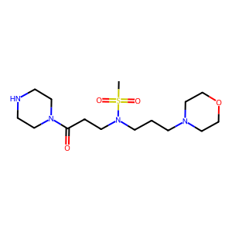 | 362.496 | 0 | 0.14926931106
ZINC000020500135 | CN1CCN(C(=O)CNC(=O)CNS(=O)(=O)c2ccccc2)CC1 | 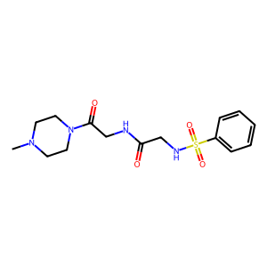 | 354.432 | 0 | 0.14935707221
ZINC000072406229 | O=CN1CCN(CC(O)CN2CCN(C3CCS(=O)(=O)C3)CC2)CC1 | 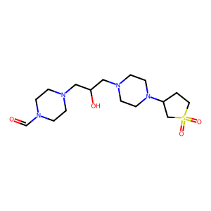 | 374.507 | 0 | 0.14959839357
ZINC000048547150 | CC([NH3+])C(=O)NC(CCC(=O)[O-])C(=O)NC(C)C(=O)NC(C)C(N)=O | 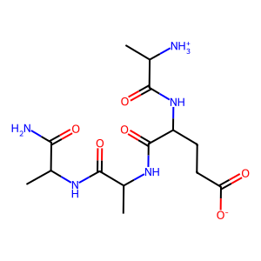 | 359.383 | 0 | 0.14963119073
ZINC000217513646 | O=C([O-])CCC(NC(=O)CC(=O)NC(CCC(=O)[O-])C(=O)[O-])C(=O)[O-] | 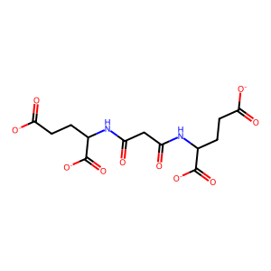 | 358.259 | -4 | 0.15094339623
ZINC000012343560 | O=S(=O)(N1CCCC1)N1CCN(S(=O)(=O)N2CCOCC2)CC1 | 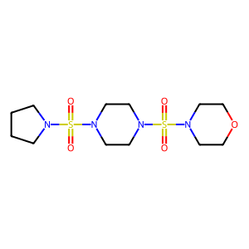 | 368.481 | 0 | 0.15472481828
ZINC000025319466 | CC(C(=O)NC(=O)NC1CC1)N1CCN(C(=O)CN2CCOCC2)CC1 | 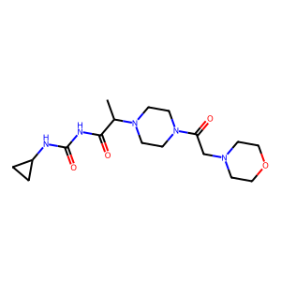 | 367.45 | 0 | 0.15567010309
ZINC000012427704 | Cc1nnc(SCc2nnc(CSc3nnc(C)n3N)n2N)n1N | 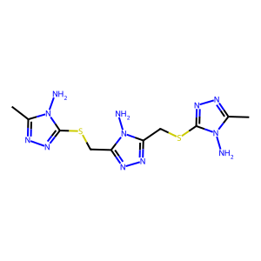 | 368.456 | 0 | 0.15704824976
ZINC000013562447 | CCN(CC(O)C[NH+](C)CC(O)CN1CCOCC1)S(=O)(=O)[O-] | 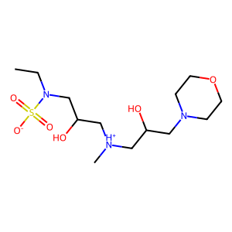 | 355.457 | 0 | 0.15943600868
ZINC000044226499 | Cn1nnnc1SCC(=O)NCCN1CCN(S(C)(=O)=O)CC1 | 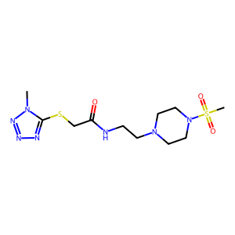 | 363.469 | 0 | 0.15953307393
ZINC000003628982 | CCS(=O)(=O)c1nnnn1CCn1nnnc1S(=O)(=O)CC | 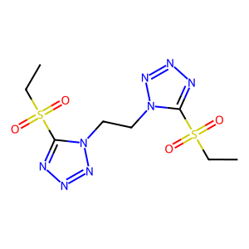 | 350.386 | 0 | 0.16033364226
ZINC000004530520 | COC(=O)C1C(=O)C(C(=O)OC)C2C(C(=O)OC)C(=O)C(C(=O)OC)C12 | 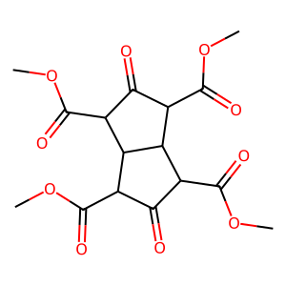 | 370.31 | 0 | 0.16094420601
ZINC000002803302 | Cn1cc(S(=O)(=O)N2CCN(S(=O)(=O)c3cnn(C)c3)CC2)cn1 | 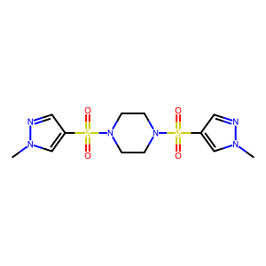 | 374.448 | 0 | 0.1610738255
ZINC000095359258 | NS(=O)(=O)N1CCN(C(=O)CN2CCN(c3ncccn3)CC2)CC1 | 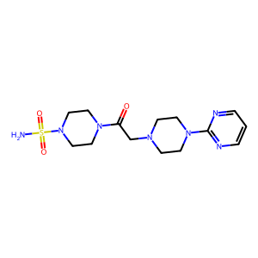 | 369.451 | 0 | 0.16187739464
ZINC000002934648 | O=C([O-])CCn1c(=O)c2cc3c(=O)n(CCC(=O)[O-])c(=O)c3cc2c1=O | 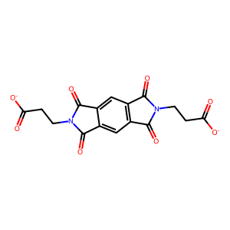 | 358.262 | -2 | 0.16281221092
ZINC000020219124 | COC(=O)CC(C(=O)OC)N1CCN(C(CC(=O)OC)C(=O)OC)CC1 | 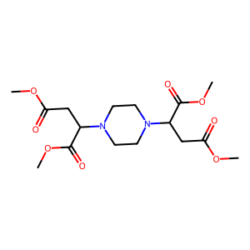 | 374.39 | 0 | 0.16373056995
ZINC000047913255 | CC(C(=O)N1CCN(C(=O)C(=O)N2CCOCC2)CC1)S(C)(=O)=O | 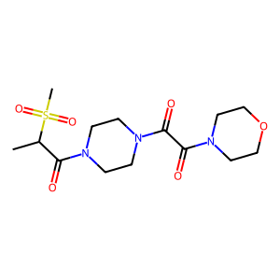 | 361.42 | 0 | 0.16426512968
ZINC000020812972 | O=S1(=O)CC(O)C(N2CCN(C3CS(=O)(=O)CC3O)CC2)C1 | 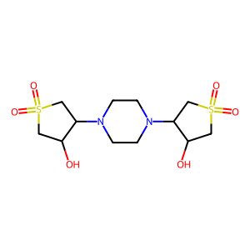 | 354.45 | 0 | 0.16426512968
ZINC000048547152 | CC([NH3+])C(=O)NC(CCC(=O)[O-])C(=O)NC(C)C(=O)NC(C)C(=O)[O-] | 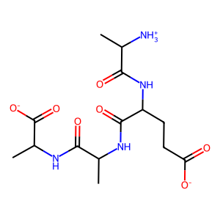 | 359.359 | -1 | 0.16427104723
ZINC000052144646 | CCN(CC)C(=O)CNC(=O)NCCS(=O)(=O)N1CCOCC1 | 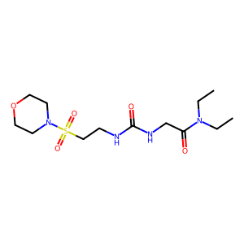 | 350.441 | 0 | 0.16432865731
ZINC000002371971 | NS(=O)(=O)c1ccc(NC(=O)CCC(=O)N(CCO)CCO)cc1 |  | 359.404 | 0 | 0.16535433071
ZINC000016226135 | O=C(CN1CCOCC1)Nc1nonc1NC(=O)CN1CCOCC1 |  | 354.367 | 0 | 0.166
ZINC000002995964 | CC(CO)(CO)NC(=O)C(F)(F)C(F)(F)C(=O)NC(C)(CO)CO |  | 364.292 | 0 | 0.16700404858
ZINC000003257233 | CN(C(=O)C(=O)N(C)C1CCS(=O)(=O)C1)C1CCS(=O)(=O)C1 |  | 352.434 | 0 | 0.16714697406
ZINC000012360723 | Nn1c(Cn2c[n+]([N-][N+](=O)[O-])cn2)nnc1Cn1c[n+]([N-][N+](=O)[O-])cn1 |  | 366.262 | 0 | 0.16742081448
ZINC000052141092 | CC(C)(C)NC(=O)CNC(=O)NCCS(=O)(=O)N1CCOCC1 |  | 350.441 | 0 | 0.1678463094
ZINC000003245159 | CC1(NC(=O)C(=O)NC2(C)CCS(=O)(=O)C2)CCS(=O)(=O)C1 |  | 352.434 | 0 | 0.16876818623
ZINC000040108105 | CN1CCN(C(=O)C2CCN(C(=O)CN3C(=O)CNC3=O)CC2)CC1 |  | 351.407 | 0 | 0.17056530214
ZINC000095466546 | Cn1cnn(CC(=O)OCCCOC(=O)Cn2ncn(C)c2=O)c1=O |  | 354.323 | 0 | 0.17148362235
ZINC000048286357 | Cn1cc(S(=O)(=O)NCCN2CCN(S(C)(=O)=O)CC2)cn1 |  | 351.454 | 0 | 0.17287488061
ZINC000085436412 | Cn1nnnc1SCC(=O)N1CCN(CCn2ncccc2=O)CC1 |  | 364.435 | 0 | 0.17626527051
ZINC000013522657 | CNC(=S)NN=c1nc(N2CCOCC2)nc(N2CCOCC2)[nH]1 |  | 354.44 | 0 | 0.17676266137
ZINC000009691098 | O=C(CNC(=O)C(=O)NCCc1cccs1)NC1CCS(=O)(=O)C1 |  | 373.456 | 0 | 0.17820867959
ZINC000330730473 | CN(C)CC(=O)N1CCN(S(=O)(=O)CCCN2CCOCC2)CC1 |  | 362.496 | 0 | 0.17874875869
ZINC000071281814 | CN(C)C(=O)CN1CCN(CC(O)CN2C(=O)NC(C)(C)C2=O)CC1 |  | 355.439 | 0 | 0.18081180812
ZINC000077407180 | CN(C)C(=O)CN1CCN(CCN2CCCC2=O)C2CS(=O)(=O)CC21 |  | 372.491 | 0 | 0.1809787627
ZINC000058182634 | COCCN(CC(N)=O)S(=O)(=O)c1ccc(S(N)(=O)=O)cc1 |  | 351.406 | 0 | 0.18111753372
ZINC000022924003 | CN(C)N1C(=O)CC(N2CCN(C3CC(=O)N(N(C)C)C3=O)CC2)C1=O |  | 366.422 | 0 | 0.18123861566
ZINC000004899524 | NC(=O)C1CCCN1C(=O)C(CCC(=O)[O-])NC(=O)C1CCC(=O)N1 |  | 353.355 | -1 | 0.18305744888
ZINC000041107840 | CC(=O)Nc1ccc(CNC(=O)Cn2c(=O)n(C)c(=O)n(C)c2=O)cc1 |  | 361.358 | 0 | 0.18334809566
ZINC000058169116 | CN(C)c1nc(N)nc(CN2CCN(S(=O)(=O)N3CCCC3)CC2)n1 |  | 370.483 | 0 | 0.18380345769
ZINC000036709109 | COCCNC(=O)NCCS(=O)(=O)N1CCN(c2ncccn2)CC1 |  | 372.451 | 0 | 0.18518518519
ZINC000071283041 | CN1CCN(C(=O)CN(C)CC(O)CN2C(=O)NC(C)(C)C2=O)CC1 |  | 355.439 | 0 | 0.1852189781
ZINC000052996931 | O=C(CNC(=O)c1ccccc1)NCC(=O)NC1CCS(=O)(=O)C1 |  | 353.4 | 0 | 0.18644067797
ZINC000091288550 | Cn1nnnc1SCCNC(=O)c1cnc(Cn2cncn2)[nH]c1=O |  | 362.379 | 0 | 0.18653690187
ZINC000091288550 | Cn1nnnc1SCCNC(=O)c1cnc(Cn2cncn2)[n-]c1=O |  | 361.371 | -1 | 0.18653690187
ZINC000009882564 | Nc1nc(N)nc(SCC(=O)NC(=O)NC2CCS(=O)(=O)C2)n1 |  | 361.409 | 0 | 0.18916437098
ZINC000091848944 | Cc1cc(=O)[nH]c(CCNC(=O)c2cnc(Cn3cncn3)[nH]c2=O)n1 |  | 356.346 | 0 | 0.19047619048
ZINC000091848944 | Cc1cc(=O)[nH]c(CCNC(=O)c2cnc(Cn3cncn3)[n-]c2=O)n1 |  | 355.338 | -1 | 0.19047619048
ZINC000072168024 | Cc1ccc(CN2CCNC(=O)C2CC(=O)NC(CO)(CO)CO)cc1 |  | 365.43 | 0 | 0.19056099733
ZINC000072146688 | COc1cc(CN2CCNC(=O)C2CC(=O)NCC(N)=O)cc(OC)c1 |  | 364.402 | 0 | 0.19184027778
ZINC000082108244 | CN(C)CC(=O)N1CCN(CCN2CCCC2=O)C2CS(=O)(=O)CC21 |  | 372.491 | 0 | 0.19459459459
ZINC000058299268 | COC(=O)Cc1nnn(CC(=O)Nc2ccc(S(N)(=O)=O)cc2)n1 |  | 354.348 | 0 | 0.19482758621
ZINC000096167235 | CCNC(=O)CN1CCN(c2nccc(N(C)CC(O)CO)n2)CC1 |  | 352.439 | 0 | 0.19489981785
ZINC000041107839 | Cn1c(=O)n(C)c(=O)n(Cc2nc(N)nc(N3CCOCC3)n2)c1=O |  | 350.339 | 0 | 0.19490781387
ZINC000001616624 | [NH3+]C(CCC(=O)NC(CS(=O)(=O)[O-])C(=O)NCC(=O)[O-])C(=O)[O-] |  | 353.309 | -2 | 0.19491525424
ZINC000014121131 | CC(C(=O)NC1CCS(=O)(=O)C1)N1CCN(S(C)(=O)=O)CC1 |  | 353.466 | 0 | 0.19537037037
ZINC000032770131 | O=C(CN1CCN(S(=O)(=O)N2CCOCC2)CC1)N1CCNC1=O |  | 361.424 | 0 | 0.19550982226
ZINC000040156596 | Nc1[nH]c(=O)[nH]c(=O)c1C(c1ccc(F)cc1)c1c(N)[nH]c(=O)[nH]c1=O |  | 360.305 | 0 | 0.19576271186
ZINC000011905149 | NS(=O)(=O)c1ccc(CNC(=O)CCn2ccc(=O)[nH]c2=O)cc1 |  | 352.372 | 0 | 0.19737991266
ZINC000071279159 | COCCNC(=O)CN1CCN(Cc2oc(CO)cc(=O)c2O)CC1 |  | 355.391 | 0 | 0.1976450799
ZINC000065370045 | Cc1nc(=O)[nH]c(C)c1CCC(=O)N1CCN2C(=O)CN(C)C(=O)C2C1 |  | 361.402 | 0 | 0.19797809604
ZINC000072149019 | O=C(CC1C(=O)NCCN1Cc1ccc(F)cc1)NC(CO)(CO)CO |  | 369.393 | 0 | 0.19841269841
ZINC000011905150 | NS(=O)(=O)c1ccc(CCNC(=O)CCn2ccc(=O)[nH]c2=O)cc1 |  | 366.399 | 0 | 0.19912663755
ZINC000091829359 | O=C(CN1C(=O)CNC1=O)N1CC(CO)CC(CN2CCOCC2)C1 |  | 354.407 | 0 | 0.19961977186
ZINC000077470607 | CCN1CCN(C(=O)CCCS(N)(=O)=O)C2CS(=O)(=O)CC21 |  | 353.466 | 0 | 0.19982238011
ZINC000001532061 | COc1cc(OC)nc(NC(=O)[N-]S(=O)(=O)N(C)S(C)(=O)=O)n1 |  | 368.373 | -1 | 0.19982847341
ZINC000072162374 | Cc1ccccc1CN1CCNC(=O)C1CC(=O)NC(CO)(CO)CO |  | 365.43 | 0 | 0.20052539405
ZINC000004551919 | CC(=O)OC1C(OC(C)=O)N(C=O)C(OC(C)=O)C(OC(C)=O)N1C=O |  | 374.302 | 0 | 0.20111214087
ZINC000077489159 | Cn1ncc(N2CCC(CNC(=O)CCNS(C)(=O)=O)C2)cc1=O |  | 357.436 | 0 | 0.2013536379
ZINC000072169123 | COc1cccc(CN2CCNC(=O)C2CC(=O)NC(CO)CO)c1 |  | 351.403 | 0 | 0.20138888889
ZINC000152017634 | Cn1cc(I)c(=O)n(CCC(=O)NC(N)=O)c1=O |  | 366.115 | 0 | 0.20169491525
ZINC000077505469 | Cn1ncc(N2CCC(CNC(=O)CCCS(N)(=O)=O)C2)cc1=O |  | 357.436 | 0 | 0.20202874049
ZINC000065404341 | O=C1NCCN2CCN(C(=O)CNS(=O)(=O)c3cccs3)CC12 |  | 358.445 | 0 | 0.20242214533
ZINC000138720583 | O=C1C2C3C=CC(C2C(=O)N1CCO)C1C2C(=O)N(CCO)C(=O)C2C31 |  | 360.366 | 0 | 0.20244821092
ZINC000072163436 | Cc1ccc(CN2CCNC(=O)C2CC(=O)NC(CO)(CO)CO)o1 |  | 355.391 | 0 | 0.20287404903
ZINC000091915017 | Cn1ncc(N2CCN(C(=O)C3CCCN(CC(N)=O)C3)CC2)cc1=O |  | 362.434 | 0 | 0.20367278798
ZINC000015109142 | COc1ccc(OC)c(NC(=O)Cn2c(=O)n(C)c(=O)n(C)c2=O)c1 |  | 350.331 | 0 | 0.20368818106
ZINC000051502340 | O=C(C1CCS(=O)(=O)C1)N1CCN(CC(O)Cn2cccn2)CC1 |  | 356.448 | 0 | 0.20381613183
ZINC000072143133 | O=C(CC1C(=O)NCCN1Cc1ccccc1F)NC(CO)(CO)CO |  | 369.393 | 0 | 0.20395869191
ZINC000003118078 | NS(=O)(=O)c1ccc(NC(=O)COC(=O)CN2C(=O)CCC2=O)cc1 |  | 369.355 | 0 | 0.20404411765
ZINC000091663663 | CC(=O)NC(Cc1cnc[nH]1)C(=O)N1CCN(CCn2cncn2)CC1 |  | 360.422 | 0 | 0.20528109029
ZINC000091663663 | CC(=O)NC(Cc1c[nH]cn1)C(=O)N1CCN(CCn2cncn2)CC1 |  | 360.422 | 0 | 0.20528109029
ZINC000072153251 | COc1ccc(CN2CCNC(=O)C2CC(=O)NCC(N)=O)c(OC)c1 |  | 364.402 | 0 | 0.20538720539
ZINC000072405718 | O=C(NCC(=O)N1CCN(C2CCS(=O)(=O)C2)CC1)c1cnccn1 |  | 367.431 | 0 | 0.2065026362
ZINC000012360721 | O=C(CCn1cncn1)N1CCN(S(=O)(=O)N2CCOCC2)CC1 |  | 358.424 | 0 | 0.20686456401
ZINC000048310494 | CCS(=O)(=O)N1CCN(S(=O)(=O)C2CCS(=O)(=O)C2)CC1 |  | 360.479 | 0 | 0.20754716981
ZINC000091391068 | O=C(NCc1n[nH]c(=O)[n-]1)C1CCC(=O)N(CCCN2CCOCC2)C1 |  | 365.414 | -1 | 0.20782851817
ZINC000091391068 | O=C(NCc1n[nH]c(=O)[n-]1)C1CCC(=O)N(CCC[NH+]2CCOCC2)C1 |  | 366.422 | 0 | 0.20782851817
ZINC000011905809 | NS(=O)(=O)c1ccc(NC(=O)CSc2n[nH]c(=O)[n-]c2=O)cc1 |  | 356.365 | -1 | 0.20815632965
ZINC000048299321 | O=C(Cn1ccc(=O)[nH]c1=O)N1CCN(S(=O)(=O)N2CCCC2)CC1 |  | 371.419 | 0 | 0.20864505403
ZINC000025496091 | CN(C)c1nc(N2CCOCC2)nc(-n2cnc(SCC(N)=O)n2)n1 |  | 365.423 | 0 | 0.20930232558
ZINC000025496034 | CNc1nc(N2CCOCC2)nc(-n2cnc(SCC(N)=O)n2)n1 |  | 351.396 | 0 | 0.20930232558
ZINC000095383612 | O=C1CCCN1CCCC(=O)N1CCN(CCO)C2CS(=O)(=O)CC21 |  | 373.475 | 0 | 0.20940550133
ZINC000012687369 | Nc1cc(=O)[n-]c(SCC(=O)NC(=O)NC2CCS(=O)(=O)C2)n1 |  | 360.397 | -1 | 0.20970537262
ZINC000012687369 | Nc1cc(=O)[nH]c(SCC(=O)NC(=O)NC2CCS(=O)(=O)C2)n1 |  | 361.405 | 0 | 0.20970537262
ZINC000091321104 | O=C(NCc1n[nH]c(=O)[n-]1)C1CCC(=O)N(CCN2CCOCC2)C1 |  | 351.387 | -1 | 0.21
ZINC000002898447 | Cc1[nH]c(=O)[nH]c(=O)c1S(=O)(=O)[N-]c1ccc(S(N)(=O)=O)cc1 |  | 359.365 | -1 | 0.21011673152
ZINC000072146965 | COc1ccccc1CN1CCNC(=O)C1CC(=O)NC(CO)CO |  | 351.403 | 0 | 0.21021276596
ZINC000091755357 | COCCN1CCN(C(=O)N2CCN(C)CC2)C2CS(=O)(=O)CC21 |  | 360.48 | 0 | 0.21052631579
ZINC000082156208 | O=C1CC2(CCN(C(=O)CN3CCN(c4ncccn4)CC3)C2)C(=O)N1 |  | 358.402 | 0 | 0.21103327496
ZINC000095495908 | CC(C)(C)OC(=O)NC(CCC(N)=O)C(=O)NC(CCC(N)=O)C(=O)[O-] |  | 373.386 | -1 | 0.21103581801
ZINC000020768575 | O=C(CNC(=O)Cn1cnc2ccccc2c1=O)NCCN1CCOCC1 |  | 373.413 | 0 | 0.21104699093
ZINC000072169365 | O=C(CC1C(=O)NCCN1Cc1cccs1)NC(CO)(CO)CO |  | 357.432 | 0 | 0.21138912856
ZINC000067805379 | COCCN1CCCC(O)(CN2CCN(S(N)(=O)=O)CC2)C1=O |  | 350.441 | 0 | 0.21157323689
ZINC000036820994 | Cc1[nH]c(=O)[nH]c(=O)c1CCC(=O)N1CCN(S(=O)(=O)N(C)C)CC1 |  | 373.435 | 0 | 0.21199671323
ZINC000022835613 | CC(C)CNC(=O)CN1CCN(Cc2cc(=O)n(C)c(=O)n2C)CC1 |  | 351.451 | 0 | 0.21204819277
ZINC000005349782 | CCOC(=O)CNC(=O)CNC(=O)CCCCc1c([O-])nc(N)[nH]c1=O |  | 368.37 | -1 | 0.21222707424
ZINC000005349782 | CCOC(=O)CNC(=O)CNC(=O)CCCCc1c(O)nc(N)[nH]c1=O |  | 369.378 | 0 | 0.21222707424
ZINC000091656321 | O=C(Cc1c[nH]c(=O)[nH]c1=O)N1CC(CO)C(CN2CCOCC2)C1 |  | 352.391 | 0 | 0.21308576481
ZINC000092022362 | CN1CCN(C(=O)N2CCN(CCC(=O)[O-])C3CS(=O)(=O)CC32)CC1 |  | 373.455 | -1 | 0.2131147541
ZINC000082157628 | CCOCCC(=O)N1CCN(C(=O)CN(C)C)C2CS(=O)(=O)CC21 |  | 361.464 | 0 | 0.21333333333
ZINC000077503876 | CCN1CCN(C(=O)CCNS(C)(=O)=O)C2CS(=O)(=O)CC21 |  | 353.466 | 0 | 0.21371326803
ZINC000072167254 | COc1cccc(CN2CCNC(=O)C2CC(=O)NCC(N)=O)c1OC |  | 364.402 | 0 | 0.21381578947
ZINC000091965612 | CN1CCN(C(=O)Cn2nccn2)CC12CCC(=O)N(CCO)CC2 |  | 350.423 | 0 | 0.21502590674
ZINC000014201810 | CS(=O)(=O)N1CCN(C(=O)Cn2[nH]c(=O)c3ccccc3c2=O)CC1 |  | 366.399 | 0 | 0.21529968454
ZINC000082096457 | COCCN1CCN(C(=O)CCN2CCCC2=O)C2CS(=O)(=O)CC21 |  | 373.475 | 0 | 0.21652173913
ZINC000077537948 | O=C1CCC2(CCCN(C(=O)Cc3c[nH]c(=O)[nH]c3=O)C2)CN1CCO |  | 364.402 | 0 | 0.2168989547
ZINC000091769321 | COCCN1CCN(C(=O)CNC(=O)N(C)C)C2CS(=O)(=O)CC21 |  | 362.452 | 0 | 0.21735319895
ZINC000952987906 | Cc1ccc(S(=O)(=O)N2CCN(C(=O)Cn3[n-]nnc3=N)CC2)cc1 |  | 364.411 | -1 | 0.2173553719
ZINC000585138604 | CS(C)(=O)=NS(=O)(=O)N1CCN(C(=O)C2(C(=O)[O-])CC2)CC1 |  | 352.414 | -1 | 0.21762114537
ZINC000091645811 | CS(=O)(=O)CCN1CC(NC(=O)CCn2cnnn2)C(C2CC2)C1 |  | 356.452 | 0 | 0.21816562778
ZINC000082170999 | CCCOCC(=O)N1CCN(C(=O)CN(C)C)C2CS(=O)(=O)CC21 |  | 361.464 | 0 | 0.21834061135
ZINC000020664270 | O=c1[nH]c2ccc(S(=O)(=O)NCCN3CCOCC3)cc2[nH]c1=O |  | 354.388 | 0 | 0.21843003413
ZINC000077470731 | CN1CC(=O)N(CC(=O)NCC2CCN(c3cnn(C)c(=O)c3)C2)C1=O |  | 362.39 | 0 | 0.21907013396
ZINC000077470134 | CCOCCC(=O)N1CCN(CC(=O)N(C)C)C2CS(=O)(=O)CC21 |  | 361.464 | 0 | 0.21908127208
ZINC000095370688 | O=C1CCCCCN1CC(=O)N1CCN(CCO)C2CS(=O)(=O)CC21 |  | 373.475 | 0 | 0.21913043478
ZINC000009224923 | CCCNC(=O)Cn1cc(S(=O)(=O)NC)c(S(=O)(=O)NC)c1 |  | 352.438 | 0 | 0.21915444349
ZINC000070809053 | CS(=O)(=O)N1CCN(C(=O)C2CN(C(=O)c3cnccn3)C2)CC1 |  | 353.404 | 0 | 0.21932114883
ZINC000244875028 | Cc1nc(NC(=O)CN2CCN(S(N)(=O)=O)CC2)sc1C(=O)[O-] |  | 362.413 | -1 | 0.21951219512
ZINC000022357535 | Cn1c(CN2CCN(CC(=O)N3CCOCC3)CC2)cc(=O)n(C)c1=O |  | 365.434 | 0 | 0.21966693101
ZINC000065488057 | COC(=O)c1ccc(CNC(=O)CN2CCNC3CS(=O)(=O)CC32)o1 |  | 371.415 | 0 | 0.21984126984
ZINC000082146396 | CN(C)CC(=O)N1CCN(C(=O)N2CCOCC2)C2CS(=O)(=O)CC21 |  | 374.463 | 0 | 0.2200165426
ZINC000082114813 | CC(C)OCC(=O)N1CCN(C(=O)CN(C)C)C2CS(=O)(=O)CC21 |  | 361.464 | 0 | 0.22008733624
ZINC000101703961 | CC(=O)N1CCN(c2c(NCC(O)CN3CCOCC3)c(=O)c2=O)CC1 |  | 366.418 | 0 | 0.22026431718
ZINC000019840562 | CCS(=O)(=O)N1CCN(C(=O)Cn2ncc(N(C)C)cc2=O)CC1 |  | 357.436 | 0 | 0.2206235012
ZINC000096025192 | Cn1nnnc1SCC(=O)NCCn1nc(-n2cncn2)ccc1=O |  | 362.379 | 0 | 0.220653789
ZINC000065407173 | O=C1NCC(=O)N2CCN(C(=O)Cn3nnc(-c4ccccc4)n3)CC12 |  | 355.358 | 0 | 0.22085385878
ZINC000017201003 | O=C(NCCN1CCOCC1)C(=O)NCc1n[nH]c(=O)c2ccccc12 |  | 359.386 | 0 | 0.22108843537
ZINC000072157739 | O=C(CC1C(=O)NCCN1Cc1ccccn1)NCCc1n[nH]c(=O)[n-]1 |  | 358.382 | -1 | 0.22113821138
ZINC000004096261 | NC(=O)C1CCCN1C(=O)C(Cc1c[nH]cn1)NC(=O)C1CCC(=O)N1 |  | 362.39 | 0 | 0.22148209825
ZINC000004096261 | NC(=O)C1CCCN1C(=O)C(Cc1cnc[nH]1)NC(=O)C1CCC(=O)N1 |  | 362.39 | 0 | 0.22148209825
ZINC000072161635 | Cn1ncc(N2CCC(CNC(=O)CC3NC(=O)NC3=O)CC2)cc1=O |  | 362.39 | 0 | 0.22177091795
ZINC000013132014 | COCCNC(=O)NC(=O)COC(=O)CN1C(=O)C2CC=CCC2C1=O |  | 367.358 | 0 | 0.22181146026
ZINC000091793708 | CN1CCN(C(=O)Cn2cnnc2)CC12CCC(=O)N(CCO)CC2 |  | 350.423 | 0 | 0.22183406114
ZINC000077357766 | CN(C)C(=O)CN1CCN(Cc2nccn2C)C2CS(=O)(=O)CC21 |  | 355.464 | 0 | 0.22231404959
ZINC000092081593 | O=C(c1c[nH]c(=O)[nH]c1=O)N1CC(CO)CC(CN2CCOCC2)C1 |  | 352.391 | 0 | 0.22241086587
ZINC000019323147 | CC(C)C12CN3CC(C(C)C)(CN(C1)C3C(O)C(O)C(O)CO)C2=O |  | 356.463 | 0 | 0.22331838565
ZINC000072411335 | CCC(=O)N1CCN(C(=O)CCn2cncn2)C2CS(=O)(=O)CC21 |  | 355.42 | 0 | 0.22335890878
ZINC000091574424 | O=C([O-])CCN1CCN(C(=O)N2CCOCC2)C2CS(=O)(=O)CC21 |  | 360.412 | -1 | 0.22371740959
ZINC000077341039 | CCCOCC(=O)N1CCN(CC(=O)N(C)C)C2CS(=O)(=O)CC21 |  | 361.464 | 0 | 0.22386759582
ZINC000075162981 | Cn1nnnc1SCC(=O)NCCn1nc(-n2cccn2)ccc1=O |  | 361.391 | 0 | 0.22421524664
ZINC000092107202 | Cc1ccc(=O)n(CC(=O)N2CC(CO)C(CN3CCOCC3)C2)n1 |  | 350.419 | 0 | 0.22462562396
ZINC000107943107 | Cn1c(=O)[nH]c(=O)c2nc(Sc3nc4c(=O)[nH]c(=O)n(C)c4[nH]3)[nH]c21 |  | 362.331 | 0 | 0.2253968254
ZINC000053315984 | CS(=O)(=O)N1CCN(C(=O)c2ccc3[nH]c(=O)c(=O)[nH]c3c2)CC1 |  | 352.372 | 0 | 0.22540983607
ZINC000077342903 | CC(C)OCC(=O)N1CCN(CC(=O)N(C)C)C2CS(=O)(=O)CC21 |  | 361.464 | 0 | 0.22541340296
ZINC000077355510 | Cc1nc(CN2CCN(CC(=O)N(C)C)C3CS(=O)(=O)CC32)no1 |  | 357.436 | 0 | 0.22577996716
ZINC000022239180 | COc1cc(=O)[nH]c(=O)n1CC(=O)Nc1ccc(S(N)(=O)=O)cc1 |  | 354.344 | 0 | 0.22578184592
ZINC000219583956 | CN1CCN(C(=O)Cn2ncnn2)CC12CCC(=O)N(CCO)CC2 |  | 351.411 | 0 | 0.22596964587
ZINC000077378367 | CN(C)C(=O)CN1CCN(C(=O)C2(C)COC2)C2CS(=O)(=O)CC21 |  | 359.448 | 0 | 0.22619047619
ZINC000009224905 | CNS(=O)(=O)c1cn(CC(=O)N2CCCC2)cc1S(=O)(=O)NC |  | 364.449 | 0 | 0.22639933166
ZINC000216465221 | COc1ccnc(N2CCN(C(=O)Cc3c[nH]c(=O)n(C)c3=O)CC2)n1 |  | 360.374 | 0 | 0.22673964034
ZINC000056103857 | Cn1cc(S(=O)(=O)[N-]CC(=O)NCC(F)(F)F)c(=O)n(C)c1=O |  | 357.29 | -1 | 0.2268370607
ZINC000056103857 | Cn1cc(S(=O)(=O)NCC(=O)NCC(F)(F)F)c(=O)n(C)c1=O |  | 358.298 | 0 | 0.2268370607
ZINC000096099679 | CNC(=O)CS(=O)(=O)C1CCN(S(=O)(=O)c2c[nH]cn2)CC1 |  | 350.422 | 0 | 0.22727272727
ZINC000072423560 | NC(=O)NCC(=O)N1CCN(Cc2ccncc2)C2CS(=O)(=O)CC21 |  | 367.431 | 0 | 0.2273476112
ZINC000825253214 | Cc1c[nH+]ccc1NCC[N-]S(=O)(=O)c1cn(C)c(=O)n(C)c1=O |  | 353.404 | 0 | 0.22766122766
ZINC000016047703 | O=C(c1ccco1)N1CCN(S(=O)(=O)c2c[nH]c(=O)[nH]c2=O)CC1 |  | 354.344 | 0 | 0.22839506173
ZINC000077470908 | CN(C)C(=O)CN1CCN(C(=O)C2(C(N)=O)CC2)C2CS(=O)(=O)CC21 |  | 372.447 | 0 | 0.22866611433
ZINC000004095645 | CC(C)CC(NC(=O)C1OC1C(=O)[O-])C(=O)NCCCCNC(N)=[NH2+] |  | 357.411 | 0 | 0.22873345936

