Sheet1
 | ChEMBL ID | Molecular Weight | Polar Surface Area | Smiles | Tanimoto_Similarity (ECFP4)
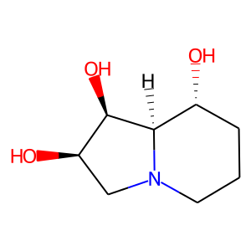 | CHEMBL371197 | 173.21 | 63.93 | O[C@@H]1[C@H](O)CN2CCC[C@@H](O)[C@H]12 | 0.24324324324
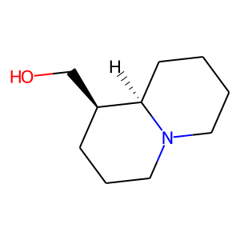 | CHEMBL459397 | 169.27 | 23.47 | OC[C@@H]1CCCN2CCCC[C@H]12 | 0.23684210526
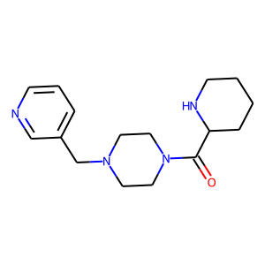 | CHEMBL6346 | 288.4 | 48.47 | O=C(C1CCCCN1)N1CCN(Cc2cccnc2)CC1 | 0.23636363636
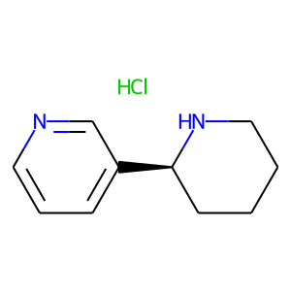 | CHEMBL2165232 | 198.7 | 24.92 | Cl.c1cncc([C@@H]2CCCCN2)c1 | 0.23255813953
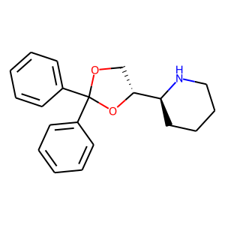 | CHEMBL1165411 | 309.41 | 30.49 | c1ccc(C2(c3ccccc3)OC[C@H]([C@@H]3CCCCN3)O2)cc1 | 0.20408163265
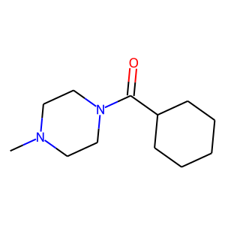 | CHEMBL2107076 | 210.32 | 23.55 | CN1CCN(C(=O)C2CCCCC2)CC1 | 0.2
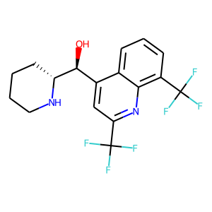 | CHEMBL172 | 378.32 | 45.15 | O[C@@H](c1cc(C(F)(F)F)nc2c(C(F)(F)F)cccc12)[C@H]1CCCCN1 | 0.18644067797
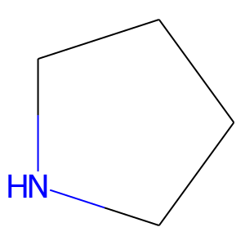 | CHEMBL22830 | 71.12 | 12.03 | C1CCNC1 | 0.18518518519
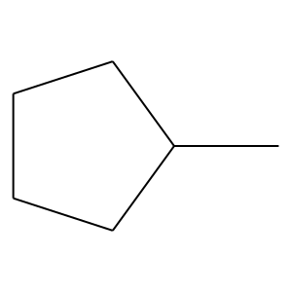 | CHEMBL30940 | 84.16 | 0.00 | CC1CCCC1 | 0.1724137931
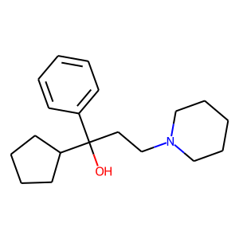 | CHEMBL1201227 | 287.45 | 23.47 | OC(CCN1CCCCC1)(c1ccccc1)C1CCCC1 | 0.16
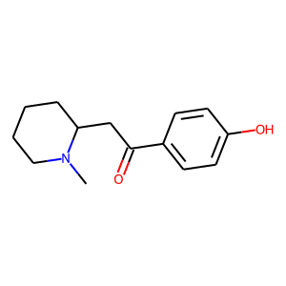 | CHEMBL451122 | 233.31 | 40.54 | CN1CCCCC1CC(=O)c1ccc(O)cc1 | 0.16
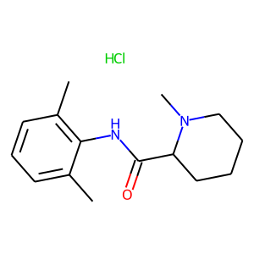 | CHEMBL1200440 | 282.82 | 32.34 | Cc1cccc(C)c1NC(=O)C1CCCCN1C.Cl | 0.15384615385
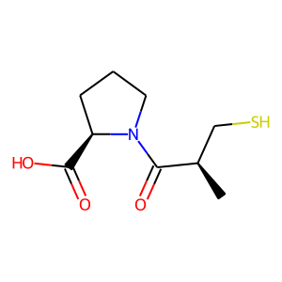 | CHEMBL434965 | 217.29 | 57.61 | C[C@H](CS)C(=O)N1CCC[C@@H]1C(=O)O | 0.14583333333
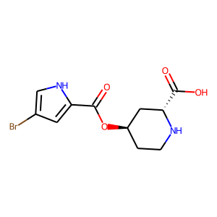 | CHEMBL239967 | 317.14 | 91.42 | O=C(O[C@@H]1CCN[C@@H](C(=O)O)C1)c1cc(Br)c[nH]1 | 0.14285714286
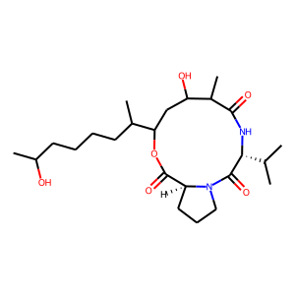 | CHEMBL401602 | 454.61 | 116.17 | CC(O)CCCCC(C)C1CC(O)C(C)C(=O)N[C@H](C(C)C)C(=O)N2CCC[C@H]2C(=O)O1 | 0.14084507042
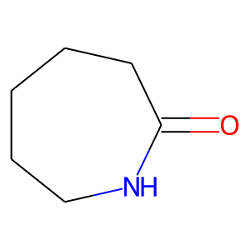 | CHEMBL276218 | 113.16 | 29.10 | O=C1CCCCCN1 | 0.13888888889
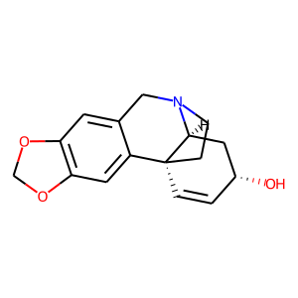 | CHEMBL469648 | 271.32 | 41.93 | O[C@@H]1C=C[C@]23CCN(Cc4cc5c(cc42)OCO5)[C@H]3C1 | 0.13793103448
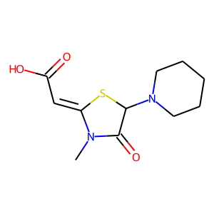 | CHEMBL3989840 | 256.33 | 60.85 | CN1C(=O)C(N2CCCCC2)S/C1=C\C(=O)O | 0.13725490196
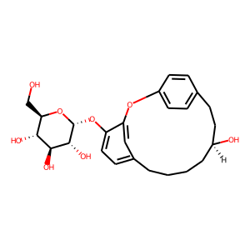 | CHEMBL597938 | 460.52 | 128.84 | OC[C@H]1O[C@H](Oc2ccc3cc2Oc2ccc(cc2)CC[C@@H](O)CCCC3)[C@H](O)[C@@H](O)[C@@H]1O | 0.13636363636
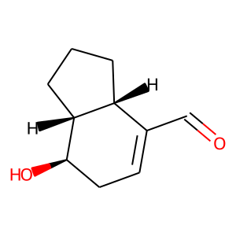 | CHEMBL470663 | 166.22 | 37.30 | O=CC1=CC[C@@H](O)[C@@H]2CCC[C@H]12 | 0.13333333333

