Sheet1
 | ChEMBL ID | Molecular Weight | Polar Surface Area | Smiles | Tanimoto_Similarity (ECFP4)
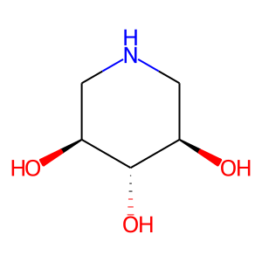 | CHEMBL110830 | 133.15 | 72.72 | O[C@H]1CNC[C@@H](O)[C@@H]1O | 0.1935483871
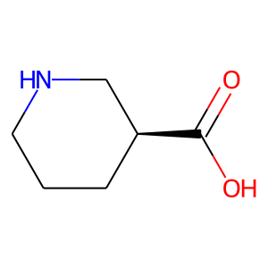 | CHEMBL77484 | 129.16 | 49.33 | O=C(O)[C@H]1CCCNC1 | 0.18421052632
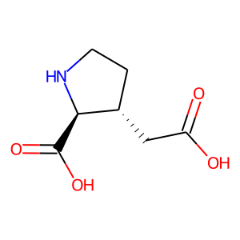 | CHEMBL19742 | 173.17 | 86.63 | O=C(O)C[C@H]1CCN[C@@H]1C(=O)O | 0.175
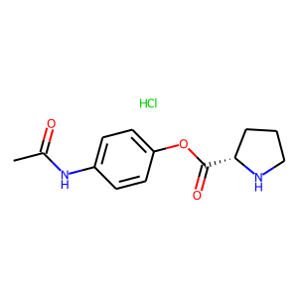 | CHEMBL1795487 | 284.74 | 67.43 | CC(=O)Nc1ccc(OC(=O)[C@@H]2CCCN2)cc1.Cl | 0.16981132075
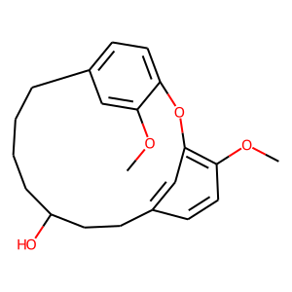 | CHEMBL1939892 | 342.44 | 47.92 | COc1cc2ccc1Oc1cc(ccc1OC)CCC(O)CCCC2 | 0.16363636364
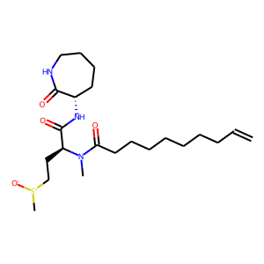 | CHEMBL2333534 | 441.64 | 95.58 | C=CCCCCCCCC(=O)N(C)[C@@H](CC[S+](C)[O-])C(=O)N[C@H]1CCCCNC1=O | 0.15714285714
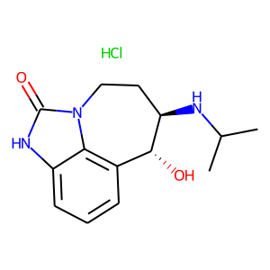 | CHEMBL513390 | 297.79 | 70.05 | CC(C)N[C@@H]1CCn2c(=O)[nH]c3cccc(c32)[C@H]1O.Cl | 0.15254237288
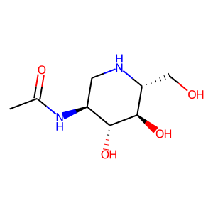 | CHEMBL382689 | 204.23 | 101.82 | CC(=O)N[C@H]1CN[C@H](CO)[C@@H](O)[C@@H]1O | 0.15217391304
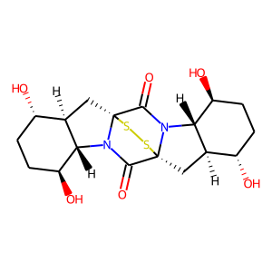 | CHEMBL462959 | 428.53 | 121.54 | O=C1N2[C@@H]3[C@@H](O)CC[C@H](O)[C@H]3C[C@]23SS[C@]12C[C@@H]1[C@@H](O)CC[C@H](O)[C@H]1N2C3=O | 0.15217391304
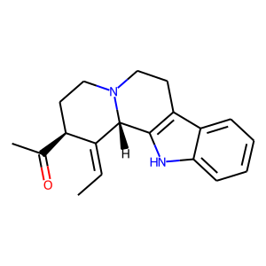 | CHEMBL251688 | 294.4 | 36.10 | C/C=C1\[C@@H](C(C)=O)CCN2CCc3c([nH]c4ccccc34)[C@H]12 | 0.14516129032
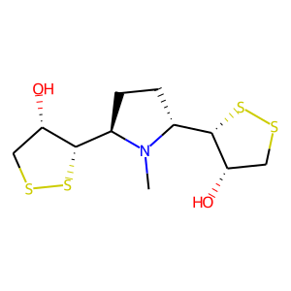 | CHEMBL521150 | 325.55 | 43.70 | CN1[C@@H]([C@@H]2SSC[C@@H]2O)CC[C@@H]1[C@@H]1SSC[C@@H]1O | 0.14285714286
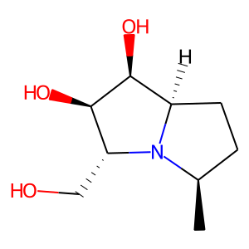 | CHEMBL509589 | 187.24 | 63.93 | C[C@@H]1CC[C@@H]2[C@H](O)[C@H](O)[C@@H](CO)N12 | 0.13953488372
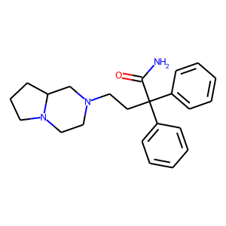 | CHEMBL2106959 | 363.5 | 49.57 | NC(=O)C(CCN1CCN2CCCC2C1)(c1ccccc1)c1ccccc1 | 0.13559322034
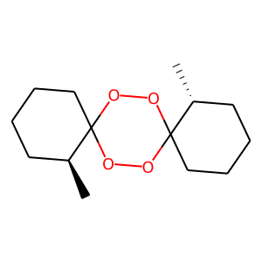 | CHEMBL278291 | 256.34 | 36.92 | C[C@H]1CCCCC12OOC1(CCCC[C@H]1C)OO2 | 0.13157894737
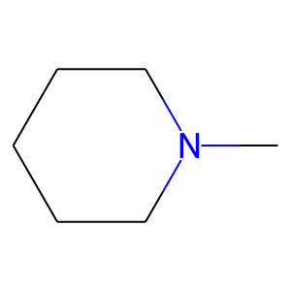 | CHEMBL281417 | 99.18 | 3.24 | CN1CCCCC1 | 0.12903225806
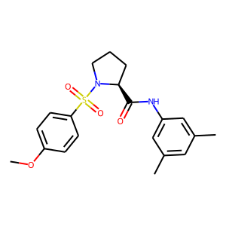 | CHEMBL3597952 | 388.49 | 75.71 | COc1ccc(S(=O)(=O)N2CCC[C@H]2C(=O)Nc2cc(C)cc(C)c2)cc1 | 0.12903225806
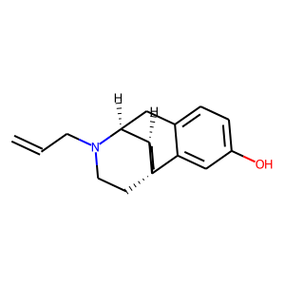 | CHEMBL1254683 | 283.42 | 23.47 | C=CCN1CC[C@@]23CCCC[C@@H]2[C@@H]1Cc1ccc(O)cc13 | 0.12903225806
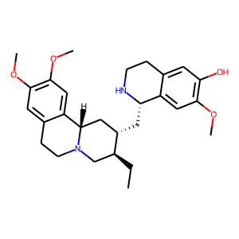 | CHEMBL486005 | 466.62 | 63.19 | CC[C@H]1CN2CCc3cc(OC)c(OC)cc3[C@@H]2C[C@@H]1C[C@@H]1NCCc2cc(O)c(OC)cc21 | 0.12857142857
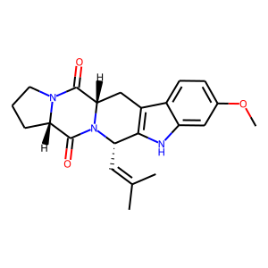 | CHEMBL410316 | 379.46 | 65.64 | COc1ccc2c3c([nH]c2c1)[C@H](C=C(C)C)N1C(=O)[C@@H]2CCCN2C(=O)[C@@H]1C3 | 0.12676056338
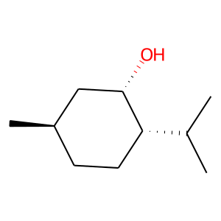 | CHEMBL1907991 | 156.27 | 20.23 | CC(C)[C@@H]1CC[C@@H](C)C[C@@H]1O | 0.125

