Sheet1
 | ChEMBL ID | Molecular Weight | Polar Surface Area | Smiles | Tanimoto_Similarity (ECFP4)
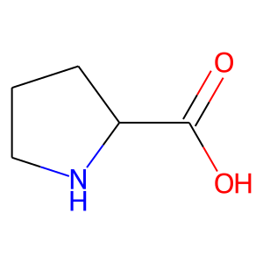 | CHEMBL72275 | 115.13 | 49.33 | O=C(O)C1CCCN1 | 0.26470588235
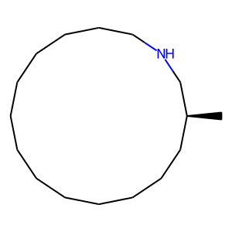 | CHEMBL1080039 | 239.45 | 12.03 | C[C@H]1CCCCCCCCCCCCCNC1 | 0.22857142857
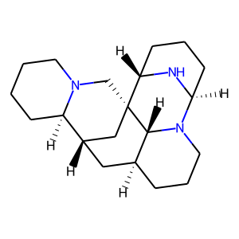 | CHEMBL497938 | 315.51 | 18.51 | C1CCN2C[C@]34C[C@H](C[C@@H]5CCCN([C@@H]6CCC[C@@H]3N6)[C@H]54)[C@H]2C1 | 0.2
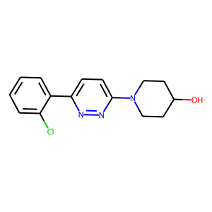 | CHEMBL122135 | 289.77 | 49.25 | OC1CCN(c2ccc(-c3ccccc3Cl)nn2)CC1 | 0.2
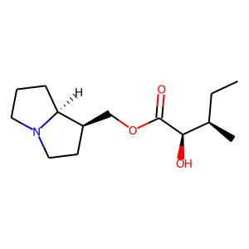 | CHEMBL480464 | 255.36 | 49.77 | CC[C@@H](C)[C@@H](O)C(=O)OC[C@H]1CCN2CCC[C@@H]12 | 0.19230769231
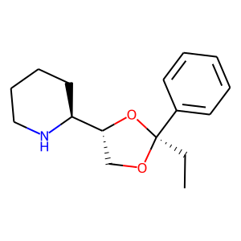 | CHEMBL305904 | 261.36 | 30.49 | CC[C@]1(c2ccccc2)OC[C@H]([C@@H]2CCCCN2)O1 | 0.18518518519
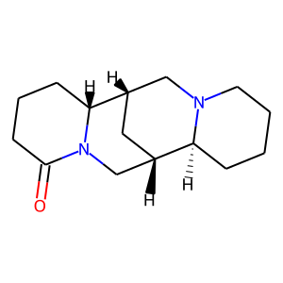 | CHEMBL459396 | 248.37 | 23.55 | O=C1CCC[C@@H]2[C@H]3C[C@@H](CN12)[C@@H]1CCCCN1C3 | 0.17021276596
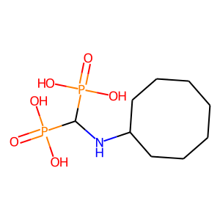 | CHEMBL412889 | 301.22 | 127.09 | O=P(O)(O)C(NC1CCCCCCC1)P(=O)(O)O | 0.15
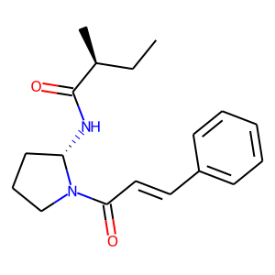 | CHEMBL521297 | 300.4 | 49.41 | CC[C@H](C)C(=O)N[C@H]1CCCN1C(=O)/C=C/c1ccccc1 | 0.14754098361
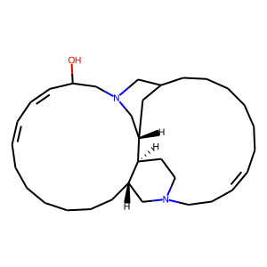 | CHEMBL436100 | 482.8 | 26.71 | OC1/C=C\C=C/CCCCCC[C@H]2CN3CC/C=C\CCCCCCC4C[C@@H](CN(C1)C4)[C@H]2CC3 | 0.14754098361
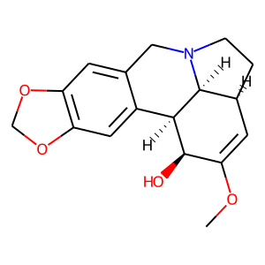 | CHEMBL575533 | 301.34 | 51.16 | COC1=C[C@@H]2CCN3Cc4cc5c(cc4[C@H]([C@@H]1O)[C@H]23)OCO5 | 0.14754098361
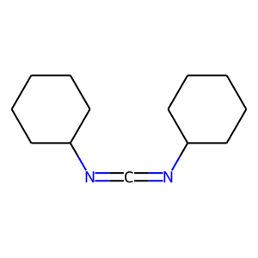 | CHEMBL162598 | 206.33 | 24.72 | C(=NC1CCCCC1)=NC1CCCCC1 | 0.14705882353
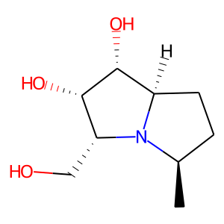 | CHEMBL452641 | 187.24 | 63.93 | C[C@@H]1CC[C@@H]2[C@@H](O)[C@@H](O)[C@@H](CO)N12 | 0.13953488372
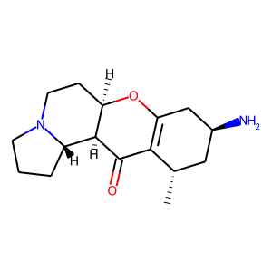 | CHEMBL497516 | 276.38 | 55.56 | C[C@H]1C[C@H](N)CC2=C1C(=O)[C@H]1[C@@H]3CCCN3CC[C@H]1O2 | 0.13793103448
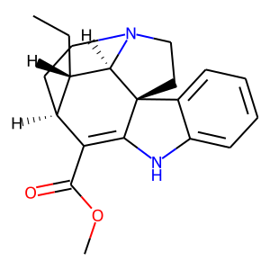 | CHEMBL508920 | 324.42 | 41.57 | CC[C@H]1[C@@H]2CCN3CC[C@@]4(C(=C2C(=O)OC)Nc2ccccc24)[C@@H]13 | 0.13636363636
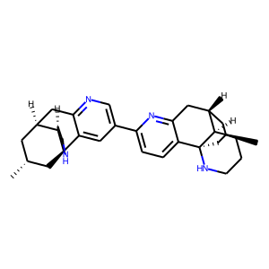 | CHEMBL1644379 | 482.72 | 49.84 | C[C@@H]1C[C@H]2Cc3ncc(-c4ccc5c(n4)C[C@@H]4C[C@@H](C)C[C@]56NCCC[C@H]46)cc3[C@]3(C1)NCCC[C@H]23 | 0.13636363636
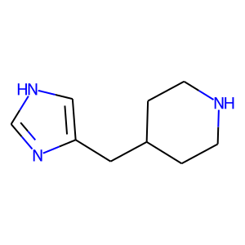 | CHEMBL18661 | 165.24 | 40.71 | c1nc(CC2CCNCC2)c[nH]1 | 0.13333333333
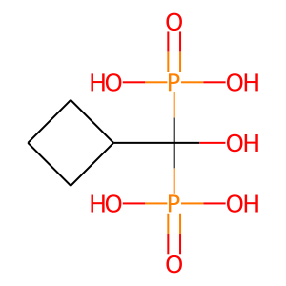 | CHEMBL55222 | 246.09 | 135.29 | O=P(O)(O)C(O)(C1CCC1)P(=O)(O)O | 0.13157894737
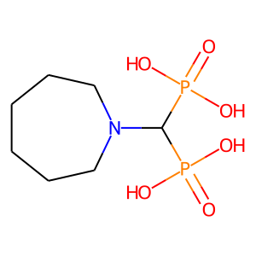 | CHEMBL54472 | 273.16 | 118.30 | O=P(O)(O)C(N1CCCCCC1)P(=O)(O)O | 0.13157894737
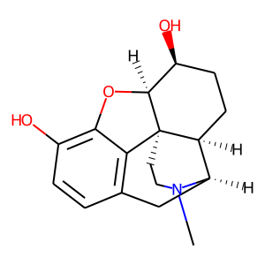 | CHEMBL1500 | 287.36 | 52.93 | CN1CC[C@]23c4c5ccc(O)c4O[C@H]2[C@@H](O)CC[C@H]3[C@H]1C5 | 0.12903225806

