Sheet1
 | ChEMBL ID | Molecular Weight | Polar Surface Area | Smiles | Tanimoto_Similarity (ECFP4)
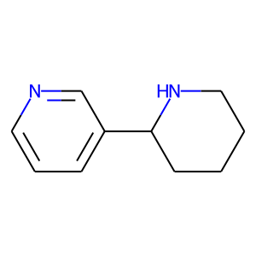 | CHEMBL280963 | 162.24 | 24.92 | c1cncc(C2CCCCN2)c1 | 0.2380952381
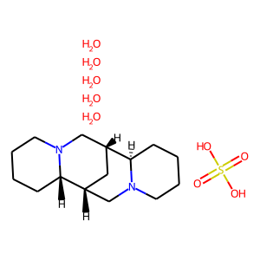 | CHEMBL2303617 | 422.54 | 6.48 | C1CCN2C[C@H]3C[C@H](CN4CCCC[C@H]34)[C@@H]2C1.O.O.O.O.O.O=S(=O)(O)O | 0.21428571429
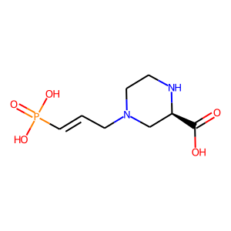 | CHEMBL90564 | 250.19 | 110.10 | O=C(O)[C@H]1CN(C/C=C/P(=O)(O)O)CCN1 | 0.18
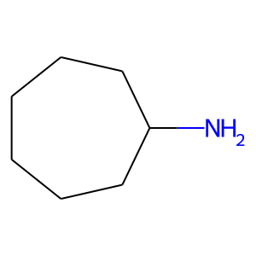 | CHEMBL1171864 | 113.2 | 26.02 | NC1CCCCCC1 | 0.16666666667
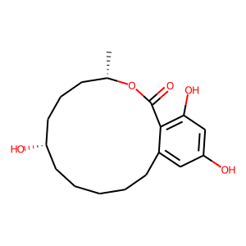 | CHEMBL491510 | 322.4 | 86.99 | C[C@H]1CCC[C@@H](O)CCCCCc2cc(O)cc(O)c2C(=O)O1 | 0.16071428571
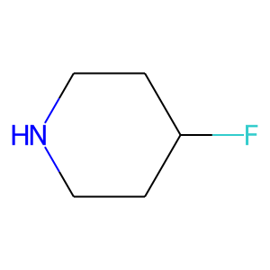 | CHEMBL1162291 | 103.14 | 12.03 | FC1CCNCC1 | 0.15625
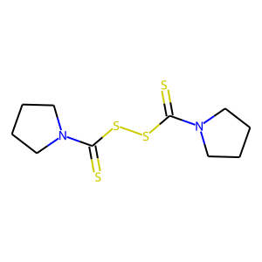 | CHEMBL583959 | 292.52 | 6.48 | S=C(SSC(=S)N1CCCC1)N1CCCC1 | 0.14285714286
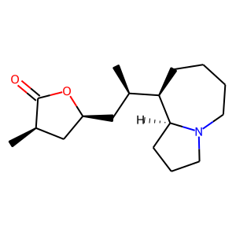 | CHEMBL563774 | 279.42 | 29.54 | C[C@@H]1C[C@H](C[C@@H](C)[C@H]2CCCCN3CCC[C@@H]23)OC1=O | 0.14285714286
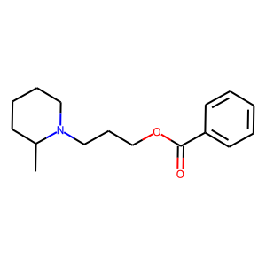 | CHEMBL127865 | 261.36 | 29.54 | CC1CCCCN1CCCOC(=O)c1ccccc1 | 0.14285714286
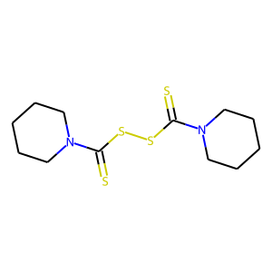 | CHEMBL121516 | 320.57 | 6.48 | S=C(SSC(=S)N1CCCCC1)N1CCCCC1 | 0.13888888889
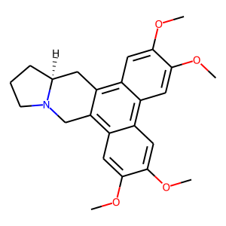 | CHEMBL250426 | 393.48 | 40.16 | COc1cc2c3c(c4cc(OC)c(OC)cc4c2cc1OC)CN1CCC[C@H]1C3 | 0.13725490196
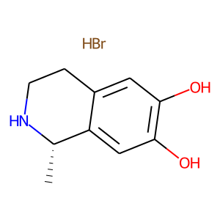 | CHEMBL553751 | 260.13 | 52.49 | Br.C[C@@H]1NCCc2cc(O)c(O)cc21 | 0.13333333333
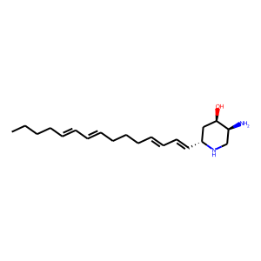 | CHEMBL446568 | 318.51 | 58.28 | CCCC/C=C/C=C/CCC/C=C/C=C/[C@@H]1C[C@@H](O)[C@@H](N)CN1 | 0.12962962963
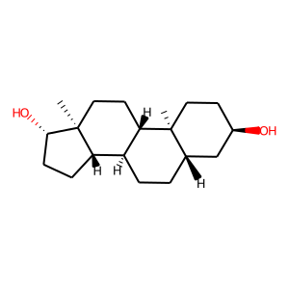 | CHEMBL335062 | 292.46 | 40.46 | C[C@]12CC[C@H]3[C@@H](CC[C@H]4C[C@H](O)CC[C@@]43C)[C@@H]1CC[C@@H]2O | 0.12244897959
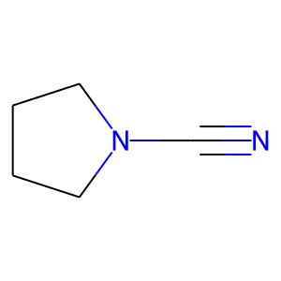 | CHEMBL262697 | 96.13 | 27.03 | N#CN1CCCC1 | 0.12121212121
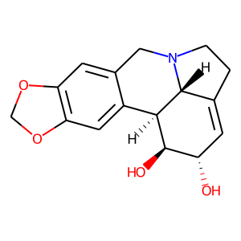 | CHEMBL400092 | 287.31 | 62.16 | O[C@H]1C=C2CCN3Cc4cc5c(cc4[C@H]([C@@H]1O)[C@@H]23)OCO5 | 0.12068965517
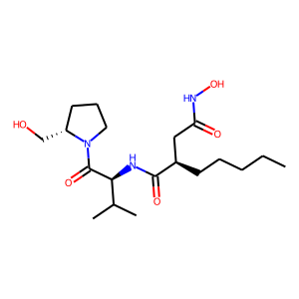 | CHEMBL308333 | 385.51 | 118.97 | CCCCC[C@H](CC(=O)NO)C(=O)N[C@H](C(=O)N1CCC[C@H]1CO)C(C)C | 0.11940298507
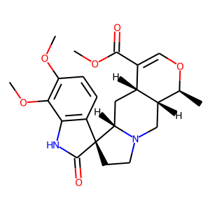 | CHEMBL2333535 | 428.49 | 86.33 | COC(=O)C1=CO[C@@H](C)[C@@H]2CN3CC[C@]4(C(=O)Nc5c4ccc(OC)c5OC)[C@@H]3C[C@H]12 | 0.11688311688
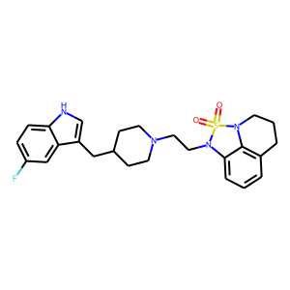 | CHEMBL274728 | 468.6 | 59.65 | O=S1(=O)N(CCN2CCC(Cc3c[nH]c4ccc(F)cc34)CC2)c2cccc3c2N1CCC3 | 0.11688311688
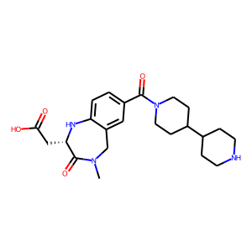 | CHEMBL356301 | 428.53 | 101.98 | CN1Cc2cc(C(=O)N3CCC(C4CCNCC4)CC3)ccc2N[C@@H](CC(=O)O)C1=O | 0.11594202899

