Sheet1
 | ChEMBL ID | Molecular Weight | Polar Surface Area | Smiles | Tanimoto_Similarity (ECFP4)
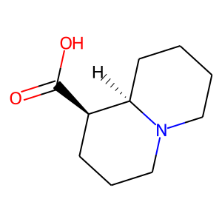 | CHEMBL539194 | 183.25 | 40.54 | O=C(O)[C@@H]1CCCN2CCCC[C@H]12 | 0.23076923077
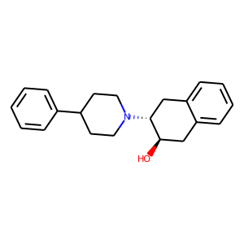 | CHEMBL87379 | 307.44 | 23.47 | O[C@@H]1Cc2ccccc2C[C@H]1N1CCC(c2ccccc2)CC1 | 0.19565217391
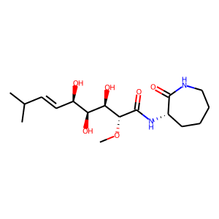 | CHEMBL376628 | 358.44 | 128.12 | CO[C@@H](C(=O)N[C@H]1CCCCNC1=O)[C@H](O)[C@@H](O)[C@H](O)/C=C/C(C)C | 0.19298245614
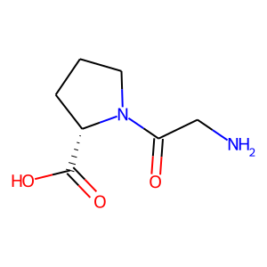 | CHEMBL80548 | 172.18 | 83.63 | NCC(=O)N1CCC[C@H]1C(=O)O | 0.16279069767
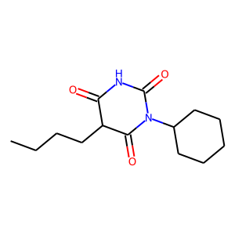 | CHEMBL2106136 | 266.34 | 66.48 | CCCCC1C(=O)NC(=O)N(C2CCCCC2)C1=O | 0.16
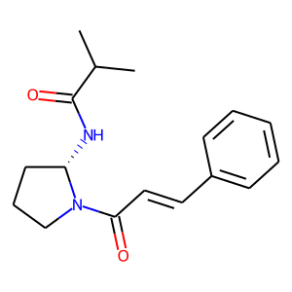 | CHEMBL483215 | 286.38 | 49.41 | CC(C)C(=O)N[C@H]1CCCN1C(=O)/C=C/c1ccccc1 | 0.15789473684
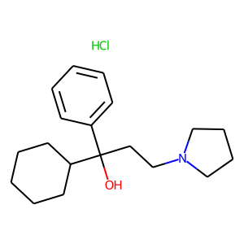 | CHEMBL1761 | 323.91 | 23.47 | Cl.OC(CCN1CCCC1)(c1ccccc1)C1CCCCC1 | 0.1568627451
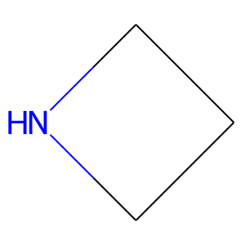 | CHEMBL2171713 | 57.1 | 12.03 | C1CNC1 | 0.15384615385
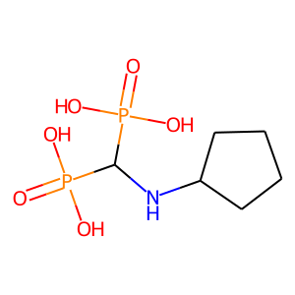 | CHEMBL58830 | 259.13 | 127.09 | O=P(O)(O)C(NC1CCCC1)P(=O)(O)O | 0.15384615385
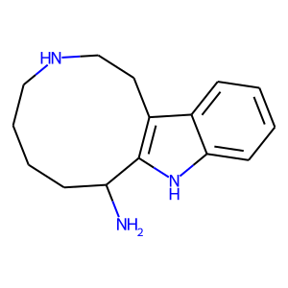 | CHEMBL522984 | 243.35 | 53.84 | NC1CCCCNCCc2c1[nH]c1ccccc21 | 0.15384615385
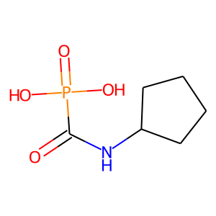 | CHEMBL316997 | 193.14 | 86.63 | O=C(NC1CCCC1)P(=O)(O)O | 0.15384615385
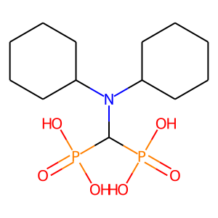 | CHEMBL55779 | 355.31 | 118.30 | O=P(O)(O)C(N(C1CCCCC1)C1CCCCC1)P(=O)(O)O | 0.15
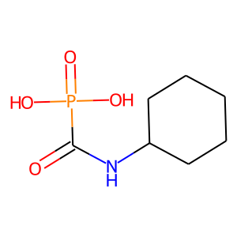 | CHEMBL329784 | 207.17 | 86.63 | O=C(NC1CCCCC1)P(=O)(O)O | 0.15
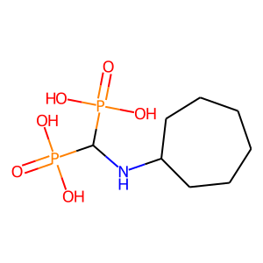 | CHEMBL53950 | 287.19 | 127.09 | O=P(O)(O)C(NC1CCCCCC1)P(=O)(O)O | 0.15
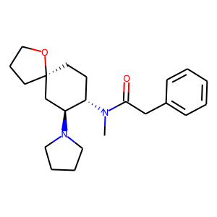 | CHEMBL440765 | 356.51 | 32.78 | CN(C(=O)Cc1ccccc1)[C@H]1CC[C@@]2(CCCO2)C[C@@H]1N1CCCC1 | 0.140625
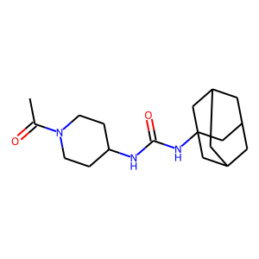 | CHEMBL436774 | 319.45 | 61.44 | CC(=O)N1CCC(NC(=O)NC23CC4CC(CC(C4)C2)C3)CC1 | 0.13725490196
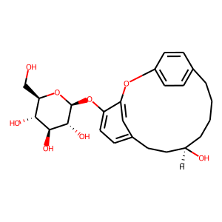 | CHEMBL1778761 | 460.52 | 128.84 | OC[C@H]1O[C@@H](Oc2ccc3cc2Oc2ccc(cc2)CCCC[C@@H](O)CC3)[C@H](O)[C@@H](O)[C@@H]1O | 0.13636363636
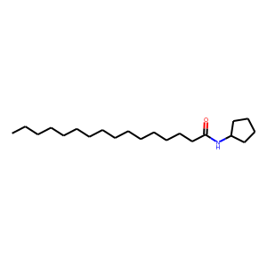 | CHEMBL284042 | 323.57 | 29.10 | CCCCCCCCCCCCCCCC(=O)NC1CCCC1 | 0.13333333333
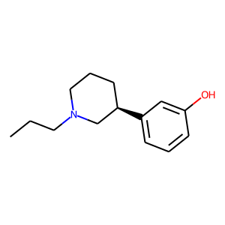 | CHEMBL7549 | 219.33 | 23.47 | CCCN1CCC[C@@H](c2cccc(O)c2)C1 | 0.1320754717
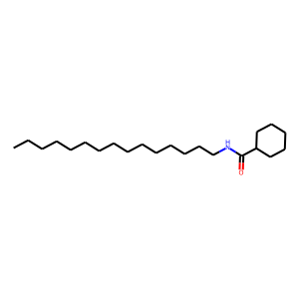 | CHEMBL190662 | 337.59 | 29.10 | CCCCCCCCCCCCCCCNC(=O)C1CCCCC1 | 0.13043478261

