Sheet1
 | ChEMBL ID | Molecular Weight | Polar Surface Area | Smiles | Tanimoto_Similarity (ECFP4)
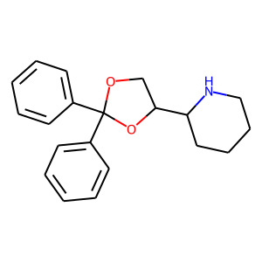 | CHEMBL26479 | 309.41 | 30.49 | c1ccc(C2(c3ccccc3)OCC(C3CCCCN3)O2)cc1 | 0.20408163265
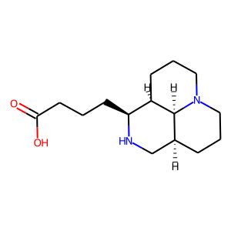 | CHEMBL1824582 | 266.38 | 52.57 | O=C(O)CCC[C@@H]1NC[C@@H]2CCCN3CCC[C@H]1[C@H]23 | 0.19230769231
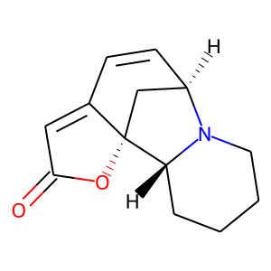 | CHEMBL303062 | 217.27 | 29.54 | O=C1C=C2C=C[C@@H]3C[C@@]2(O1)[C@H]1CCCCN31 | 0.14814814815
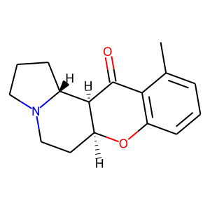 | CHEMBL608812 | 257.33 | 29.54 | Cc1cccc2c1C(=O)[C@H]1[C@H](CCN3CCC[C@H]13)O2 | 0.14285714286
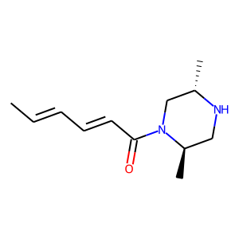 | CHEMBL2208202 | 208.31 | 32.34 | C/C=C/C=C/C(=O)N1C[C@H](C)NC[C@H]1C | 0.14285714286
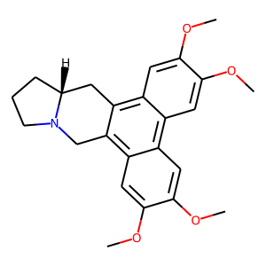 | CHEMBL258137 | 393.48 | 40.16 | COc1cc2c3c(c4cc(OC)c(OC)cc4c2cc1OC)CN1CCC[C@@H]1C3 | 0.13725490196
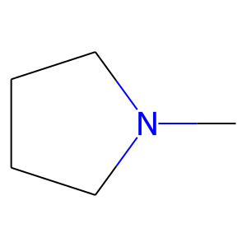 | CHEMBL665 | 85.15 | 3.24 | CN1CCCC1 | 0.13333333333
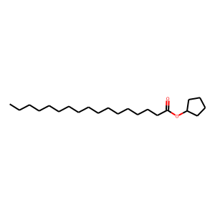 | CHEMBL591592 | 338.58 | 26.30 | CCCCCCCCCCCCCCCCC(=O)OC1CCCC1 | 0.13333333333
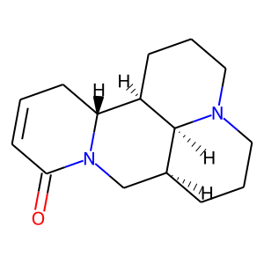 | CHEMBL377725 | 246.35 | 23.55 | O=C1C=CC[C@@H]2[C@H]3CCCN4CCC[C@@H](CN12)[C@@H]34 | 0.1320754717
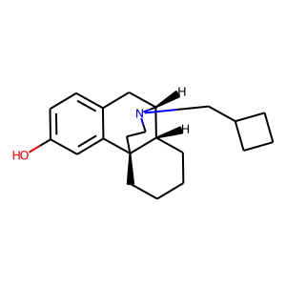 | CHEMBL301160 | 311.47 | 23.47 | Oc1ccc2c(c1)[C@@]13CCCC[C@H]1[C@@H](C2)N(CC1CCC1)CC3 | 0.13114754098
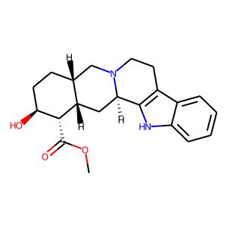 | CHEMBL465600 | 354.45 | 65.56 | COC(=O)[C@@H]1[C@@H](O)CC[C@@H]2CN3CCc4c([nH]c5ccccc45)[C@H]3C[C@@H]21 | 0.13043478261
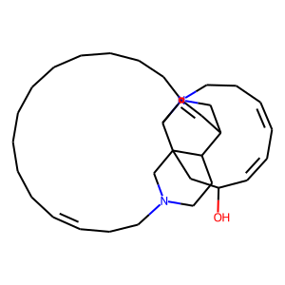 | CHEMBL519308 | 478.77 | 26.71 | OC1/C=C\C=C/CCN2CC3C=C4CCCCCCCCCC/C=C\CCN5CCC3C(C1)(C5)C42 | 0.12857142857
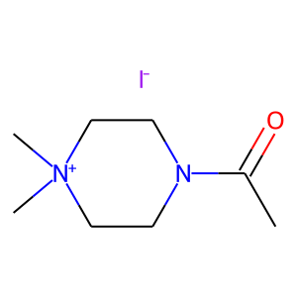 | CHEMBL1785001 | 284.14 | 20.31 | CC(=O)N1CC[N+](C)(C)CC1.[I-] | 0.12820512821
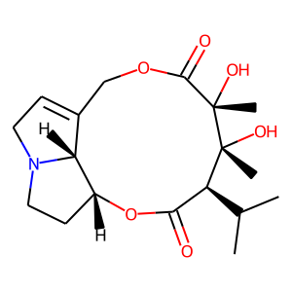 | CHEMBL1573073 | 353.42 | 96.30 | CC(C)[C@H]1C(=O)O[C@@H]2CCN3CC=C(COC(=O)[C@](C)(O)[C@]1(C)O)[C@H]23 | 0.125
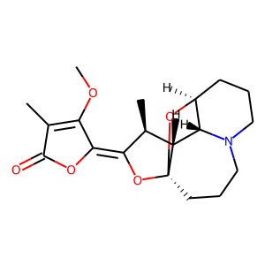 | CHEMBL467208 | 347.41 | 57.23 | COC1=C(C)C(=O)O/C1=C1\O[C@@]23CCCN4CCC[C@H](O2)[C@H]4[C@H]3[C@@H]1C | 0.12307692308
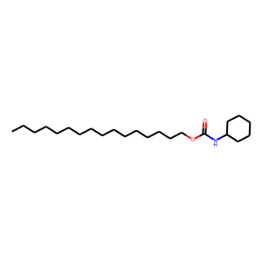 | CHEMBL592231 | 367.62 | 38.33 | CCCCCCCCCCCCCCCCOC(=O)NC1CCCCC1 | 0.12244897959
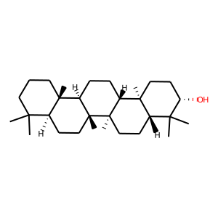 | CHEMBL485801 | 428.75 | 20.23 | CC1(C)CCC[C@@]2(C)[C@H]1CC[C@]1(C)[C@@H]2CC[C@@H]2[C@@]3(C)CC[C@H](O)C(C)(C)[C@@H]3CC[C@]21C | 0.12
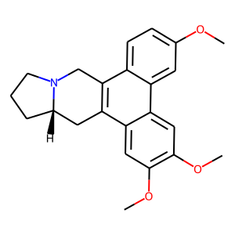 | CHEMBL483423 | 363.46 | 30.93 | COc1ccc2c3c(c4cc(OC)c(OC)cc4c2c1)C[C@@H]1CCCN1C3 | 0.1186440678
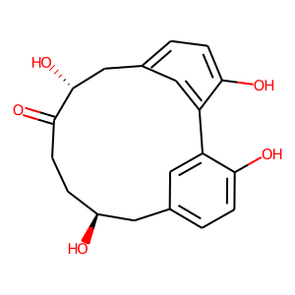 | CHEMBL450805 | 328.36 | 97.99 | O=C1CC[C@H](O)Cc2ccc(O)c(c2)-c2cc(ccc2O)C[C@H]1O | 0.11764705882
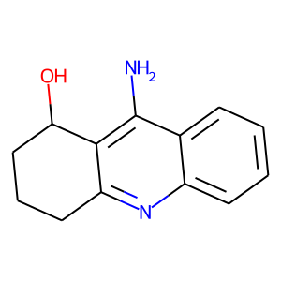 | CHEMBL51934 | 214.27 | 59.14 | Nc1c2c(nc3ccccc13)CCCC2O | 0.11538461538

