Sheet1
 | ChEMBL ID | Molecular Weight | Polar Surface Area | Smiles | Tanimoto_Similarity (ECFP4)
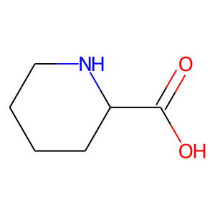 | CHEMBL308408 | 129.16 | 49.33 | O=C(O)C1CCCCN1 | 0.33333333333
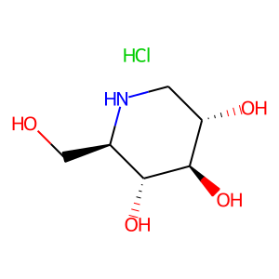 | CHEMBL460785 | 199.63 | 92.95 | Cl.OC[C@H]1NC[C@H](O)[C@@H](O)[C@@H]1O | 0.18421052632
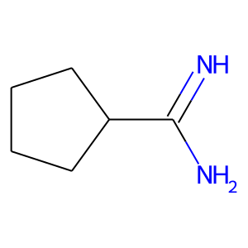 | CHEMBL1229853 | 112.18 | 49.87 | N=C(N)C1CCCC1 | 0.18181818182
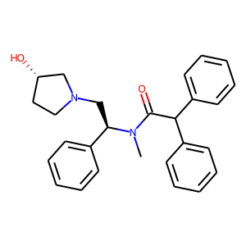 | CHEMBL1190199 | 414.55 | 43.78 | CN(C(=O)C(c1ccccc1)c1ccccc1)[C@H](CN1CC[C@H](O)C1)c1ccccc1 | 0.17857142857
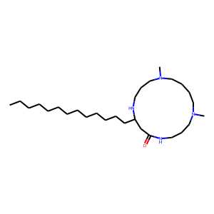 | CHEMBL469083 | 466.8 | 47.61 | CCCCCCCCCCCCCC1CC(=O)NCCCN(C)CCCCN(C)CCCN1 | 0.16666666667
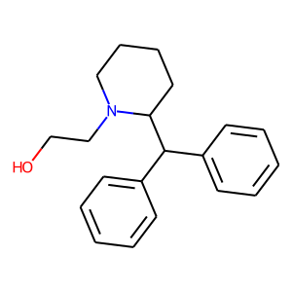 | CHEMBL2104291 | 295.43 | 23.47 | OCCN1CCCCC1C(c1ccccc1)c1ccccc1 | 0.16326530612
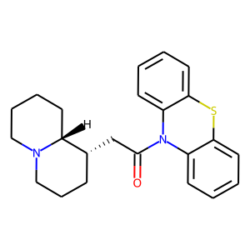 | CHEMBL1782731 | 378.54 | 23.55 | O=C(C[C@@H]1CCCN2CCCC[C@H]12)N1c2ccccc2Sc2ccccc21 | 0.16071428571
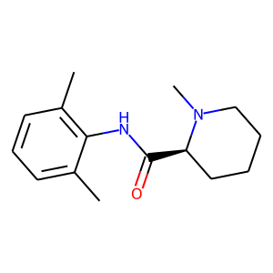 | CHEMBL2104634 | 246.35 | 32.34 | Cc1cccc(C)c1NC(=O)[C@@H]1CCCCN1C | 0.1568627451
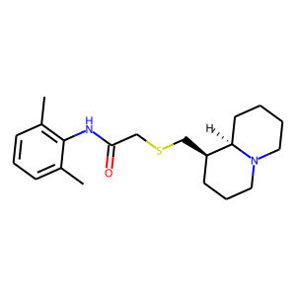 | CHEMBL1173122 | 346.54 | 32.34 | Cc1cccc(C)c1NC(=O)CSC[C@@H]1CCCN2CCCC[C@H]12 | 0.15
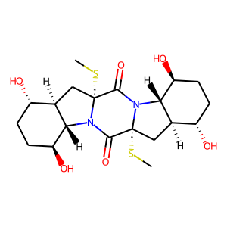 | CHEMBL1172225 | 458.6 | 121.54 | CS[C@@]12C[C@@H]3[C@@H](O)CC[C@H](O)[C@H]3N1C(=O)[C@]1(SC)C[C@@H]3[C@@H](O)CC[C@H](O)[C@H]3N1C2=O | 0.14583333333
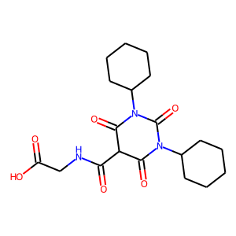 | CHEMBL3544988 | 393.44 | 124.09 | O=C(O)CNC(=O)C1C(=O)N(C2CCCCC2)C(=O)N(C2CCCCC2)C1=O | 0.14
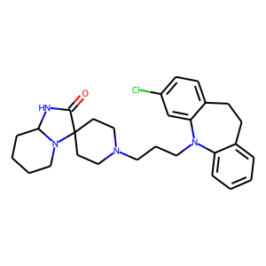 | CHEMBL2106650 | 479.07 | 38.82 | O=C1NC2CCCCN2C12CCN(CCCN1c3ccccc3CCc3ccc(Cl)cc31)CC2 | 0.13888888889
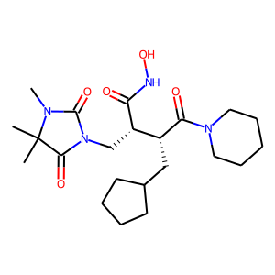 | CHEMBL115653 | 436.55 | 110.26 | CN1C(=O)N(C[C@H](C(=O)NO)[C@@H](CC2CCCC2)C(=O)N2CCCCC2)C(=O)C1(C)C | 0.13846153846
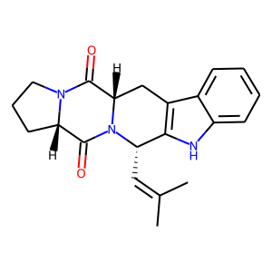 | CHEMBL39346 | 349.43 | 56.41 | CC(C)=C[C@H]1c2[nH]c3ccccc3c2C[C@H]2C(=O)N3CCC[C@H]3C(=O)N21 | 0.13846153846
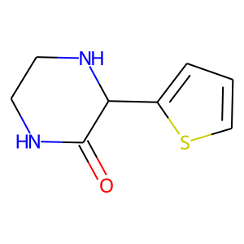 | CHEMBL2104853 | 182.25 | 41.13 | O=C1NCCNC1c1cccs1 | 0.13043478261
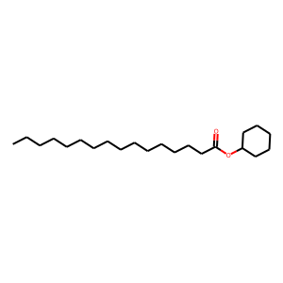 | CHEMBL139056 | 338.58 | 26.30 | CCCCCCCCCCCCCCCC(=O)OC1CCCCC1 | 0.13043478261
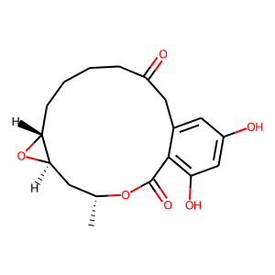 | CHEMBL455063 | 334.37 | 96.36 | C[C@@H]1C[C@H]2O[C@@H]2CCCCC(=O)Cc2cc(O)cc(O)c2C(=O)O1 | 0.12903225806
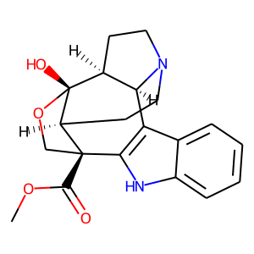 | CHEMBL1165402 | 354.41 | 74.79 | COC(=O)[C@@]12CO[C@]3(O)[C@H]4CCN(CC[C@@H]13)[C@H]4c1c2[nH]c2ccccc12 | 0.12857142857
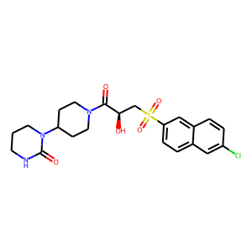 | CHEMBL1095032 | 479.99 | 107.02 | O=C([C@H](O)CS(=O)(=O)c1ccc2cc(Cl)ccc2c1)N1CCC(N2CCCNC2=O)CC1 | 0.12676056338
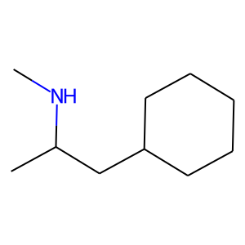 | CHEMBL2105275 | 155.28 | 12.03 | CNC(C)CC1CCCCC1 | 0.125

