Sheet1
 | ChEMBL ID | Molecular Weight | Polar Surface Area | Smiles | Tanimoto_Similarity (ECFP4)
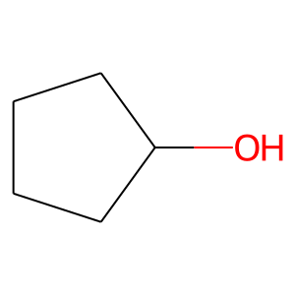 | CHEMBL288998 | 86.13 | 20.23 | OC1CCCC1 | 0.36
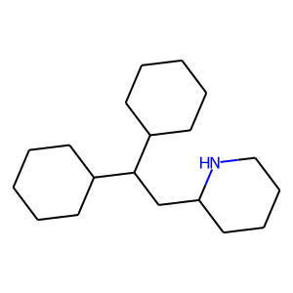 | CHEMBL75880 | 277.5 | 12.03 | C1CCC(C(CC2CCCCN2)C2CCCCC2)CC1 | 0.26315789474
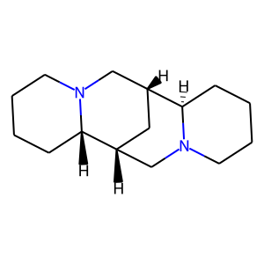 | CHEMBL412873 | 234.39 | 6.48 | C1CCN2C[C@H]3C[C@H](CN4CCCC[C@H]34)[C@@H]2C1 | 0.22222222222
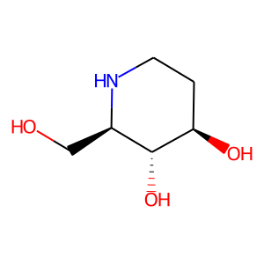 | CHEMBL108084 | 147.17 | 72.72 | OC[C@H]1NCC[C@@H](O)[C@@H]1O | 0.21621621622
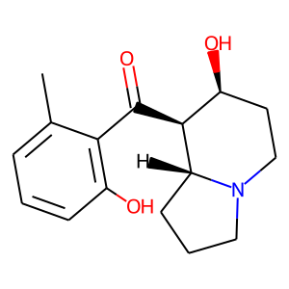 | CHEMBL608811 | 275.35 | 60.77 | Cc1cccc(O)c1C(=O)[C@H]1[C@@H](O)CCN2CCC[C@H]12 | 0.20754716981
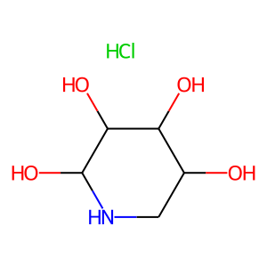 | CHEMBL534474 | 185.61 | 92.95 | Cl.OC1CNC(O)C(O)C1O | 0.20588235294
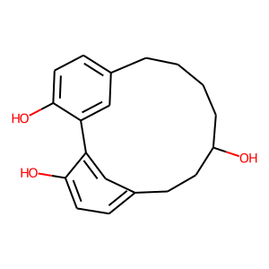 | CHEMBL462921 | 298.38 | 60.69 | Oc1ccc2cc1-c1cc(ccc1O)CCC(O)CCCC2 | 0.20454545455
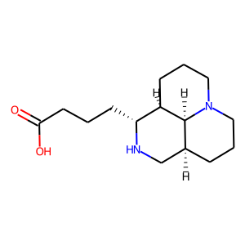 | CHEMBL1818587 | 266.38 | 52.57 | O=C(O)CCC[C@H]1NC[C@@H]2CCCN3CCC[C@H]1[C@H]23 | 0.19230769231
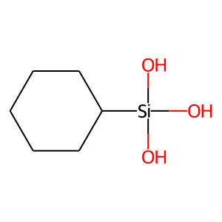 | CHEMBL1644411 | 162.26 | None | O[Si](O)(O)C1CCCCC1 | 0.1875
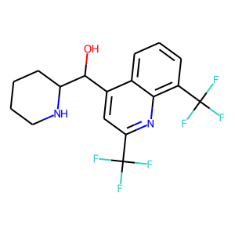 | CHEMBL416956 | 378.32 | 45.15 | OC(c1cc(C(F)(F)F)nc2c(C(F)(F)F)cccc12)C1CCCCN1 | 0.18644067797
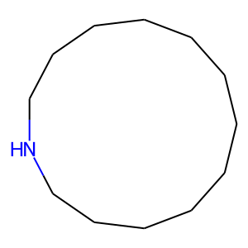 | CHEMBL88316 | 183.34 | 12.03 | C1CCCCCCNCCCCC1 | 0.17857142857
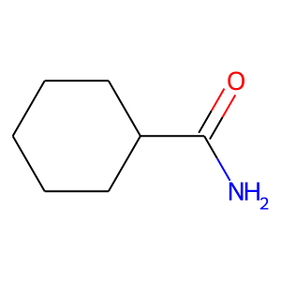 | CHEMBL366975 | 127.19 | 43.09 | NC(=O)C1CCCCC1 | 0.17647058824
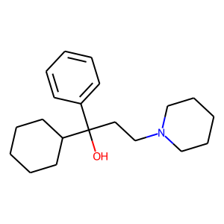 | CHEMBL1490 | 301.47 | 23.47 | OC(CCN1CCCCC1)(c1ccccc1)C1CCCCC1 | 0.16
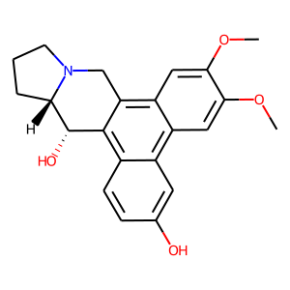 | CHEMBL53004 | 365.43 | 62.16 | COc1cc2c3c(c4ccc(O)cc4c2cc1OC)[C@H](O)[C@@H]1CCCN1C3 | 0.15789473684
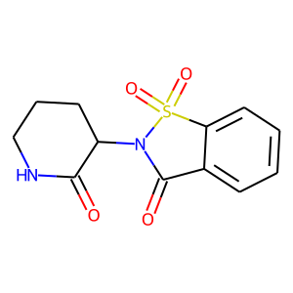 | CHEMBL72115 | 280.3 | 83.55 | O=C1NCCCC1N1C(=O)c2ccccc2S1(=O)=O | 0.15384615385
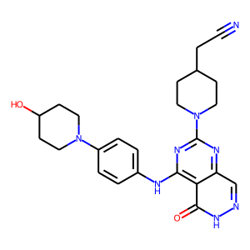 | CHEMBL4594275 | 460.54 | 134.06 | N#CCC1CCN(c2nc(Nc3ccc(N4CCC(O)CC4)cc3)c3c(=O)[nH]ncc3n2)CC1 | 0.15277777778
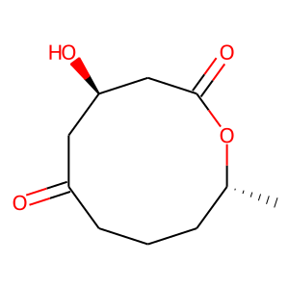 | CHEMBL476689 | 200.23 | 63.60 | C[C@@H]1CCCC(=O)C[C@@H](O)CC(=O)O1 | 0.15217391304
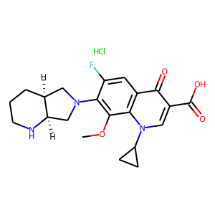 | CHEMBL1200735 | 437.9 | 83.80 | COc1c(N2C[C@@H]3CCCN[C@@H]3C2)c(F)cc2c(=O)c(C(=O)O)cn(C3CC3)c12.Cl | 0.14864864865
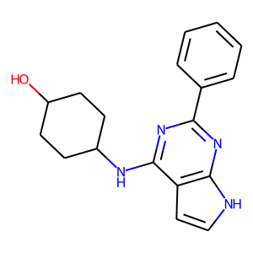 | CHEMBL592435 | 308.39 | 73.83 | OC1CCC(Nc2nc(-c3ccccc3)nc3[nH]ccc23)CC1 | 0.14545454545
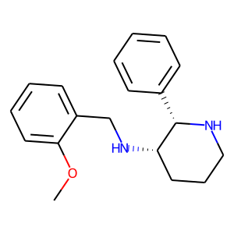 | CHEMBL441225 | 296.41 | 33.29 | COc1ccccc1CN[C@H]1CCCN[C@H]1c1ccccc1 | 0.14035087719

